Planilha1
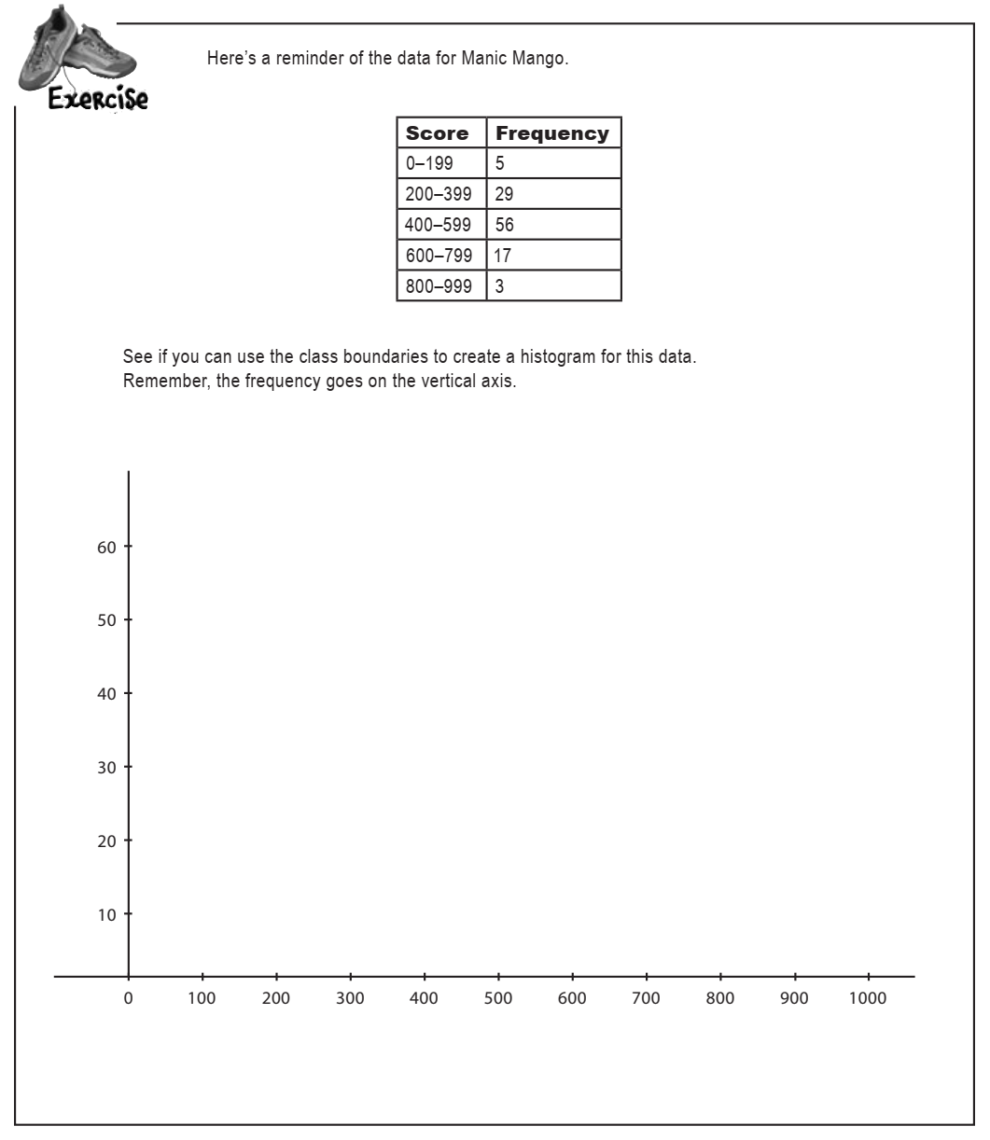
Score | Frequency
0–199 | 5
200–399 | 29
400–599 | 56
600–799 | 17
800–999 | 3

