Analysis
Species | BTO Rating | January | February | March | April | May | June | July | August | September | October | November | December | Total Species | Average Species
 | Red List Birds | 6 | 1 | 4 | 4 | 2 | 4 | 5 | 0 | 2 | 2 | 0 | 0 | 30 | 3
 | Amber List | 10 | 6 | 10 | 4 | 6 | 5 | 10 | 0 | 6 | 4 | 0 | 0 | 61 | 5

Totals | BTO Rating | January | February | March | April | May | June | July | August | September | October | November | December | Total Count | Average Count
 | Red List Birds | 148 | 65 | 535 | 26 | 11 | 23 | 23 | 0 | 5 | 14 | 0 | 0 | 850 | 71
 | Amber List | 137 | 54 | 152 | 21 | 35 | 22 | 78 | 0 | 29 | 38 | 0 | 0 | 566 | 47

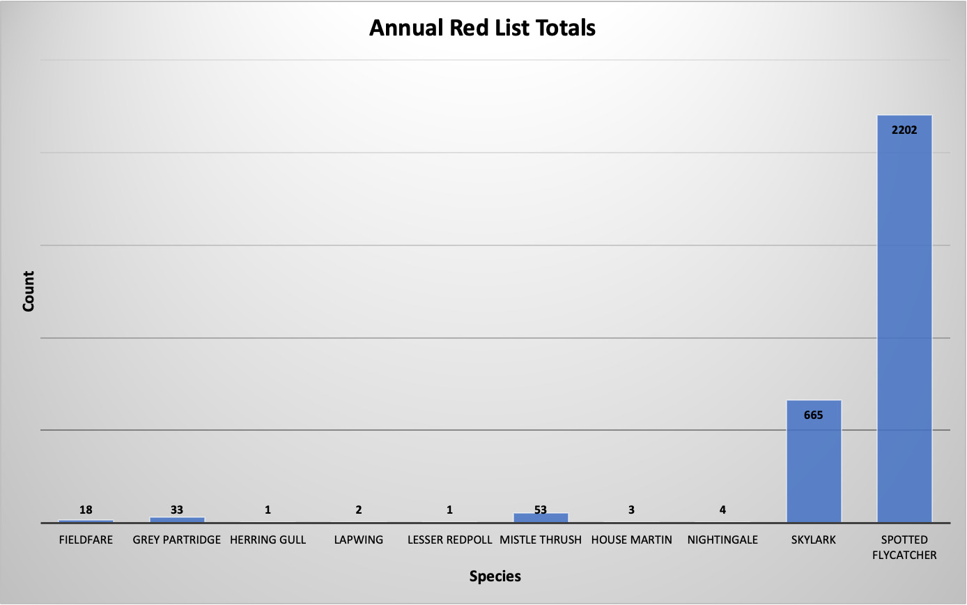
Red List Breakdown
Species | Annual Total | Annual Average
Cuckoo | 0 | 0
Curlew | 0 | 0
Fieldfare | 18 | 2
Greenfinch | 0 | 0
Grey Partridge | 33 | 2
Herring Gull | 1 | 0
House Sparrow | 0 | 0
Lapwing | 2 | 0
Lesser Redpoll | 1 | 0
Linnet | 0 | 0
Mistle Thrush | 53 | 3
House Martin | 3 | 2
Nightingale | 4 | 1
Skylark | 665 | 200
Spotted Flycatcher | 2202 | 98
Starling | 0 | 0
Swift | 0 | 0
Tree Pipit | 0 | 0
Whinchat | 0 | 0
Yellowhammer | 0 | 0
Marsh Tit | 0 | 0

Amber List Breakdown
Species | Annual Total | Annual Average
Black-headed Gull | 0 | 0
Bullfinch | 14 | 3
Mallard | 0 | 0
Cattle Egret | 0 | 0
Common Gull | 0 | 0
Dunnock | 16 | 2
Great Black-backed Gull | 0 | 0
Great White Egret | 0 | 0
Green Sandpiper | 2 | 1
Grey Wagtail | 0 | 0
Greylag Goose | 0 | 0
Kestrel | 32 | 2
Lesser Black-backed Gull | 33 | 17
Meadow Pipit | 109 | 9
Moorhen | 0 | 0
Quail | 0 | 0
Redstart | 1 | 1
Redwing | 38 | 10
Reed Bunting | 0 | 0
Rook | 5 | 2
Sedge Warbler | 0 | 0
Short-eared Owl | 0 | 0
Snipe | 3 | 2
Song Thrush | 4 | 1
Sparrowhawk | 2 | 1
Stock Dove | 0 | 0
Tawny Owl | 0 | 0
Wheatear | 0 | 0
Whitethroat | 2 | 2
Woodpigeon | 237 | 15
Wren | 68 | 5

