BUG_005 (API)
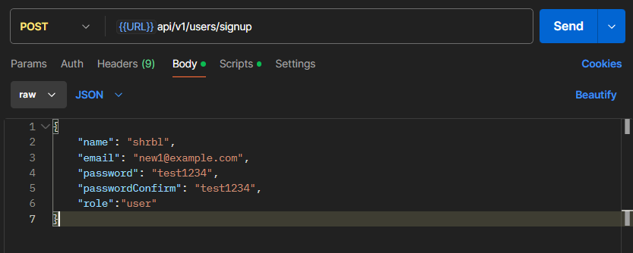
Category | Label | Value
Bug ID | ID number | BUG_005
 | Name | sign up
 | Reporter | yossef magdy shebl
 | Submit Date | 2024-10-16
 | TC ID | N/A
Bug overview | Summary | sign up is done correctly but it returns an error
 | URL | https://www.natours.dev/api/v1/users/signup
 | Screenshot (Evidence) | screenshot
Environment | Platform | lenovo legion y545
 | Operating System | Windows11
 | Browser | Postman
Bug details | Steps to reproduce | 1-request API in postman. 2-fill same (request body/params) if needed.
 | Expected result | response status= 200 OK response body.status="success" response body.data= user data
 | Actual result | response status= 500 Internal Server Error response body.status= "error"
 | Description | sign up with correct data results in a 500 response code which is unexpected. yet the sign up data can be used to login correctly
Bug tracking | Severity (Critical - Major -Minor) | critical
 | Assigned to | Developer
 | Priority(High - Medium - Low) | High
Notes | Notes | N/A

BUG_004 (API)
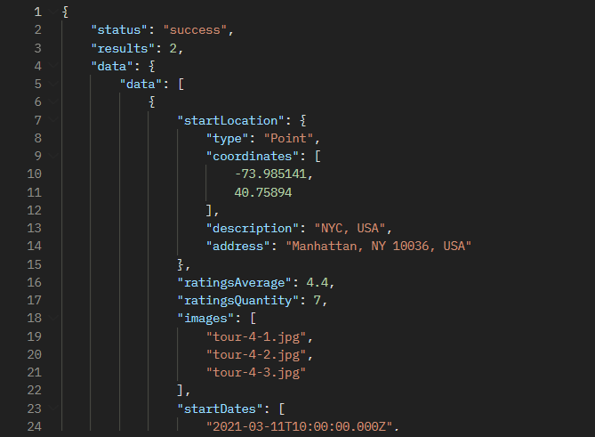
Category | Label | Value
Bug ID | ID number | BUG_004
 | Name | Tours Distances To Location Wrong Unit
 | Reporter | yossef magdy shebl
 | Submit Date | 2024-10-16
 | TC ID | N/A
Bug overview | Summary | wrong param in URL results in successful request
 | URL | https://www.natours.dev/api/v1/tours/distances/30.041273,31.206442/unit/mis
 | Screenshot (Evidence) | screenshot
Environment | Platform | lenovo legion y545
 | Operating System | Windows11
 | Browser | Postman
Bug details | Steps to reproduce | 1-request API in postman. 2-fill same (request body/params) if needed.
 | Expected result | response status= 400 bad request response body.status="fail" response body.message (exists)
 | Actual result | response status= 200 OK response body was populated with correct data
 | Description | in the URL after "unit/" it is supposed to take only 2 options (km/mi) in the test "mis" was entered which should result in a bad request which didn’t happen
Bug tracking | Severity (Critical - Major -Minor) | Major
 | Assigned to | Developer
 | Priority(High - Medium - Low) | Low
Notes | Notes | N/A

BUG_002 (API)
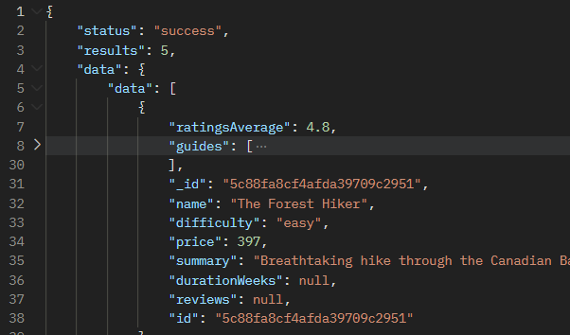
Category | Label | Value
Bug ID | ID number | BUG_002
 | Name | Top 5 tours
 | Reporter | yossef magdy shebl
 | Submit Date | 2024-10-16
 | TC ID | N/A
Bug overview | Summary | a field (durationWeeks) in the response body is null, expected a number
 | URL | https://www.natours.dev/api/v1/tours/top-5-cheap
 | Screenshot (Evidence) | screenshot
Environment | Platform | lenovo legion y545
 | Operating System | Windows11
 | Browser | Postman
Bug details | Steps to reproduce | 1-request API in postman. 2-fill same (request body/params) if needed.
 | Expected result | durationWeeks=duaration/7
 | Actual result | durationWeeks=null
 | Description | the durationWeeks field should represent the duration, which is in days, in weeks. In this request it failed and returned null
Bug tracking | Severity (Critical - Major -Minor) | Minor
 | Assigned to | Developer
 | Priority(High - Medium - Low) | Low
Notes | Notes | N/A

BUG_001 (API)
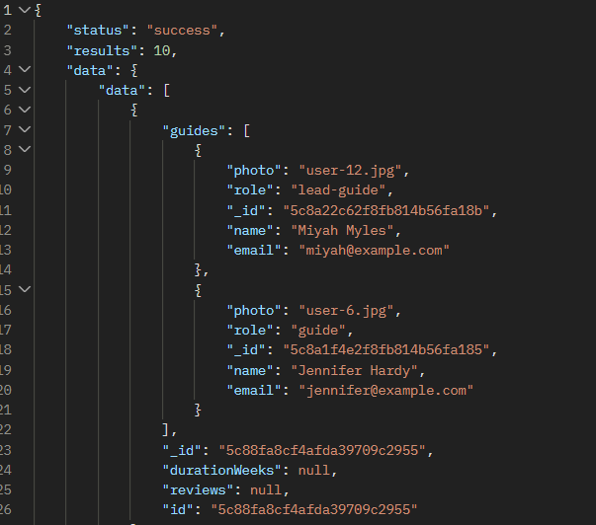
Category | Label | Value
Bug ID | ID number | BUG_001
 | Name | Get All Tours with Fields Param
 | Reporter | yossef magdy shebl
 | Submit Date | 2024-10-16
 | TC ID | N/A
Bug overview | Summary | a field (durationWeeks) in the response body is null, expected a number
 | URL | https://www.natours.dev/api/v1/tours?fields=id
 | Screenshot (Evidence) | screenshot
Environment | Platform | lenovo legion y545
 | Operating System | Windows11
 | Browser | Postman
Bug details | Steps to reproduce | 1-request API in postman. 2-fill same (request body/params) if needed.
 | Expected result | durationWeeks=duaration/7
 | Actual result | durationWeeks=null
 | Description | the durationWeeks field should represent the duration, which is in days, in weeks. In this request it failed and returned null
Bug tracking | Severity (Critical - Major -Minor) | Minor
 | Assigned to | Developer
 | Priority(High - Medium - Low) | Low
Notes | Notes | N/A

