Sheet1
MAKE | MODEL | BODY TYPE | YEAR OF PRODUCTION | COLOR | MILEAGE | CAR STATUS | AMOUNT | ORIGINAL BRANCH ID | ACTUAL BRANCH ID | IMAGE
Volkswagen | Golf | Hatchback | 2010 | black | 270000 | Available | 500 | 65072051d5d4531e66a0c00a | 65072051d5d4531e66a0c00a | 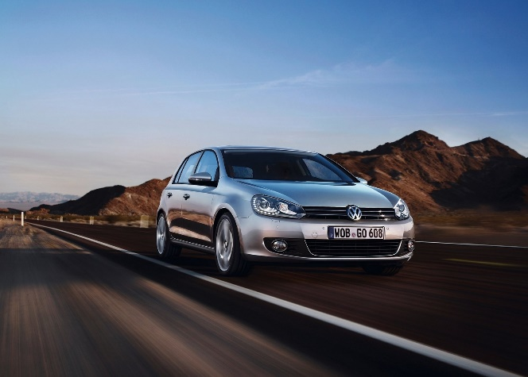
Volkswagen | Golf | Hatchback | 2010 | black | 270000 | Available | 500 | 65072051d5d4531e66a0c00a | 65072051d5d4531e66a0c00a

