Global Adv. GDLD pairs_EXP_01
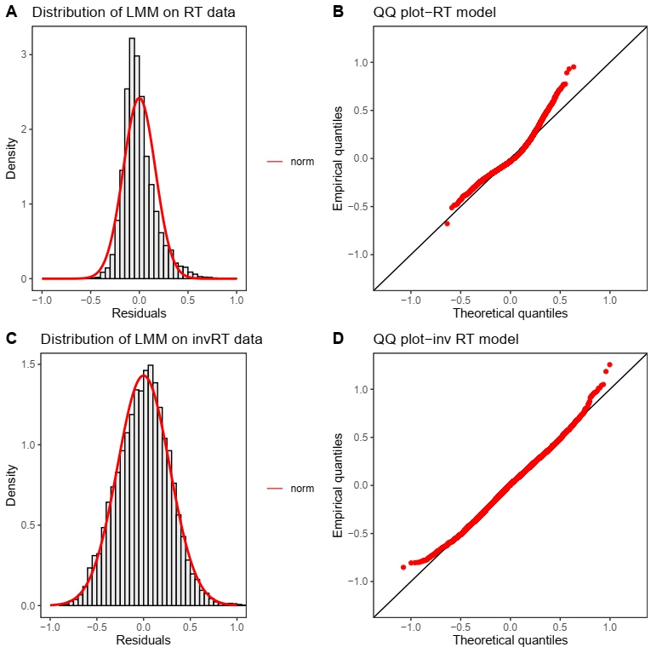
Global Advantage Effect : GDLD Pairs
Analysis Type | Model | Fixed Factor Properties |  |  | Analysis on RT |  | Analysis on 1/RT
 |  | Fixed Factor | Num DF | Deno. DF | F-value | p-value | F-value | p-value
Linear Mixed Model | Y~Block*Imgpair + 1|Subject | Block | 1 | 8602 | 124.24 | 2.20E-16 | 97.76 | 2.20E-16
 | Sum to zero contrast | Image Pair | 146 | 8602 | 8.28 | 2.20E-16 | 7.53 | 2.20E-16
 | Outliers removed | Block*ImagePair | 146 | 8602 | 4.92 | 2.20E-16 | 3.58 | 2.20E-16
Linear Mixed Model (Random Slope) | Y~Block+ (Block|Subject) + (1|ImagePair) | Block
Repeated Measures Anova | Y~Block*Imgpair + (Subject|(Block*Imgpair) | Block | 1 | 15 | 5.22 | 0.0373 | 4.36 | 0.05
 | Sum to zero contrast | Image Pair | 146 | 2190 | 2.94 | 2.20E-16 | 3.94 | 2.20E-16
 |  | Block*ImagePair | 146 | 2190 | 1.62 | 7.84E-06 | 1.97 | 2.20E-16
Regular Anova | Y ~Block*ImgPair*Subject | Block | 1 | 4704 | 84.14 | 2.20E-16 | 97.26 | 2.20E-16
 | Sum to zero contrast | Image Pair | 146 | 4704 | 3.05 | 2.20E-16 | 4.83 | 2.20E-16
 |  | Subject | 15 | 4704 | 79.66 | 2.20E-16 | 130.46 | 2.20E-16
 |  | Block*ImagePair | 146 | 4704 | 1.62 | 4.83E-06 | 2.22 | 8.78E-15
 |  | Block*Subject | 15 | 4704 | 16.12 | 2.20E-16 | 24.52 | 2.20E-16
 |  | Image Pair *Subject | 2190 | 4704 | 1.04 | 0.133 | 1.05 | 0.09
 |  | Block*ImagePair*Subject | 2190 | 4704 | 1 | 0.5 | 1.05 | 0.07

Post- Hoc analysis | 105 out of 147 image pairs showed faster mean RT

Normality test One-sample Kolmogorov-Smirnov test
RT | D = 0.084357, p-value < 2.2e-16
inv RT | D = 0.017225, p-value = 0.01203 | Weak significant difference from Normal

Global Adv. GSLS pairs_EXP_01
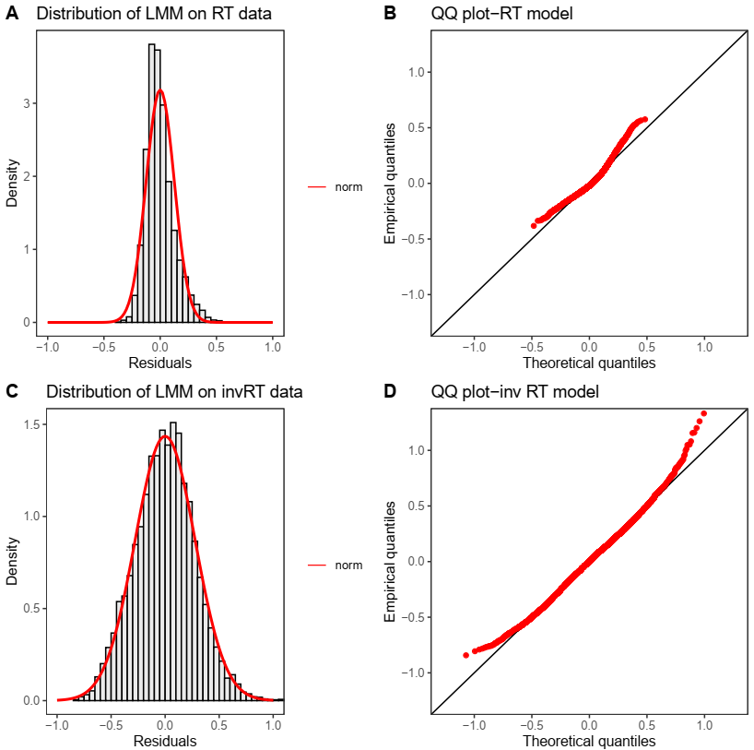
Global Advantage Effect : GSLS Pairs
Analysis Type | Model | Fixed Factor Properties |  |  | Analysis on RT |  | Analysis on 1/RT
 |  | Fixed Factor | Num DF | Deno. DF | F-value | p-value | F-value | p-value
Linear Mixed Model | Y~Block*Imgpair + 1|Subject | Block | 1 | 8647 | 401.23 | 2.20E-16 | 413.06 | 2.20E-16
 | Sum to zero contrast | Image Pair | 48 | 8647 | 10.04 | 2.20E-16 | 8.95 | 2.20E-16
 | Outliers removed | Block*ImagePair | 48 | 8647 | 7.5611 | 2.20E-16 | 6.53 | 2.20E-16
Linear Mixed Model (Random Slope) | Y~Block+ (Block|Subject) + (1|ImagePair) | Block | 1 | 15.98 | 15.98 | 1.00E-03 | 15.31 | 1.20E-03
Repeated Measures Anova | Y~Block*Imgpair + (Subject|(Block*Imgpair) | Block | 1 | 15 | 12.2 | 3.00E-03 | 13.69 | 0.002
 | Sum to zero contrast | Image Pair | 48 | 720 | 3.35 | 2.33E-12 | 4.26 | 2.00E-16
 |  | Block*ImagePair | 48 | 720 | 2.58 | 8.70E-08 | 3.2 | 1.60E-11
Regular Anova | Y ~Block*ImgPair*Subject | Block | 1 | 7840 | 174.94 | 2.20E-16 | 5.17 | 2.30E-02
 | Sum to zero contrast | Image Pair | 48 | 7840 | 3.71 | 2.20E-16 | 1 | 4.69E-01
 |  | Subject | 15 | 7840 | 50.69 | 2.20E-16 | 1.93 | 1.70E-02
 |  | Block*ImagePair | 48 | 7840 | 2.68 | 3.33E-09 | 1.074 | 3.40E-01
 |  | Block*Subject | 15 | 7840 | 14.34 | 2.20E-16 | 1.03 | 4.20E-01
 |  | Image Pair *Subject | 720 | 7840 | 1.11 | 0.028 | 1 | 0.465
 |  | Block*ImagePair*Subject | 720 | 7840 | 1.04 | 0.23 | 1 | 0.48
Post- Hoc analysis | 44 out of 49 image pairs showed faster mean RT

Normality test One-sample Kolmogorov-Smirnov test
RT | D = 0.074709, p-value < 2.2e-16
inv RT | D = 0.011012, p-value = 0.2443 | NS different from Normal

Interference Effect_EXP_01
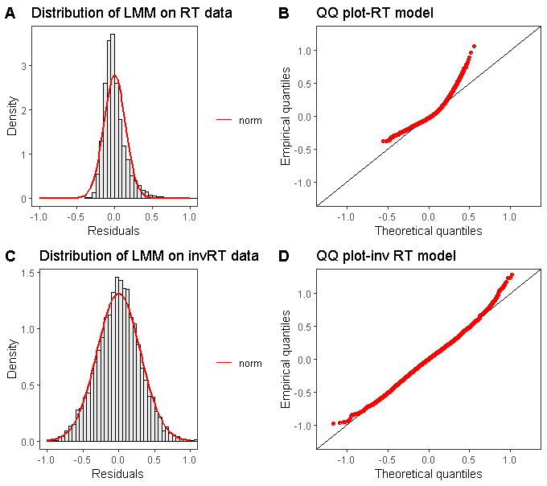
Local to Global Interference : GSLS versus GSLD presented in global block
Analysis Type | Model | Fixed Factor Properties |  |  | Analysis on RT |  | Analysis on 1/RT
 |  | Fixed Factor | Num DF | Deno. DF | F-value | p-value | F-value | p-value
Linear Mixed Model | Y~Interference + 1|Subject | Interference | 1 | 8772 | 501.52 | 2.20E-16 | 433.18 | 2.20E-16
 | Sum to zero contrast
 | Outliers removed
Normality test One-sample Kolmogorov-Smirnov test
RT | D = 0.095129, p-value < 2.2e-16
inv RT | D = 0.01652, p-value = 0.01652

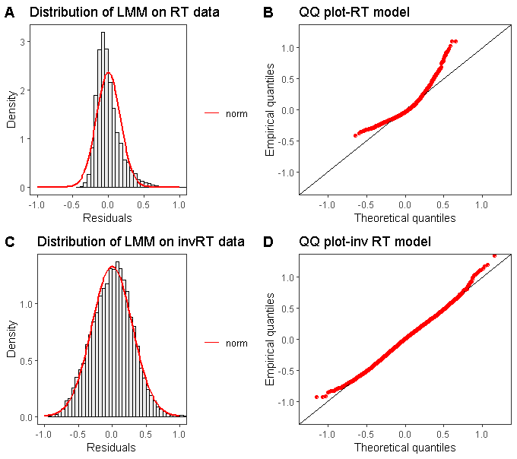
Global to Local Interference : GSLS versus GDLS presented in local block
Analysis Type | Model | Fixed Factor Properties |  |  | Analysis on RT |  | Analysis on 1/RT
 |  | Fixed Factor | Num DF | Deno. DF | F-value | p-value | F-value | p-value
Linear Mixed Model | Y~Interference + 1|Subject | Interference | 1 | 8564 | 385.13 | 2.20E-16 | 351.16 | 2.20E-16
 | Sum to zero contrast
 | Outliers removed
Normality test One-sample Kolmogorov-Smirnov test
RT | D = 0.096409, p-value < 2.2e-16
inv RT | D = 0.014926, p-value = 0.04373

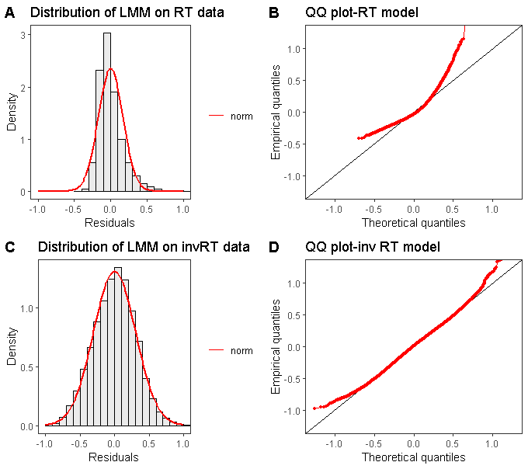
STRENGTH OF INTERFERENCE: Global to Local interference versus Local to Global interference
Analysis Type | Model | Fixed Factor Properties |  |  | Analysis on RT |  | Analysis on 1/RT
 |  | Fixed Factor | Num DF | Deno. DF | F-value | p-value | F-value | p-value
Linear Mixed Model | Y~Interference*Block + (1|Subject) | Interference | 1 | 26015 | 1347.05 | 2.00E-16 | 1449.56 | 2.20E-16
 | Sum to zero contrast | Block | 1 | 26015 | 593.33 | 2.00E-16 | 723.08 | 2.20E-16
 | Outliers removed | Interference*Block | 1 | 26015 | 0.0001 | 9.90E-01 | 11.79 | 6.00E-04
Normality test One-sample Kolmogorov-Smirnov test
RT | D = 0.098646, p-value < 2.2e-16
inv RT | D = 0.015157, p-value = 1.279e-05

 |  |  |  |  |  |  |  |  | Interference | Block | Type | Interference | RT |  | Effect Strength | Inverse RT |  | Effect Strength
 |  |  |  |  |  |  |  |  |  |  |  |  | Mean | Std |  | Mean | Std
 |  |  |  |  |  |  |  |  | Local to Global | Global | GSLS | Absent | 0.627 | 0.126 | 0.081 | 1.66 | 0.31 | 0.17
 | Interference Effect Strength Comparison |  |  |  |  |  |  |  |  | Global | GSLD | Present | 0.708 | 0.176 |  | 1.49 | 0.329
 |  |  |  |  |  |  |  |  | Global to Local | Local | GSLS | Absent | 0.68 | 0.15 | 0.082 | 1.53 | 0.306 | 0.13
 |  |  |  |  |  |  |  |  |  | Local | GDLS | Present | 0.762 | 0.208 |  | 1.4 | 0.326

Congruence_GDLD_EXP_01
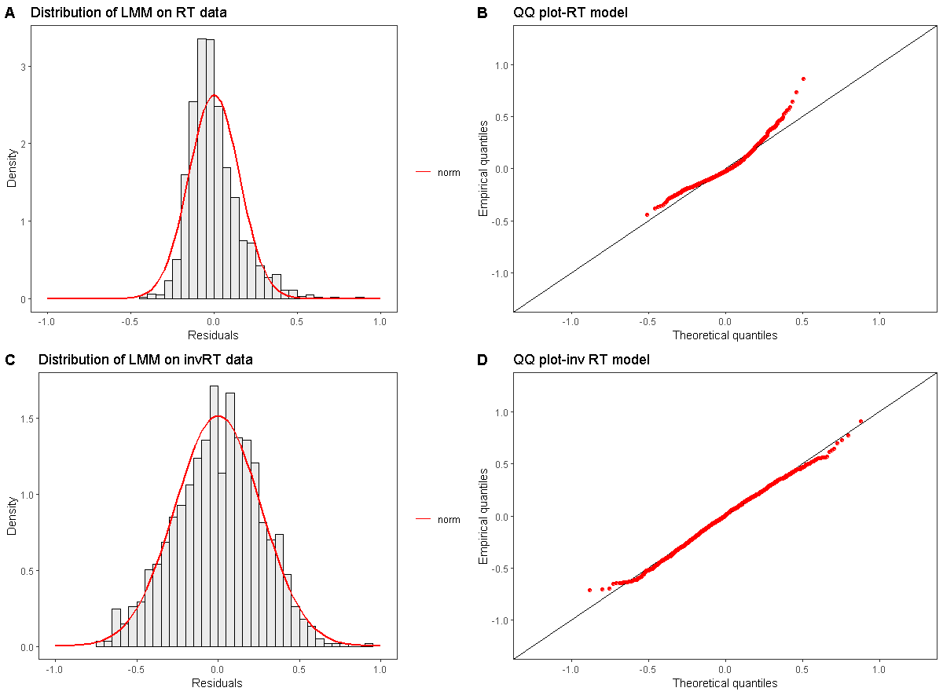
Congruence Effect-GDLD (GB)
Analysis Type | Model | Fixed Factor Properties |  |  | Analysis on RT |  | Analysis on 1/RT
 |  | Fixed Factor | Num DF | Deno. DF | F-value | p-value | F-value | p-value
Linear Mixed Model | Y~Congruence*ShapePair + 1|Subject | Congruence | 1 | 1212 | 36.43 | 2.10E-09 | 36.33 | 2.20E-09
 | Sum to zero contrast | Shape Pair | 20 | 1212 | 13.01 | 2.20E-16 | 11.8 | 2.20E-16
 | Outliers removed | Congruence*ShapePair | 20 | 1212 | 1.83 | 1.40E-02 | 1.13 | 3.10E-01
Linear Mixed Model (Random Slope) | Y~Congruence+ (Congruence|Subject) + (1|ShapePair) | Congruence | 1 | 15.1 | 23.59 | 2.00E-04 | 27.14 | 8.89E-05
Repeated Measures Anova | Y~Congruence*ShapePair + (Subject|(Congruence*ShapePair) | Congruence | 1 | 15 | 15.84 | 1.00E-03 | 20.29 | 0.0004
 | Sum to zero contrast | Shape Pair | 20 | 300 | 2.43 | 6.90E-04 | 3.5 | 1.03E-06
 |  | Congruence*ShapePair | 20 | 300 | 1 | 4.60E-01 | 0.798 | 7.16E-01
Regular Anova | Y ~Congruence*ShapePair*Subject | Congruence | 1 | 672 | 15.82 | 7.70E-05 | 26.17 | 4.08E-07
 | Sum to zero contrast | Shape Pair | 20 | 672 | 2.44 | 4.00E-04 | 4.7 | 1.00E-10
 |  | Subject | 15 | 672 | 10.49 | 2,2e-16 | 16.55 | 2.00E-16
 |  | Congruence*ShapePair | 20 | 672 | 0.95 | 5.00E-01 | 0.92 | 5.70E-01
 |  | Congruence*Subject | 15 | 672 | 0.99 | 4.50E-01 | 1.2 | 2.50E-01
 |  | ShapePair*Subject | 300 | 672 | 1 | 0.49 | 1.16 | 0.058
 |  | Congreunce*ShapePair*Subject | 300 | 672 | 0.95 | 0.68 | 0.963 | 0.64
Normality test One-sample Kolmogorov-Smirnov test
RT | D = 0.090805, p-value = 3.207e-09 | Significantly Different from Normal
inv RT | D = 0.025602, p-value = 0.3966 | NS deviating from Normal
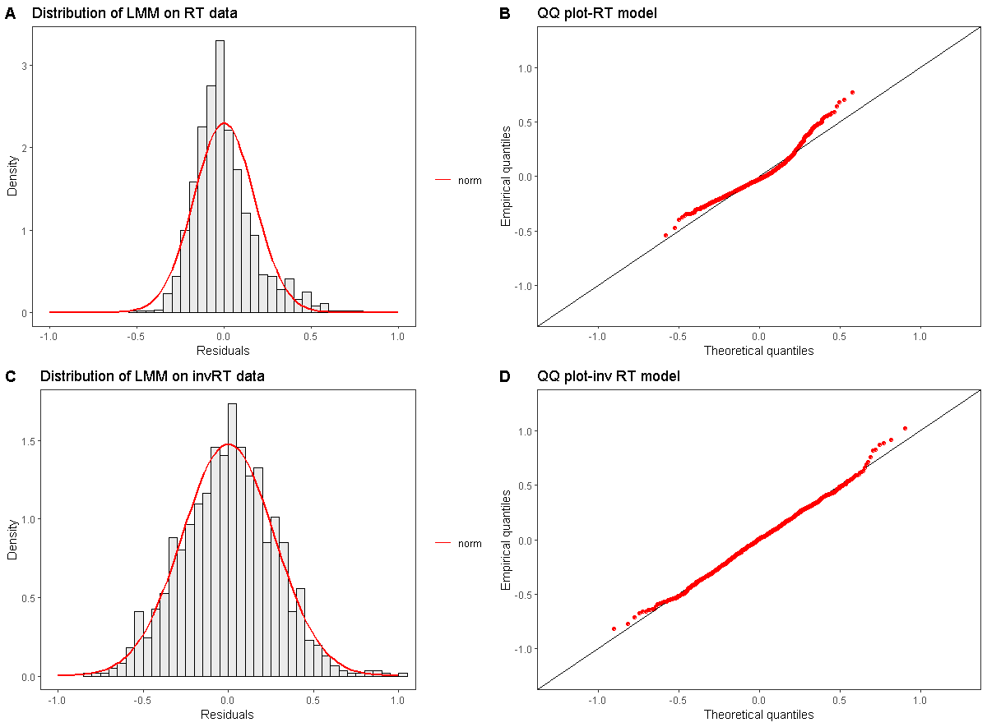
Congruence Effect-GDLD (LB)
Analysis Type | Model | Fixed Factor Properties |  |  | Analysis on RT |  | Analysis on 1/RT
 |  | Fixed Factor | Num DF | Deno. DF | F-value | p-value | F-value | p-value
Linear Mixed Model | Y~Congruence*ShapePair + 1|Subject | Congruence | 1 | 1206 | 22.55 | 2.20E-06 | 31.95 | 1.97E-08
 | Sum to zero contrast | Shape Pair | 20 | 1206 | 14.3 | 2.20E-16 | 14.1 | 2.20E-16
 | Outliers removed | Congruence*ShapePair | 20 | 1206 | 2.07 | 3.70E-03 | 1.79 | 1.70E-02
Linear Mixed Model (Random Slope) | Y~Congruence+ (Congruence|Subject) + (1|ShapePair) | Congruence | 1 | 1109 | 21.31 | 4.30E-06 | Non Converging
Linear Mixed Model (Random Slope) | Y~Congruence+ (1|Subject) + (Cpnvergence|ShapePair) | Congruence | 1 | 20.85 | xxx | xxx | 18.671 | 3.00E-04
Repeated Measures Anova | Y~Congruence*ShapePair + (Subject|(Congruence*ShapePair) | Congruence | 1 | 15 | 12.87 | 2.70E-03 | 26.38 | 0.0001
 | Sum to zero contrast | Shape Pair | 20 | 300 | 4.54 | 2.07E-09 | 6.12 | 1.22E-13
 |  | Congruence*ShapePair | 20 | 300 | 1.01 | 4.49E-01 | 1.09 | 3.50E-01
Regular Anova | Y ~Congruence*ShapePair*Subject | Congruence | 1 | 672 | 8.13 | 4.40E-03 | 21.8 | 3.66E-06
 | Sum to zero contrast | Shape Pair | 20 | 672 | 5.68 | 9.00E-14 | 8.6 | 2.2e0-16
 |  | Subject | 15 | 672 | 15.2 | 2.20E-16 | 21.63 | 2.20E-16
 |  | Congruence*ShapePair | 20 | 672 | 0.85 | 6.50E-01 | 0.93 | 5.40E-01
 |  | Congruence*Subject | 15 | 672 | 0.63 | 8.50E-01 | 0.59 | 8.90E-01
 |  | ShapePair*Subject | 300 | 672 | 1.25 | 0.01 | 1.14 | 0.08
 |  | Congreunce*ShapePair*Subject | 300 | 672 | 0.84 | 0.96 | 0.91 | 0.83
Normality test One-sample Kolmogorov-Smirnov test
RT | D = 0.09264, p-value = 1.555e-09 | Significantly Different from Normal
inv RT | D = 0.017074, p-value = 0.8684 | NS deviating from Normal

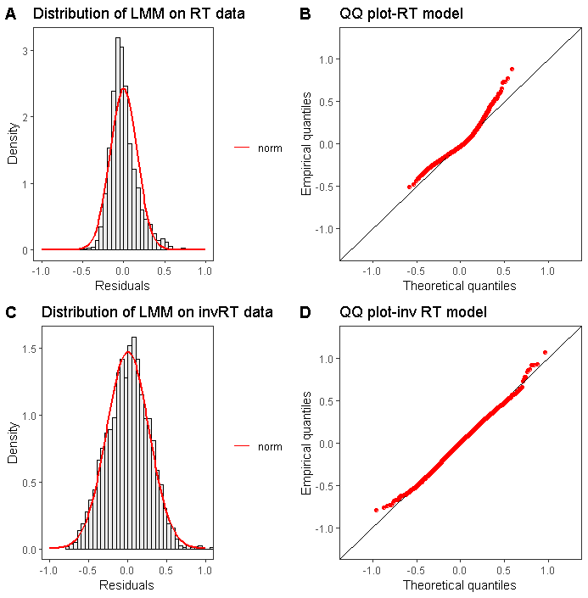
Strength of Congruence Effect
Analysis Type | Model | Fixed Factor Properties |  |  | Analysis on RT |  | Analysis on 1/RT
 |  | Fixed Factor | Num DF | Deno. DF | F-value | p-value | F-value | p-value
Linear Mixed Model | Y~Block*Congruence*ShapePair + (1|Subject) | Block | 1 | 2434 | 46.2 | 1.33E-11 | 45.75 | 1.67E-11
 | Sum to zero contrast | Congruence | 1 | 2434 | 56.02 | 9.90E-14 | 66.79 | 4.79E-16
 | Outliers removed | Shape Pair | 20 | 2434 | 21.34 | 2.20E-16 | 21.36 | 2.20E-16
 |  | Block*Congruence | 1 | 2434 | 0.15 | 6.98E-01 | 0.028 | 8.66E-01
 |  | Block*ShapePair | 20 | 2434 | 6.04 | 5.60E-16 | 4.26 | 7.94E-10
 |  | Congruence*ShapePair | 20 | 2434 | 2.58 | 1.00E-04 | 1.94 | 7.00E-03
 |  | Block*Congruence*ShapePair | 20 | 2434 | 1.3 | 1.65E-01 | 0.94 | 5.20E-01

Normality test One-sample Kolmogorov-Smirnov test
RT | D = 0.16082, p-value < 2.2e-16
inv RT | D = 0.017388, p-value = 0.4493 | NS deviating from Normal

 |  |  |  | RT SUMMARY : CONGRUENCE
 |  |  |  |  | Conc | Block | mean RT | std RT
 |  |  |  | 1 | Congruent | global | 0.6831024 | 0.058506
 |  |  |  | 3 | Incongruent | global | 0.7356444 | 0.09226561
 |  |  |  | 2 | Congruent | local | 0.7320041 | 0.08914703
 |  |  |  | 4 | Incongruent | local | 0.7786731 | 0.09858842

Congruence_GSLS_Exp_01
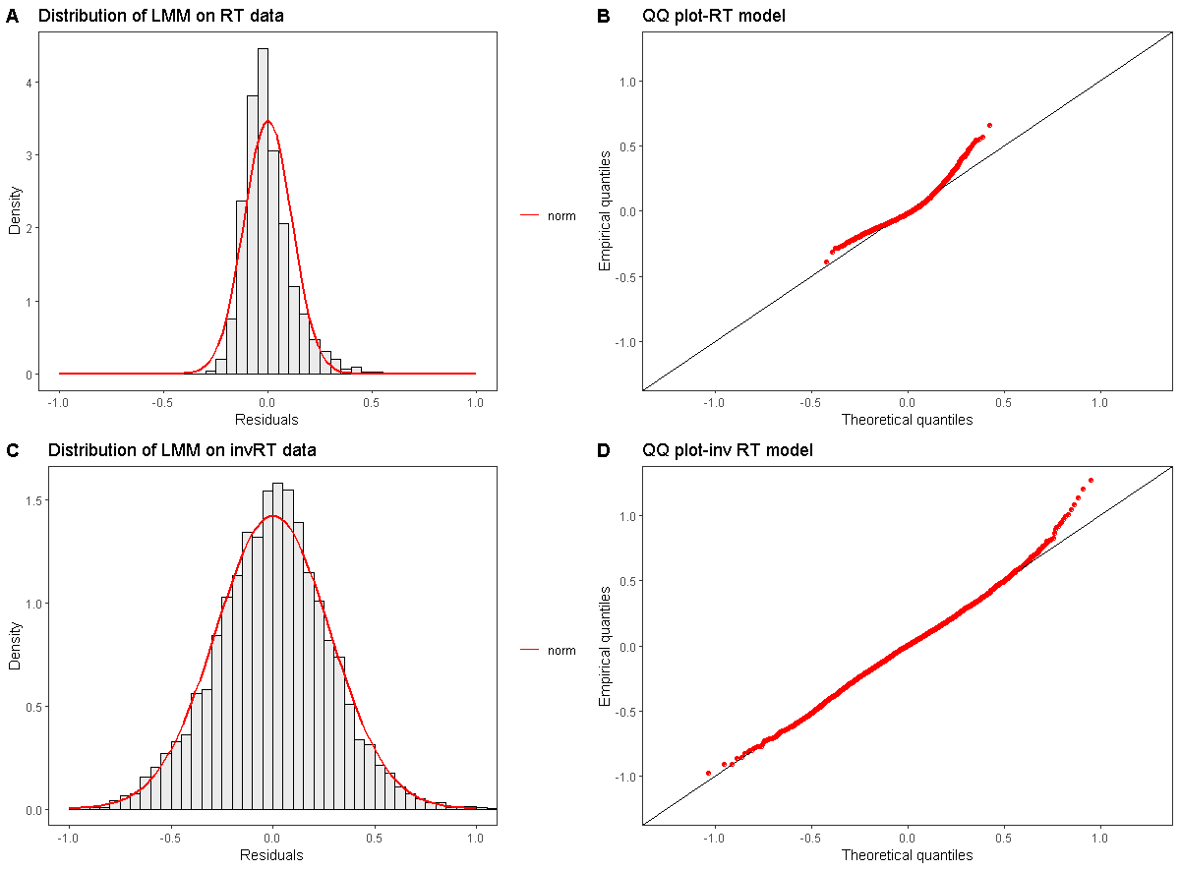
Incongruence Effect-GSLS (GB)
Analysis Type | Model | Fixed Factor Properties |  |  | Analysis on RT |  | Analysis on 1/RT
 |  | Fixed Factor | Num DF | Deno. DF | F-value | p-value | F-value | p-value
Linear Mixed Model | Y~Congruence +( 1|Subject) | Congruence | 1 | 4362 | 27.5 | 1.64E-07 | 24.39 | 8.16E-07
 | Sum to zero contrast
 | Outliers removed
Linear Mixed Model (Random Slope) | Y~Congruence+ (Congruence|Subject) | Congruence | Non Converging |  |  | Non Converging
NOTE: Anova and Repeated Measure Anova will not give exact results as the levels are not b alanced.

Normality test One-sample Kolmogorov-Smirnov test
RT | D = 0.083349, p-value < 2.2e-16
inv RT | D = 0.01971, p-value = 0.06664

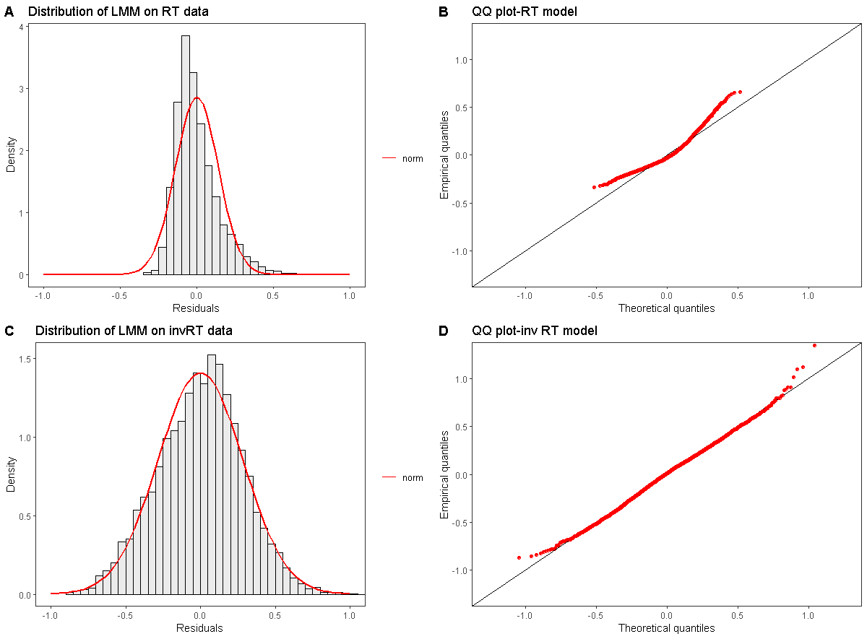

Incongruence Effect-GSLS (LB)
Analysis Type | Model | Fixed Factor Properties |  |  | Analysis on RT |  | Analysis on 1/RT
 |  | Fixed Factor | Num DF | Deno. DF | F-value | p-value | F-value | p-value
Linear Mixed Model | Y~Congruence +( 1|Subject) | Congruence | 1 | 4269 | 38.23 | 6.85E-10 | 38.85 | 5.02E-10
 | Sum to zero contrast
 | Outliers removed
Linear Mixed Model (Random Slope) | Y~Congruence+ (Congruence|Subject) | Congruence | 1 | 16.69 | Non-converging |  | 33.16 | 2.50E-10
NOTE: Anova and Repeated Measure Anova will not give exact results as the levels are not b alanced.

Normality test One-sample Kolmogorov-Smirnov test
RT | D = 0.09427, p-value < 2.2e-16
inv RT | D = 0.021051, p-value = 0.04484

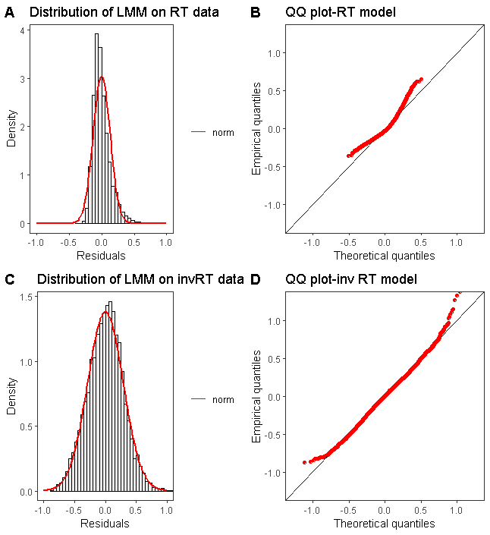
Strength of Incongruence- GSLS
Analysis Type | Model | Fixed Factor Properties |  |  | Analysis on RT |  | Analysis on 1/RT
 |  | Fixed Factor | Num DF | Deno. DF | F-value | p-value | F-value | p-value
Linear Mixed Model | Y~Block*Congruence +( 1|Subject) | Block | 1 | 8647 | 156.31 | 2.20E-16 | 171.61 | 2.20E-16
 | Sum to zero contrast | Congruence | 1 | 8647 | 62.17 | 3.50E-15 | 58.69 | 2.06E-14
 | Outliers removed | Block*Congruence | 1 | 8647 | 1.93 | 1.65E-01 | 0.83 | 3.60E-01

Normality test One-sample Kolmogorov-Smirnov test
RT | D = 0.089012, p-value < 2.2e-16
inv RT | D = 0.015657, p-value = 0.0286

 |  |  |  |  | Block | CONC | mean RT | std RT
 |  |  |  | 1 | global | Congruent | 0.6038452 | 0.03384295
 |  |  |  | 2 | global | Incongruent | 0.6302687 | 0.04003514
 |  |  |  | 3 | local | Congruent | 0.6478133 | 0.01857708
 |  |  |  | 4 | local | Incongruent | 0.6854171 | 0.03968017

Global Advantage_Exp_02
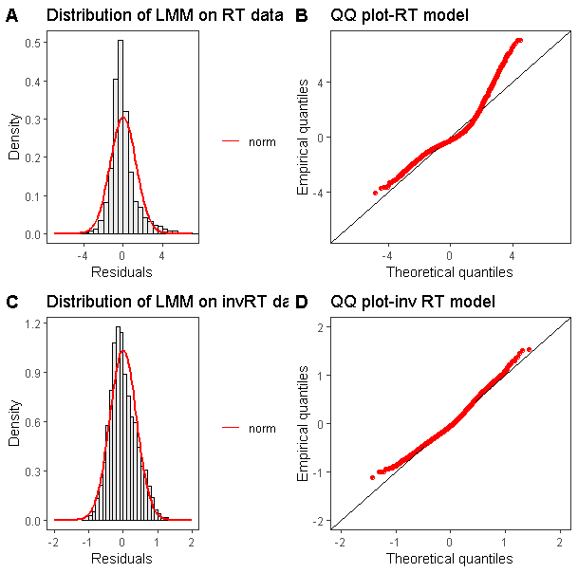
Global Advantage Effect : Visual Search
Analysis Type | Model | Fixed Factor Properties |  |  | Analysis on RT |  | Analysis on 1/RT
 |  | Fixed Factor | Num DF | Deno. DF | F-value | p-value | F-value | p-value
Linear Mixed Model | Y~Scale*ShapePairs*ConstantShape + (1|Subject) | Scale | 1 | 4696 | 29.68 | 5.30E-08 | 163.24 | 2.20E-16
 | Sum to zero contrast | ShapePair | 20 | 4696 | 69.04 | 2.20E-16 | 80.13 | 2.20E-16
 |  | ConstantShape | 6 | 4696 | 3.26 | 3.00E-03 | 0.88 | 5.09E-01
 |  | Scale*ShapePair | 20 | 4696 | 21.77 | 2.20E-16 | 24.38 | 2.20E-16
 |  | Scale*ConstantShape | 6 | 4696 | 4.69 | 9.08E-05 | 2.41 | 2.50E-02
 |  | ShapePair*ConstantShape | 120 | 4696 | 1.66 | 9.54E-06 | 1.37 | 4.60E-03
 |  | Scale*ShapePair*ConstantShape | 120 | 4696 | 1.3 | 1.70E-02 | 0.85 | 8.79E-01

Normality test One-sample Kolmogorov-Smirnov test
RT |  | D = 0.12566, p-value < 2.2e-16
inv RT |  | D = 0.05601, p-value = 3.042e-13

Incongruence_Exp_02
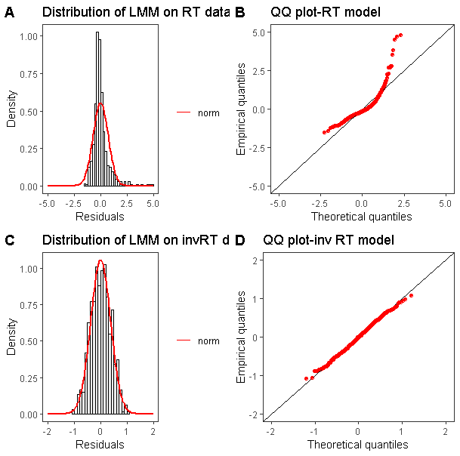
Congruence : Visual Search
Analysis Type | Model | Fixed Factor Properties |  |  | Analysis on RT |  | Analysis on 1/RT
 |  | Fixed Factor | Num DF | Deno. DF | F-value | p-value | F-value | p-value
Linear Mixed Model | Y~Congruence*ShapePair + (1|Subject) | Congruence | 1 | 664 | 17.21 | 3.77E-05 | 35.87 | 3.46E-09
 | Sum to zero contrast | Shape Pair | 20 | 664 | 8.89 | 2.20E-16 | 10.93 | 2.20E-06
 |  | Congruence*ShapePair | 20 | 664 | 1.08 | 3.59E-01 | 2.62 | 1.00E-04

Normality test One-sample Kolmogorov-Smirnov test
RT | D = 0.14664, p-value = 5.611e-13
inv RT | D = 0.02338, p-value = 0.8561

Target&Distractor_Incoc_Exp02
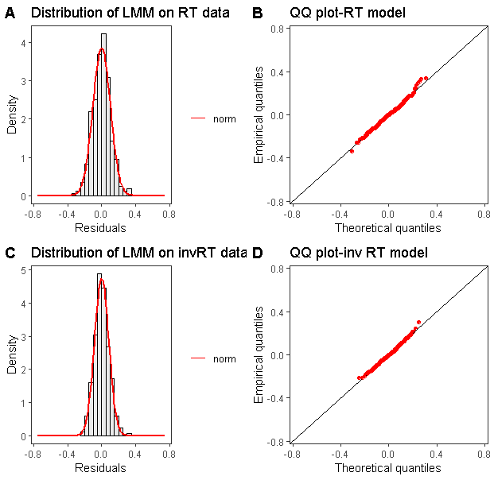
Target Congruence : Visual Search
Analysis Type | Model | Fixed Factor Properties |  |  | Analysis on RT |  | Analysis on 1/RT
 |  | Fixed Factor | Num DF | Deno. DF | F-value | p-value | F-value | p-value
Linear Mixed Model | Y~Congruence*ShapePair + (1|Subject) | Congruence | 1 | 328 | 3.81 | 5.10E-02 | 3.73 | 5.40E-02
 | Sum to zero contrast | Shape Pair | 20 | 328 | 14.75 | 2.20E-16 | 21.99 | 2.20E-16
 |  | Congruence*ShapePair | 20 | 328 | 5.77 | 6.73E-13 | 6.96 | 4.06E-16
Normality test One-sample Kolmogorov-Smirnov test
RT | D = 0.043182, p-value = 0.558
inv RT | D = 0.037266, p-value = 0.7392

Distractor Congruence : Visual Search
Analysis Type | Model | Fixed Factor Properties |  |  | Analysis on RT |  | Analysis on 1/RT
 |  | Fixed Factor | Num DF | Deno. DF | F-value | p-value | F-value | p-value
Linear Mixed Model | Y~Congruence*ShapePair + (1|Subject) | Congruence | 1 | 328 | 41.07 | 5.10E-10 | 34.85 | 8.86E-09
 | Sum to zero contrast | Shape Pair | 20 | 328 | 14.71 | 2.20E-16 | 18.45 | 2.20E-16
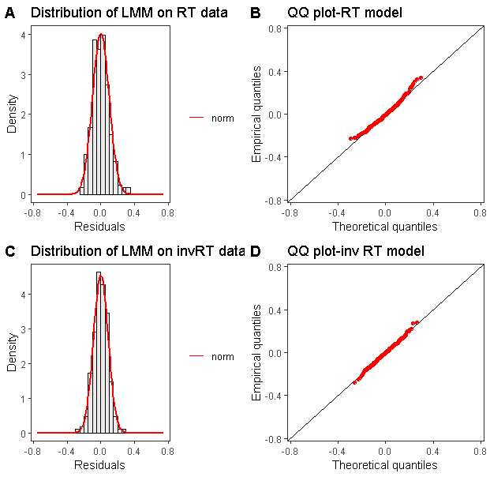
 |  | Congruence*ShapePair | 20 | 328 | 3.36 | 2.56E-06 | 3.28 | 4.21E-06

Normality test One-sample Kolmogorov-Smirnov test
RT | D = 0.039196, p-value = 0.6803
inv RT | D = 0.028271, p-value = 0.9511

