Tugas 2
S0 | 1000 |  | S0 | 1000 |  | Kesimpulan:
Sd Return= |  |  | Sd return |  |  | 1. Saham NVIDIA:
Horizon waktu= | 1 |  | Horizon waktu | 1 |  | Dengan modal $1.000 dan horizon waktu 1 hari pada tingkat kepercayaan 95%, estimasi kerugian maksimum (VaR) adalah sebesar $18,12 (1,81%). Artinya, terdapat keyakinan 95% bahwa kerugian harian tidak akan melebihi $18,12.
Alpha | 0.05 |  | Alpha | 0.05 |  | 2. Saham AMD:
Var= |  |  | Var= |  |  | Dengan modal $1.000 dan horizon waktu 1 hari pada tingkat kepercayaan 95%, estimasi kerugian maksimum (VaR) adalah sebesar $34,02 (3,40%). Artinya, terdapat keyakinan 95% bahwa kerugian harian tidak akan melebihi $34,02.
 |  |  |  |  |  | 3. Perbandingan Risiko:
 |  |  |  |  |  | Berdasarkan pendekatan Distribusi Normal, saham AMD memiliki volatilitas (2,07% vs 1,10%) dan risiko kerugian (VaR $34,02 vs $18,12) yang jauh lebih tinggi dibandingkan saham NVIDIA.
NVIDIA |  |  | AMD
NVIDIA
 | Penutupan
9/14/2026 | 210.96
9/11/2026 | 218.29
9/10/2026 | 218.36
9/9/2026 | 223.67
9/8/2026 | 225.73
9/4/2026 | 230.36
9/3/2026 | 228.45
9/2/2026 | 224.41
9/1/2026 | 217.44
8/31/2026 | 220.78
8/28/2026 | 217.55
8/27/2026 | 227.98
8/26/2026 | 209.66
8/25/2026 | 213.05
8/24/2026 | 208.48
8/21/2026 | 214.72
8/20/2026 | 216.85
8/19/2026 | 217.56
8/18/2026 | 219.74
8/17/2026 | 225.01
8/14/2026 | 225.16
8/13/2026 | 225.3
8/12/2026 | 224.09
8/11/2026 | 217.5
8/10/2026 | 217.55
8/7/2026 | 223.96
8/6/2026 | 218.99
8/5/2026 | 219.22
8/4/2026 | 211.94
8/3/2026 | 206.64
7/31/2026 | 200.75
7/30/2026 | 195.04
7/29/2026 | 190.01
7/28/2026 | 197.01
7/27/2026 | 196.51
7/24/2026 | 206.84
7/23/2026 | 208.76
7/22/2026 | 212.06
7/21/2026 | 207.29
7/20/2026 | 203.28
7/17/2026 | 202.81
7/16/2026 | 207.4
7/15/2026 | 212.5
7/14/2026 | 211.8
7/13/2026 | 203.53
7/10/2026 | 210.96
7/9/2026 | 202.78
7/8/2026 | 204.12
7/7/2026 | 196.93
7/6/2026 | 195.55
...
Tanggal | Penutupan | Return | Tanggal | Closing | Return
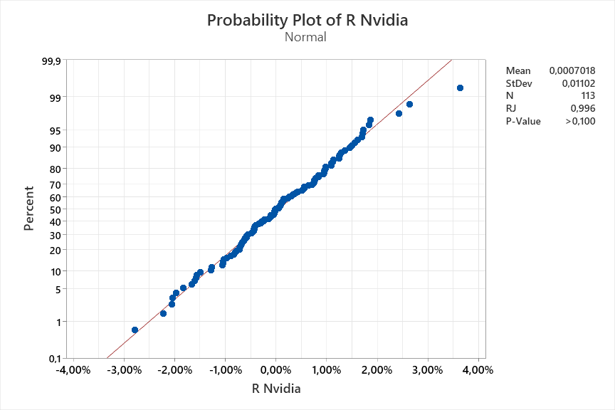
2026-09-14 | 210.96 |  | 2026-09-14 | 493.41
2026-09-11 | 218.29 |  | 2026-09-11 | 516.13
2026-09-10 | 218.36 |  | 2026-09-10 | 503.6
2026-09-09 | 223.67 |  | 2026-09-09 | 521.09
2026-09-08 | 225.73 |  | 2026-09-08 | 505.74
2026-09-04 | 230.36 |  | 2026-09-04 | 477.57
2026-09-03 | 228.45 |  | 2026-09-03 | 456.16
2026-09-02 | 224.41 |  | 2026-09-02 | 457.06
2026-09-01 | 217.44 |  | 2026-09-01 | 459.61
2026-08-31 | 220.78 |  | 2026-08-31 | 470.72
2026-08-28 | 217.55 |  | 2026-08-28 | 465.58
2026-08-27 | 227.98 |  | 2026-08-27 | 476.67
2026-08-26 | 209.66 |  | 2026-08-26 | 480.93
2026-08-25 | 213.05 |  | 2026-08-25 | 479.18
2026-08-24 | 208.48 |  | 2026-08-24 | 456.74
AMD
 | Closing
9/14/2026 | 493.41
9/11/2026 | 516.13
9/10/2026 | 503.6
9/9/2026 | 521.09
9/8/2026 | 505.74
9/4/2026 | 477.57
9/3/2026 | 456.16
9/2/2026 | 457.06
9/1/2026 | 459.61
8/31/2026 | 470.72
8/28/2026 | 465.58
8/27/2026 | 476.67
8/26/2026 | 480.93
8/25/2026 | 479.18
8/24/2026 | 456.74
8/21/2026 | 473.25
8/20/2026 | 469.45
8/19/2026 | 466.42
8/18/2026 | 484.39
8/17/2026 | 506
8/14/2026 | 514.39
8/13/2026 | 483.01
8/12/2026 | 482.93
8/11/2026 | 474.32
8/10/2026 | 469.56
8/7/2026 | 483.36
8/6/2026 | 489.28
8/5/2026 | 482.05
8/4/2026 | 518.58
8/3/2026 | 484.64
7/31/2026 | 476.15
7/30/2026 | 485.39
7/29/2026 | 429.56
7/28/2026 | 454.62
7/27/2026 | 494.95
7/24/2026 | 521.95
7/23/2026 | 539.69
7/22/2026 | 552.33
7/21/2026 | 544.43
7/20/2026 | 503.57
7/17/2026 | 495.76
7/16/2026 | 500.94
7/15/2026 | 529.14
7/14/2026 | 548.13
7/13/2026 | 534.39
7/10/2026 | 557.89
7/9/2026 | 546.72
7/8/2026 | 517.41
7/7/2026 | 516.11
7/6/2026 | 552.05
...
2026-08-21 | 214.72 |  | 2026-08-21 | 473.25
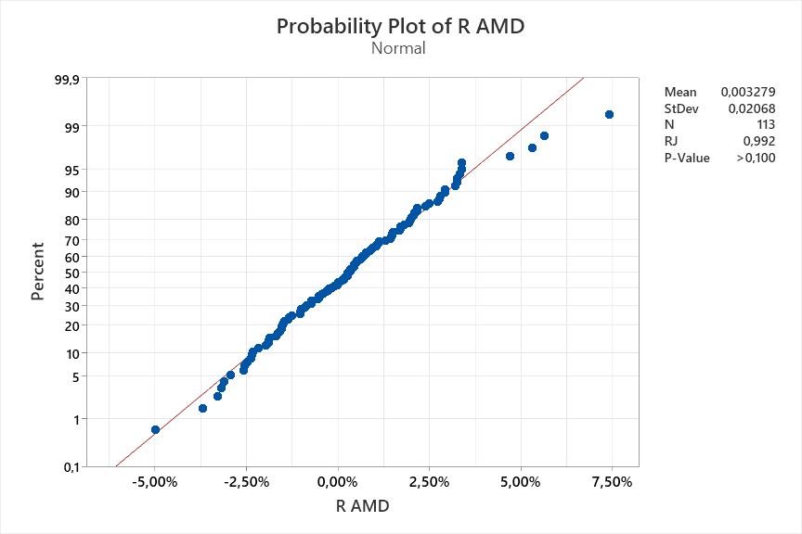
2026-08-20 | 216.85 |  | 2026-08-20 | 469.45
2026-08-19 | 217.56 |  | 2026-08-19 | 466.42
2026-08-18 | 219.74 |  | 2026-08-18 | 484.39
2026-08-17 | 225.01 |  | 2026-08-17 | 506
2026-08-14 | 225.16 |  | 2026-08-14 | 514.39
2026-08-13 | 225.3 |  | 2026-08-13 | 483.01
2026-08-12 | 224.09 |  | 2026-08-12 | 482.93
2026-08-11 | 217.5 |  | 2026-08-11 | 474.32
2026-08-10 | 217.55 |  | 2026-08-10 | 469.56
2026-08-07 | 223.96 |  | 2026-08-07 | 483.36
2026-08-06 | 218.99 |  | 2026-08-06 | 489.28
2026-08-05 | 219.22 |  | 2026-08-05 | 482.05
2026-08-04 | 211.94 |  | 2026-08-04 | 518.58
2026-08-03 | 206.64 |  | 2026-08-03 | 484.64
2026-07-31 | 200.75 |  | 2026-07-31 | 476.15
2026-07-30 | 195.04 |  | 2026-07-30 | 485.39
2026-07-29 | 190.01 |  | 2026-07-29 | 429.56
2026-07-28 | 197.01 |  | 2026-07-28 | 454.62
2026-07-27 | 196.51 |  | 2026-07-27 | 494.95
2026-07-24 | 206.84 |  | 2026-07-24 | 521.95
2026-07-23 | 208.76 |  | 2026-07-23 | 539.69
2026-07-22 | 212.06 |  | 2026-07-22 | 552.33
2026-07-21 | 207.29 |  | 2026-07-21 | 544.43
2026-07-20 | 203.28 |  | 2026-07-20 | 503.57
2026-07-17 | 202.81 |  | 2026-07-17 | 495.76
2026-07-16 | 207.4 |  | 2026-07-16 | 500.94
2026-07-15 | 212.5 |  | 2026-07-15 | 529.14
2026-07-14 | 211.8 |  | 2026-07-14 | 548.13
2026-07-13 | 203.53 |  | 2026-07-13 | 534.39
2026-07-10 | 210.96 |  | 2026-07-10 | 557.89
2026-07-09 | 202.78 |  | 2026-07-09 | 546.72
2026-07-08 | 204.12 |  | 2026-07-08 | 517.41
2026-07-07 | 196.93 |  | 2026-07-07 | 516.11
2026-07-06 | 195.55 |  | 2026-07-06 | 552.05
2026-07-02 | 194.83 |  | 2026-07-02 | 517.82
2026-07-01 | 197.58 |  | 2026-07-01 | 540.88
2026-06-30 | 200.09 |  | 2026-06-30 | 580.91
2026-06-29 | 194.97 |  | 2026-06-29 | 539.49
2026-06-26 | 192.53 |  | 2026-06-26 | 521.58
2026-06-25 | 195.74 |  | 2026-06-25 | 532.57
2026-06-24 | 199 |  | 2026-06-24 | 519.74
2026-06-23 | 200.04 |  | 2026-06-23 | 519.85
2026-06-22 | 208.65 |  | 2026-06-22 | 551.63
2026-06-18 | 210.69 |  | 2026-06-18 | 537.37
2026-06-17 | 204.65 |  | 2026-06-17 | 512.48
2026-06-16 | 207.41 |  | 2026-06-16 | 507.29
2026-06-15 | 212.45 |  | 2026-06-15 | 547.26
2026-06-12 | 205.19 |  | 2026-06-12 | 511.57
2026-06-11 | 204.87 |  | 2026-06-11 | 488.45
2026-06-10 | 200.42 |  | 2026-06-10 | 452.4
2026-06-09 | 208.19 |  | 2026-06-09 | 475.51
2026-06-08 | 208.64 |  | 2026-06-08 | 490.33
2026-06-05 | 205.1 |  | 2026-06-05 | 466.38
2026-06-04 | 218.66 |  | 2026-06-04 | 523.2
2026-06-03 | 214.75 |  | 2026-06-03 | 542.52
2026-06-02 | 222.82 |  | 2026-06-02 | 521.54
2026-06-01 | 224.36 |  | 2026-06-01 | 510.13
2026-05-29 | 211.14 |  | 2026-05-29 | 516.1
2026-05-28 | 214.25 |  | 2026-05-28 | 518.09
2026-05-27 | 212.6 |  | 2026-05-27 | 495.54
2026-05-26 | 214.86 |  | 2026-05-26 | 503.89
2026-05-22 | 215.33 |  | 2026-05-22 | 467.51
2026-05-21 | 219.51 |  | 2026-05-21 | 449.59
2026-05-20 | 223.47 |  | 2026-05-20 | 447.58
2026-05-19 | 220.61 |  | 2026-05-19 | 414.05
2026-05-18 | 222.32 |  | 2026-05-18 | 420.99
2026-05-15 | 225.32 |  | 2026-05-15 | 424.1
2026-05-14 | 235.74 |  | 2026-05-14 | 449.7
2026-05-13 | 225.83 |  | 2026-05-13 | 445.5
2026-05-12 | 220.78 |  | 2026-05-12 | 448.29
2026-05-11 | 219.44 |  | 2026-05-11 | 458.79
2026-05-08 | 215.2 |  | 2026-05-08 | 455.19
2026-05-07 | 211.5 |  | 2026-05-07 | 408.46
2026-05-06 | 207.83 |  | 2026-05-06 | 421.39
2026-05-05 | 196.5 |  | 2026-05-05 | 355.26
2026-05-04 | 198.48 |  | 2026-05-04 | 341.54
2026-05-01 | 198.45 |  | 2026-05-01 | 360.54
2026-04-30 | 199.57 |  | 2026-04-30 | 354.49
2026-04-29 | 209.25 |  | 2026-04-29 | 337.11
2026-04-28 | 213.17 |  | 2026-04-28 | 323.21
2026-04-27 | 216.61 |  | 2026-04-27 | 334.63
2026-04-24 | 208.27 |  | 2026-04-24 | 347.81
2026-04-23 | 199.64 |  | 2026-04-23 | 305.33
2026-04-22 | 202.5 |  | 2026-04-22 | 303.46
2026-04-21 | 199.88 |  | 2026-04-21 | 284.49
2026-04-20 | 202.06 |  | 2026-04-20 | 274.95
2026-04-17 | 201.68 |  | 2026-04-17 | 278.39
2026-04-16 | 198.35 |  | 2026-04-16 | 278.26
2026-04-15 | 198.87 |  | 2026-04-15 | 258.12
2026-04-14 | 196.51 |  | 2026-04-14 | 255.07
2026-04-13 | 189.31 |  | 2026-04-13 | 246.83
2026-04-10 | 188.63 |  | 2026-04-10 | 245.04
2026-04-09 | 183.91 |  | 2026-04-09 | 236.64
2026-04-08 | 182.08 |  | 2026-04-08 | 231.82
2026-04-07 | 178.1 |  | 2026-04-07 | 221.53
2026-04-06 | 177.64 |  | 2026-04-06 | 220.18
2026-04-02 | 177.39 |  | 2026-04-02 | 217.5
2026-04-01 | 175.75 |  | 2026-04-01 | 210.21

Tugas 4 - Simulasi Baru
Nilai Investasi (Vo) |  | $100,000.00 |  |  |  |  |  | Nilai Investasi (Vo) |  | $100,000.00 |  |  |  |  |  | TABEL UJI NORMALITAS RETURN HARIAN (PYTHON SCIPY)
Holding Period (t) |  | 1 |  |  |  |  |  | Holding Period (t) |  | 1 |  |  |  |  |  | Parameter / Uji Statistik | Microsoft (MSFT) | Amazon (AMZN) | Keterangan / Evaluasi
Tingkat Signifikansi (alfa) |  | 5.00% |  |  |  |  |  | Tingkat Signifikansi (alfa) |  | 5.00% |  |  |  |  |  | Ukuran Sampel (N) | 250 | 250 | 1 tahun hari bursa aktif (Sept 2025 - Sept 2026)
Tingkat Kepercayaan (1-alfa) |  |  |  |  |  |  |  | Tingkat Kepercayaan (1-alfa) |  |  |  |  |  |  |  | Mean Return (μ) | 0.0106% | 0.0739% | Rata-rata return harian
Mean Return (μ) |  |  |  |  |  |  |  | Mean Return (μ) |  |  |  |  |  |  |  | Standar Deviasi (σ) | 2.0554% | 2.1745% | Volatilitas harian (AMZN > MSFT)
Standar Deviasi (σ) |  |  |  |  |  |  |  | Standar Deviasi (σ) |  |  |  |  |  |  |  | Kemencengan (Skewness) | 1.3479 | 1.5930 | Asimetris ke kanan (right-skewed > 0)
Faktor Waktu (√t) |  |  | Simulasi 1 | Simulasi 2 | Simulasi 3 | Simulasi 4 | Simulasi 5 | Faktor Waktu (√t) |  |  | Simulasi 1 | Simulasi 2 | Simulasi 3 | Simulasi 4 | Simulasi 5 | Excess Kurtosis | 13.9949 | 9.9494 | Leptokurtik ekstrem / ekor tebal (fat tails)
Nilai Persentil-alfa (Rata-rata) |  |  |  |  |  |  |  | Nilai Persentil-alfa (Rata-rata) |  |  |  |  |  |  |  | Jarque-Bera (Statistik) | 2115.89 | 1136.90 | Distribusi Chi-Square (df=2)
Nilai VaR ($) |  |  |  |  |  |  |  | Nilai VaR ($) |  |  |  |  |  |  |  | Jarque-Bera (p-value) | 0.0000 | 1.34e-247 | Tolak H0 normalitas (p-value < 0.05)
Nilai VaR (%) |  |  |  |  |  |  |  | Nilai VaR (%) |  |  |  |  |  |  |  | Shapiro-Wilk (Statistik W) | 0.8780 | 0.9055 | Uji keselarasan kuantil empiris
 |  |  |  |  |  |  |  |  |  |  |  |  |  |  |  | Shapiro-Wilk (p-value) | 2.90e-13 | 1.91e-11 | Tolak H0 normalitas (p-value < 0.05)
MICROSOFT (MSFT) |  |  |  |  |  |  |  | AMAZON (AMZN) |  |  |  |  |  |  |  | Kolmogorov-Smirnov (Statistik D) | 0.0805 | 0.0724 | Jarak absolut maksimum fungsi kumulatif
Tanggal | Penutupan | Return | Simulasi 1 | Simulasi 2 | Simulasi 3 | Simulasi 4 | Simulasi 5 | Tanggal | Closing | Return | Simulasi 1 | Simulasi 2 | Simulasi 3 | Simulasi 4 | Simulasi 5 | Kolmogorov-Smirnov (p-value) | 0.0739 | 0.1383 | Tidak tolak H0 pada taraf 5% (p-value > 0.05)
2025-09-22 | $514.45 | - | - | - | - | - | - | 2025-09-22 | $227.63 | - | - | - | - | - | - | Kesimpulan Uji Distribusi | Non-Normal (Fat Tails) | Non-Normal (Fat Tails) | Data empiris memiliki ekor gemuk finansial
2025-09-23 | $509.23 |  |  |  |  |  |  | 2025-09-23 | $220.71
2025-09-24 | $510.15 |  |  |  |  |  |  | 2025-09-24 | $220.21 |  |  |  |  |  |  | KESIMPULAN DAN ANALISIS RISIKO
2025-09-25 | $507.03 |  |  |  |  |  |  | 2025-09-25 | $218.15 |  |  |  |  |  |  | 1. Saham Microsoft (MSFT):
2025-09-26 | $511.46 |  |  |  |  |  |  | 2025-09-26 | $219.78 |  |  |  |  |  |  | Pada tingkat kepercayaan 95% dan holding period 1 hari dengan modal $100.000, estimasi rata-rata VaR saham Microsoft dari 5 iterasi simulasi berada di kisaran 3,0% - 3,3% (sekitar $3.000 - $3.300). Artinya, ada keyakinan 95% bahwa potensi kerugian harian saham MSFT tidak akan melampaui batas rata-rata simulasi tersebut.
2025-09-29 | $514.60 |  |  |  |  |  |  | 2025-09-29 | $222.17
2025-09-30 | $517.95 |  |  |  |  |  |  | 2025-09-30 | $219.57 |  |  |  |  |  |  | 2. Saham Amazon (AMZN):
2025-10-01 | $519.71 |  |  |  |  |  |  | 2025-10-01 | $220.63 |  |  |  |  |  |  | Pada tingkat kepercayaan 95% dan holding period 1 hari dengan modal $100.000, estimasi rata-rata VaR saham Amazon dari 5 iterasi simulasi berada di kisaran 3,3% - 3,6% (sekitar $3.300 - $3.600). Artinya, potensi kerugian maksimum saham AMZN pada tingkat kepercayaan 95% berada di batas rata-rata simulasi tersebut.
2025-10-02 | $515.74 |  |  |  |  |  |  | 2025-10-02 | $222.41
2025-10-03 | $517.35 |  |  |  |  |  |  | 2025-10-03 | $219.51 |  |  |  |  |  |  | 3. Perbandingan Risiko (AMZN vs MSFT):
2025-10-06 | $528.57 |  |  |  |  |  |  | 2025-10-06 | $220.90 |  |  |  |  |  |  | Saham Amazon menunjukkan potensi risiko kerugian yang lebih tinggi dibandingkan saham Microsoft, sejalan dengan tingkat volatilitas hariannya yang lebih besar (2,17% vs 2,06%). Investor saham Amazon membutuhkan alokasi cadangan modal risiko yang lebih tinggi untuk menutup potensi kerugian.
2025-10-07 | $523.98 |  |  |  |  |  |  | 2025-10-07 | $221.78
2025-10-08 | $524.85 |  |  |  |  |  |  | 2025-10-08 | $225.22 |  |  |  |  |  |  | 4. Evaluasi Asumsi Normalitas terhadap Simulasi Monte Carlo:
2025-10-09 | $522.40 |  |  |  |  |  |  | 2025-10-09 | $227.74 |  |  |  |  |  |  | Uji Kolmogorov-Smirnov tidak menolak asumsi normalitas pada taraf 5% (p = 0,0739 untuk MSFT dan p = 0,1383 untuk AMZN), sehingga secara formal prosedur simulasi Monte Carlo Normal di sheet ini dapat dijustifikasi. Namun, uji Jarque-Bera dan Shapiro-Wilk mendeteksi excess kurtosis signifikan (MSFT = 13,99; AMZN = 9,95). Sebagai mitigasi risiko kerugian ekstrem di pasar riil, pendekatan Student-t VaR atau Historical Bootstrap direkomendasikan.
2025-10-10 | $510.96 |  |  |  |  |  |  | 2025-10-10 | $216.37
2025-10-13 | $514.05 |  |  |  |  |  |  | 2025-10-13 | $220.07
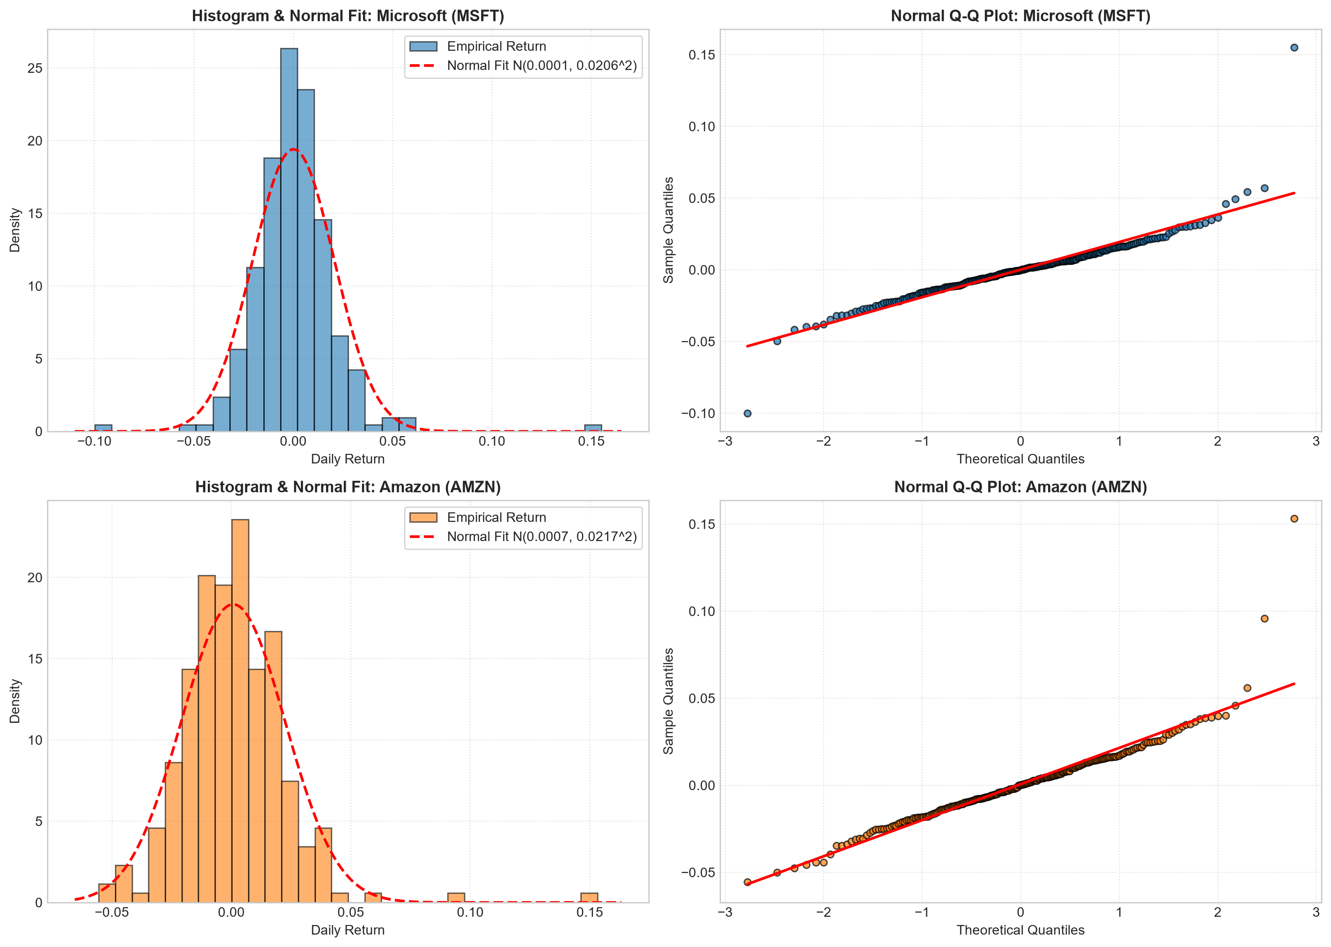
2025-10-14 | $513.57 |  |  |  |  |  |  | 2025-10-14 | $216.39
2025-10-15 | $513.43 |  |  |  |  |  |  | 2025-10-15 | $215.57
2025-10-16 | $511.61 |  |  |  |  |  |  | 2025-10-16 | $214.47
2025-10-17 | $513.58 |  |  |  |  |  |  | 2025-10-17 | $213.04
2025-10-20 | $516.79 |  |  |  |  |  |  | 2025-10-20 | $216.48
2025-10-21 | $517.66 |  |  |  |  |  |  | 2025-10-21 | $222.03
2025-10-22 | $520.54 |  |  |  |  |  |  | 2025-10-22 | $217.95
2025-10-23 | $520.56 |  |  |  |  |  |  | 2025-10-23 | $221.09
2025-10-24 | $523.61 |  |  |  |  |  |  | 2025-10-24 | $224.21
2025-10-27 | $531.52 |  |  |  |  |  |  | 2025-10-27 | $226.97
2025-10-28 | $542.07 |  |  |  |  |  |  | 2025-10-28 | $229.25
2025-10-29 | $541.55 |  |  |  |  |  |  | 2025-10-29 | $230.30
2025-10-30 | $525.76 |  |  |  |  |  |  | 2025-10-30 | $222.86
2025-10-31 | $517.81 |  |  |  |  |  |  | 2025-10-31 | $244.22
2025-11-03 | $517.03 |  |  |  |  |  |  | 2025-11-03 | $254.00
2025-11-04 | $514.33 |  |  |  |  |  |  | 2025-11-04 | $249.32
2025-11-05 | $507.16 |  |  |  |  |  |  | 2025-11-05 | $250.20
2025-11-06 | $497.10 |  |  |  |  |  |  | 2025-11-06 | $243.04
2025-11-07 | $496.82 |  |  |  |  |  |  | 2025-11-07 | $244.41
2025-11-10 | $506.00 |  |  |  |  |  |  | 2025-11-10 | $248.40
2025-11-11 | $508.68 |  |  |  |  |  |  | 2025-11-11 | $249.10
2025-11-12 | $511.14 |  |  |  |  |  |  | 2025-11-12 | $244.20
2025-11-13 | $503.29 |  |  |  |  |  |  | 2025-11-13 | $237.58
2025-11-14 | $510.18 |  |  |  |  |  |  | 2025-11-14 | $234.69
2025-11-17 | $507.49 |  |  |  |  |  |  | 2025-11-17 | $232.87
2025-11-18 | $493.79 |  |  |  |  |  |  | 2025-11-18 | $222.55
2025-11-19 | $487.12 |  |  |  |  |  |  | 2025-11-19 | $222.69
2025-11-20 | $478.43 |  |  |  |  |  |  | 2025-11-20 | $217.14
2025-11-21 | $472.12 |  |  |  |  |  |  | 2025-11-21 | $220.69
2025-11-24 | $474.00 |  |  |  |  |  |  | 2025-11-24 | $226.28
2025-11-25 | $476.99 |  |  |  |  |  |  | 2025-11-25 | $229.67
2025-11-26 | $485.50 |  |  |  |  |  |  | 2025-11-26 | $229.16
2025-11-28 | $492.01 |  |  |  |  |  |  | 2025-11-28 | $233.22
2025-12-01 | $486.74 |  |  |  |  |  |  | 2025-12-01 | $233.88
2025-12-02 | $490.00 |  |  |  |  |  |  | 2025-12-02 | $234.42
2025-12-03 | $477.73 |  |  |  |  |  |  | 2025-12-03 | $232.38
2025-12-04 | $480.84 |  |  |  |  |  |  | 2025-12-04 | $229.11
2025-12-05 | $483.16 |  |  |  |  |  |  | 2025-12-05 | $229.53
2025-12-08 | $491.02 |  |  |  |  |  |  | 2025-12-08 | $226.89
2025-12-09 | $492.02 |  |  |  |  |  |  | 2025-12-09 | $227.92
2025-12-10 | $478.56 |  |  |  |  |  |  | 2025-12-10 | $231.78
2025-12-11 | $483.47 |  |  |  |  |  |  | 2025-12-11 | $230.28
2025-12-12 | $478.53 |  |  |  |  |  |  | 2025-12-12 | $226.19
2025-12-15 | $474.82 |  |  |  |  |  |  | 2025-12-15 | $222.54
2025-12-16 | $476.39 |  |  |  |  |  |  | 2025-12-16 | $222.56
2025-12-17 | $476.12 |  |  |  |  |  |  | 2025-12-17 | $221.27
2025-12-18 | $483.98 |  |  |  |  |  |  | 2025-12-18 | $226.76
2025-12-19 | $485.92 |  |  |  |  |  |  | 2025-12-19 | $227.35
2025-12-22 | $484.92 |  |  |  |  |  |  | 2025-12-22 | $228.43
2025-12-23 | $486.85 |  |  |  |  |  |  | 2025-12-23 | $232.14
2025-12-24 | $488.02 |  |  |  |  |  |  | 2025-12-24 | $232.38
2025-12-26 | $487.71 |  |  |  |  |  |  | 2025-12-26 | $232.52
2025-12-29 | $487.10 |  |  |  |  |  |  | 2025-12-29 | $232.07
2025-12-30 | $487.48 |  |  |  |  |  |  | 2025-12-30 | $232.53
2025-12-31 | $483.62 |  |  |  |  |  |  | 2025-12-31 | $230.82
2026-01-02 | $472.94 |  |  |  |  |  |  | 2026-01-02 | $226.50
2026-01-05 | $472.85 |  |  |  |  |  |  | 2026-01-05 | $233.06
2026-01-06 | $478.51 |  |  |  |  |  |  | 2026-01-06 | $240.93
2026-01-07 | $483.47 |  |  |  |  |  |  | 2026-01-07 | $241.56
2026-01-08 | $478.11 |  |  |  |  |  |  | 2026-01-08 | $246.29
2026-01-09 | $479.28 |  |  |  |  |  |  | 2026-01-09 | $247.38
2026-01-12 | $477.18 |  |  |  |  |  |  | 2026-01-12 | $246.47
2026-01-13 | $470.67 |  |  |  |  |  |  | 2026-01-13 | $242.60
2026-01-14 | $459.38 |  |  |  |  |  |  | 2026-01-14 | $236.65
2026-01-15 | $456.66 |  |  |  |  |  |  | 2026-01-15 | $238.18
2026-01-16 | $459.86 |  |  |  |  |  |  | 2026-01-16 | $239.12
2026-01-20 | $454.52 |  |  |  |  |  |  | 2026-01-20 | $231.00
2026-01-21 | $444.11 |  |  |  |  |  |  | 2026-01-21 | $231.31
2026-01-22 | $451.14 |  |  |  |  |  |  | 2026-01-22 | $234.34
2026-01-23 | $465.95 |  |  |  |  |  |  | 2026-01-23 | $239.16
2026-01-26 | $470.28 |  |  |  |  |  |  | 2026-01-26 | $238.42
2026-01-27 | $480.58 |  |  |  |  |  |  | 2026-01-27 | $244.68
2026-01-28 | $481.63 |  |  |  |  |  |  | 2026-01-28 | $243.01
2026-01-29 | $433.50 |  |  |  |  |  |  | 2026-01-29 | $241.73
2026-01-30 | $430.29 |  |  |  |  |  |  | 2026-01-30 | $239.30
2026-02-02 | $423.37 |  |  |  |  |  |  | 2026-02-02 | $242.96
2026-02-03 | $411.21 |  |  |  |  |  |  | 2026-02-03 | $238.62
2026-02-04 | $414.19 |  |  |  |  |  |  | 2026-02-04 | $232.99
2026-02-05 | $393.67 |  |  |  |  |  |  | 2026-02-05 | $222.69
2026-02-06 | $401.14 |  |  |  |  |  |  | 2026-02-06 | $210.32
2026-02-09 | $413.60 |  |  |  |  |  |  | 2026-02-09 | $208.72
2026-02-10 | $413.27 |  |  |  |  |  |  | 2026-02-10 | $206.96
2026-02-11 | $404.37 |  |  |  |  |  |  | 2026-02-11 | $204.08
2026-02-12 | $401.84 |  |  |  |  |  |  | 2026-02-12 | $199.60
2026-02-13 | $401.32 |  |  |  |  |  |  | 2026-02-13 | $198.79
2026-02-17 | $396.86 |  |  |  |  |  |  | 2026-02-17 | $201.15
2026-02-18 | $399.60 |  |  |  |  |  |  | 2026-02-18 | $204.79
2026-02-19 | $398.46 |  |  |  |  |  |  | 2026-02-19 | $204.86
2026-02-20 | $397.23 |  |  |  |  |  |  | 2026-02-20 | $210.11
2026-02-23 | $384.47 |  |  |  |  |  |  | 2026-02-23 | $205.27
2026-02-24 | $389.00 |  |  |  |  |  |  | 2026-02-24 | $208.56
2026-02-25 | $400.60 |  |  |  |  |  |  | 2026-02-25 | $210.64
2026-02-26 | $401.72 |  |  |  |  |  |  | 2026-02-26 | $207.92
2026-02-27 | $392.74 |  |  |  |  |  |  | 2026-02-27 | $210.00
2026-03-02 | $398.55 |  |  |  |  |  |  | 2026-03-02 | $208.39
2026-03-03 | $403.93 |  |  |  |  |  |  | 2026-03-03 | $208.73
2026-03-04 | $405.20 |  |  |  |  |  |  | 2026-03-04 | $216.82
2026-03-05 | $410.68 |  |  |  |  |  |  | 2026-03-05 | $218.94
2026-03-06 | $408.96 |  |  |  |  |  |  | 2026-03-06 | $213.21
2026-03-09 | $409.41 |  |  |  |  |  |  | 2026-03-09 | $213.49
2026-03-10 | $405.76 |  |  |  |  |  |  | 2026-03-10 | $214.33
2026-03-11 | $404.88 |  |  |  |  |  |  | 2026-03-11 | $212.65
2026-03-12 | $401.86 |  |  |  |  |  |  | 2026-03-12 | $209.53
2026-03-13 | $395.55 |  |  |  |  |  |  | 2026-03-13 | $207.67
2026-03-16 | $399.95 |  |  |  |  |  |  | 2026-03-16 | $211.74
2026-03-17 | $399.41 |  |  |  |  |  |  | 2026-03-17 | $215.20
2026-03-18 | $391.79 |  |  |  |  |  |  | 2026-03-18 | $209.87
2026-03-19 | $389.02 |  |  |  |  |  |  | 2026-03-19 | $208.76
2026-03-20 | $381.87 |  |  |  |  |  |  | 2026-03-20 | $205.37
2026-03-23 | $383.00 |  |  |  |  |  |  | 2026-03-23 | $210.14
2026-03-24 | $372.74 |  |  |  |  |  |  | 2026-03-24 | $207.24
2026-03-25 | $371.04 |  |  |  |  |  |  | 2026-03-25 | $211.71
2026-03-26 | $365.97 |  |  |  |  |  |  | 2026-03-26 | $207.54
2026-03-27 | $356.77 |  |  |  |  |  |  | 2026-03-27 | $199.34
2026-03-30 | $358.96 |  |  |  |  |  |  | 2026-03-30 | $200.95
2026-03-31 | $370.17 |  |  |  |  |  |  | 2026-03-31 | $208.27
2026-04-01 | $369.37 |  |  |  |  |  |  | 2026-04-01 | $210.57
2026-04-02 | $373.46 |  |  |  |  |  |  | 2026-04-02 | $209.77
2026-04-06 | $372.88 |  |  |  |  |  |  | 2026-04-06 | $212.79
2026-04-07 | $372.29 |  |  |  |  |  |  | 2026-04-07 | $213.77
2026-04-08 | $374.33 |  |  |  |  |  |  | 2026-04-08 | $221.25
2026-04-09 | $373.07 |  |  |  |  |  |  | 2026-04-09 | $233.65
2026-04-10 | $370.87 |  |  |  |  |  |  | 2026-04-10 | $238.38
2026-04-13 | $384.37 |  |  |  |  |  |  | 2026-04-13 | $239.89
2026-04-14 | $393.11 |  |  |  |  |  |  | 2026-04-14 | $249.02
2026-04-15 | $411.22 |  |  |  |  |  |  | 2026-04-15 | $248.50
2026-04-16 | $420.26 |  |  |  |  |  |  | 2026-04-16 | $249.70
2026-04-17 | $422.79 |  |  |  |  |  |  | 2026-04-17 | $250.56
2026-04-20 | $418.07 |  |  |  |  |  |  | 2026-04-20 | $248.28
2026-04-21 | $424.16 |  |  |  |  |  |  | 2026-04-21 | $249.91
2026-04-22 | $432.92 |  |  |  |  |  |  | 2026-04-22 | $255.36
2026-04-23 | $415.75 |  |  |  |  |  |  | 2026-04-23 | $255.08
2026-04-24 | $424.62 |  |  |  |  |  |  | 2026-04-24 | $263.99
2026-04-27 | $424.82 |  |  |  |  |  |  | 2026-04-27 | $261.12
2026-04-28 | $429.25 |  |  |  |  |  |  | 2026-04-28 | $259.70
2026-04-29 | $424.46 |  |  |  |  |  |  | 2026-04-29 | $263.04
2026-04-30 | $407.78 |  |  |  |  |  |  | 2026-04-30 | $265.06
2026-05-01 | $414.44 |  |  |  |  |  |  | 2026-05-01 | $268.26
2026-05-04 | $413.62 |  |  |  |  |  |  | 2026-05-04 | $272.05
2026-05-05 | $411.38 |  |  |  |  |  |  | 2026-05-05 | $273.55
2026-05-06 | $413.96 |  |  |  |  |  |  | 2026-05-06 | $274.99
2026-05-07 | $420.77 |  |  |  |  |  |  | 2026-05-07 | $271.17
2026-05-08 | $415.12 |  |  |  |  |  |  | 2026-05-08 | $272.68
2026-05-11 | $412.66 |  |  |  |  |  |  | 2026-05-11 | $268.99
2026-05-12 | $407.77 |  |  |  |  |  |  | 2026-05-12 | $265.82
2026-05-13 | $405.21 |  |  |  |  |  |  | 2026-05-13 | $270.13
2026-05-14 | $409.43 |  |  |  |  |  |  | 2026-05-14 | $267.22
2026-05-15 | $421.92 |  |  |  |  |  |  | 2026-05-15 | $264.14
2026-05-18 | $423.54 |  |  |  |  |  |  | 2026-05-18 | $264.86
2026-05-19 | $417.42 |  |  |  |  |  |  | 2026-05-19 | $259.34
2026-05-20 | $421.06 |  |  |  |  |  |  | 2026-05-20 | $265.01
2026-05-21 | $419.09 |  |  |  |  |  |  | 2026-05-21 | $268.46
2026-05-22 | $418.57 |  |  |  |  |  |  | 2026-05-22 | $266.32
2026-05-26 | $416.03 |  |  |  |  |  |  | 2026-05-26 | $265.29
2026-05-27 | $412.67 |  |  |  |  |  |  | 2026-05-27 | $271.85
2026-05-28 | $426.99 |  |  |  |  |  |  | 2026-05-28 | $274.00
2026-05-29 | $450.24 |  |  |  |  |  |  | 2026-05-29 | $270.64
2026-06-01 | $460.52 |  |  |  |  |  |  | 2026-06-01 | $261.26
2026-06-02 | $441.31 |  |  |  |  |  |  | 2026-06-02 | $256.52
2026-06-03 | $427.34 |  |  |  |  |  |  | 2026-06-03 | $250.02
2026-06-04 | $428.05 |  |  |  |  |  |  | 2026-06-04 | $253.79
2026-06-05 | $416.67 |  |  |  |  |  |  | 2026-06-05 | $246.03
2026-06-08 | $411.74 |  |  |  |  |  |  | 2026-06-08 | $245.22
2026-06-09 | $403.41 |  |  |  |  |  |  | 2026-06-09 | $244.19
2026-06-10 | $397.36 |  |  |  |  |  |  | 2026-06-10 | $238.00
2026-06-11 | $390.34 |  |  |  |  |  |  | 2026-06-11 | $241.51
2026-06-12 | $390.74 |  |  |  |  |  |  | 2026-06-12 | $238.55
2026-06-15 | $399.76 |  |  |  |  |  |  | 2026-06-15 | $246.02
2026-06-16 | $393.83 |  |  |  |  |  |  | 2026-06-16 | $246.00
2026-06-17 | $378.91 |  |  |  |  |  |  | 2026-06-17 | $237.50
2026-06-18 | $379.40 |  |  |  |  |  |  | 2026-06-18 | $244.39
2026-06-22 | $367.34 |  |  |  |  |  |  | 2026-06-22 | $232.79
2026-06-23 | $373.94 |  |  |  |  |  |  | 2026-06-23 | $234.11
2026-06-24 | $365.46 |  |  |  |  |  |  | 2026-06-24 | $234.27
2026-06-25 | $352.83 |  |  |  |  |  |  | 2026-06-25 | $227.01
2026-06-26 | $372.97 |  |  |  |  |  |  | 2026-06-26 | $232.69
2026-06-29 | $368.57 |  |  |  |  |  |  | 2026-06-29 | $240.14
2026-06-30 | $373.02 |  |  |  |  |  |  | 2026-06-30 | $238.34
2026-07-01 | $384.28 |  |  |  |  |  |  | 2026-07-01 | $241.70
2026-07-02 | $390.49 |  |  |  |  |  |  | 2026-07-02 | $242.67
2026-07-06 | $386.74 |  |  |  |  |  |  | 2026-07-06 | $244.16
2026-07-07 | $388.84 |  |  |  |  |  |  | 2026-07-07 | $245.98
2026-07-08 | $383.34 |  |  |  |  |  |  | 2026-07-08 | $243.62
2026-07-09 | $384.36 |  |  |  |  |  |  | 2026-07-09 | $247.04
2026-07-10 | $385.10 |  |  |  |  |  |  | 2026-07-10 | $245.34
2026-07-13 | $390.99 |  |  |  |  |  |  | 2026-07-13 | $247.31
2026-07-14 | $384.93 |  |  |  |  |  |  | 2026-07-14 | $247.49
2026-07-15 | $395.63 |  |  |  |  |  |  | 2026-07-15 | $254.96
2026-07-16 | $401.10 |  |  |  |  |  |  | 2026-07-16 | $249.89
2026-07-17 | $393.82 |  |  |  |  |  |  | 2026-07-17 | $247.23
2026-07-20 | $402.29 |  |  |  |  |  |  | 2026-07-20 | $249.99
2026-07-21 | $397.75 |  |  |  |  |  |  | 2026-07-21 | $247.55
2026-07-22 | $390.34 |  |  |  |  |  |  | 2026-07-22 | $244.85
2026-07-23 | $381.58 |  |  |  |  |  |  | 2026-07-23 | $233.66
2026-07-24 | $381.70 |  |  |  |  |  |  | 2026-07-24 | $232.11
2026-07-27 | $389.10 |  |  |  |  |  |  | 2026-07-27 | $231.39
2026-07-28 | $393.35 |  |  |  |  |  |  | 2026-07-28 | $230.86
2026-07-29 | $390.54 |  |  |  |  |  |  | 2026-07-29 | $226.65
2026-07-30 | $451.10 |  |  |  |  |  |  | 2026-07-30 | $235.50
2026-07-31 | $464.72 |  |  |  |  |  |  | 2026-07-31 | $271.58
2026-08-03 | $487.65 |  |  |  |  |  |  | 2026-08-03 | $284.02
2026-08-04 | $492.81 |  |  |  |  |  |  | 2026-08-04 | $277.42
2026-08-05 | $487.46 |  |  |  |  |  |  | 2026-08-05 | $272.65
2026-08-06 | $499.86 |  |  |  |  |  |  | 2026-08-06 | $272.26
2026-08-07 | $499.99 |  |  |  |  |  |  | 2026-08-07 | $274.48
2026-08-10 | $506.06 |  |  |  |  |  |  | 2026-08-10 | $278.09
2026-08-11 | $503.81 |  |  |  |  |  |  | 2026-08-11 | $272.27
2026-08-12 | $492.43 |  |  |  |  |  |  | 2026-08-12 | $267.28
2026-08-13 | $496.88 |  |  |  |  |  |  | 2026-08-13 | $265.13
2026-08-14 | $495.40 |  |  |  |  |  |  | 2026-08-14 | $262.65
2026-08-17 | $480.35 |  |  |  |  |  |  | 2026-08-17 | $261.31
2026-08-18 | $481.63 |  |  |  |  |  |  | 2026-08-18 | $259.45
2026-08-19 | $484.31 |  |  |  |  |  |  | 2026-08-19 | $265.84
2026-08-20 | $481.15 |  |  |  |  |  |  | 2026-08-20 | $260.11
2026-08-21 | $483.24 |  |  |  |  |  |  | 2026-08-21 | $258.63
2026-08-24 | $487.31 |  |  |  |  |  |  | 2026-08-24 | $262.07
2026-08-25 | $491.71 |  |  |  |  |  |  | 2026-08-25 | $261.06
2026-08-26 | $496.37 |  |  |  |  |  |  | 2026-08-26 | $260.28
2026-08-27 | $505.06 |  |  |  |  |  |  | 2026-08-27 | $256.26
2026-08-28 | $513.53 |  |  |  |  |  |  | 2026-08-28 | $266.43
2026-08-31 | $507.29 |  |  |  |  |  |  | 2026-08-31 | $259.77
2026-09-01 | $501.02 |  |  |  |  |  |  | 2026-09-01 | $254.92
2026-09-02 | $496.82 |  |  |  |  |  |  | 2026-09-02 | $254.98
2026-09-03 | $510.12 |  |  |  |  |  |  | 2026-09-03 | $258.90
2026-09-04 | $499.70 |  |  |  |  |  |  | 2026-09-04 | $258.51
2026-09-08 | $493.95 |  |  |  |  |  |  | 2026-09-08 | $256.97
2026-09-09 | $491.65 |  |  |  |  |  |  | 2026-09-09 | $252.40
2026-09-10 | $492.44 |  |  |  |  |  |  | 2026-09-10 | $251.89
2026-09-11 | $495.63 |  |  |  |  |  |  | 2026-09-11 | $256.78
2026-09-14 | $505.41 |  |  |  |  |  |  | 2026-09-14 | $253.54
2026-09-15 | $497.12 |  |  |  |  |  |  | 2026-09-15 | $248.42
2026-09-16 | $490.30 |  |  |  |  |  |  | 2026-09-16 | $245.96
2026-09-17 | $497.75 |  |  |  |  |  |  | 2026-09-17 | $251.19
2026-09-18 | $493.78 |  |  |  |  |  |  | 2026-09-18 | $253.71
2026-09-21 | $501.61 |  |  |  |  |  |  | 2026-09-21 | $258.45

