Sheet1
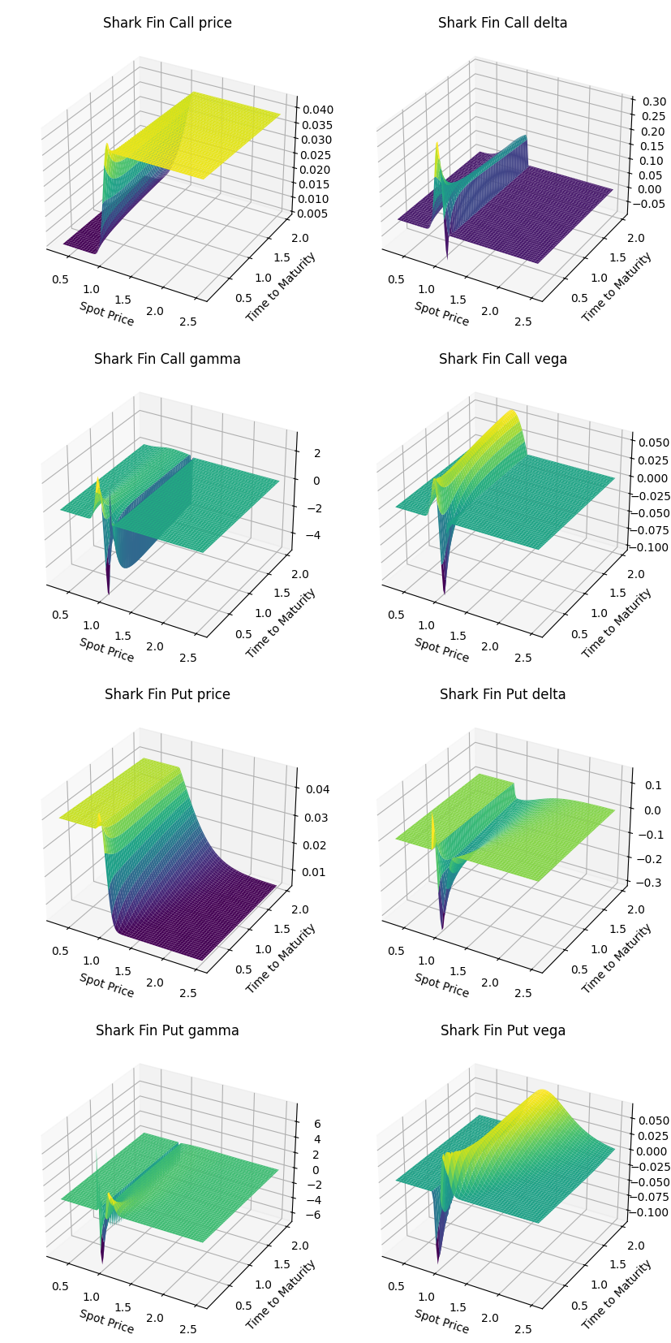
Conditions |  |  |  |  |  |  |  |  | Parameters
Product | Tenor (m) | Strike | KO Barrier | KO Frequency | Min Return | KO Return | Participation Rate | Spot | Vol | r | coc | Price | Delta | Gamma | Vega
Shark Fin Call | 3 | 95.00% | 110.00% | 1D | 0.50% | 4.00% | 60.00% | 100.00% | 20.00% | 2.00% | -2.00% | 2.79% | 15.05% | -65.00% | -2.99%
Shark Fin Put | 3 | 105.00% | 90.00% | 1D | 0.50% | 4.00% | 60.00% | 100.00% | 20.00% | 2.00% | -2.00% | 3.16% | -13.82% | -92.12% | -4.35%

