figure 1 and 2
Figure 1 Closeness.

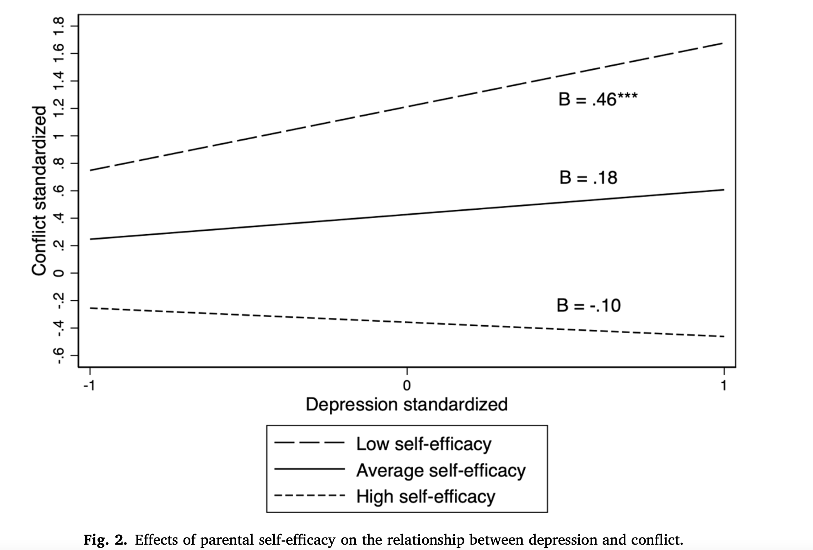

Figure 2 Conflict

