Figure_1.8
Figure 1.8. A majority sees public institutions as reliable providers of public services
Share of service users reporting different levels of satisfaction with the health and education system and administrative services and share that report different likelihood that public agencies use personal data only legitimately, OECD, 2023
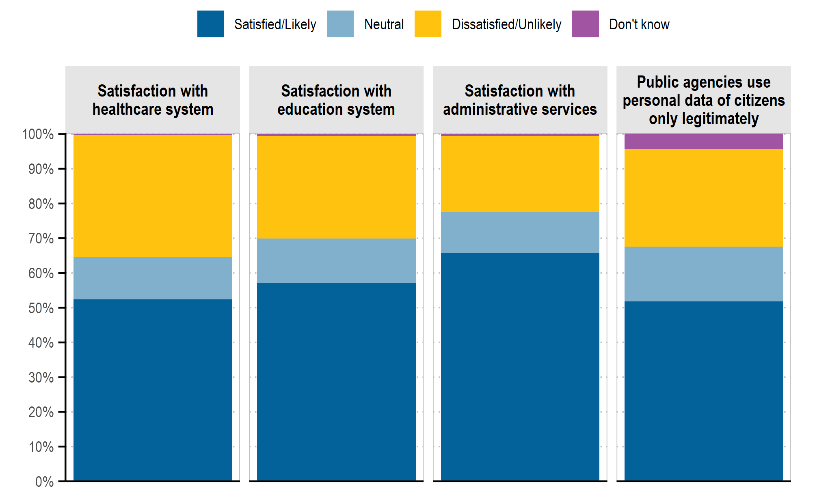

Note: The figure presents the unweighted OECD average of responses to the questions “On a scale of 0 to 10, how satisfied are you with the healthcare system/education system/administrative services in [COUNTRY]?”. For each question, respondents with recent contact are those who reply in the affirmative to the questions “In the last 12 months, have you or somebody in your household personally made use of the healthcare system in [COUNTRY]?”, “In the last 2 years, have you or somebody in your household been enrolled in an educational institution in [COUNTRY]?” and “In the last 12 months, have you personally made use of administrative service in [COUNTRY] (for example, applying for a passport, registering a birth, or applying for benefits etc.)?”. The “high satisfaction” proportion is the aggregation of responses from 6-10 on the scale; “neutral” is equal to a response of 5; “low satisfaction” is the aggregation of responses from 0-4; and “don't know” was a separate answer choice. The last bar presents the unweighted OECD average of responses to the questions “On a scale of 0 to 10, how likely do you think it is that a public agency would use your personal data for legitimate purposes only?”.
Source: OECD Trust Survey 2023.

Ctrcode | Variable | Public Agencies Use Personal Data Of Citizens Only Legitimately | Satisfaction With Education System | Satisfaction With Administrative Services | Satisfaction With Healthcare System
OECD | Don't know | 4.37% | 0.70% | 0.70% | 0.35%
OECD | Satisfied/Likely | 51.80% | 57.11% | 65.69% | 52.42%
OECD | Neutral | 15.73% | 12.79% | 11.90% | 12.13%
OECD | Dissatisfied/Unlikely | 28.26% | 29.45% | 21.77% | 35.12%
AUS | Don't know | 5.96% | 1.23% | 1.27% | 0.37%
AUS | Satisfied | 56.03% | 70.61% | 67.79% | 63.77%
AUS | Neutral | 14.22% | 10.13% | 12.51% | 9.88%
AUS | Dissatisfied/Unlikely | 23.79% | 18.04% | 18.43% | 25.98%
BEL | Don't know | 5.73% | 1.14% | 0.42% | 0.45%
BEL | Satisfied/Likely | 53.36% | 63.71% | 74.33% | 80.71%
BEL | Neutral | 16.23% | 15.13% | 9.61% | 7.81%
BEL | Dissatisfied/Unlikely | 24.68% | 20.02% | 15.64% | 11.03%
CAN | Don't know | 4.79% | 1.03% | 0.53% | 0.30%
CAN | Satisfied/Likely | 54.07% | 68.26% | 68.85% | 49.25%
CAN | Neutral | 15.89% | 9.78% | 12.15% | 12.63%
CAN | Dissatisfied/Unlikely | 25.25% | 20.93% | 18.47% | 37.83%
CHE | Don't know | 3.77% | 0.76% | 0.56% | 0.17%
CHE | Satisfied/Likely | 58.89% | 76.26% | 81.36% | 73.04%
CHE | Neutral | 13.54% | 9.03% | 5.34% | 9.35%
CHE | Dissatisfied/Unlikely | 23.80% | 13.95% | 12.74% | 17.44%
CHL | Don't know | 3.05% | 0.14% | 0.20% | 0.15%
CHL | Satisfied/Likely | 40.92% | 41.22% | 51.13% | 32.86%
CHL | Neutral | 16.77% | 15.51% | 15.02% | 13.30%
CHL | Dissatisfied/Unlikely | 39.26% | 43.14% | 33.65% | 53.69%
COL | Don't know | 2.95% | 0.38% | 0.43% | 0.39%
COL | Satisfied/Likely | 39.80% | 56.11% | 59.64% | 41.59%
COL | Neutral | 18.13% | 12.59% | 13.55% | 13.96%
COL | Dissatisfied/Unlikely | 39.12% | 30.91% | 26.38% | 44.06%
CRI | Don't know | 2.88% | 0.52% | 0.29% | 0.14%
CRI | Satisfied/Likely | 40.33% | 64.40% | 66.47% | 56.18%
CRI | Neutral | 19.17% | 11.15% | 13.94% | 13.63%
CRI | Dissatisfied/Unlikely | 37.62% | 23.92% | 19.30% | 30.05%
CZE | Don't know | 4.29% | 0.19% | 0.15% | 0.11%
CZE | Satisfied/Likely | 40.40% | 51.88% | 61.72% | 58.72%
CZE | Neutral | 19.10% | 13.78% | 14.74% | 12.78%
CZE | Dissatisfied/Unlikely | 36.21% | 34.15% | 23.40% | 28.39%
DEU | Don't know | 5.79% | 0.84% | 0.91% | 0.49%
DEU | Satisfied/Likely | 53.01% | 41.03% | 51.05% | 52.60%
DEU | Neutral | 15.46% | 13.25% | 14.39% | 12.57%
DEU | Dissatisfied/Unlikely | 25.73% | 44.88% | 33.64% | 34.34%
DNK | Don't know | 6.05% | 0.83% | 0.80% | 0.49%
DNK | Satisfied/Likely | 64.37% | 74.39% | 72.40% | 64.70%
DNK | Neutral | 12.36% | 10.02% | 10.02% | 8.86%
DNK | Dissatisfied/Unlikely | 17.22% | 14.76% | 16.78% | 25.94%
ESP | Don't know | 5.75% | 0.43% | 0.26% | 0.45%
ESP | Satisfied/Likely | 48.68% | 50.58% | 56.99% | 57.54%
ESP | Neutral | 17.47% | 16.83% | 13.75% | 15.06%
ESP | Dissatisfied/Unlikely | 28.11% | 32.15% | 29.00% | 26.95%
EST | Don't know | 3.51% | 0.27% | 0.00% | 0.14%
EST | Satisfied/Likely | 54.42% | 67.82% | 83.24% | 58.56%
EST | Neutral | 15.00% | 10.68% | 7.15% | 11.21%
EST | Dissatisfied/Unlikely | 27.07% | 21.23% | 9.61% | 30.08%
FIN | Satisfied/Likely | 77.93% | 80.81% | 82.70% | 67.15%
FIN | Neutral | 8.96% | 4.95% | 7.01% | 11.05%
FIN | Dissatisfied/Unlikely | 13.11% | 14.24% | 10.29% | 21.80%
FRA | Don't know | 8.35% | 1.11% | 0.49% | 0.58%
FRA | Satisfied/Likely | 47.09% | 47.45% | 52.41% | 60.70%
FRA | Neutral | 17.97% | 15.43% | 13.03% | 11.86%
FRA | Dissatisfied/Unlikely | 26.60% | 36.01% | 34.07% | 26.85%
GBR | Don't know | 3.74% | 2.29% | 0.47% | 0.00%
GBR | Satisfied/Likely | 47.22% | 53.51% | 74.17% | 50.36%
GBR | Neutral | 14.98% | 11.24% | 9.44% | 11.23%
GBR | Dissatisfied/Unlikely | 34.06% | 32.96% | 15.93% | 38.41%
GRC | Don't know | 3.95% | 0.28% | 0.31% | 0.30%
GRC | Satisfied/Likely | 44.54% | 37.08% | 54.17% | 30.32%
GRC | Neutral | 17.61% | 15.73% | 14.85% | 12.43%
GRC | Dissatisfied/Unlikely | 33.91% | 46.91% | 30.66% | 56.95%
IRL | Don't know | 0.20% | 0.00% | 0.10% | 0.86%
IRL | Satisfied/Likely | 68.57% | 68.06% | 51.22% | 25.85%
IRL | Neutral | 10.12% | 8.84% | 13.88% | 11.42%
IRL | Dissatisfied/Unlikely | 21.11% | 23.10% | 34.81% | 61.87%
ISL | Don't know | 4.96% | 1.58% | 4.57% | 0.48%
ISL | Satisfied/Likely | 63.39% | 66.23% | 66.46% | 51.48%
ISL | Neutral | 11.06% | 11.77% | 10.56% | 12.43%
ISL | Dissatisfied/Unlikely | 20.59% | 20.43% | 18.42% | 35.61%
ITA | Don't know | 4.26% | 0.64% | 0.75% | 0.70%
ITA | Satisfied/Likely | 51.21% | 50.98% | 48.31% | 48.18%
ITA | Neutral | 17.41% | 17.72% | 15.48% | 15.44%
ITA | Dissatisfied/Unlikely | 27.12% | 30.67% | 35.46% | 35.68%
KOR | Don't know | 3.00% | 0.72% | 0.15% | 0.59%
KOR | Satisfied/Likely | 42.88% | 45.41% | 75.87% | 72.09%
KOR | Neutral | 17.61% | 15.78% | 10.63% | 12.61%
KOR | Dissatisfied/Unlikely | 36.51% | 38.09% | 13.35% | 14.71%
LUX | Don't know | 3.10% | 0.70% | 0.55% | 0.37%
LUX | Satisfied/Likely | 56.50% | 43.33% | 84.42% | 72.56%
LUX | Neutral | 15.83% | 12.20% | 7.51% | 9.07%
LUX | Dissatisfied/Unlikely | 24.57% | 43.77% | 7.52% | 18.00%
LVA | Don't know | 6.05% | 0.32% | 0.43% | 0.25%
LVA | Satisfied/Likely | 45.07% | 37.96% | 62.96% | 28.88%
LVA | Neutral | 18.74% | 16.50% | 14.52% | 15.09%
LVA | Dissatisfied/Unlikely | 30.13% | 45.23% | 22.10% | 55.77%
MEX | Don't know | 1.00% | 0.01% | 0.09% | 0.16%
MEX | Satisfied/Likely | 44.80% | 64.04% | 66.96% | 52.65%
MEX | Neutral | 18.78% | 12.47% | 13.62% | 17.03%
MEX | Dissatisfied/Unlikely | 35.41% | 23.48% | 19.33% | 30.16%
NLD | Don't know | 4.02% | 0.99% | 1.10% | 0.65%
NLD | Satisfied/Likely | 62.73% | 70.61% | 78.31% | 67.07%
NLD | Neutral | 12.86% | 11.79% | 10.25% | 11.24%
NLD | Dissatisfied/Unlikely | 20.39% | 16.61% | 10.35% | 21.04%
NOR | Don't know | 6.07% | 0.79% | 0.30% | 0.10%
NOR | Satisfied/Likely | 64.33% | 53.76% | 71.29% | 58.98%
NOR | Neutral | 10.99% | 11.58% | 8.71% | 8.55%
NOR | Dissatisfied/Unlikely | 18.62% | 33.87% | 19.70% | 32.37%
NZL | Don't know | 4.70% | 0.88% | 1.20% | 0.24%
NZL | Satisfied/Likely | 57.12% | 55.38% | 70.48% | 46.20%
NZL | Neutral | 14.20% | 11.85% | 12.46% | 11.58%
NZL | Dissatisfied/Unlikely | 23.98% | 31.88% | 15.86% | 41.98%
PRT | Don't know | 4.92% | 0.55% | 0.20% | 0.22%
PRT | Satisfied/Likely | 40.29% | 49.82% | 42.69% | 31.81%
PRT | Neutral | 20.28% | 17.22% | 17.88% | 13.61%
PRT | Dissatisfied/Unlikely | 34.51% | 32.41% | 39.24% | 54.37%
SVK | Don't know | 5.45% | 0.24% | 0.00% | 0.12%
SVK | Satisfied/Likely | 41.79% | 43.37% | 53.93% | 26.27%
SVK | Neutral | 19.92% | 15.52% | 15.31% | 14.05%
SVK | Dissatisfied/Unlikely | 32.83% | 40.88% | 30.76% | 59.56%
SVN | Don't know | 2.56% | 0.33% | 0.28% | 0.10%
SVN | Satisfied/Likely | 38.92% | 57.42% | 66.24% | 35.21%
SVN | Neutral | 16.80% | 13.46% | 10.21% | 12.57%
SVN | Dissatisfied/Unlikely | 41.72% | 28.79% | 23.26% | 52.13%
SWE | Don't know | 5.81% | 0.48% | 2.23% | 0.44%
SWE | Satisfied/Likely | 55.22% | 61.78% | 73.10% | 57.40%
SWE | Neutral | 14.31% | 11.68% | 9.64% | 11.55%
SWE | Dissatisfied/Unlikely | 24.66% | 26.05% | 15.04% | 30.61%

