Figure 1.2
Figure 1.2. A slightly larger share of the population has low or no trust in their national government compared to those with high or moderately high trust
Share of population who indicate different levels of trust in their national government (on a 0-10 scale), 2023

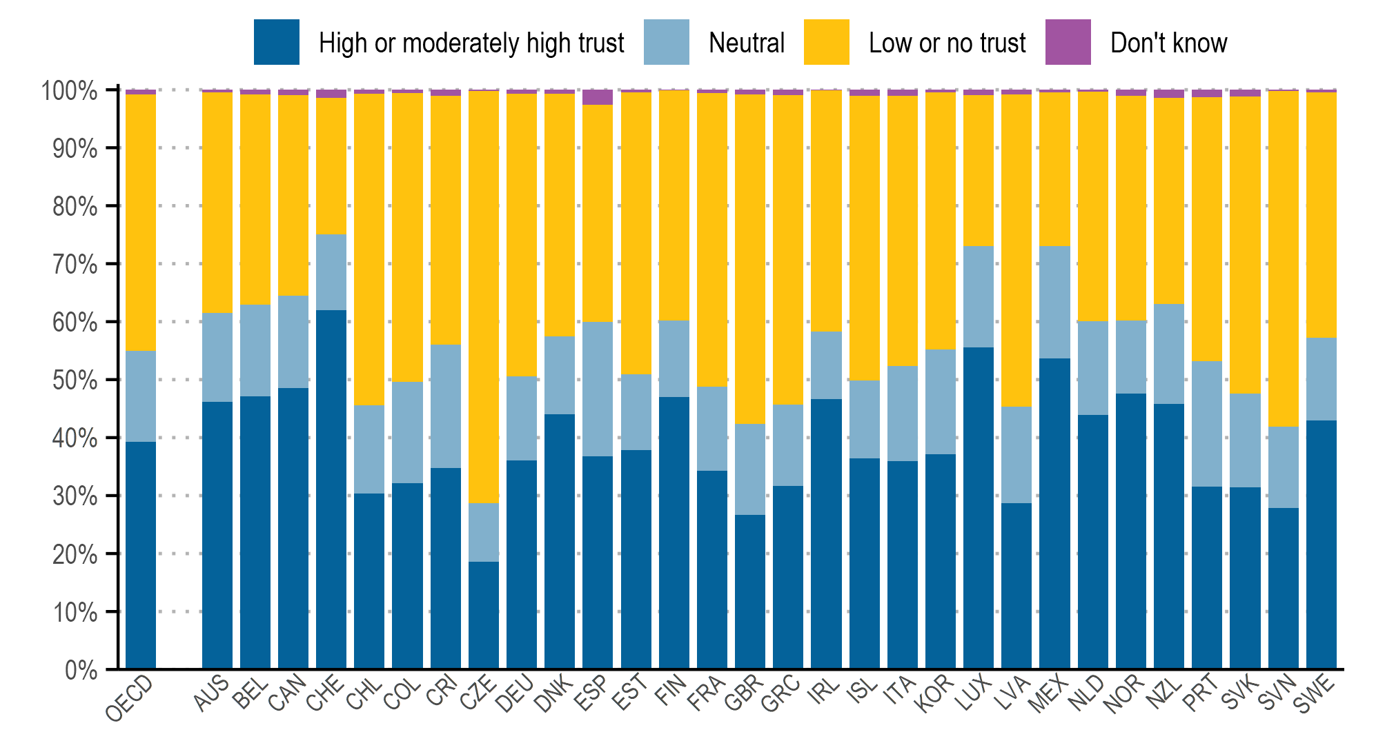

Note: The figure presents the within-country distributions of responses to the question “On a scale of 0 to 10, where 0 is not at all and 10 is completely, how much do you trust the national government?”. A 0-4 response corresponds to “low or no trust“, a 5 to “neutral“ and a 6-10 to “ high or moderately high trust“. “OECD” presents the unweighted average across countries.
Source: OECD Trust Survey 2023.

Country | Don't Know | Low Or No Trust | Neutral | High Or Moderately High Trust
OECD | 0.79% | 44.21% | 15.70% | 39.30%
AUS | 0.47% | 38.07% | 15.25% | 46.20%
BEL | 0.80% | 36.32% | 15.70% | 47.17%
CAN | 0.94% | 34.56% | 16.00% | 48.51%
CHE | 1.39% | 23.55% | 13.12% | 61.94%
CHL | 0.72% | 53.72% | 15.19% | 30.37%
COL | 0.60% | 49.76% | 17.55% | 32.10%
CRI | 1.08% | 42.94% | 21.18% | 34.80%
CZE | 0.19% | 71.10% | 10.16% | 18.55%
DEU | 0.69% | 48.70% | 14.59% | 36.01%
DNK | 0.69% | 41.83% | 13.45% | 44.04%
ESP | 2.63% | 37.40% | 23.20% | 36.77%
EST | 0.42% | 48.66% | 13.11% | 37.81%
FIN | 0.14% | 39.64% | 13.24% | 46.99%
FRA | 0.54% | 50.68% | 14.46% | 34.31%
GBR | 0.82% | 56.86% | 15.66% | 26.65%
GRC | 0.89% | 53.38% | 14.07% | 31.66%
IRL | 0.11% | 41.58% | 11.73% | 46.59%
ISL | 1.03% | 49.15% | 13.38% | 36.45%
ITA | 1.01% | 46.67% | 16.38% | 35.94%
KOR | 0.48% | 44.30% | 18.07% | 37.15%
LUX | 0.87% | 26.05% | 17.52% | 55.56%
LVA | 0.81% | 53.81% | 16.66% | 28.72%
MEX | 0.39% | 26.61% | 19.39% | 53.61%
NLD | 0.31% | 39.61% | 16.16% | 43.92%
NOR | 1.03% | 38.79% | 12.54% | 47.63%
NZL | 1.43% | 35.51% | 17.20% | 45.86%
PRT | 1.33% | 45.53% | 21.60% | 31.53%
SVK | 1.13% | 51.25% | 16.14% | 31.48%
SVN | 0.25% | 57.87% | 14.01% | 27.87%
SWE | 0.47% | 42.35% | 14.23% | 42.95%

Sheet1
Country | Low Or No Trust | High Or Moderately High Trust
 |  |  | 0.4421 | 0.393
Australia | 38.07 | 46.20 | 0.3807 | 0.462
Belgium | 36.32 | 47.17 | 0.3632 | 0.4717
Canada | 34.56 | 48.51 | 0.3456 | 0.4851
Switzerland | 23.55 | 61.94 | 0.2355 | 0.6194
Chile | 53.72 | 30.37 | 0.5372 | 0.3037
Colombia | 49.76 | 32.10 | 0.4976 | 0.321
Costa Rica | 42.94 | 34.80 | 0.4294 | 0.348
38.07 | 46.20
36.32 | 47.17
34.56 | 48.51
23.55 | 61.94
53.72 | 30.37
49.76 | 32.10
42.94 | 34.80
71.10 | 18.55
48.70 | 36.01
41.83 | 44.04
37.40 | 36.77
48.66 | 37.81
39.64 | 46.99
50.68 | 34.31
56.86 | 26.65
53.38 | 31.66
41.58 | 46.59
49.15 | 36.45
46.67 | 35.94
44.30 | 37.15
26.05 | 55.56
53.81 | 28.72
26.61 | 53.61
39.61 | 43.92
38.79 | 47.63
35.51 | 45.86
45.53 | 31.53
51.25 | 31.48
57.87 | 27.87
42.35 | 42.95
Czechia | 71.10 | 18.55 | 0.711 | 0.1855
Germany | 48.70 | 36.01 | 0.487 | 0.3601
Denmark | 41.83 | 44.04 | 0.4183 | 0.4404
Spain | 37.40 | 36.77 | 0.374 | 0.3677
Estonia | 48.66 | 37.81 | 0.4866 | 0.3781
Finland | 39.64 | 46.99 | 0.3964 | 0.4699
France | 50.68 | 34.31 | 0.5068 | 0.3431
U.K. | 56.86 | 26.65 | 0.5686 | 0.2665
Greece | 53.38 | 31.66 | 0.5338 | 0.3166
Ireland | 41.58 | 46.59 | 0.4158 | 0.4659
Iceland | 49.15 | 36.45 | 0.4915 | 0.3645
Italy | 46.67 | 35.94 | 0.4667 | 0.3594
Korea | 44.30 | 37.15 | 0.443 | 0.3715
Luxembourg | 26.05 | 55.56 | 0.2605 | 0.5556
Latvia | 53.81 | 28.72 | 0.5381 | 0.2872
Mexico | 26.61 | 53.61 | 0.2661 | 0.5361
Netherlands | 39.61 | 43.92 | 0.3961 | 0.4392
Norway | 38.79 | 47.63 | 0.3879 | 0.4763
New Zealand | 35.51 | 45.86 | 0.3551 | 0.4586
Portgual | 45.53 | 31.53 | 0.4553 | 0.3153
Slovakia | 51.25 | 31.48 | 0.5125 | 0.3148
Slovenia | 57.87 | 27.87 | 0.5787 | 0.2787
Sweden | 42.35 | 42.95 | 0.4235 | 0.4295

