PovertyReport
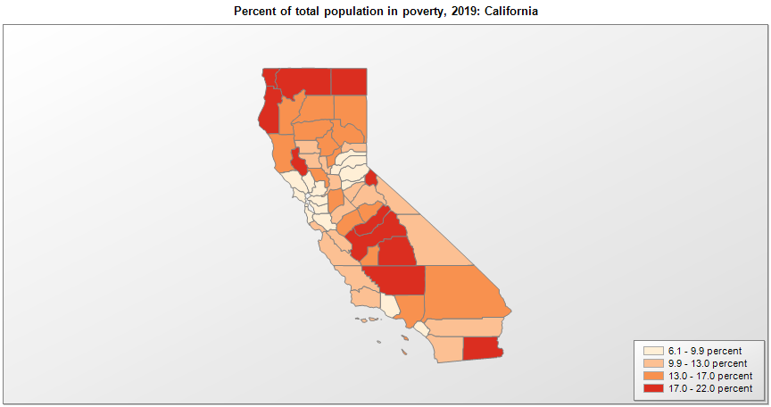
 | Percent | Number
 |  |  |  | All people in poverty (2019) |  |  | Children ages 0-17 in poverty (2019)
 |  |  |  |  | 90% confidence interval of estimate |  |  | 90% confidence interval of estimate
FIPS* |  | Name | RUC Code | Percent | Lower Bound | Upper Bound | Percent | Lower Bound | Upper Bound
06000 |  | California |  | 11.8 | 11.7 | 11.9 | 15.6 | 15.3 | 15.9
06001 |  | Alameda | 1 | 8.9 | 8.2 | 9.6 | 9.8 | 8.4 | 11.2
06003 |  | Alpine | 8 | 17.2 | 13 | 21.4 | 29.6 | 20.3 | 38.9
06005 |  | Amador | 6 | 9.8 | 7.4 | 12.2 | 12.5 | 8.4 | 16.6
06007 |  | Butte | 3 | 16.1 | 14.2 | 18 | 16.1 | 11.7 | 20.5
06009 |  | Calaveras | 6 | 12.1 | 9.4 | 14.8 | 19.6 | 14.4 | 24.8
06011 |  | Colusa | 6 | 12 | 9.7 | 14.3 | 15.3 | 11.4 | 19.2
06013 |  | Contra Costa | 1 | 7.9 | 7.1 | 8.7 | 9.9 | 8.4 | 11.4
06015 |  | Del Norte | 7 | 17.9 | 13.1 | 22.7 | 25.8 | 17.4 | 34.2
06017 |  | El Dorado | 1 | 8.7 | 7.5 | 9.9 | 9.1 | 6.9 | 11.3
06019 |  | Fresno | 2 | 20.5 | 19.2 | 21.8 | 29 | 26.6 | 31.4
06021 |  | Glenn | 6 | 12.1 | 8.9 | 15.3 | 18.1 | 12.1 | 24.1
06023 |  | Humboldt | 5 | 19.1 | 16.9 | 21.3 | 20.5 | 15.8 | 25.2
06025 |  | Imperial | 3 | 22 | 19 | 25 | 30.7 | 25.7 | 35.7
06027 |  | Inyo | 7 | 11.7 | 9.1 | 14.3 | 15.4 | 10.5 | 20.3
06029 |  | Kern | 2 | 19 | 17.4 | 20.6 | 26 | 23.2 | 28.8
06031 |  | Kings | 3 | 16 | 13.4 | 18.6 | 22.3 | 18.3 | 26.3
06033 |  | Lake | 4 | 18.3 | 14.9 | 21.7 | 25.2 | 18.2 | 32.2
06035 |  | Lassen | 7 | 16.5 | 12.7 | 20.3 | 15 | 10.2 | 19.8
06037 |  | Los Angeles | 1 | 13.4 | 13 | 13.8 | 18.3 | 17.4 | 19.2
06039 |  | Madera | 3 | 17.6 | 14.8 | 20.4 | 26.1 | 21.3 | 30.9
06041 |  | Marin | 1 | 6.9 | 5.9 | 7.9 | 7.2 | 5.5 | 8.9
06043 |  | Mariposa | 8 | 15.1 | 11.9 | 18.3 | 21.9 | 15.4 | 28.4
06045 |  | Mendocino | 4 | 14 | 11.6 | 16.4 | 20.4 | 14.9 | 25.9
06047 |  | Merced | 2 | 17 | 14.4 | 19.6 | 22.5 | 17.8 | 27.2
06049 |  | Modoc | 6 | 20.5 | 15.9 | 25.1 | 31 | 21.8 | 40.2
06051 |  | Mono | 7 | 10.1 | 7.7 | 12.5 | 12 | 8.3 | 15.7
06053 |  | Monterey | 2 | 12.6 | 11.1 | 14.1 | 18.4 | 16 | 20.8
06055 |  | Napa | 3 | 7.4 | 5.9 | 8.9 | 8.4 | 5.9 | 10.9
06057 |  | Nevada | 4 | 9.4 | 7.3 | 11.5 | 13.5 | 9.6 | 17.4
06059 |  | Orange | 1 | 9.5 | 8.9 | 10.1 | 12.6 | 11.2 | 14
06061 |  | Placer | 1 | 6.6 | 5.6 | 7.6 | 7.5 | 5.9 | 9.1
06063 |  | Plumas | 7 | 13.2 | 10.1 | 16.3 | 19.3 | 13.6 | 25
06065 |  | Riverside | 1 | 11.3 | 10.5 | 12.1 | 14.1 | 12.7 | 15.5
06067 |  | Sacramento | 1 | 12.6 | 11.6 | 13.6 | 16 | 14 | 18
06069 |  | San Benito | 1 | 10.4 | 8.6 | 12.2 | 13.9 | 11.1 | 16.7
06071 |  | San Bernardino | 1 | 13.3 | 12.4 | 14.2 | 18.5 | 16.6 | 20.4
06073 |  | San Diego | 1 | 10.3 | 9.6 | 11 | 12.8 | 11.4 | 14.2
06075 |  | San Francisco | 1 | 9.5 | 8.7 | 10.3 | 9.3 | 6.7 | 11.9
06077 |  | San Joaquin | 2 | 13.6 | 12.3 | 14.9 | 18.2 | 15.7 | 20.7
06079 |  | San Luis Obispo | 2 | 11.6 | 10 | 13.2 | 11.2 | 8.2 | 14.2
06081 |  | San Mateo | 1 | 6.1 | 5.3 | 6.9 | 6.3 | 4.8 | 7.8
06083 |  | Santa Barbara | 2 | 12 | 10.7 | 13.3 | 13.1 | 10.2 | 16
06085 |  | Santa Clara | 1 | 6.1 | 5.5 | 6.7 | 5.5 | 4.3 | 6.7
06087 |  | Santa Cruz | 2 | 10.6 | 8.9 | 12.3 | 10.4 | 7.2 | 13.6
06089 |  | Shasta | 3 | 13.3 | 11.1 | 15.5 | 16.5 | 11.9 | 21.1
06091 |  | Sierra | 8 | 12.7 | 9.5 | 15.9 | 18.4 | 12.7 | 24.1
06093 |  | Siskiyou | 6 | 17.4 | 14.4 | 20.4 | 25.5 | 18.9 | 32.1
06095 |  | Solano | 2 | 9 | 7.8 | 10.2 | 11.2 | 9 | 13.4
06097 |  | Sonoma | 2 | 7.2 | 6.2 | 8.2 | 7.7 | 5.6 | 9.8
06099 |  | Stanislaus | 2 | 13 | 11.5 | 14.5 | 17.1 | 14.2 | 20
06101 |  | Sutter | 3 | 12.8 | 10.2 | 15.4 | 17.4 | 12.6 | 22.2
06103 |  | Tehama | 4 | 16.3 | 13 | 19.6 | 23.7 | 17.3 | 30.1
06105 |  | Trinity | 8 | 16.5 | 12.4 | 20.6 | 25.3 | 17 | 33.6
06107 |  | Tulare | 2 | 18.9 | 16.5 | 21.3 | 25.8 | 21.6 | 30
06109 |  | Tuolumne | 4 | 11.3 | 8.7 | 13.9 | 15.2 | 10.2 | 20.2
06111 |  | Ventura | 2 | 8.2 | 7.2 | 9.2 | 11.4 | 9.4 | 13.4
06113 |  | Yolo | 1 | 16.9 | 15.4 | 18.4 | 13 | 10 | 16
06115 |  | Yuba | 3 | 15.2 | 12.4 | 18 | 18.8 | 13.2 | 24.4

See the county-level poverty rates from the 1990 and 2000 Census of Population. See important notes about intercensal model-based poverty estimates. The 2013 rural-urban continuum codes classify metropolitan counties (codes 1 through 3) by size of the Metropolitan Statistical Area (MSA), and nonmetropolitan counties (codes 4 through 9) by degree of urbanization and proximity to metro areas. See rural-urban continuum codes for precise definitions of each code. Source: Census Bureau, Small Area Income and Poverty Estimates.

*See the Census Bureau web site for a description of FIPS codes.

