Summary
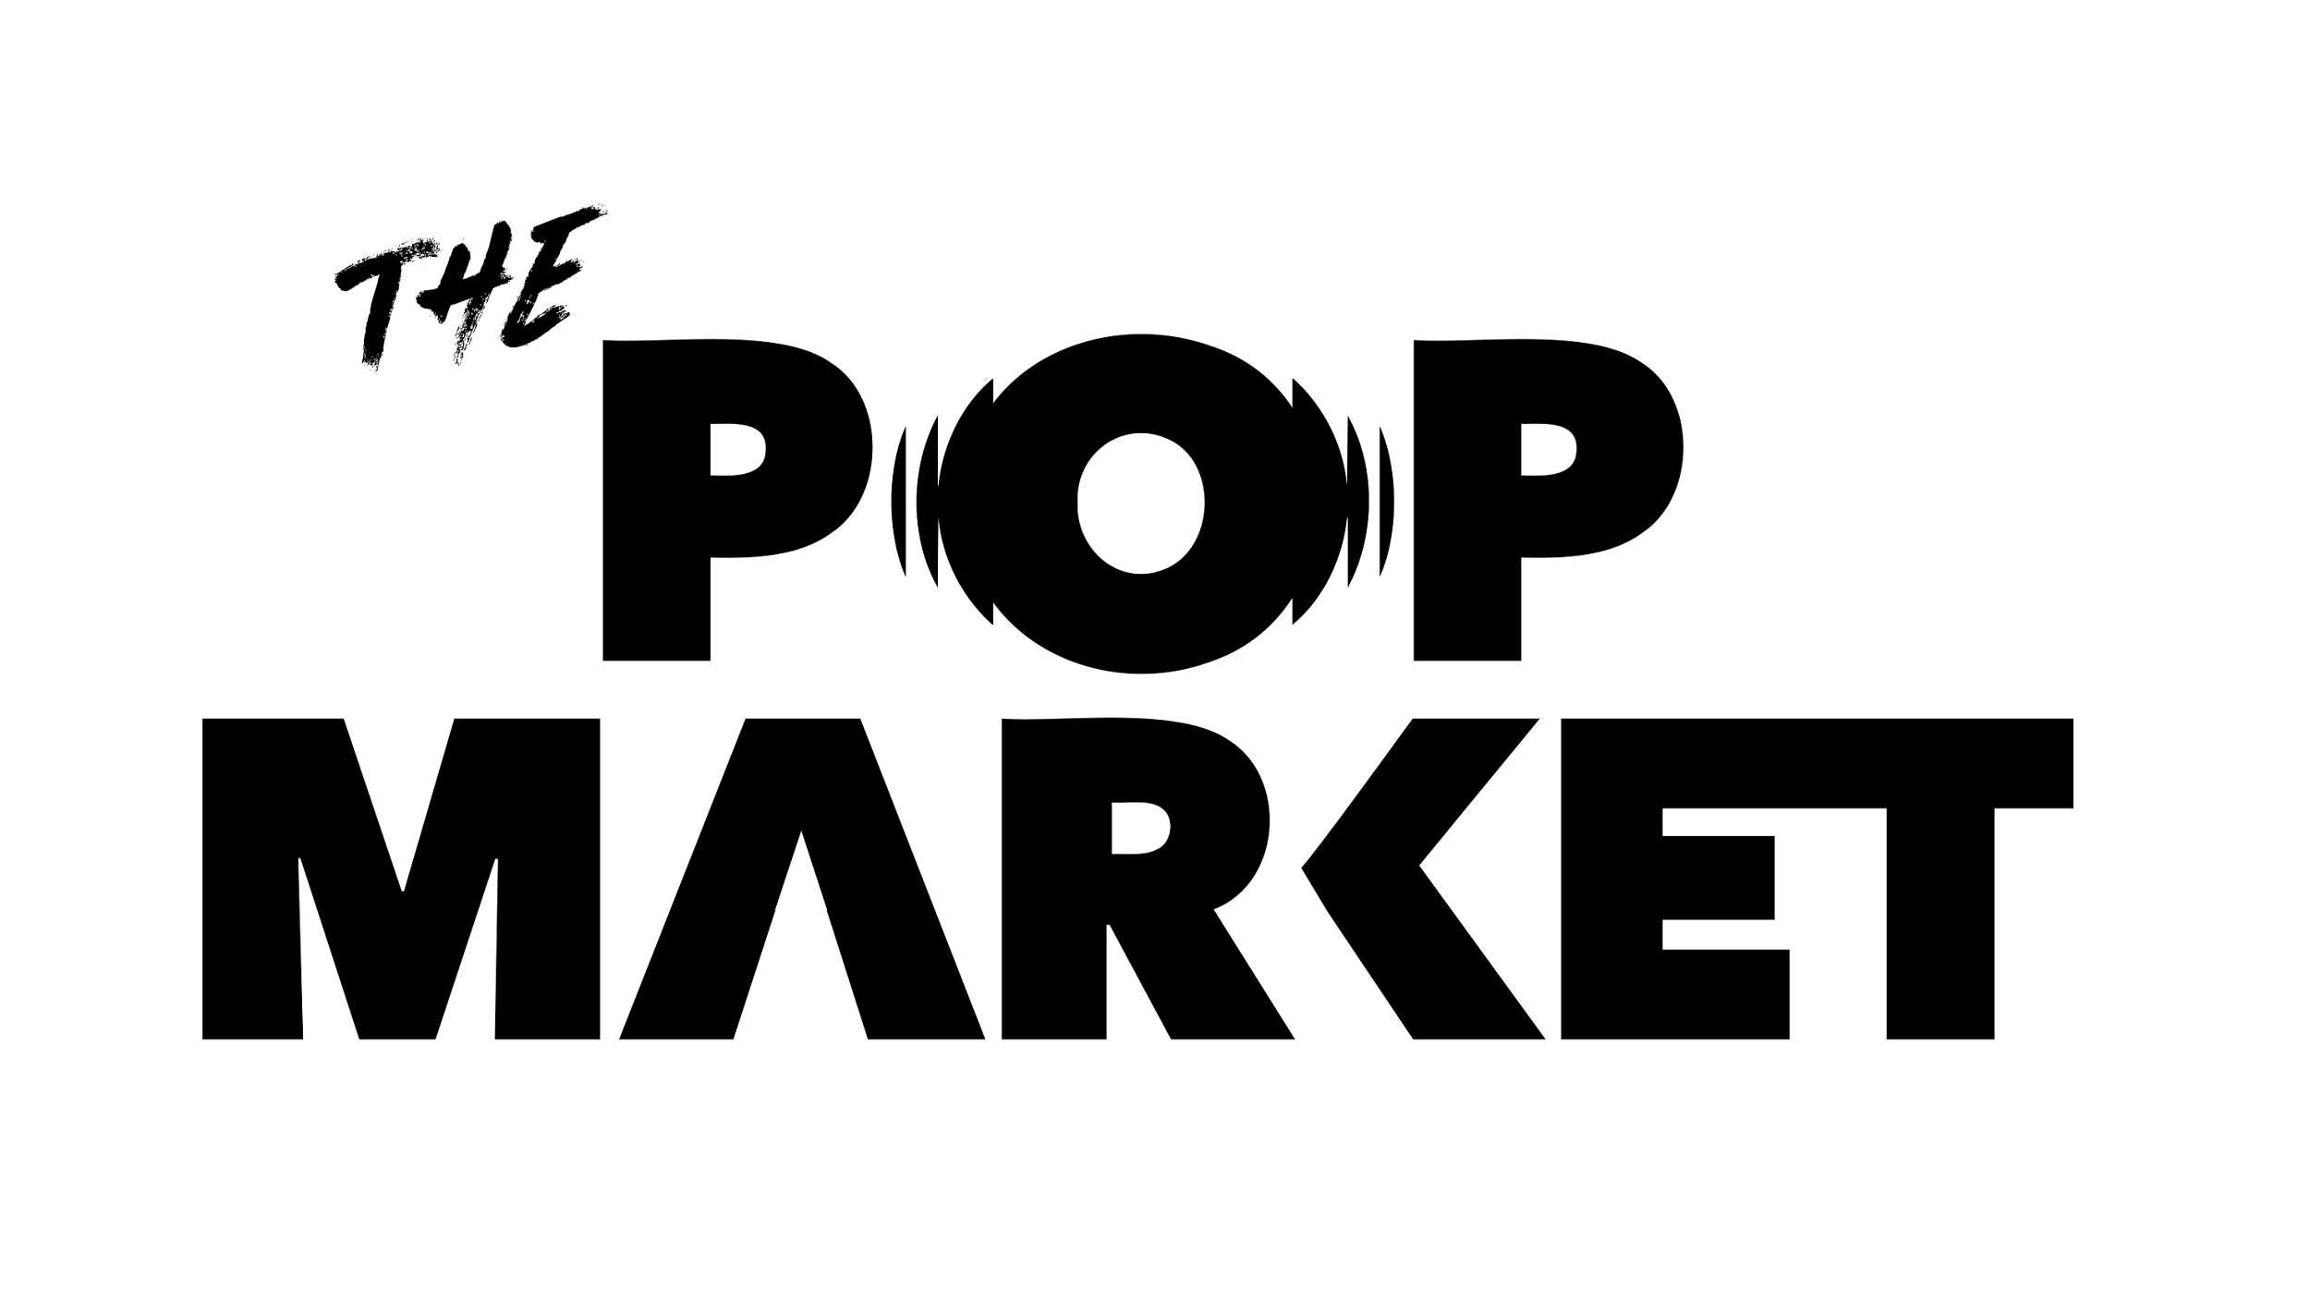

Bryan Adams
TOUR PROFIT OR LOSS - MERCHANDISE
City | Online | Cape Town | Cape Town | Cape Town | Pretoria | Pretoria | Durban | Durban
Venue | Pre and Post Sales | Grand Arena | Grand Arena | Grand Arena | SunBet Arena | SunBet Arena | Durban ICC | Durban ICC
Date of Show | 27 Mar - 1 May | 2026-04-21 | 2026-04-22 | 2026-04-23 | 2026-04-25 | 2026-04-26 | 2026-04-28 | 2026-04-29
Income | TOTAL ZAR | TOTAL ZAR | TOTAL ZAR | TOTAL ZAR | TOTAL ZAR | TOTAL ZAR | TOTAL ZAR | TOTAL ZAR | TOTAL ZAR | TOTAL GBP
Gross Sales | R- | R200,000.00 | R200,000.00 | R200,000.00 | R480,000.00 | R480,000.00 | R150,000.00 | R150,000.00 | R1,860,000.00 | £83,221.48
VAT (SALES TAX 15%) | R- | R26,086.96 | R26,086.96 | R26,086.96 | R62,608.70 | R62,608.70 | R19,565.22 | R19,565.22 | R242,608.70 | £10,854.98
Net Income | R- | R173,913.04 | R173,913.04 | R173,913.04 | R417,391.30 | R417,391.30 | R130,434.78 | R130,434.78 | R1,617,391.30 | £72,366.50
Customs Duty & Freight | R- | R5,198.18 | R5,198.18 | R5,198.18 | R12,475.63 | R12,475.63 | R3,898.63 | R3,898.63 | R48,343.05 | £2,163.00
Less: Manufacturing costs LOCAL | R0.00 | R52,174.19 | R52,174.19 | R52,174.19 | R125,218.06 | R125,218.06 | R39,130.65 | R39,130.65 | R485,220.00 | £21,710.07
Less: Manufacturing costs INT | R- | R13,659.94 | R13,659.94 | R13,659.94 | R32,783.85 | R32,783.85 | R10,244.95 | R10,244.95 | R127,037.40 | £5,684.00
TOTAL COSTS OF SALES | R- | R71,032.31 | R71,032.31 | R71,032.31 | R170,477.54 | R170,477.54 | R53,274.23 | R53,274.23 | R660,600.45 | £29,557.07
Less: Credit card commissions (Cost of sales) | R- | R6,400.00 | R6,400.00 | R6,400.00 | R15,360.00 | R15,360.00 | R4,800.00 | R4,800.00 | R59,520.00 | £2,663.09
Operating income before ops costs | R- | R96,480.74 | R96,480.74 | R96,480.74 | R231,553.77 | R231,553.77 | R72,360.55 | R72,360.55 | R897,270.85 | £40,146.35
Operating costs
Accommodation | R- | R3,043.48 | R3,043.48 | R6,086.96 | R6,086.96 | R- | R6,086.96 | R6,086.96 | R30,434.80 | £1,361.74
Advertising/branding & signage (including ad spend) |  | R2,000.00 | R2,000.00 | R2,000.00 | R2,000.00 | R2,000.00 | R2,000.00 | R2,000.00 | R14,000.00 | £626.40
Airfares | R- | R- | R- | R- | R- | R- | R4,500.00 | R4,500.00 | R9,000.00 | £402.68
Ground Transport | R- | R1,000.00 | R1,000.00 | R1,000.00 | R2,000.00 | R2,000.00 | R950.00 | R950.00 | R8,900.00 | £398.21
Electrical expenses | R- | R- | R- | R- | R- | R- | R- | R- | R- | £0.00
Fencing | R- | R- | R- | R- | R- | R- | R- | R- | R- | £0.00
Meals and catering | R- | R600.00 | R600.00 | R600.00 | R600.00 | R600.00 | R600.00 | R600.00 | R4,200.00 | £187.92
Rentals, consumables, etc | R- | R- | R- | R- | R- | R- | R- | R- | R- | £0.00
Equipment | R- | R15,000.00 | R15,000.00 | R15,000.00 | R25,000.00 | R25,000.00 | R15,000.00 | R15,000.00 | R125,000.00 | £5,592.84
Security | R- | R- | R- | R- | R- | R- | R1,500.00 | R1,500.00 | R3,000.00 | £134.23
Local staff / Fulfilment (Picking & Packing 6.5%) | R- | R30,760.00 | R30,760.00 | R30,760.00 | R51,000.00 | R51,000.00 | R22,200.00 | R22,200.00 | R238,680.00 | £10,679.19
Telephone & internet | R- | R2,500.00 | R2,500.00 | R2,500.00 | R5,000.00 | R5,000.00 | R2,500.00 | R2,500.00 | R22,500.00 | £1,006.71
Trucking, storage & local shipping | R- | R5,000.00 | R5,000.00 | R5,000.00 | R- | R- | R- | R- | R15,000.00 | £671.14
Service fee | R- | R- | R- | R- | R- | R- | R- | R- | R- | £0.00
Total Operating costs | R- | R59,903.48 | R59,903.48 | R62,946.96 | R91,686.96 | R85,600.00 | R55,336.96 | R55,336.96 | R470,714.80 | £21,061.06
TOTAL PROFIT | R- | R36,577.26 | R36,577.26 | R33,533.78 | R139,866.81 | R145,953.77 | R17,023.59 | R17,023.59 | R426,556.05 | £19,085.28
TOTAL PROFIT - ARTIST | R- | R25,604.08 | R25,604.08 | R23,473.64 | R97,906.77 | R102,167.64 | R11,916.51 | R11,916.51 | R298,589.24 | £13,359.70
TOTAL PROFIT - PROMOTER | R- | R10,973.18 | R10,973.18 | R10,060.13 | R41,960.04 | R43,786.13 | R5,107.08 | R5,107.08 | R127,966.82 | £5,725.58

Breakeven% |  | 73.63%

PROJECT |  | Bryan Adams
CITY | Online | Cape Town | Cape Town | Cape Town | Pretoria | Pretoria | Durban | Durban
VENUE | Pre and Post Sales | Grand Arena | Grand Arena | Grand Arena | SunBet Arena | SunBet Arena | Durban ICC | Durban ICC
DATE OF SHOW | 27 Mar - 1 May | 21-Apr-26 | 22-Apr-26 | 23-Apr-26 | 25-Apr-26 | 26-Apr-26 | 28-Apr-26 | 29-Apr-26 | TOTAL SHOWS
NUMBER OF SHOWS |  | 1 | 1 | 1 | 1 | 1 | 1 | 1 | 7
FOREX CURRENCY |  | GBP
EXCHANGE RATE |  | 22.35
BREAKEVEN PERCENTAGE |  | 74%
VAT RATE |  | 15.00
CARD FEES % |  | 3.20
ARTIST % SPLIT |  | 70.00
PROMOTER % SPLIT |  | 30.00

Sales
TOUR SALES REPORT |  |  |  |  |  |  |  |  |  |  |  |  |  | TOTAL AVERAGE SPEND PER HEAD PROJECTION | TOTAL PAID ATTENDANCE | GROSS TARGET
TOUR SALES REPORT |  |  |  |  |  |  |  |  |  |  |  |  |  | R43.26 | 43000.00 | R1,860,000
ARTIST | Bryan Adams | Bryan Adams | Bryan Adams | Bryan Adams | Bryan Adams | Bryan Adams | Bryan Adams | TOTAL
REGION | Cape Town | Cape Town | Cape Town | Pretoria | Pretoria | Durban | Durban
VENUE | Grand Arena | Grand Arena | Grand Arena | SunBet Arena | SunBet Arena | Durban ICC | Durban ICC
DATE | 2026-04-21 | 2026-04-22 | 2026-04-23 | 2026-04-25 | 2026-04-26 | 2026-04-28 | 2026-04-29
CAPACITY/(total transactions) | 5,000 | 5,000 | 5,000 | 8,000 | 8,000 | 6,000 | 6,000 | 43000
SPEND PER HEAD(/transaction) | R40.00 | R40.00 | R40.00 | R60.00 | R60.00 | R25.00 | R25.00 | R43.26
TOTAL GROSS | R200,000.00 | R200,000.00 | R200,000.00 | R480,000.00 | R480,000.00 | R150,000.00 | R150,000.00 | R1,860,000.00 |  | \
% OF TOTAL GROSS | 11% | 11% | 11% | 26% | 26% | 8% | 8%

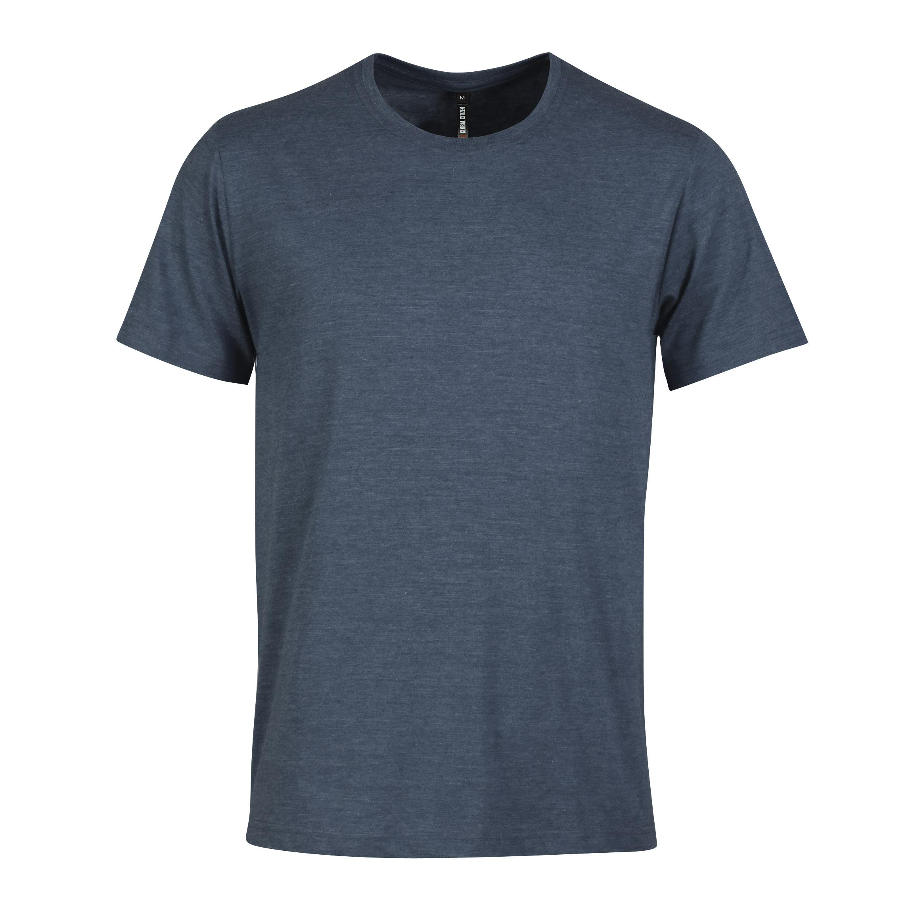
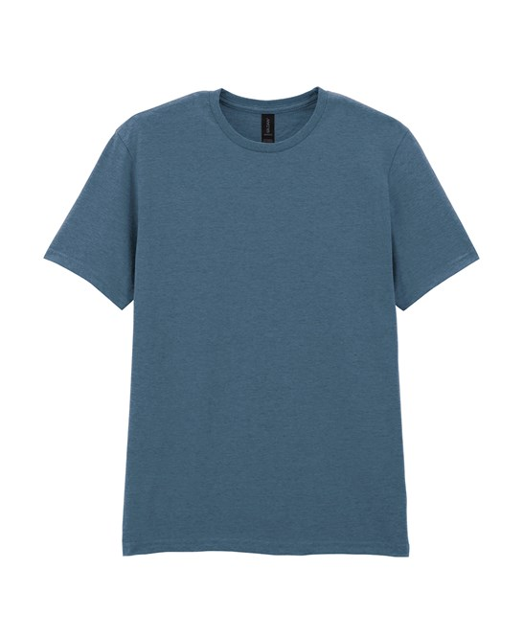
Inventory ID | Name | Description | Opening | Add | Adj | Total Opening Stock | Comps | Losses/damages | Total Closing Stock | Sold | Selling Price | Gross Sales | % of total sales | % of gross target per stock stock category | TOTAL GROSS TARGET | % of gross target per stock stock category
1 | Shadow boxing - Ash Melange Navy Unisex | S | 93 |  |  | 93 |  |  | - | 93 | R 500.00 | R 46,500.00 | 2.50% | 25.0% | R465,000 | 10% | Ash Navy melange CTH6 |  |  |  | Indigo blue |  | COMMENTS
 | Shadow boxing - Ash Melange Navy Unisex | M | 186 |  |  | 186 |  |  | - | 186 | R 500.00 | R 93,000.00 | 5.00% |  |  | 20%
 | Shadow boxing - Ash Melange Navy Unisex | L | 279 |  |  | 279 |  |  | - | 279 | R 500.00 | R 139,500.00 | 7.50% |  |  | 30% |  |  |  |  |  |  | Can't find any Indigo blue
 | Shadow boxing - Ash Melange Navy Unisex | XL | 233 |  |  | 233 |  |  | - | 233 | R 500.00 | R 116,500.00 | 6.26% |  |  | 25%
 | Shadow boxing - Ash Melange Navy Unisex | XXL | 140 |  |  | 140 |  |  | - | 140 | R 500.00 | R 70,000.00 | 3.76% |  |  | 15%
 | Shadow boxing - Ash Melange Navy Unisex |  | 931 | 0 | 0 | 931 | 0 | 0 | 0 | 931 |  | R465,500.00 | 25.02%
2 | Shadow boxing - Lt Blue Unisex | S | 74 |  |  | 74 |  |  | - | 74 | R 500.00 | R 37,000.00 | 1.99% | 20.0% | R372,000 | 10%
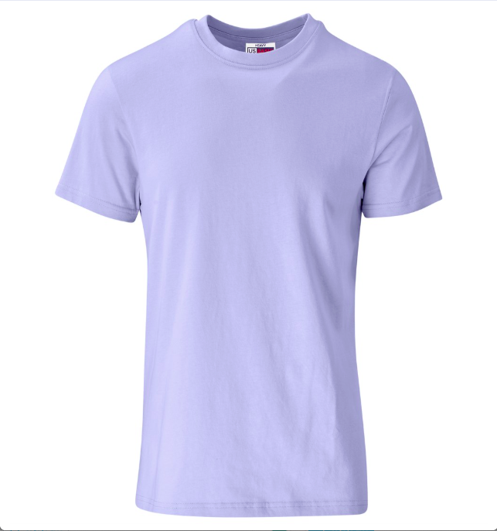
 | Shadow boxing - Lt Blue Unisex | M | 149 |  |  | 149 |  |  | - | 149 | R 500.00 | R 74,500.00 | 4.00% |  |  | 20%
 | Shadow boxing - Lt Blue Unisex | L | 223 |  |  | 223 |  |  | - | 223 | R 500.00 | R 111,500.00 | 5.99% |  |  | 30%
 | Shadow boxing - Lt Blue Unisex | XL | 186 |  |  | 186 |  |  | - | 186 | R 500.00 | R 93,000.00 | 5.00% |  |  | 25%
 | Shadow boxing - Lt Blue Unisex | XXL | 112 |  |  | 112 |  |  | - | 112 | R 500.00 | R 56,000.00 | 3.01% |  |  | 15%
 | Shadow boxing - Lt Blue Unisex |  | 744 | 0 | 0 | 744 | 0 | 0 | 0 | 744 |  | R372,000.00 | 20.00%
3 | Roll type unisex in black T | S | 37 |  |  | 37 |  |  | - | 37 | R 500.00 | R 18,500.00 | 0.99% | 10.0% | R186,000 | 10%
 | Roll type unisex in black T | M | 93 |  |  | 93 |  |  | - | 93 | R 500.00 | R 46,500.00 | 2.50% |  |  | 25% |  | 160g | Black cotton
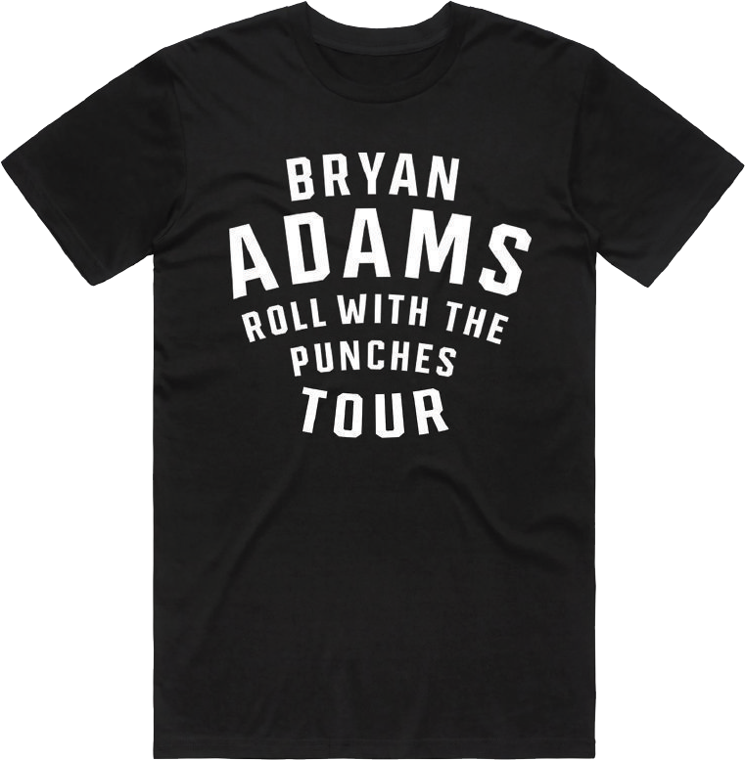
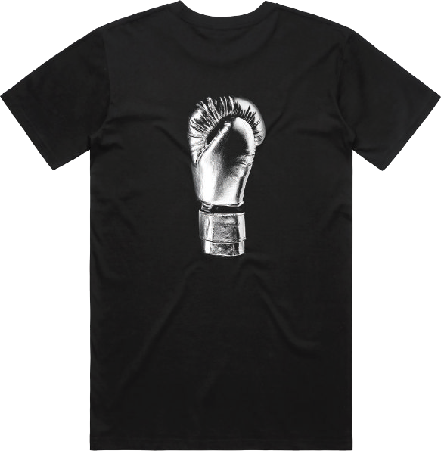
 | Roll type unisex in black T | L | 112 |  |  | 112 |  |  | - | 112 | R 500.00 | R 56,000.00 | 3.01% |  |  | 30%
 | Roll type unisex in black T | XL | 74 |  |  | 74 |  |  | - | 74 | R 500.00 | R 37,000.00 | 1.99% |  |  | 20%
 | Roll type unisex in black T | XXL | 56 |  |  | 56 |  |  | - | 56 | R 500.00 | R 28,000.00 | 1.51% |  |  | 15%
 | Roll type unisex in black T |  | 372 | 0 | 0 | 372 | 0 | 0 | 0 | 372 |  | R186,000.00 | 10.00%
4 | Bryan Punched - Charcoal unisex | S | 30 |  |  | 30 |  |  | - | 30 | R 500.00 | R 15,000.00 | 0.81% | 8.0% | R148,800 | 10% | CTH6 | 160g | Grey or Charcoal Melange |  |  |  | We have a grey or a charcoal Melange
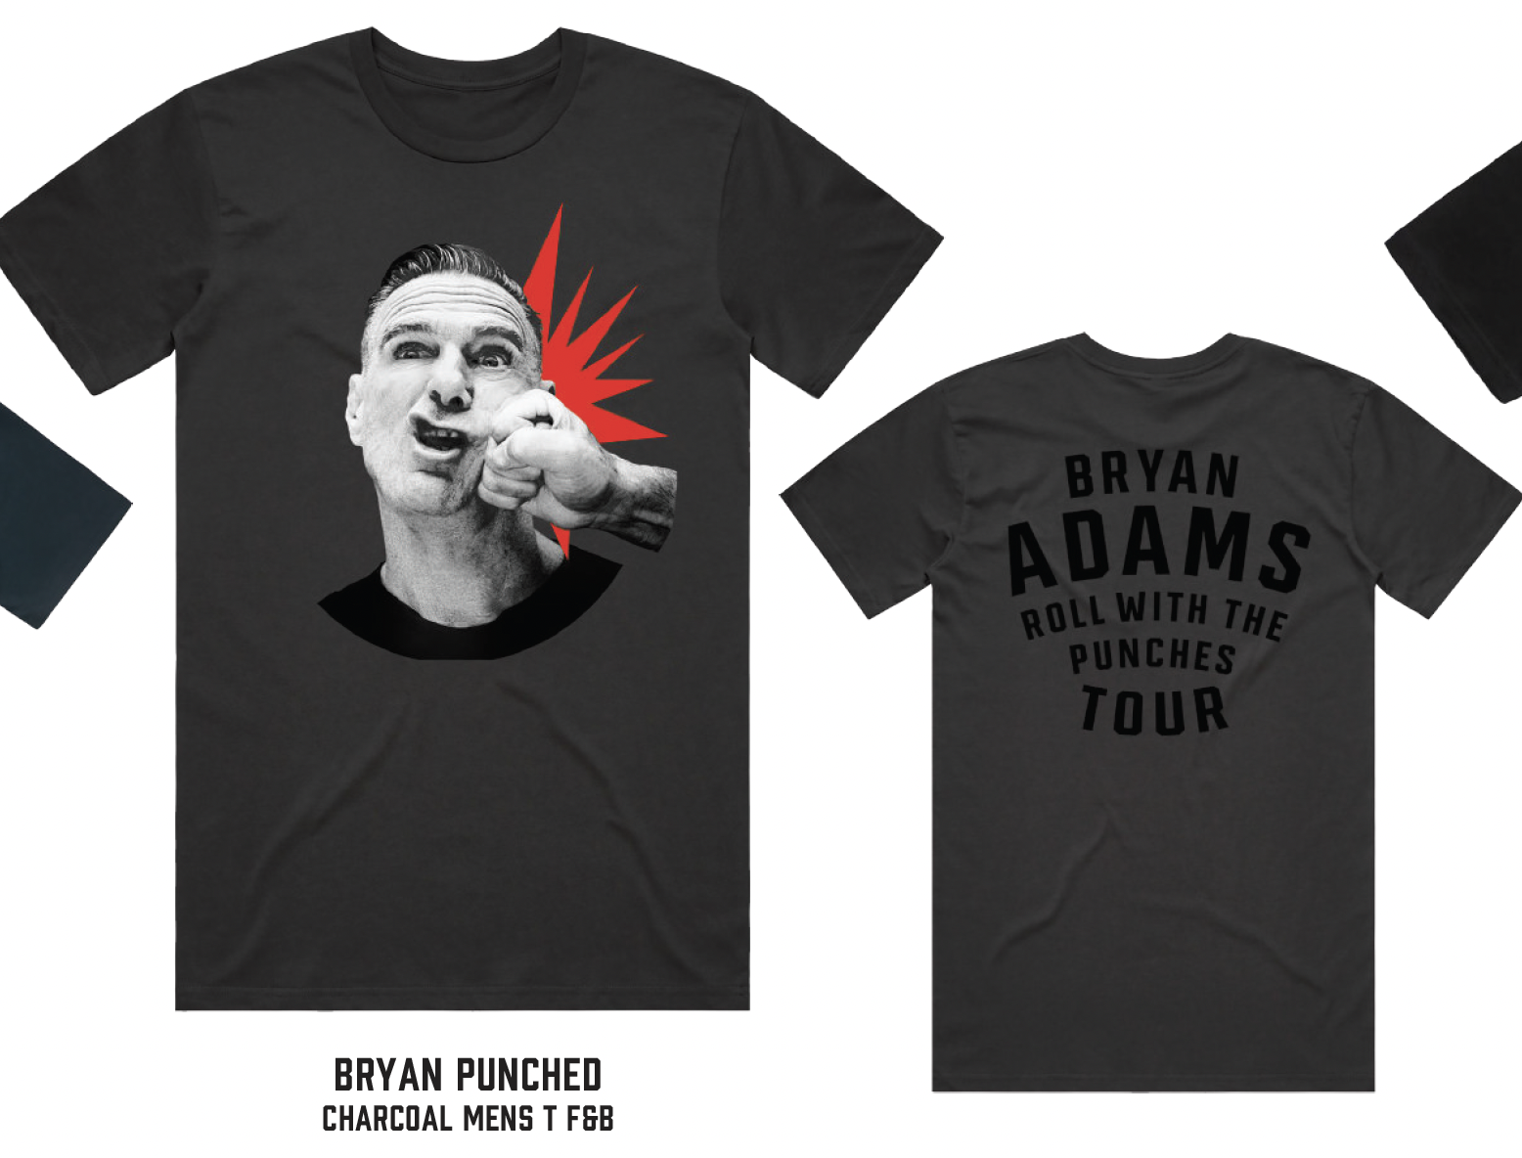
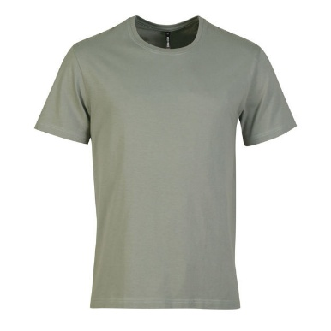
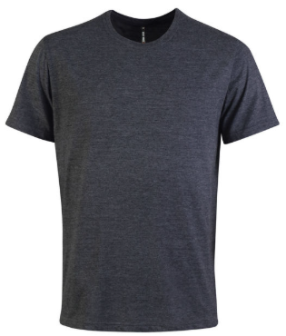
 | Bryan Punched - Charcoal unisex | M | 74 |  |  | 74 |  |  | - | 74 | R 500.00 | R 37,000.00 | 1.99% |  |  | 25%
 | Bryan Punched - Charcoal unisex | L | 89 |  |  | 89 |  |  | - | 89 | R 500.00 | R 44,500.00 | 2.39% |  |  | 30%
 | Bryan Punched - Charcoal unisex | XL | 60 |  |  | 60 |  |  | - | 60 | R 500.00 | R 30,000.00 | 1.61% |  |  | 20%
 | Bryan Punched - Charcoal unisex | XXL | 45 |  |  | 45 |  |  | - | 45 | R 500.00 | R 22,500.00 | 1.21% |  |  | 15%
 | Bryan Punched - Charcoal unisex |  | 298 | 0 | 0 | 298 | 0 | 0 | 0 | 298 |  | R149,000.00 | 8.01%
5 | Glove tour white Unisex | S | 37 |  |  | 37 |  |  | - | 37 | R 500.00 | R 18,500.00 | 0.99% | 10.0% | R186,000 | 10%
 | Glove tour white Unisex | M | 74 |  |  | 74 |  |  | - | 74 | R 500.00 | R 37,000.00 | 1.99% |  |  | 20% |  | 180g | White | OR | 160g | White
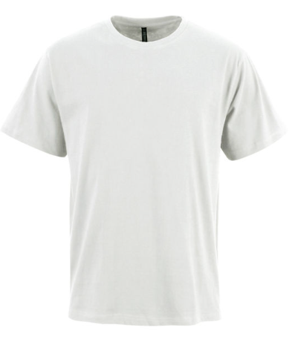
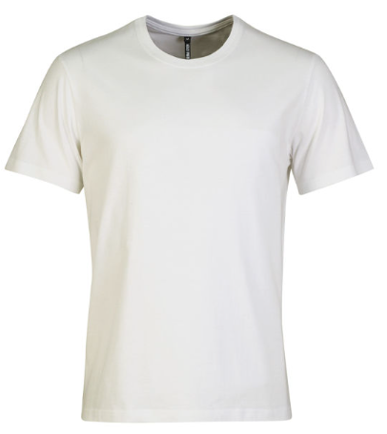
 | Glove tour white Unisex | L | 112 |  |  | 112 |  |  | - | 112 | R 500.00 | R 56,000.00 | 3.01% |  |  | 30%
 | Glove tour white Unisex | XL | 93 |  |  | 93 |  |  | - | 93 | R 500.00 | R 46,500.00 | 2.50% |  |  | 25%
 | Glove tour white Unisex | XXL | 56 |  |  | 56 |  |  | - | 56 | R 500.00 | R 28,000.00 | 1.51% |  |  | 15%
 | Glove tour white Unisex |  | 372 | 0 | 0 | 372 | 0 | 0 | 0 | 372 |  | R186,000.00 | 10.00%
5 | Black Zip Hoodie | S | 30 |  |  | 30 |  |  | - | 30 | R 750.00 | R 22,500.00 | 1.21% | 12.0% | R223,200 | 10%
 | Black Zip Hoodie | M | 60 |  |  | 60 |  |  | - | 60 | R 750.00 | R 45,000.00 | 2.42% |  |  | 20%
 | Black Zip Hoodie | L | 89 |  |  | 89 |  |  | - | 89 | R 750.00 | R 66,750.00 | 3.59% |  |  | 30%
 | Black Zip Hoodie | XL | 74 |  |  | 74 |  |  | - | 74 | R 750.00 | R 55,500.00 | 2.98% |  |  | 25%
 | Black Zip Hoodie | XXL | 45 |  |  | 45 |  |  | - | 45 | R 750.00 | R 33,750.00 | 1.81% |  |  | 15%
 | Black Zip Hoodie |  | 298 | 0 | 0 | 298 | 0 | 0 | 0 | 298 |  | R223,500.00 | 12.01%
7 |  | S |  |  |  | - |  |  | - | - | R 500.00 | R 0.00 | 0.00% |  | R0 | 10%
 |  | M |  |  |  | - |  |  | - | - | R 500.00 | R 0.00 | 0.00% |  |  | 20%
 |  | L |  |  |  | - |  |  | - | - | R 500.00 | R 0.00 | 0.00% |  |  | 30%
 |  | XL |  |  |  | - |  |  | - | - | R 500.00 | R 0.00 | 0.00% |  |  | 25%
 |  | XXL |  |  |  | - |  |  | - | - | R 500.00 | R 0.00 | 0.00% |  |  | 15%
 | 0 |  | 0 | 0 | 0 | 0 | 0 | 0 | 0 | 0 |  | R0.00 | 0.00%
8 |  | S |  |  |  | - |  |  | - | - | R 500.00 | R 0.00 | 0.00% |  | R0 | 10%
 |  | M |  |  |  | - |  |  | - | - | R 500.00 | R 0.00 | 0.00% |  |  | 20%
 |  | L |  |  |  | - |  |  | - | - | R 500.00 | R 0.00 | 0.00% |  |  | 30%
 |  | XL |  |  |  | - |  |  | - | - | R 500.00 | R 0.00 | 0.00% |  |  | 25%
 |  | XXL |  |  |  | - |  |  | - | - | R 500.00 | R 0.00 | 0.00% |  |  | 15%
 | 0 |  | 0 | 0 | 0 | 0 | 0 | 0 | 0 | 0 |  | R0.00 | 0.00%
9 |  | S |  |  |  | - |  |  | - | - | R 500.00 | R 0.00 | 0.00% |  | R0 | 10%
 |  | M |  |  |  | - |  |  | - | - | R 500.00 | R 0.00 | 0.00% |  |  | 20%
 |  | L |  |  |  | - |  |  | - | - | R 500.00 | R 0.00 | 0.00% |  |  | 30%
 |  | XL |  |  |  | - |  |  | - | - | R 500.00 | R 0.00 | 0.00% |  |  | 25%
 |  | XXL |  |  |  | - |  |  | - | - | R 500.00 | R 0.00 | 0.00% |  |  | 15%
 | 0 |  | 0 | 0 | 0 | 0 | 0 | 0 | 0 | 0 |  | R0.00 | 0.00%
A | Cap |  | 319 |  |  | 319 |  |  | - | 319 | R 350.00 | R 111,650.00 | 6.00% | 6.0% | R111,600 | 100%
B | Black Tote Bag |  | 372 |  |  | 372 |  |  | - | 372 | R 100.00 | R 37,200.00 | 2.00% | 2.0% | R37,200 | 100%
C | Tour Book/Program |  | 322 |  |  | 322 |  |  | - | 322 | R 150.00 | R 48,300.00 | 2.60% | 2.6% | R48,360 | 100%
D | Boxing Glove Key Ring |  | 506 |  |  | 506 |  |  | - | 506 | R 125.00 | R 63,250.00 | 3.40% | 3.4% | R63,240 | 100%
E | CD - punched |  | 23 |  |  | 23 |  |  | - | 23 | R 200.00 | R 4,600.00 | 0.25% | 0.25% | R4,650 | 100%
F | Vinyl - punched |  | 8 |  |  | 8 |  |  | - | 8 | R 550.00 | R 4,400.00 | 0.24% | 0.25% | R4,650 | 100%
G | CD - classic |  | 23 |  |  | 23 |  |  | - | 23 | R 200.00 | R 4,600.00 | 0.25% | 0.25% | R4,650 | 100%
H | Vinyl - classic |  | 8 |  |  | 8 |  |  | - | 8 | R 550.00 | R 4,400.00 | 0.24% | 0.25% | R4,650 | 100%
 |  |  | 1,581 | 0 | 0 | 1,581 | 0 | 0 | 0 | 1,581 |  | R278,400.00 | 14.96%
 |  | TOTAL | 4,596 | 0 | 0 | 4,596 | 0 | 0 | 0 | 4,596 |  |  | 100% | 100.0%

 |  |  | TOTAL TAKINGS |  |  |  |  |  |  |  |  | R 1,860,400

 |  |  | PAID ATTENDANCE |  |  |  |  |  |  |  |  | 43,000

 |  |  | TOTAL TAKINGS |  |  |  |  |  |  |  |  | R 43.27

