Sheet1
A1 - Go to safest position with potential targets in 1 action (Movement Action)
Actions Considerations | Score
The unit doesn't have effective cover | T:0.5 /F: 0.25
Moving increase the hit chance of A2 | T:0.5 /F: 0.0
Target Considerations - Node Path | Score
The node take only 1 action to reach | T:1.0 /F: 0.0
The node hit chances for default ability (shoot) | Max Score : 1.0, Min Score : 0.0
The node potential effective covers | Max Score : 1.0, Min Score : 0.01
A2 - Shoot the weakest target (Unit Ability Action)
Actions Considerations | Score
The unit can use the "Shoot" ability | T:1.0 /F: 0.0
The hit chance of A2 | Max Score : 1.0, Min Score : 0.0
The unit has effective cover | T:1.0 /F: 0.5
Target Considerations - Actor
Curve Target actor HP percentage | 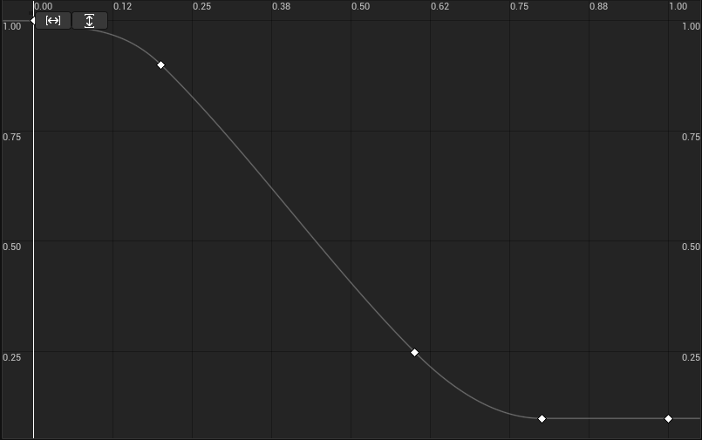
Target actor hit percentage | Max Score : 1.0, Min Score : 0.0
A3 - Reload when out of ammo (Unit Ability Action)
Actions Considerations | Score
The unit can use the "Reload" ability | T:1.0 /F: 0.0
The unit weapon doesn't have ammo | T:1.0 /F: 0.0
The unit currently have effective cover | T:1.0 /F: 0.1
The unit have 2 actions left to use | T:1.0 /F: 0.0
A4 - Explore safely for enemies (Movement Action) (Default Action)
Actions Considerations | Score
The unit cannot possibly move to a node with potential targets | T:1.0 /F: 0.0
Target Considerations - Node Path | Score
The node have the best potential cover defense | Max Score : 1.0, Min Score : 0.01
The node use the maximum number of steps for the remaining actions | Max Score : 1.0, Min Score : 0.0
The node take the remaining actions to reach | T:1.0 /F: 0.0

