HTML
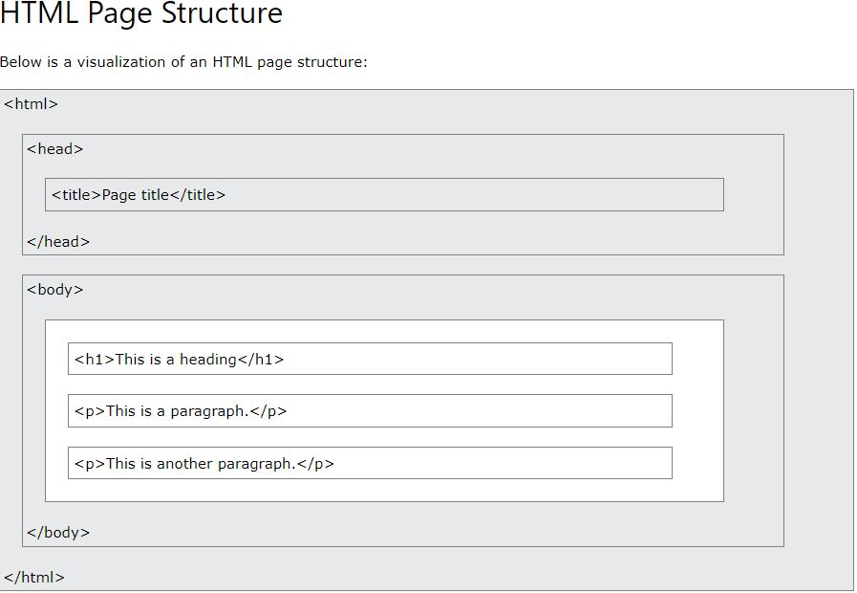
code | definition | example | example result
<!DOCTYPE html> | defines that the document is HTML5
<html> </html> | root element of an HTML page |  | <!DOCTYPE html>
<head></head> | meta info about the page |  | <html>
<title> </title> | page title on the page appearng on the web tab |  | <head>
<body> </body> | defines the documents body (p,h,links,images) |  | <title>Page Title</title>
<h1> </h1> | first/large heading |  | </head>
<h2, h3, h4….> | 2nd/3rd etc smaller headings |  | <body>
<p> </p> | defines a paragraph
<button> | adds a button |  | <h1>This is a Heading</h1>
<a href="link"</a> | defines a hyperlink | <a href="https://www.w3schools.com/">Visit W3Schools.com!</a> | <p>This is a paragraph.</p>
<img src="image"> | defines an image | <img src="pic_trulli.jpg">
<br> | breaks the line in the text |  | </body>
<hr> | adds a line to separate texts |  | </html>

<b> | bold text | <h1>This is<b> heading 1</b></h1> | This is heading 1
<strong> | important text | <h1>This <strong>is heading 1</strong></h1> | This is heading 1
<em> | emphasized text | <h1>This is <em>heading 1</em></h1> | This is heading 1
<mark> | marks a text | <h1>This is <mark>heading 1</mark></h1> | This is heading 1
<del> | scratches a text/word | <h1>This is <del>heading 1</del></h1>
<ins> | adds underline to a text/word | <h1>This is <ins>heading 1</ins></h1> | This is heading 1
<sub> | word appears slightly under the text | <h1>This is <sub>heading 1</sub></h1>
<sup> | word appears slightly above the text | <h1>This is <sup>heading 1</sup></h1>
<q> | quotes a text | <p>WWF's goal is to: <q>Build a future where people live in harmony with nature.</q></p> | WWF's goal is to: "Build a future where people live in harmony with nature."

Link CSS file to HTML
<link rel="stylesheet" href="styles.css">

