Sheet1
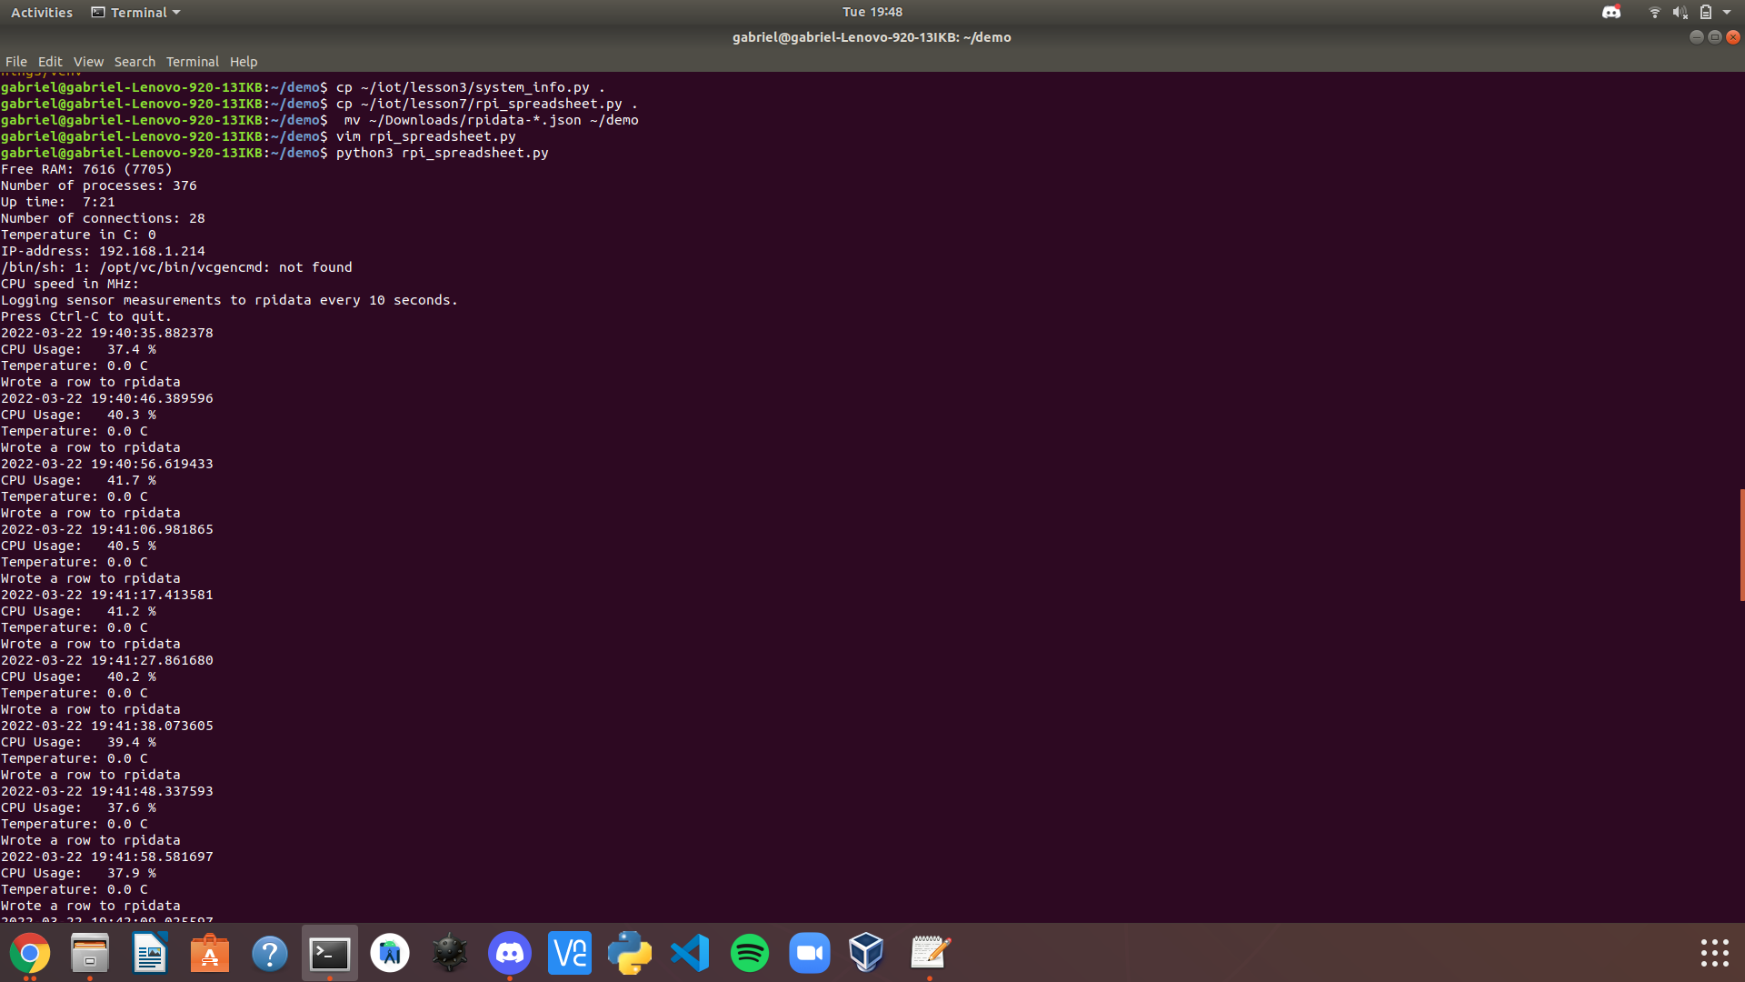
Date / Time | CPU Usage % | Temperature C
2022-03-22 19:40:35.882378 | 37.4 | 0
2022-03-22 19:40:46.389596 | 40.3 | 0
2022-03-22 19:40:56.619433 | 41.7 | 0
2022-03-22 19:41:06.981865 | 40.5 | 0
2022-03-22 19:41:17.413581 | 41.2 | 0
2022-03-22 19:41:27.861680 | 40.2 | 0
2022-03-22 19:41:38.073605 | 39.4 | 0
2022-03-22 19:41:48.337593 | 37.6 | 0
2022-03-22 19:41:58.581697 | 37.9 | 0
2022-03-22 19:42:09.025597 | 36.1 | 0
2022-03-22 19:42:19.469640 | 36.3 | 0
2022-03-22 19:42:29.915467 | 36 | 0
2022-03-22 19:42:40.359797 | 36.3 | 0
2022-03-22 19:42:50.805592 | 36.7 | 0
2022-03-22 19:43:01.249596 | 36.9 | 0
2022-03-22 19:43:11.693599 | 38.5 | 0
2022-03-22 19:43:21.901876 | 38.7 | 0
2022-03-22 19:43:32.277882 | 36.6 | 0
2022-03-22 19:43:42.721622 | 36 | 0
2022-03-22 19:43:53.165641 | 36.7 | 0
2022-03-22 19:44:03.341670 | 36.4 | 0
2022-03-22 19:44:13.593597 | 36.4 | 0
2022-03-22 19:44:23.886940 | 36.3 | 0
2022-03-22 19:44:34.333901 | 36.3 | 0
2022-03-22 19:44:44.777591 | 36.2 | 0
2022-03-22 19:44:55.145637 | 36.7 | 0
2022-03-22 19:45:05.529643 | 37.3 | 0
2022-03-22 19:45:15.805793 | 36.7 | 0
2022-03-22 19:45:26.249599 | 35.7 | 0
2022-03-22 19:45:36.701705 | 36.5 | 0
2022-03-22 19:45:47.140382 | 37.6 | 0
2022-03-22 19:45:57.585592 | 37.7 | 0
2022-03-22 19:46:07.993646 | 36.8 | 0
2022-03-22 19:46:18.473667 | 36.7 | 0
2022-03-22 19:46:28.689598 | 38.4 | 0
2022-03-22 19:46:38.909601 | 39.6 | 0
2022-03-22 19:46:49.193589 | 42 | 0
2022-03-22 19:46:59.641624 | 40.4 | 0
2022-03-22 19:47:10.085541 | 48 | 0
2022-03-22 19:47:20.286199 | 44.9 | 0
2022-03-22 19:47:30.665842 | 43.8 | 0
2022-03-22 19:47:40.885624 | 43.6 | 0
2022-03-22 19:47:51.245702 | 42.8 | 0
2022-03-22 19:48:01.693602 | 36.7 | 0

