Sheet1
Age | Competition | Type | Profit
old | yes | Software | Down |  | P (Probability of getting Yes) : (UP) |  | 5 | IG
old | no | Software | Down |  | N (Probability of getting No) : (Down) |  | 5 | Entrophy of Attribute
old | no | Hardware | Down |  |  |  |  | Gain
mid | yes | Software | Down |  | P/(P+N) | N/(P+N) | Entrophy of Class :
mid | yes | Hardware | Down |  | 0.5 | 0.5 | 1
mid | no | Hardware | UP
mid | no | Software | UP
new | yes | Software | UP
new | no | Hardware | UP
new | no | Software | UP
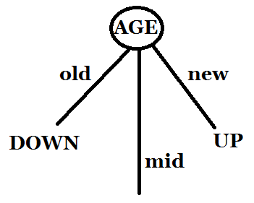
 |  |  |  |  | IG
AGE | Pi | Ni | Pi/(Pi+Ni) | Ni/(Pi+Ni) | I(Pi,Ni) | Entrophy Of Attribute | Gain
Old | 0 | 3 | 0 | 1 | 0 | 0.4 | 0.6
Mid | 2 | 2 | 0.5 | 0.5 | 1
New | 3 | 0 | 1 | 0 | 0

Competition | Pi | Ni | Pi/(Pi+Ni) | Ni/(Pi+Ni) | I(Pi,Ni) | Entrophy Of Attribute | Gain
Yes | 1 | 3 | 0.25 | 0.75 | 0.81127812446 | 0.87548875022 | 0.12451124978
No | 4 | 2 | 0.66666666667 | 0.33333333333 | 0.91829583405

Type | Pi | Ni | P/(P+N) | N/(P+N) | I(Pi,Ni) | Entrophy Of Attribute | Gain
Software | 3 | 3 | 0.5 | 0.5 | 1 | 1 | 0
Hardware | 2 | 2 | 0.5 | 0.5 | 1

Now Comparing the Gain of all three attributes (AGE, Competition,Type)
The attribute with the highest Gain will become the root of the tree

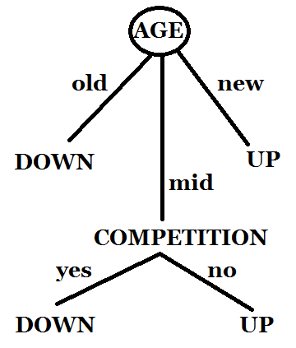
Now We Will Draw Decision Tree
AGE | Competition | Type | Class |  | P ==> | 2
mid | yes | Software | Down |  | N ==> | 2
mid | yes | Hardware | Down
mid | no | Hardware | UP | P/(P+N) | N/(P+N) | Entrophy of Class :
mid | no | Software | UP | 0.5 | 0.5 | 1

Competition | Pi | Ni | P/(P+N) | N/(P+N) | I(Pi,Ni) | Entrophy Of Attribute | Gain
Yes | 0 | 2 | 0 | 1 | 0 | 0 | 1
No | 2 | 0 | 1 | 0 | 0

Type | Pi | Ni | P/(P+N) | N/(P+N) | I(Pi,Ni) | Entrophy Of Attribute | Gain
Software | 1 | 1 | 0.5 | 0.5 | 1 | 1 | 0
Hardware | 1 | 1 | 0.5 | 0.5 | 1

Now We Can See The Gain of Competition is Greater than the Gain of Type.
So the Next Node in the Decision Tree will be COMPETITION

age | competition | type | class
old | no | software | Down
mid | yes | software | Down
mid | No | software | Up

