Regions
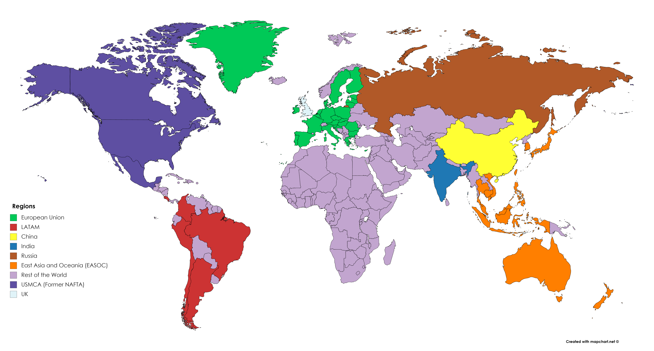
 |  |  |  |  |  | WILIAM vectors
 | LOCOMOTION global regions | LOCOMOTION acronym | Countries | ICIO Code (matches with ALPHA-3 excepting for ROW) | ALPHA-2 code | REGIONS_35_I | REGIONS_9_I | REGIONS_36_I
1 | European Union | EU27 | Austria | AUT | AT | AUSTRIA | EU27 | AUSTRIA
 |  |  | Belgium | BEL | BE | BELGIUM | UK | BELGIUM
 |  |  | Bulgaria | BGR | BG | BULGARIA | CHINA | BULGARIA
 |  |  | Croatia | HRV | HR | CROATIA | EASOC | CROATIA
 |  |  | Cyprus | CYP | CY | CYPRUS | IND | CYPRUS
 |  |  | Czech Republic | CZE | CZ | CZECH_REPUBLIC | LATAM | CZECH_REPUBLIC
 |  |  | Denmark | DNK | DK | DENMARK | RUS | DENMARK
 |  |  | Estonia | EST | EE | ESTONIA | USMCA | ESTONIA
 |  |  | Finland | FIN | FI | FINLAND | LROW | FINLAND
 |  |  | France | FRA | FR | FRANCE |  | FRANCE
 |  |  | Germany | DEU | DE | GERMANY |  | GERMANY
 |  |  | Greece | GRC | GR | GREECE |  | GREECE
 |  |  | Hungary | HUN | HU | HUNGARY |  | HUNGARY
 |  |  | Ireland | IRL | IE | IRELAND |  | IRELAND
 |  |  | Italy | ITA | IT | ITALY |  | ITALY
 |  |  | Latvia | LVA | LV | LATVIA |  | LATVIA
 |  |  | Lithuania | LTU | LT | LITHUANIA |  | LITHUANIA
 |  |  | Luxembourg | LUX | LU | LUXEMBOURG |  | LUXEMBOURG
 |  |  | Malta | MLT | MT | MALTA |  | MALTA
 |  |  | Netherlands | NLD | NL | NETHERLANDS |  | NETHERLANDS
 |  |  | Poland | POL | PL | POLAND |  | POLAND
 |  |  | Portugal | PRT | PT | PORTUGAL |  | PORTUGAL
 |  |  | Romania | ROU | RO | ROMANIA |  | ROMANIA
 |  |  | Slovakia | SVK | SK | SLOVAKIA |  | SLOVAKIA
 |  |  | Slovenia | SVN | SI | SLOVENIA |  | SLOVENIA
 |  |  | Spain | ESP | ES | SPAIN |  | SPAIN
 |  |  | Sweden | SWE | SE | SWEDEN |  | SWEDEN
2 | United Kingdom | UK | United Kingdom | GBR | GB | UK |  | EU27
3 | China | China | China (People's Republic of) | CHN | CN | CHINA |  | UK
 |  |  | Hong Kong SAR | HKG | HK | EASOC |  | CHINA
4 | East Asia and Oceania | EASOC | Australia | AUS | AU | INDIA |  | EASOC
 |  |  | Brunei Darussalam | BRN | BN | LATAM |  | INDIA
 |  |  | Cambodia | KHM | KH | RUSSIA |  | LATAM
 |  |  | Chinese Taipei | TWN | TW | USMCA |  | RUSSIA
 |  |  | Indonesia | IDN | ID | LROW |  | USMCA
 |  |  | Japan | JPN | JP |  |  | LROW
 |  |  | Korea | KOR | KR
 |  |  | Malaysia | MYS | MY
 |  |  | New Zealand | NZL | NZ
 |  |  | Philippines | PHL | PH
 |  |  | Singapore | SGP | SG
 |  |  | Thailand | THA | TH
 |  |  | Viet Nam | VNM | VN
5 | India | India | India | IND | IN
6 | Latin America | LATAM | Argentina | ARG | AR
 |  |  | Brazil | BRA | BR
See guidelines to work with 35 and 9 regions in WILIAM at:
https://ecm.cartif.es/share/page/site/locomotion/folder-details?nodeRef=workspace://SpacesStore/94257113-3cee-4da7-a1bd-0bad30025bdf
Keep in mind that in Vensim all arrayed data have to be loaded in the same subscript element order.
 |  |  | Chile | CHL | CL
 |  |  | Colombia | COL | CO
 |  |  | Costa Rica | CRI | CR
 |  |  | Peru | PER | PE
7 | Russia | Russia | Russian Federation | RUS | RU
8 | United States, Mexico and Canada | USMCA | Canada | CAN | CA
 |  |  | Mexico | MEX | MX
 |  |  | United States | USA | US
9 | Rest of the world | LROW | Rest of the world | ROW | -
 |  |  | Switzerland | CHE | CH
 |  |  | Iceland | ISL | IS
 |  |  | Israel | ISR | IL
 |  |  | Kazakhstan | KAZ | KZ
 |  |  | Morocco | MAR | MA
 |  |  | Norway | NOR | NO
 |  |  | Saudi Arabia | SAU | SA
 |  |  | Tunisia | TUN | TN
 |  |  | Turkey | TUR | TR
 |  |  | South Africa | ZAF | ZA

References
Name of countries following ICIO (2018): http://oe.cd/icio

