Q1
 |  |  |  |  | By: Mustafa Ghanim
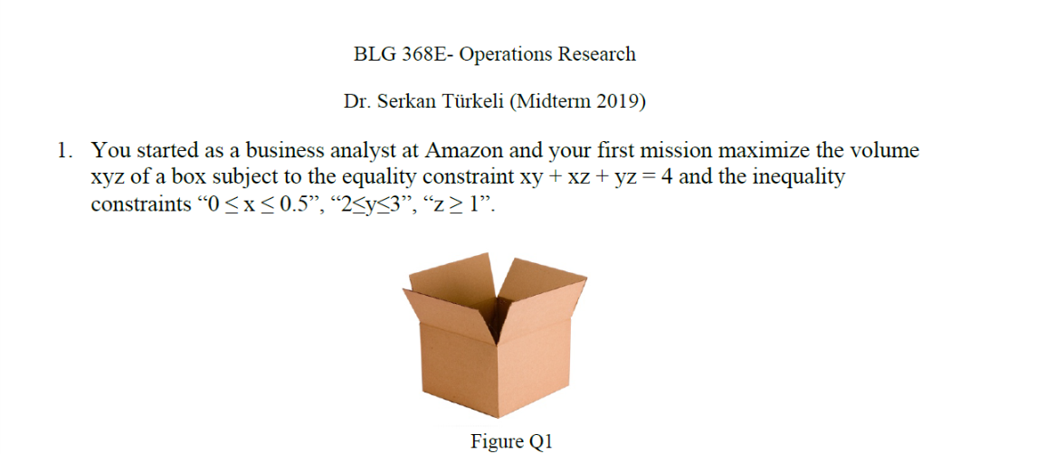

Volume | x | y | z | equality_const
1.1999999878 | 0.5 | 2 | 1.1999999878 | 3.9999999694

Q2
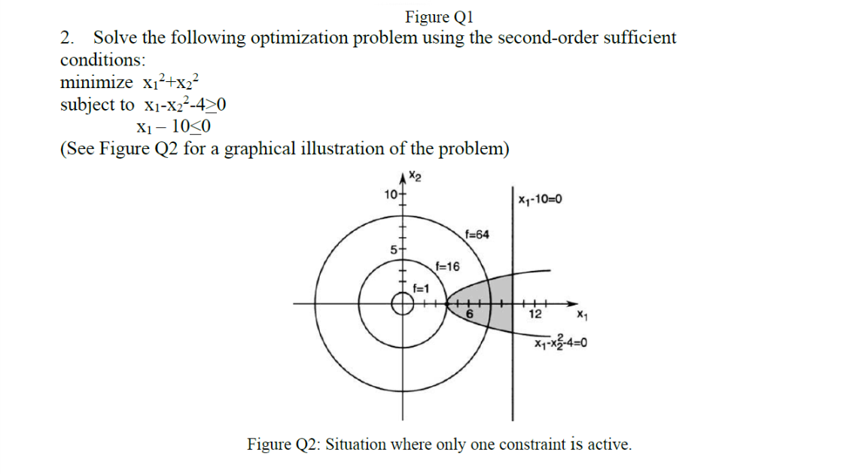

Z | x1 | x2 | x1-x2^2-4 | x1-10
16 | 4 | 0 | 0 | -6

Q3
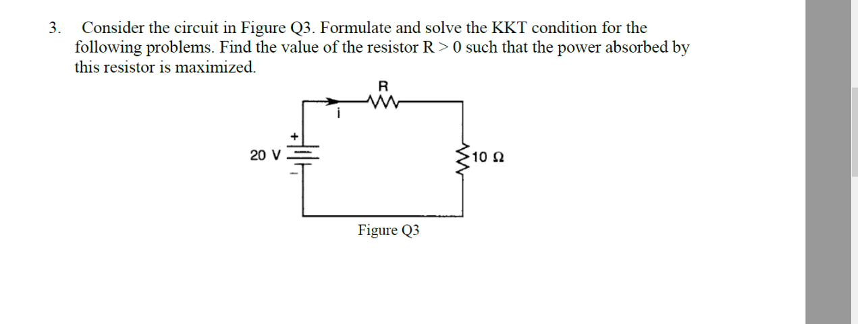
Voltage_source | R | Load | Power | i | V_load
20 | 10.000000013 | 10 | 10 | 0.99999999936 | 9.9999999936

Q4
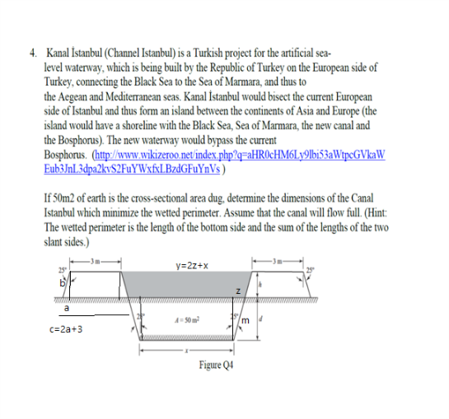

 |  |  | h |  | wetted_perimeter | a | b | c | h+d | m+b | constraint
 |  |  | 5.6880277927 |  | 22.566907716 | 2.6523709195 | 6.2760442689 | 11.304741839 | 13.582438414 | 14.986562632 | 0.90630778704

 |  |  |  |  |  |  | constraint
 |  |  |  |  |  |  | 22.609483678

Sin65 | Cos65 | Tan65 |  | A | x | y | d | z | m
0.90630778704 | 0.42261826174 | 2.1445069205 |  | 50 | 2.6523709195 | 10.014819178 | 7.8944106213 | 3.6812241293 | 8.7105183627

 |  |  | Equality_constraint
 |  |  | 50.000000024

 |  |  |  | Flow_area
 |  |  |  | 50

 |  |  | Description is given on the image

