Q1
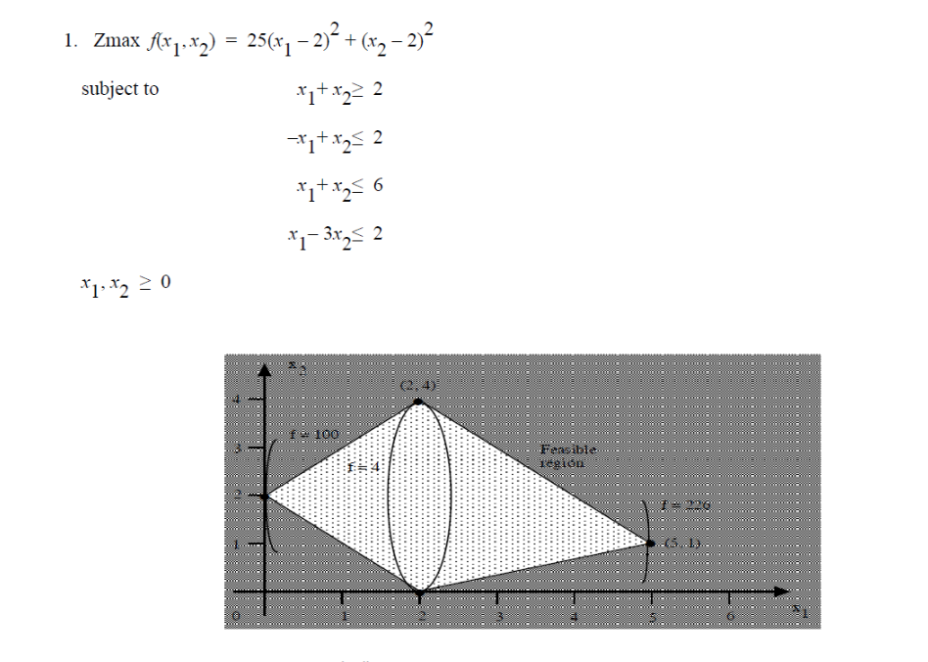
 |  |  | Constraints expression | Constraints value | Zmax
x1 | x2 | First const | 2 | 2 | 100
0 | 2 | Second const | 2 | 2
 |  | Third const | 2 | 6
 |  | Fourth const | -6 | 2
 |  | Fifth Const | 0 | 0
 |  | sixth Const | 2 | 0

 |  |  | By:
 |  |  | Mustafa Ghanim

Q2
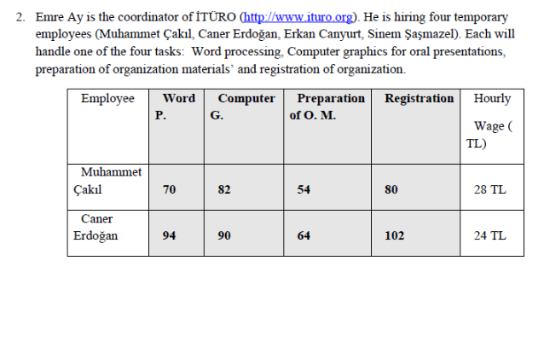
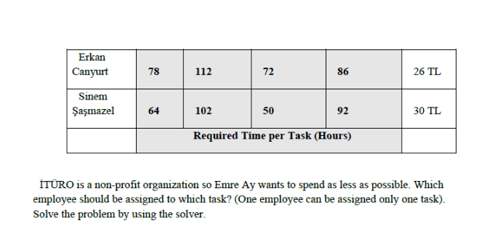

Persons | Tasks |  |  |  | Wages/hour
 | Word | Computer | Preparation | Reg
Muh Cakil | 70 | 82 | 54 | 80 | TRL 28.00
Caner Erd | 94 | 90 | 64 | 102 | TRL 24.00
Erkan Can | 78 | 112 | 72 | 86 | TRL 26.00
Sinem Sas | 64 | 102 | 50 | 92 | TRL 30.00

 | Word | Computer | Preparation | Reg | Sum | Sum Product of hours * Each persons wage per hour
Muh Cakil | 0 | 0 | 1 | 0 | 1 | 1512
Caner Erd | 0 | 1 | 0 | 0 | 1 | 2160
Erkan Can | 0 | 0 | 0 | 1 | 1 | 2236
Sinem Sas | 1 | 0 | 0 | 0 | 1 | 1920
Sum | 1 | 1 | 1 | 1

Total Cost | TRL 7,828.00

Q3
r | R | h | Vsphere | Vcylinder
2.828427303 | 3.4641018012 | 4 | 174.12476703 | 100.53097758

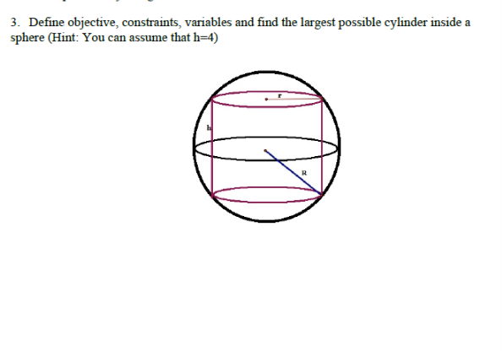
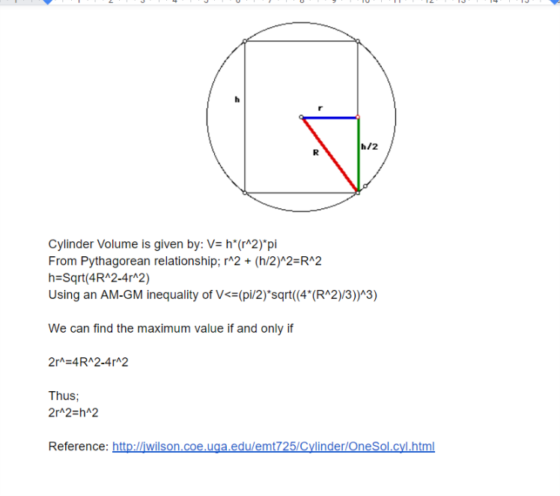
Pythagorean Constraint
12.000001008 | 12.000001289
AM-GM inequality Constraint
100.53098112 | 100.53097758
Maximaziation Constraint for r and R
48.000006049 | 48.000005157

Reference: http://jwilson.coe.uga.edu/emt725/Cylinder/OneSol.cyl.html

