Advanced concepts
Code-Splitting | dynamic import() | import { add } from './math'; console.log(add(16, 26)); | import("./math").then(math => { console.log(math.add(16, 26)); });
 | React.lazy | import OtherComponent from './OtherComponent'; | const OtherComponent = React.lazy(() => import('./OtherComponent'));
 | Route-based code splitting | using React.lazy()
 | Named Exports

Context | When to Use Context 1. Class component | Context is designed to share data that can be considered “global” for a tree of React components, such as the current authenticated user, theme, or preferred language. | The traditional way to retrieve Context values was by wrapping the child component in the Consumer. From there, you would be able to access the value prop as props. | <UserConsumer> { props => { return <div>{props.name}</div> } } </UserConsumer>
 |  | if need to access context values outside render method | contextType, which is a static variable on the class. | static contextType = MyContext and get the value in this.context
 | 2. Function Component with hooks | if we are using functional component and hooks to access context values |  | const context = React.useContext(MyContext); and use the context later on.

 | Summary |  | 1. Use const xContext = React.createContext() to create context. 2. Pull xContext.Provider and xContext.Consumer out of xContext 3. Wrap Provider around your parent component. 4. A class can consume with static contextType = xContext 5. A functional component can consume with const x = useContext(xContext)
Render Props | This is where render props and HOCs come into play. They are nothing but ways for a component to ask what should it render. This drives code reuse even further. | When to use: 1. I want to reuse component logic. 2. When I want to abstract away imperative code to provide a easier to understand declarative API.

Higher Order Components | Concretely, a higher-order component is a function that takes a component and returns a new component. |  | ex: create() of Redux
 | not part of react API, patterns emerges from react compositional nature
 | Mixins ==>> HOC | Render Props | HOCs
 | Note that a HOC doesn’t modify the input component, nor does it use inheritance to copy its behavior. Rather, a HOC composes the original component by wrapping it in a container component. A HOC is a pure function with zero side-effects. | 1. Easy to set up 2. Less boiler plate code 3. They are also more predictable as fewer things can go wrong with updating state and passing props through. | 1. Better to compose 2. No callback hell

Redux | To manage app states. Manages a predictable state update process. It also enables time travel | Central store | Stores entire app state. Steps: 1. Import createStore from react and Provider from react-redux package. 2. Create initial state object 3. Create a reducer function. 4. Create store using createStore(reducerFn) 5. Wrap app root container in Provider passing store. The important part is the Provider component which makes the Redux store available to all its descendants. Without this component you would have to pass the store as a prop to all the components that need it. | 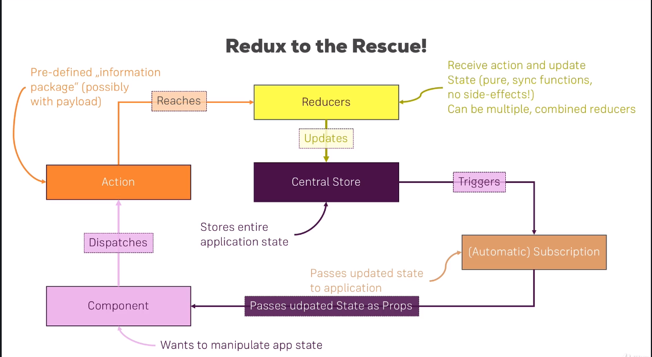

 | Principals | 1) Single source of truth | The state of your whole application is stored in an object tree within a single store.
 |  | 2) State is read-only | The only way to change the state is to emit an action, an object describing what happened.
 |  | 3) Changes are made with pure functions | To specify how the state tree is transformed by actions, you write pure reducers.

 | Store | Need to have one store

 | Actions | 1) Plain JavaScript object 2) Describes what happened

 | Reducers | Can have multiple reducers
 |  | App states which are not dependent on each other can be handled by different reducers. React will merge them in to one.

 | We can have same action handled in multiple reducers | No one to one mapping between reducer and action |  | more here

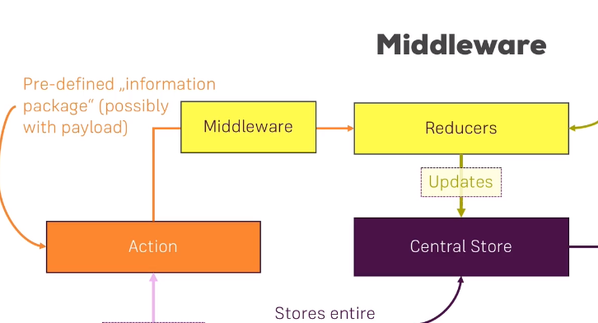
Middleware | Logging middleware | People use Redux middleware for logging, crash reporting, talking to an asynchronous API, routing, and more.
https://redux.js.org/advanced/middleware
 | API call using middleware
 | Problems solved => | 1. Logging
 |  | 2. Crash reporting: reporting JavaScript errors in production (Sentry with stack trace, action, state)
 | 1. SAGAs: Testing easy 2. Thunk: Better Security
 |  | createStore: Creates a Redux store that holds the complete state tree of your app. There should only be a single store in your app.
 |  | combineReducers: The combineReducers helper function turns an object whose values are different reducing functions into a single reducing function you can pass to createStore()
 |  | applyMiddleware(...middleware)
 |  | connect() of react redux:

refs , and frowardRefs | Ref forwarding is an opt-in feature that lets some components take a ref they receive, and pass it further down (in other words, “forward” it) to a child. | 1. We create a React ref by calling React.createRef and assign it to a ref variable. |  | 1. Regular function or class components don’t receive the ref argument, and ref is not available in props either. 2. Ref forwarding is not limited to DOM components. You can forward refs to class component instances, too.
 |  | 2. We pass our ref down to <FancyButton ref={ref}> by specifying it as a JSX attribute.
 |  | 3. React passes the ref to the (props, ref) => ... function inside forwardRef as a second argument. |  | Accessing their DOM nodes may be unavoidable for managing focus, selection, or animations.
 |  | 4. We forward this ref argument down to <button ref={ref}> by specifying it as a JSX attribute.
 |  | 5. When the ref is attached, ref.current will point to the <button> DOM node.

Error Boundaries
https://codepen.io/gaearon/pen/wqvxGa?editors=0010 |  | Use static getDerivedStateFromError() to render a fallback UI after an error has been thrown. Use componentDidCatch() to log error information.

Flow of React App | Under the hood, Create React App uses Webpack with html-webpack-plugin. | Plugin that simplifies creation of HTML files to serve your bundles
 | first module | index.js | and it follows from it to other modules to compile them into a single bundle
 | 1. It reads index.js 2. Then it goes to other modules from there to bundle them. 3. Webpack provide path of bundled files to plugins including our HWP 4. HWP inject these bundle into script tags in Public/Index.js template file. 5.
 | registerServiceWorker.js | It's all about adding offline capabilities to your site. |  | more here
 |  | React creates a service worker for you without your configuration by default.

Accessibility | WCAG | Provides guidelines to build accessible web pages.
 | WAI-ARIA | Provides tools and guidelines for accesible JS widgets.
 | Semantic tags
 | Accesible forms | label: Should be accesible using htmlFor in JSX
 |  | Notifying the user of errors
 | Focus Control | Web application can be fully operated with the keyboard only
 |  | WEB-AIM => talks about keyboard accessiblity.
 | => Keyboard focus and focus outline | Only ever use CSS that removes this outline, for example by setting outline: 0, if you are replacing it with another focus outline implementation.
 | => Mechanisms to skip to desired content | SkipLinks, SkpiNavigationLinks Use Landmark elements and roles, such as <main> and <aside>,
 | => Programmatically managing focus | For example, by resetting keyboard focus to a button that opened a modal window after that modal window is closed.

LifecycleMethods
Method | Usecase | Example

getSnapshotBeforeUpdate(prevProps, prevState) {} | Capture the scroll position so we can adjust scroll later. Snapshot ==> value returned from getSnapshotBeforeUpdate | class ScrollingList extends React.Component { listRef = null; getSnapshotBeforeUpdate(prevProps, prevState) { // Are we adding new items to the list? // Capture the scroll position so we can adjust scroll later. if (prevProps.list.length < this.props.list.length) { return ( this.listRef.scrollHeight - this.listRef.scrollTop ); } return null; } componentDidUpdate(prevProps, prevState, snapshot) { // If we have a snapshot value, we've just added new items. // Adjust scroll so these new items don't push the old ones out of view. // (snapshot here is the value returned from getSnapshotBeforeUpdate) if (snapshot !== null) { this.listRef.scrollTop = this.listRef.scrollHeight - snapshot; } } render() { return ( <div ref={this.setListRef}> {/* ...contents... */} </div> ); } setListRef = ref => { this.listRef = ref; }; } | 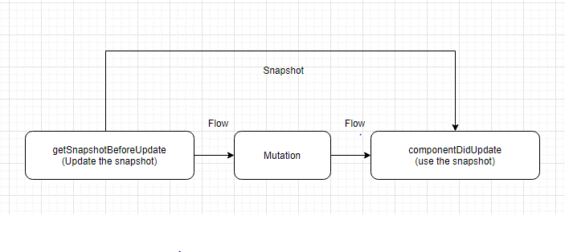

componentDidUpdate(prevProps, prevState, snapshot) {} | Use the snapshot returned by the getSnapshotBeforeUpdate and update the scroll position of refs .

static getDerivedStateFromProps(props, state) { returns Object/null; }

shouldComponentUpdate(nextProps, nextState) { return true; }

