Advanced concepts
Code-Splitting | dynamic import() | import { add } from './math'; console.log(add(16, 26)); | import("./math").then(math => { console.log(math.add(16, 26)); });
 | React.lazy | import OtherComponent from './OtherComponent'; | const OtherComponent = React.lazy(() => import('./OtherComponent'));
 | Route-based code splitting
 | Named Exports

Context | When to Use Context 1. Class component | Context is designed to share data that can be considered “global” for a tree of React components, such as the current authenticated user, theme, or preferred language. | The traditional way to retrieve Context values was by wrapping the child component in the Consumer. From there, you would be able to access the value prop as props. | <UserConsumer> { props => { return <div>{props.name}</div> } } </UserConsumer>
 |  | if need to access context values outside render method | contextType, which is a static variable on the class. | static contextType = MyContext and get the value in this.context
 | 2. Function Component with hooks | if we are using functional component and hooks to access context values |  | const context = React.useContext(MyContext); and use the context later on.

 | Summary |  | 1. Use const xContext = React.createContext() to create context. 2. Pull xContext.Provider and xContext.Consumer out of xContext 3. Wrap Provider around your parent component. 4. A class can consume with static contextType = xContext 5. A functional component can consume with const x = useContext(xContext)

Redux | To manage app states. Manages a predictable state update process. | Central store | Stores entire app state. Steps: 1. Import createStore from react and Provider from react-redux package. 2. Create initial state object 3. Create a reducer function. 4. Create store using createStore(reducerFn) 5. Wrap app root container in Provider passing store. | 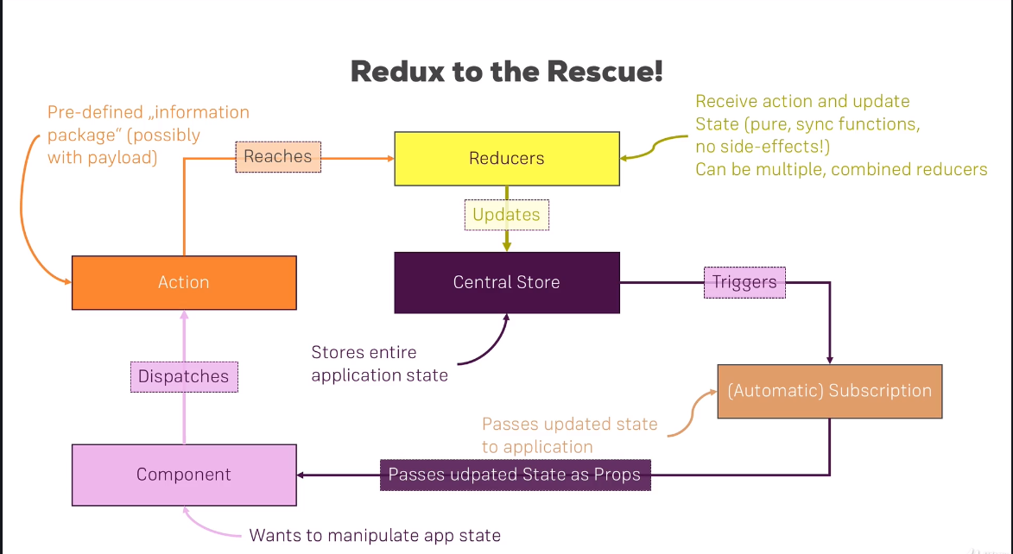

 | Store | Need to have one store

 | Actions

 | Reducers | Can have multiple reducers
 |  | App states which are not dependent on each other can be handled by different reducers. React will merge them in to one.

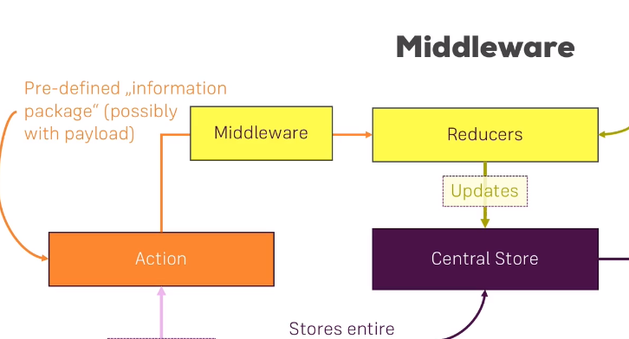
Middleware | Logging middleware

 | API call using middleware

