Copy of Navika -
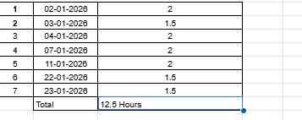
Sr. No | Date | Time | Hour
1 | 2025-03-12 | 6.30pm to 8.15pm | 1.5
2 | 2025-06-12 | 5.45pm to 7.15pm | 1.5
3 | 2025-11-12 | 6.30pm to 8.10pm | 1.5
4 | 15-12-2025 | 7.00pm to 8.40pm | 1.5
5 | 19-12-2025 | 6.40pm to 8.15pm | 1.5
6 | 25-12-2025 | 2:40pm to 4:15 pm | 1.5 | cycle =12
7 | 27-12-2025 | 6:20 pm to 7:50 pm | 1.5
8 | 2026-06-01 | 5:45 pm to 7:20 pm | 1.5
9 | 2026-08-01 | 7:05 pm to 9:15 pm | 2
 |  | Total | 14 hours

 |  |  |  |  | Vibhav Sir

