df_with_clusters_country
 |  | cluster | cluster_k3
Albania | ALB | 2 | 2 | Comments: group 3 are more developed than group 2
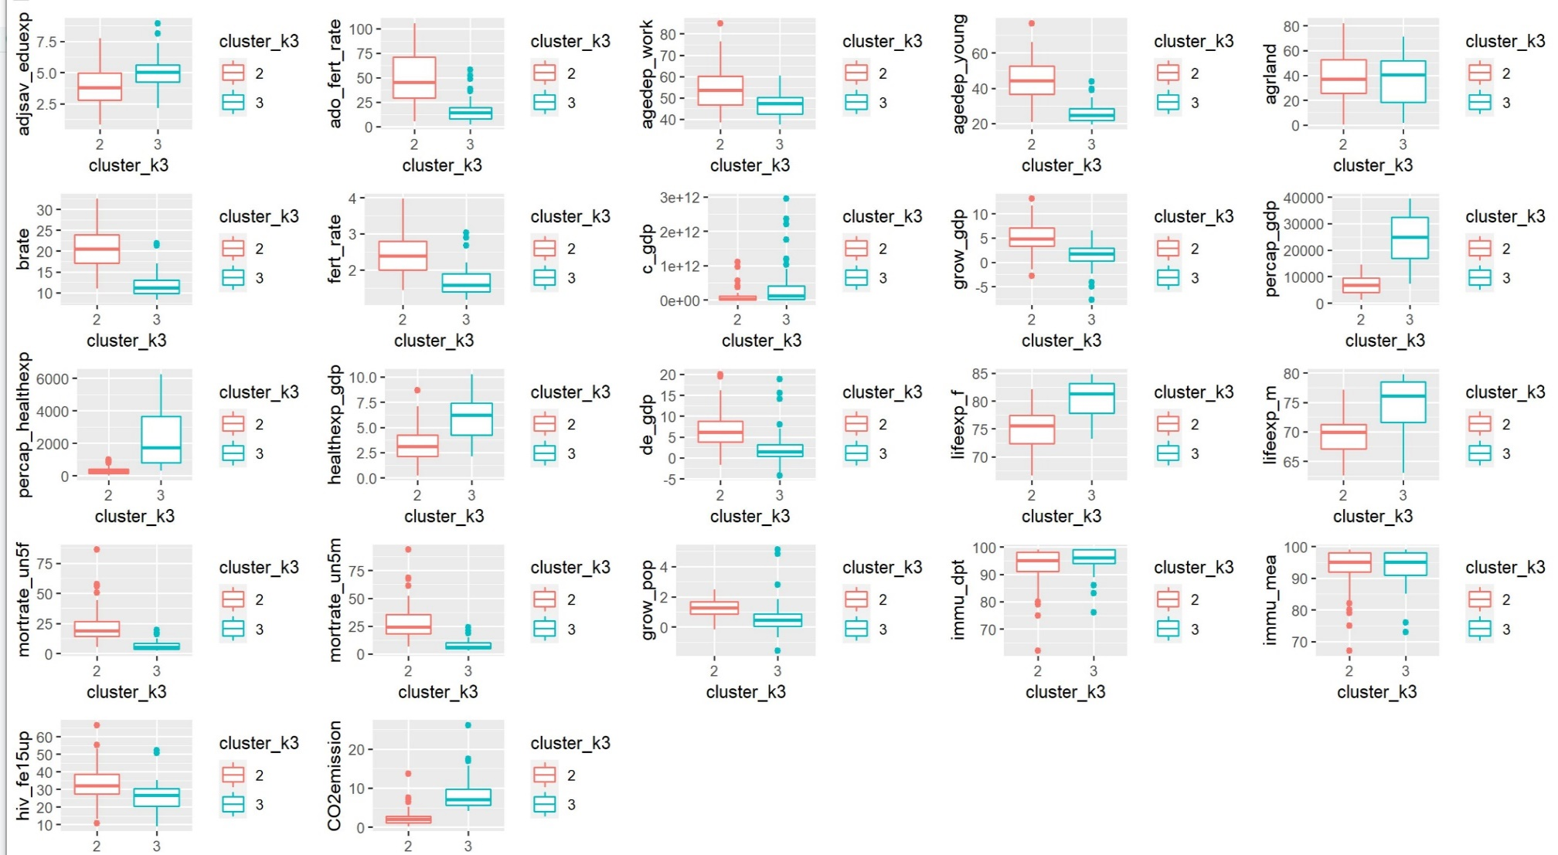
Algeria | DZA | 2 | 2
Antigua and Barbuda | ATG | 2 | 3
Argenti | ARG | 2 | 2
Armenia | ARM | 2 | 2
Australia | AUS | 2 | 3
Austria | AUT | 2 | 3
Azerbaijan | AZE | 2 | 2
Bahamas, The | BHS | 2 | 3
Bangladesh | BGD | 2 | 2
Barbados | BRB | 2 | 3
Belarus | BLR | 2 | 2
Belgium | BEL | 2 | 3
Belize | BLZ | 2 | 2
Bhutan | BTN | 2 | 2
Bolivia | BOL | 2 | 2
Bosnia and Herzegovi | BIH | 2 | 3
Brazil | BRA | 2 | 2
Bulgaria | BGR | 2 | 3
Cabo Verde | CPV | 2 | 2
Cambodia | KHM | 2 | 2
Cada? | CAN | 2 | 3
Chile | CHL | 2 | 2
Colombia | COL | 2 | 2
Costa Rica | CRI | 2 | 2
Croatia | HRV | 2 | 3
Cyprus | CYP | 2 | 3
Czech Republic | CZE | 2 | 3
Denmark | DNK | 2 | 3
Dominican Republic | DOM | 2 | 2
Ecuador | ECU | 2 | 2
Egypt, Arab Rep. | EGY | 2 | 2
El Salvador | SLV | 2 | 2
Estonia | EST | 2 | 3
Fiji | FJI | 2 | 2
Finland | FIN | 2 | 3
France | FRA | 2 | 3
Georgia | GEO | 2 | 2
Germany | DEU | 2 | 3
Greece | GRC | 2 | 3
Greda | GRD | 2 | 2
Guatemala | GTM | 2 | 2
Guya | GUY | 2 | 2
Honduras | HND | 2 | 2
Hungary | HUN | 2 | 3
Iceland | ISL | 2 | 3
Indonesia | IDN | 2 | 2
Iran, Islamic Rep. | IRN | 2 | 2
Ireland | IRL | 2 | 3
Israel | ISR | 2 | 3
Italy | ITA | 2 | 3
Jamaica | JAM | 2 | 2
Jordan | JOR | 2 | 2
Kazakhstan | KAZ | 2 | 2
Kiribati | KIR | 2 | 2
Korea, Rep. | KOR | 2 | 3
Kuwait | KWT | 2 | 3
Kyrgyz Republic | KGZ | 2 | 2
Latvia | LVA | 2 | 3
Lebanon | LBN | 2 | 2
Lithuania | LTU | 2 | 3
Macedonia, FYR | MKD | 2 | 3
Malaysia | MYS | 2 | 2
Maldives | MDV | 2 | 2
Malta | MLT | 2 | 3
Mauritius | MUS | 2 | 2
Mexico | MEX | 2 | 2
Moldova | MDA | 2 | 2
Mongolia | MNG | 2 | 2
Montenegro | MNE | 2 | 3
Morocco | MAR | 2 | 2
Myanmar | MMR | 2 | 2
Nepal | NPL | 2 | 2
Netherlands | NLD | 2 | 3
New Zealand | NZL | 2 | 3
Nicaragua | NIC | 2 | 2
Oman | OMN | 2 | 3
Pakistan | PAK | 2 | 2
Pama | PAN | 2 | 2
Paraguay | PRY | 2 | 2
Peru | PER | 2 | 2
Philippines | PHL | 2 | 2
Poland | POL | 2 | 3
Portugal | PRT | 2 | 3
Romania | ROM | 2 | 3
Russian Federation | RUS | 2 | 3
Serbia | SRB | 2 | 3
Seychelles | SYC | 2 | 3
Slovak Republic | SVK | 2 | 3
Slovenia | SVN | 2 | 3
Spain | ESP | 2 | 3
Sri Lanka | LKA | 2 | 2
St. Lucia | LCA | 2 | 2
St. Vincent and the Gredines | VCT | 2 | 2
Surime | SUR | 2 | 2
Sweden | SWE | 2 | 3
Syrian Arab Republic | SYR | 2 | 2
Tajikistan | TJK | 2 | 2
Thailand | THA | 2 | 2
Tonga | TON | 2 | 2
Trinidad and Tobago | TTO | 2 | 3
Tunisia | TUN | 2 | 2
Turkey | TUR | 2 | 2
United Kingdom | GBR | 2 | 3
Uruguay | URY | 2 | 2
Vietm | VNM | 2 | 2

Sheet1
Variable | Mean of Cluster 1 | Mean of Cluster 2
GDP | 21,480,832,920 | 235,212,552,272
GDP Growth | 5.87 | 3.41
GDP per capita | 2,204.46 | 14098.43
Health expenditure per capita | 83.54 | 1145.92
Health expenditure - public | 2.9 | 4.39
Inflation | 9.25 | 4.95
CO2 Emission | 0.71 | 4.96

Health expenditure per capita

Sheet2
Health of People
 | Cluster 1 | Cluster 2
brate | 36.4 | 16.9
immu_dpt | 77.88 | 93.75
immu_mea | 74.89 | 93.37
hiv_fe15up | 55.04 | 29.88

