Sheet1
GA-100-25 | GA-100-35 | GA-100-36 | GA-125-25 | GA-125-35 | GA-125-36
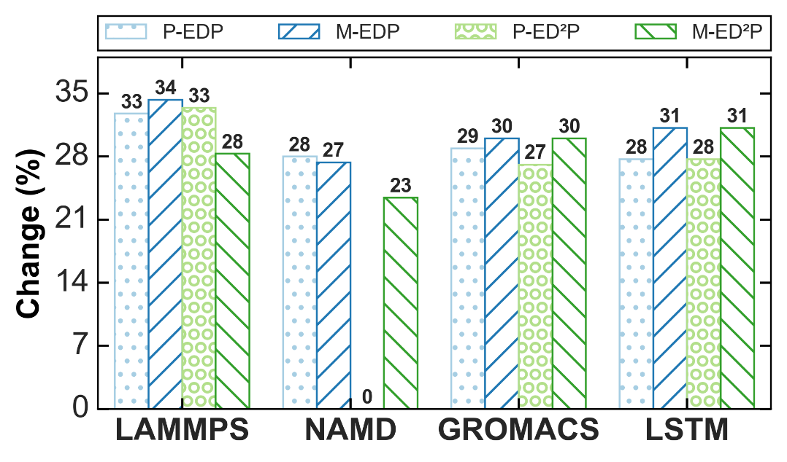 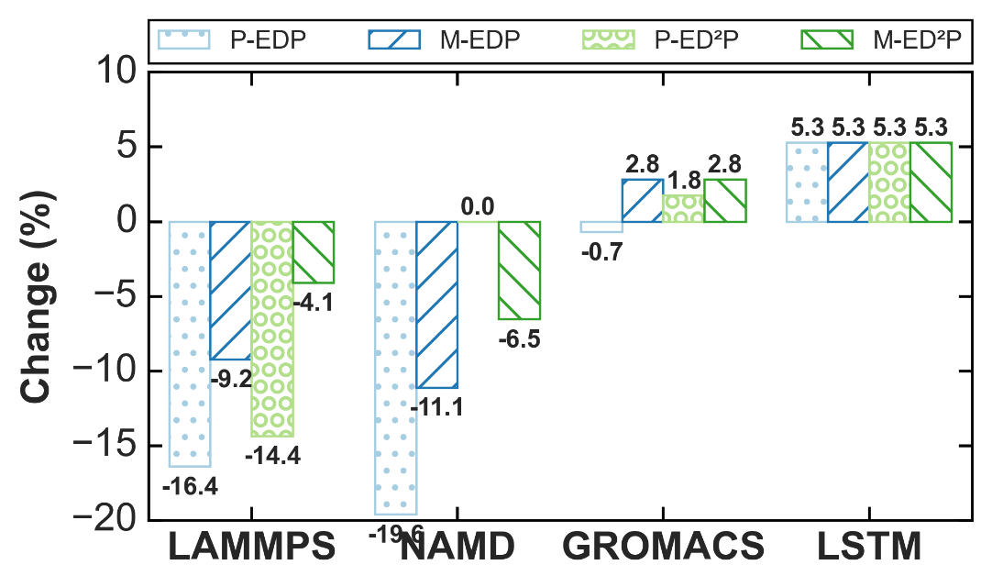 | 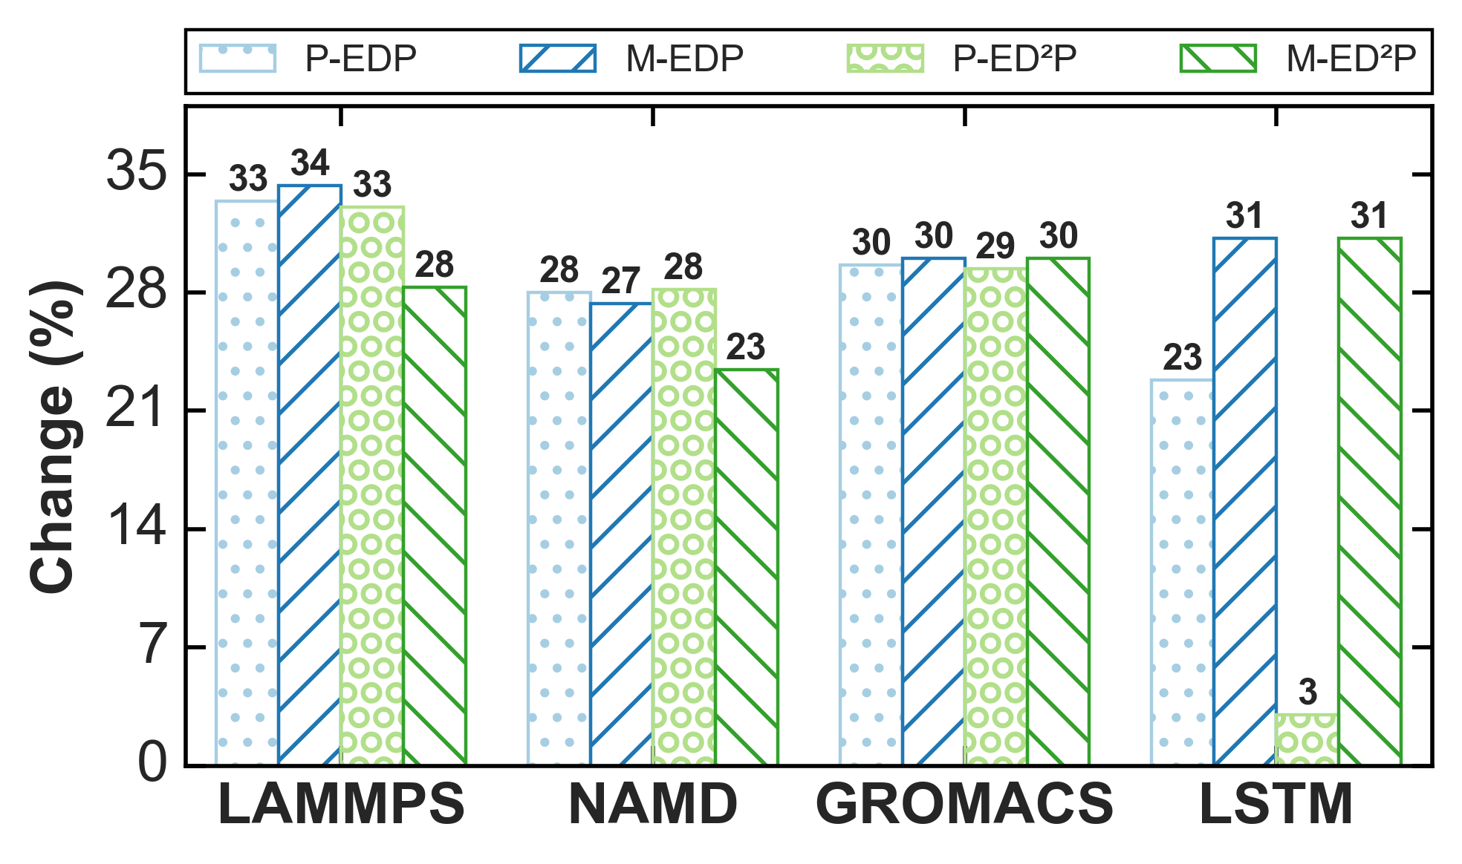 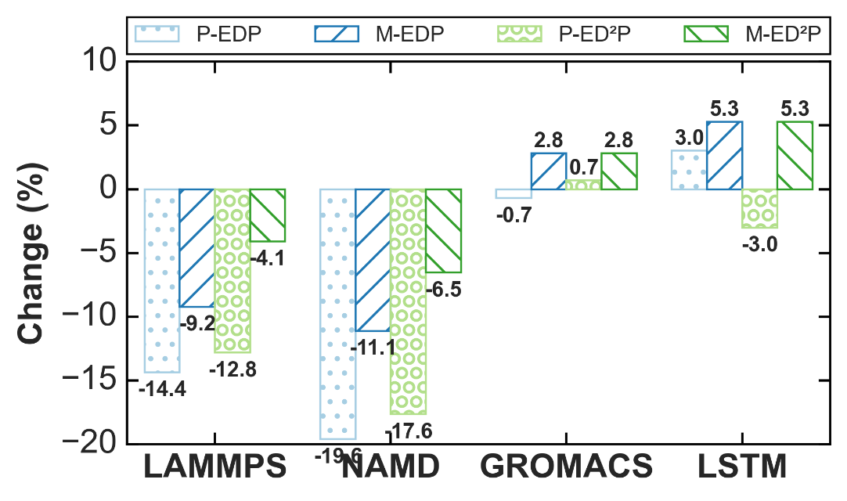 | 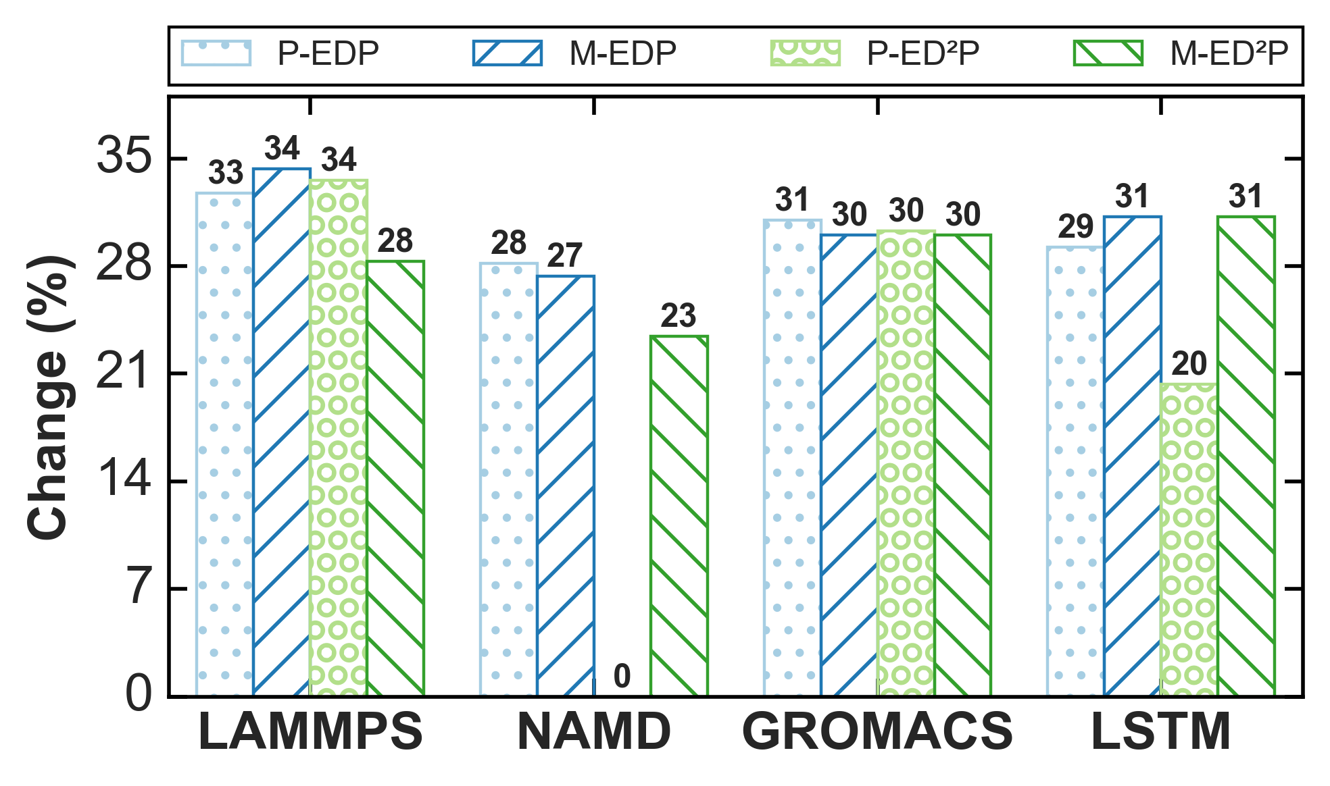 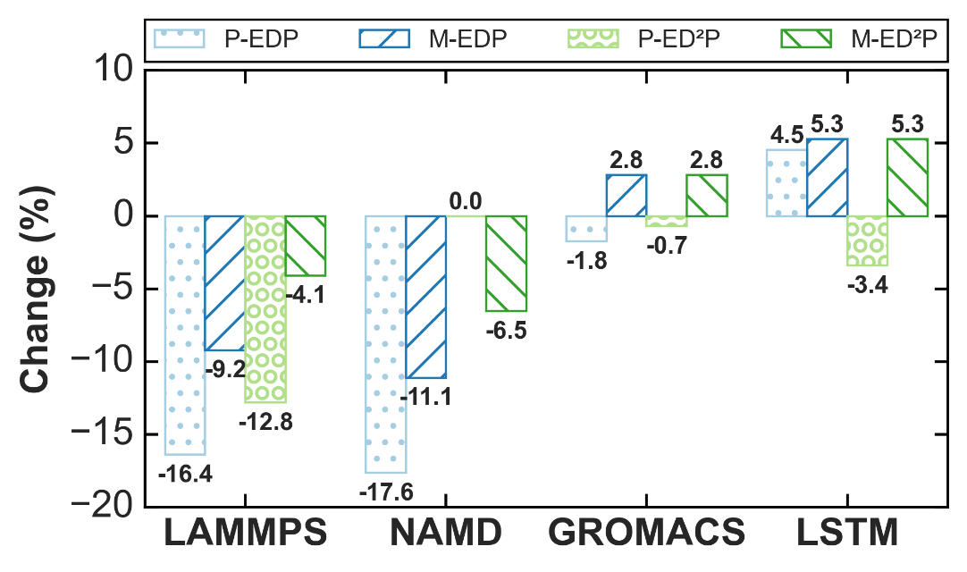 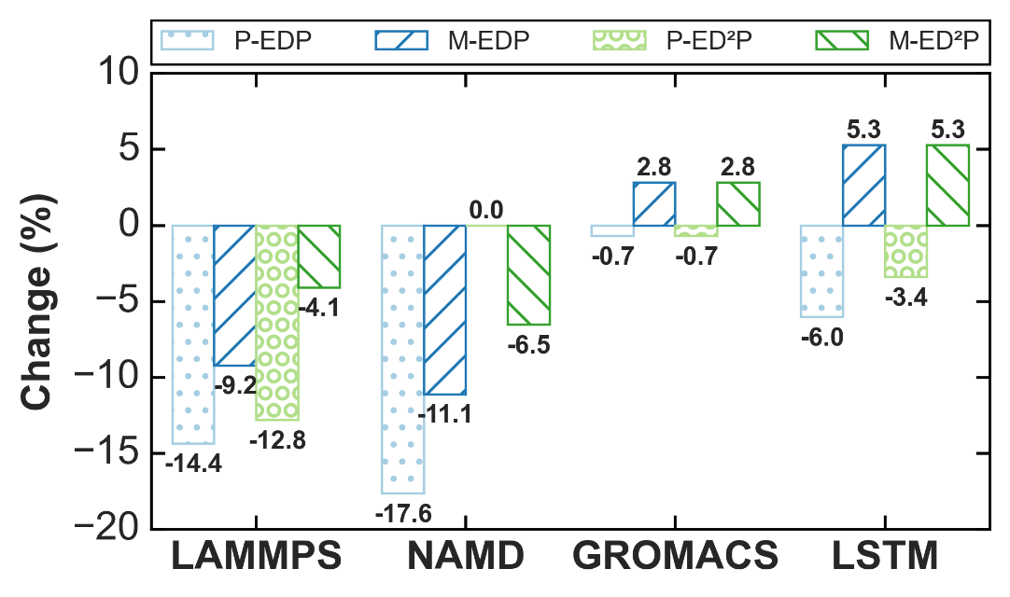 | 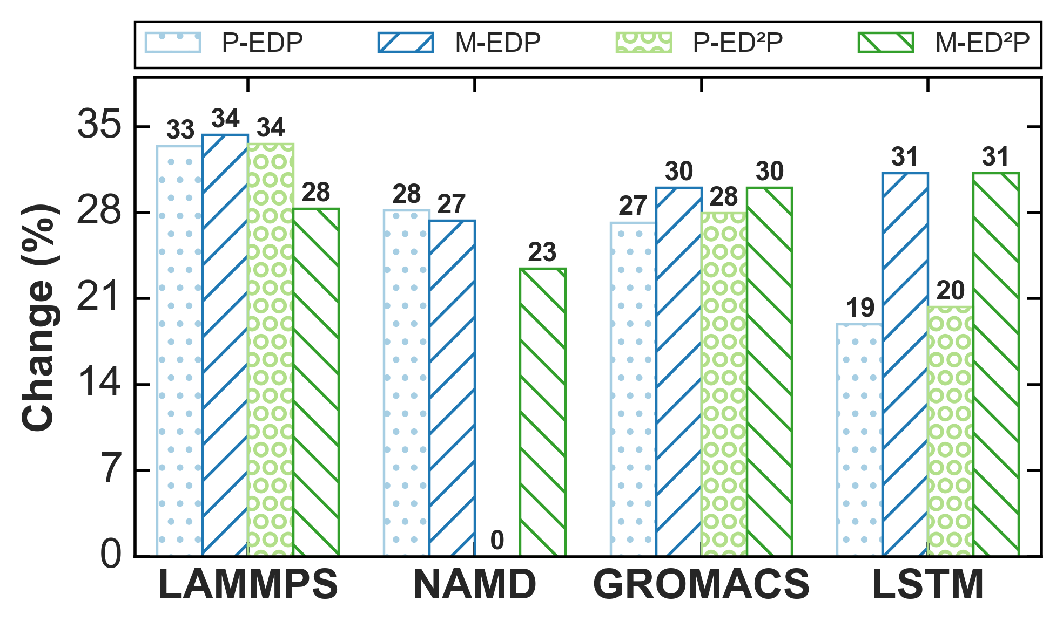 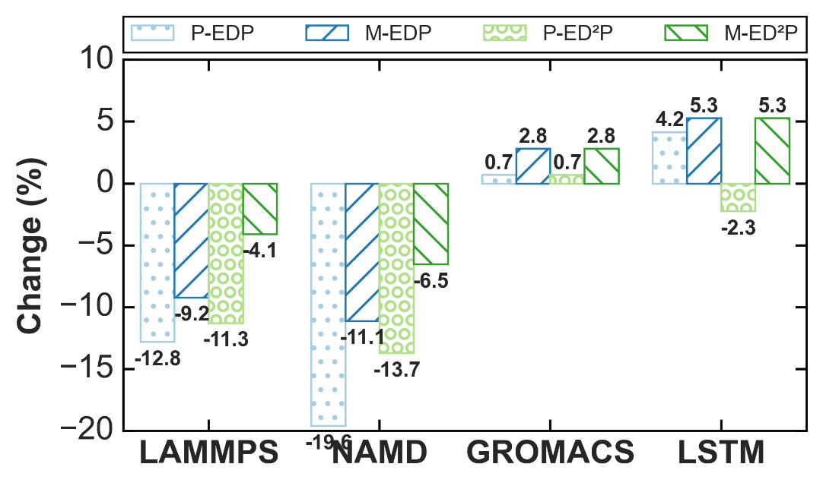 | 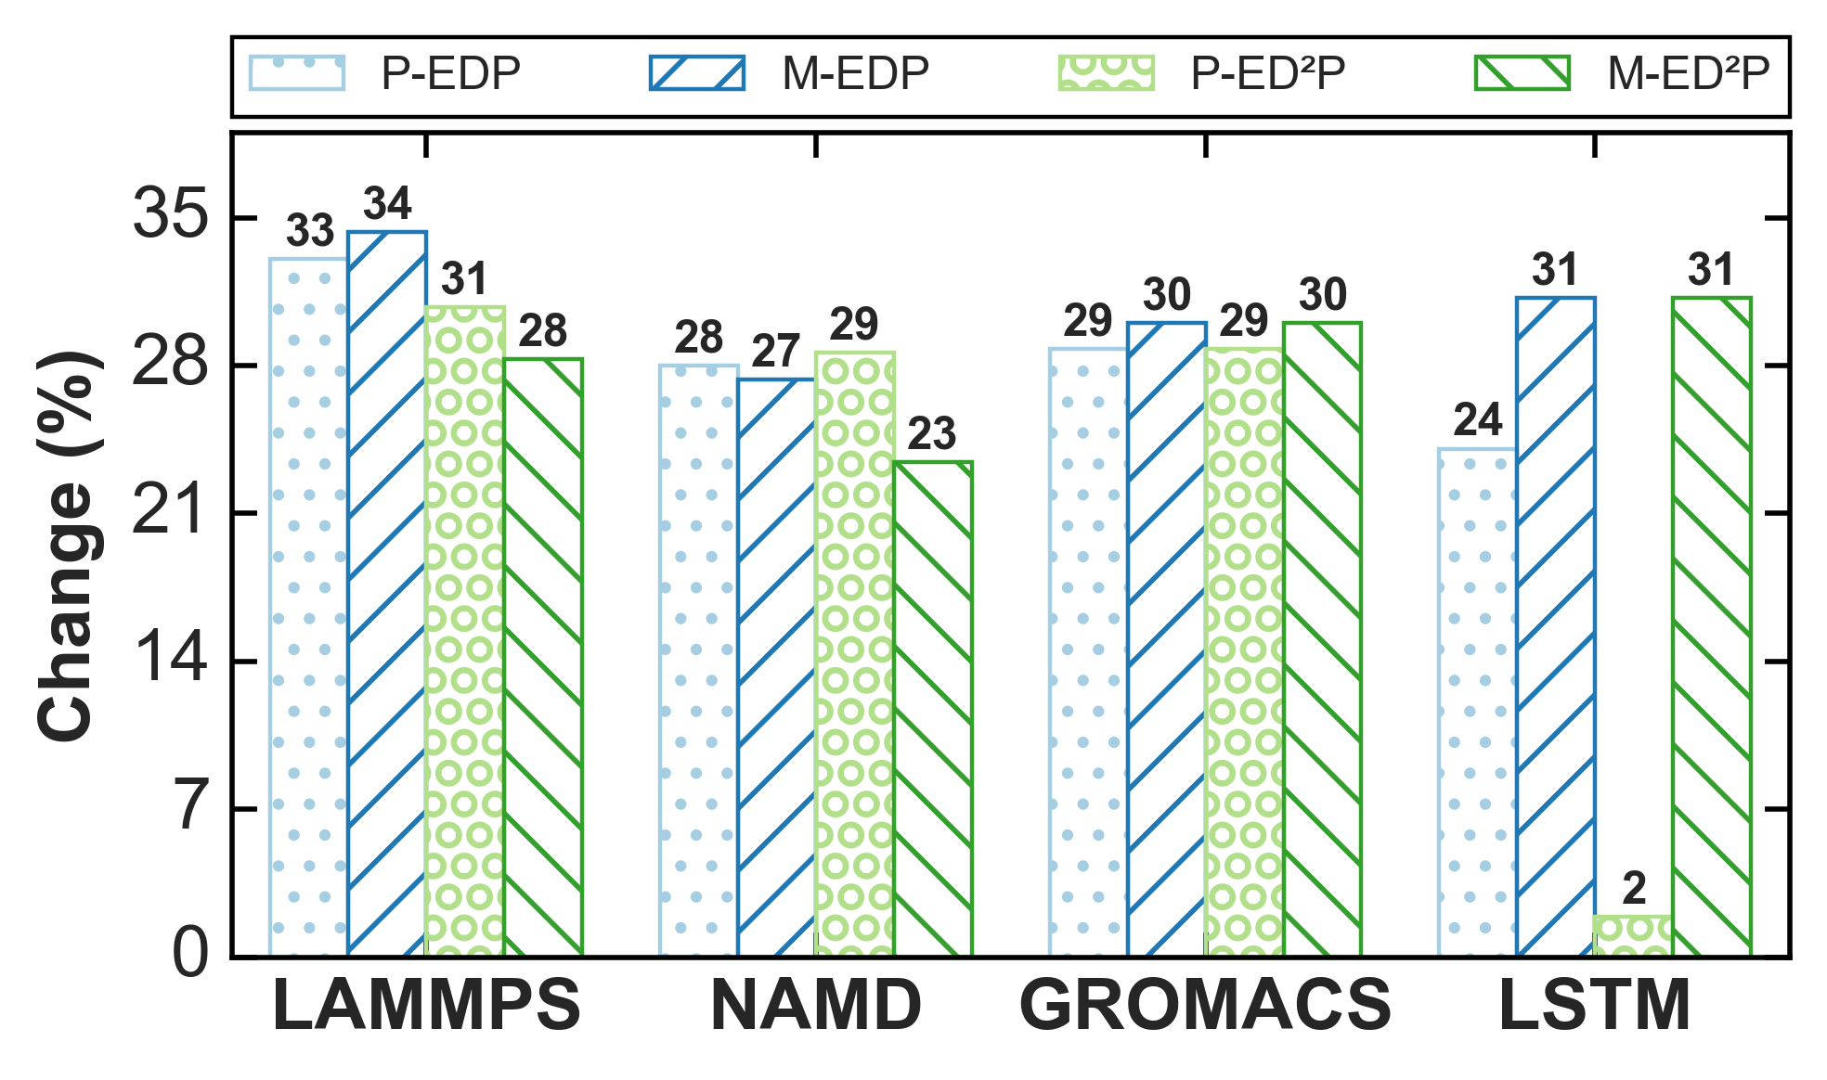 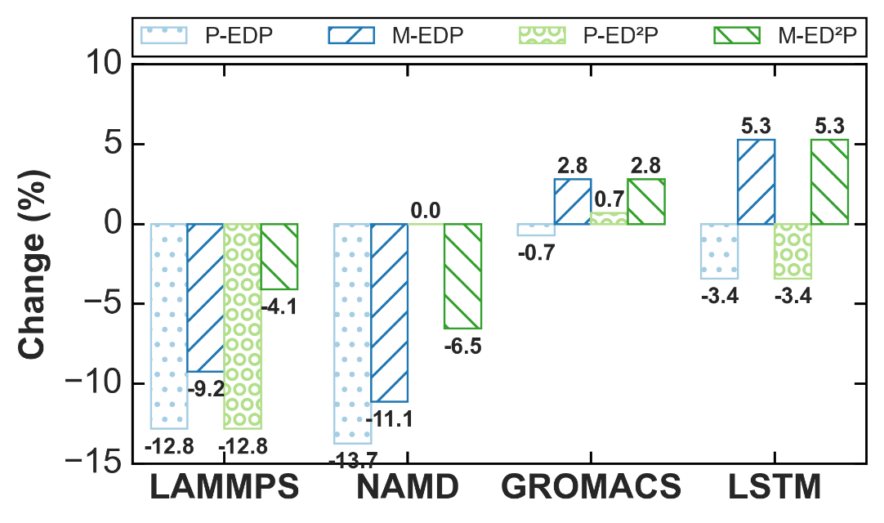 | 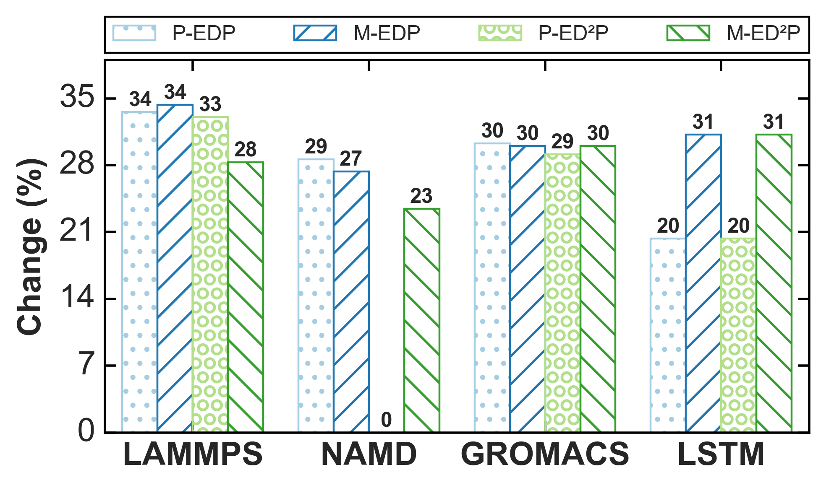
Power: {'NAMD': [96.8], 'LAMMPS': [96.5], 'GROMACS': [97.5], 'LSTM': [98.2]} Performance: {'NAMD': [98.1], 'LAMMPS': [96.2], 'GROMACS': [88.7], 'LSTM': [95.4]} | Performance: {'NAMD': [97.3], 'LAMMPS': [96.7], 'GROMACS': [95.1], 'LSTM': [93.9]} | Performance: {'NAMD': [97.3], 'LAMMPS': [96.9], 'GROMACS': [98.4], 'LSTM': [96.7]} | Power: {'NAMD': [97.9], 'LAMMPS': [98.0], 'GROMACS': [98.1], 'LSTM': [98.6]} {'NAMD': [98.1], 'LAMMPS': [96.2], 'GROMACS': [88.7], 'LSTM': [95.4]} | Performance: {'NAMD': [97.3], 'LAMMPS': [96.7], 'GROMACS': [95.1], 'LSTM': [93.9]} | Performance: {'NAMD': [97.3], 'LAMMPS': [96.9], 'GROMACS': [98.4], 'LSTM': [96.7]}
*** P-EDP ES% ***: 30.08 *** P-EDP RT% ***: -5.57 *** M-EDP ES% ***: 31.33 *** M-EDP RT% ***: -1.45 ***P-ED2P ES% ***: 23.6 *** P-ED2P RT% ***: -1.0 ***M-ED2P ES% ***: 28.01 *** M-ED2P RT% ***: 0.45 | *** P-EDP ES% ***: 29.77 *** P-EDP RT% ***: -5.79 *** M-EDP ES% ***: 31.33 *** M-EDP RT% ***: -1.45 ***P-ED2P ES% ***: 26.67 *** P-ED2P RT% ***: -6.46 ***M-ED2P ES% ***: 28.01 *** M-ED2P RT% ***: 0.45 | *** P-EDP ES% ***: 30.8 *** P-EDP RT% ***: -5.79 *** M-EDP ES% ***: 31.33 *** M-EDP RT% ***: -1.45 ***P-ED2P ES% ***: 23.27 *** P-ED2P RT% ***: -4.01 ***M-ED2P ES% ***: 28.01 *** M-ED2P RT% ***: 0.45 | *** P-EDP ES% ***: 28.69 *** P-EDP RT% ***: -8.13 *** M-EDP ES% ***: 31.33 *** M-EDP RT% ***: -1.45 ***P-ED2P ES% ***: 22.76 *** P-ED2P RT% ***: -4.01 ***M-ED2P ES% ***: 28.01 *** M-ED2P RT% ***: 0.45 | *** P-EDP ES% ***: 29.62 *** P-EDP RT% ***: -4.68 *** M-EDP ES% ***: 31.33 *** M-EDP RT% ***: -1.45 ***P-ED2P ES% ***: 25.54 *** P-ED2P RT% ***: -5.23 ***M-ED2P ES% ***: 28.01 *** M-ED2P RT% ***: 0.45 | *** P-EDP ES% ***: 29.75 *** P-EDP RT% ***: -6.35 *** M-EDP ES% ***: 31.33 *** M-EDP RT% ***: -1.45 ***P-ED2P ES% ***: 22.8 *** P-ED2P RT% ***: -3.56 ***M-ED2P ES% ***: 28.01 *** M-ED2P RT% ***: 0.45
GV-100-25 | GV-100-35 | GV-100-36 | GV-125-25 | GV-125-35 | GV-125-36
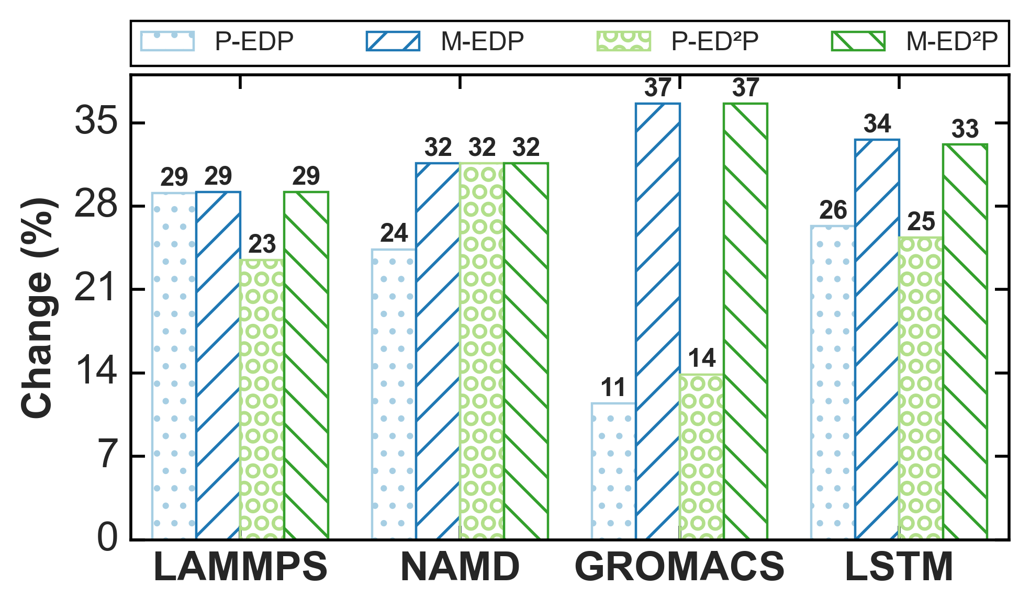 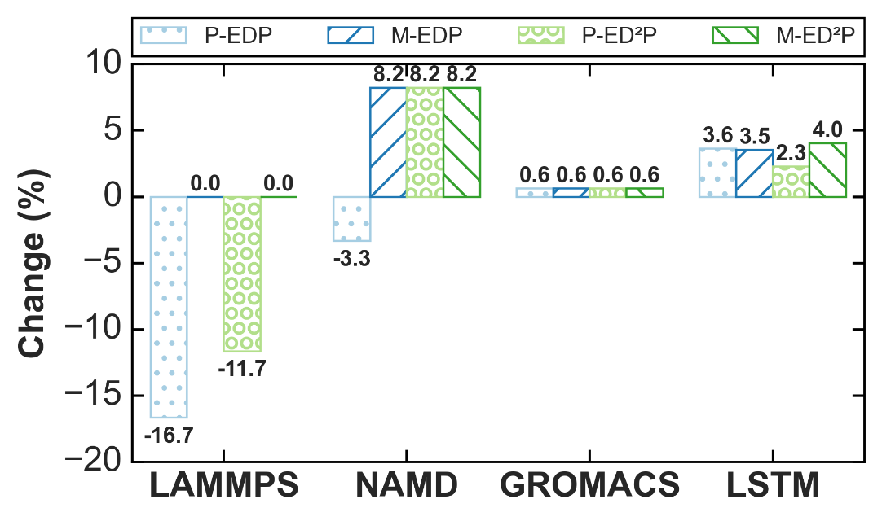 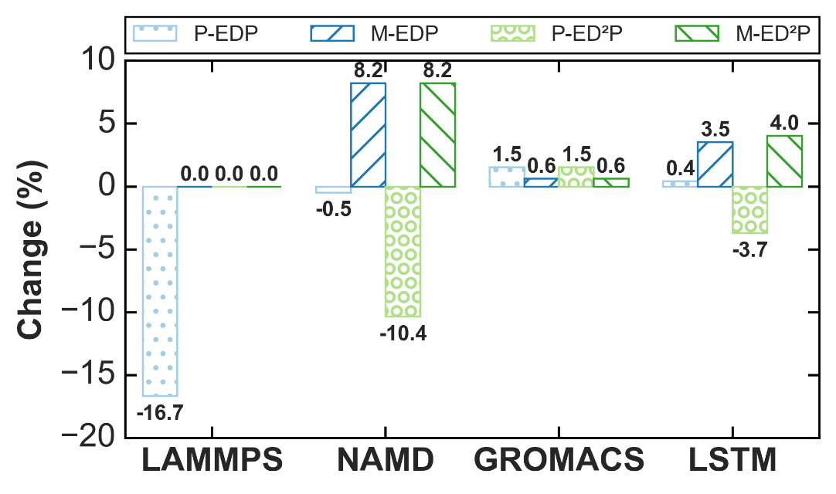 | 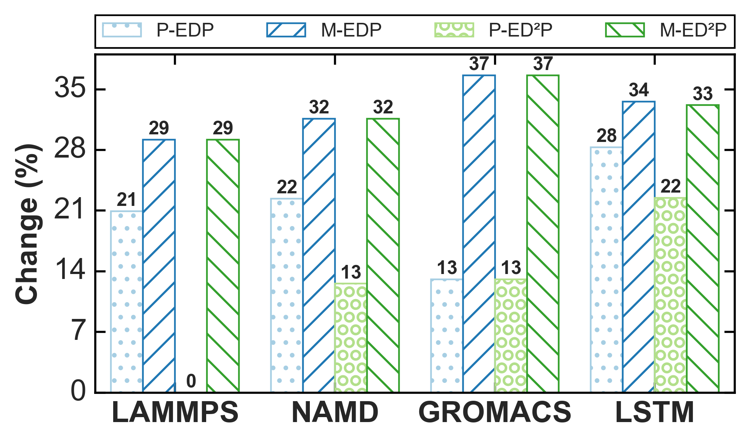 | 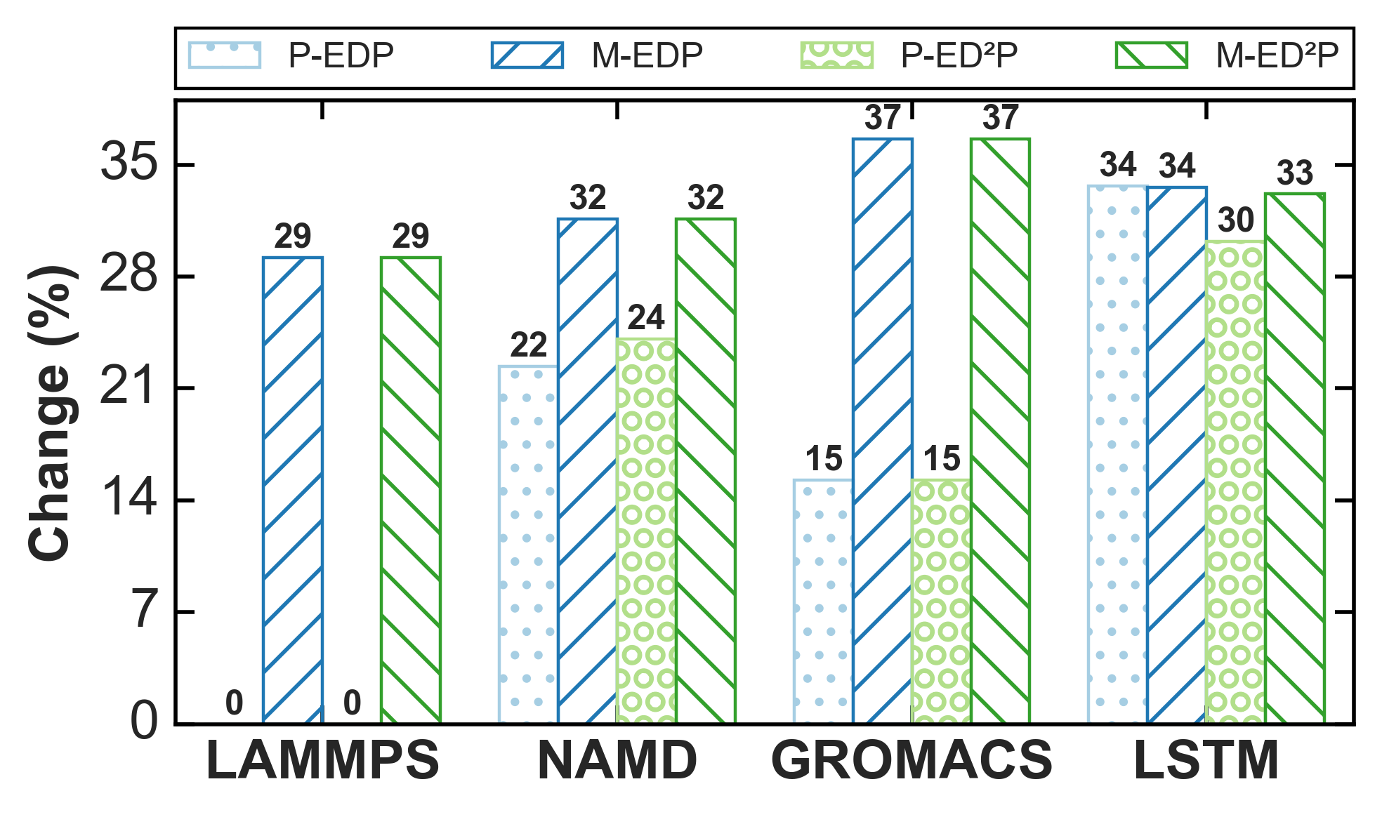 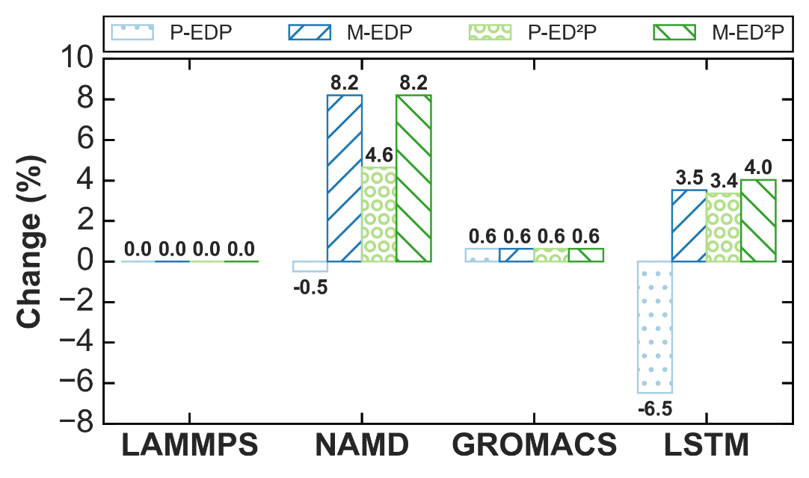 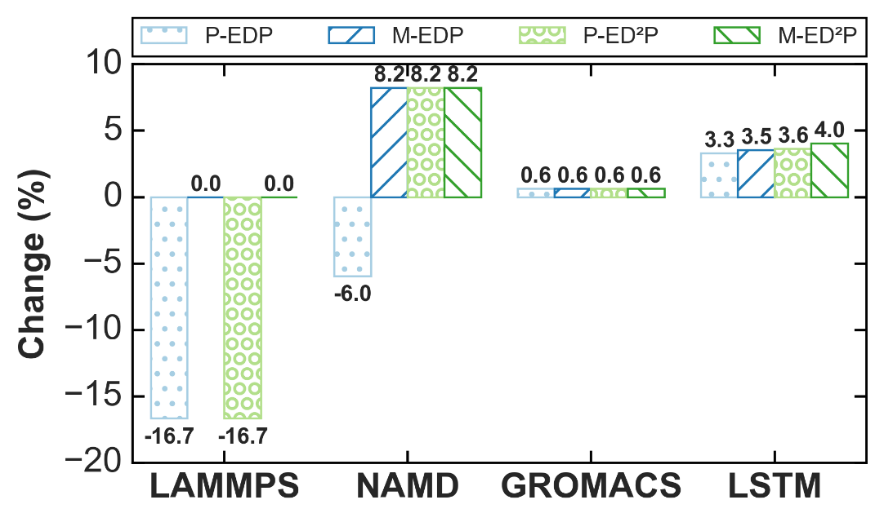 | 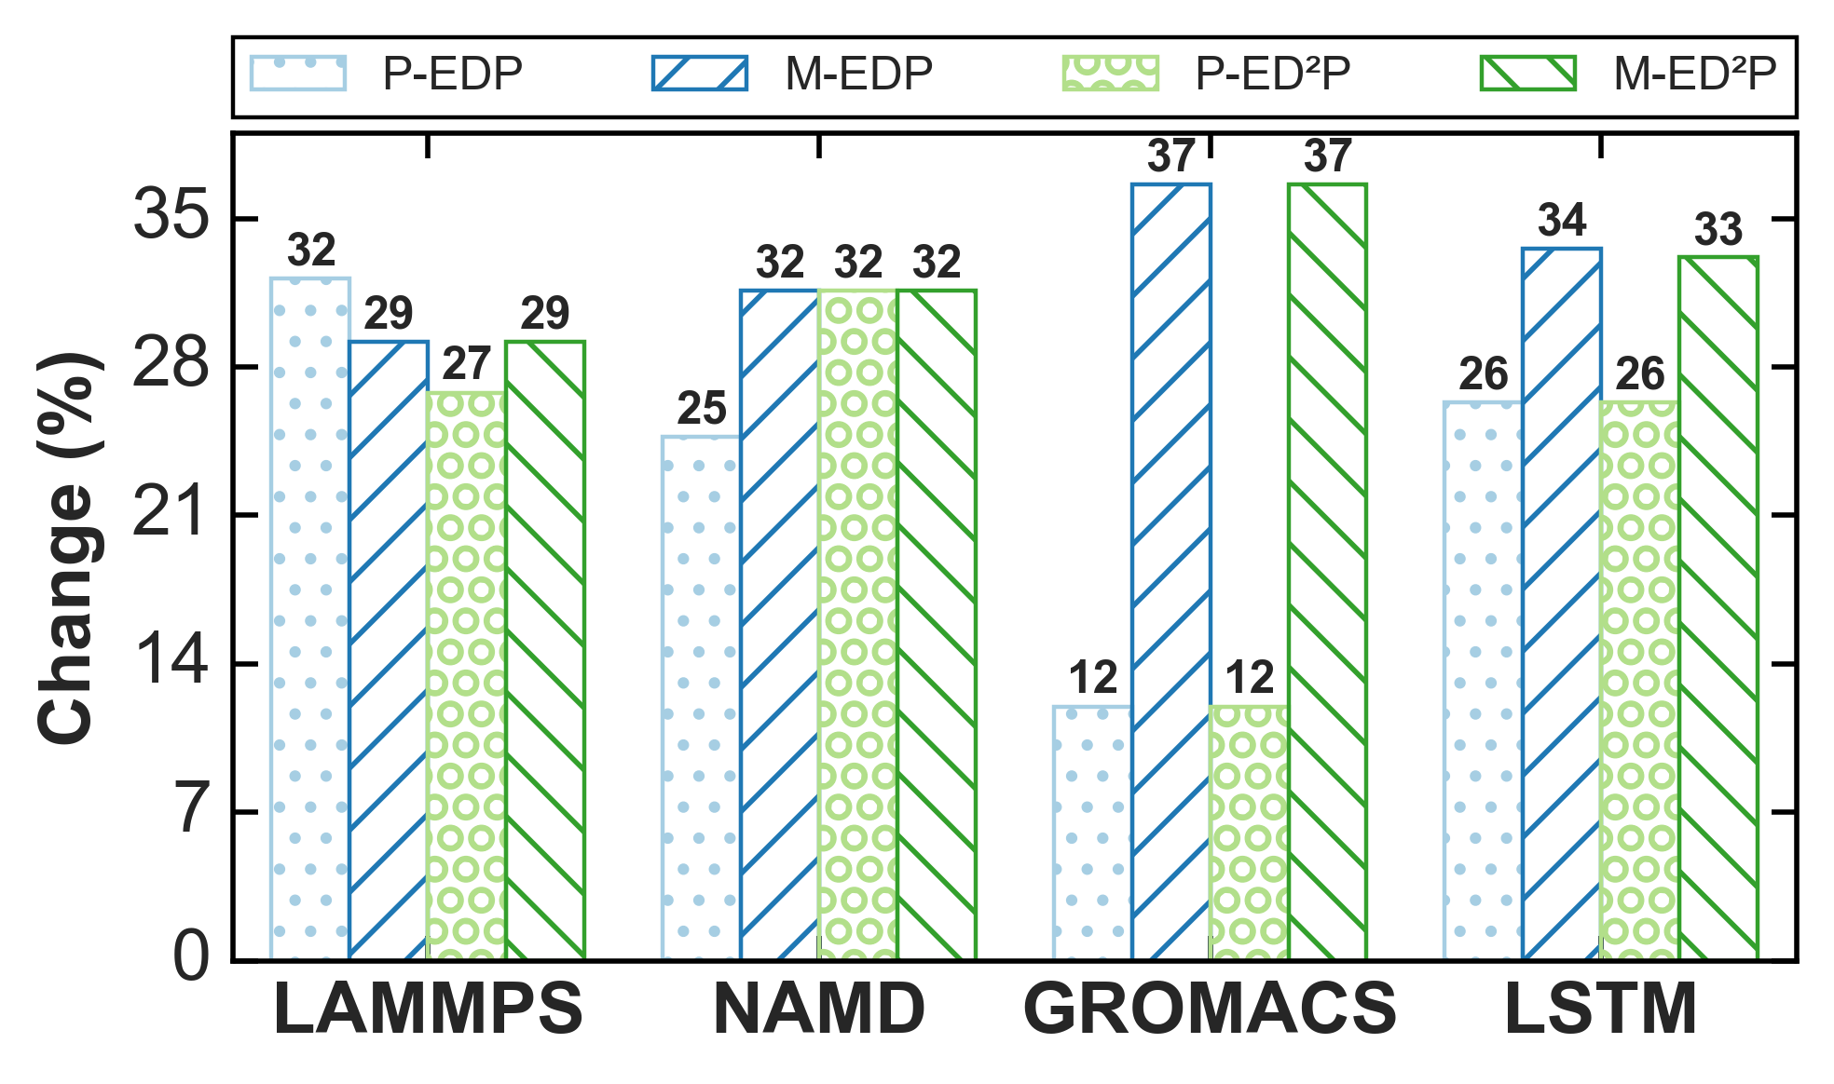 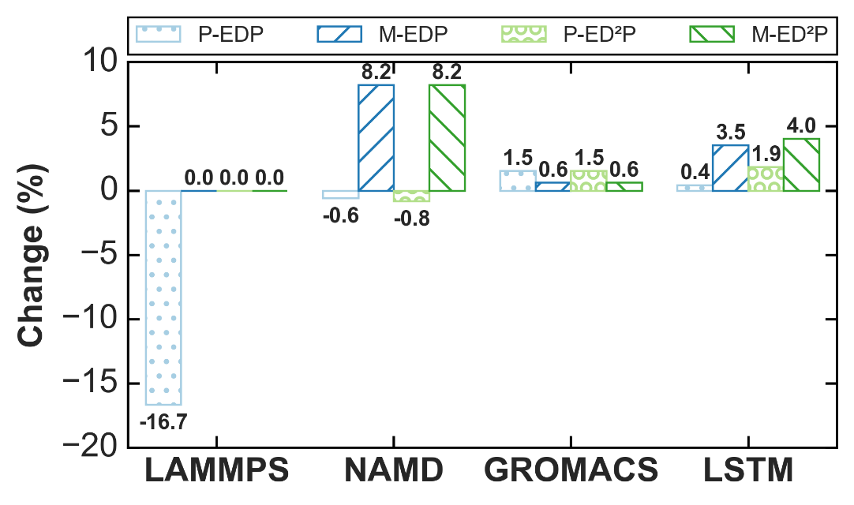 | 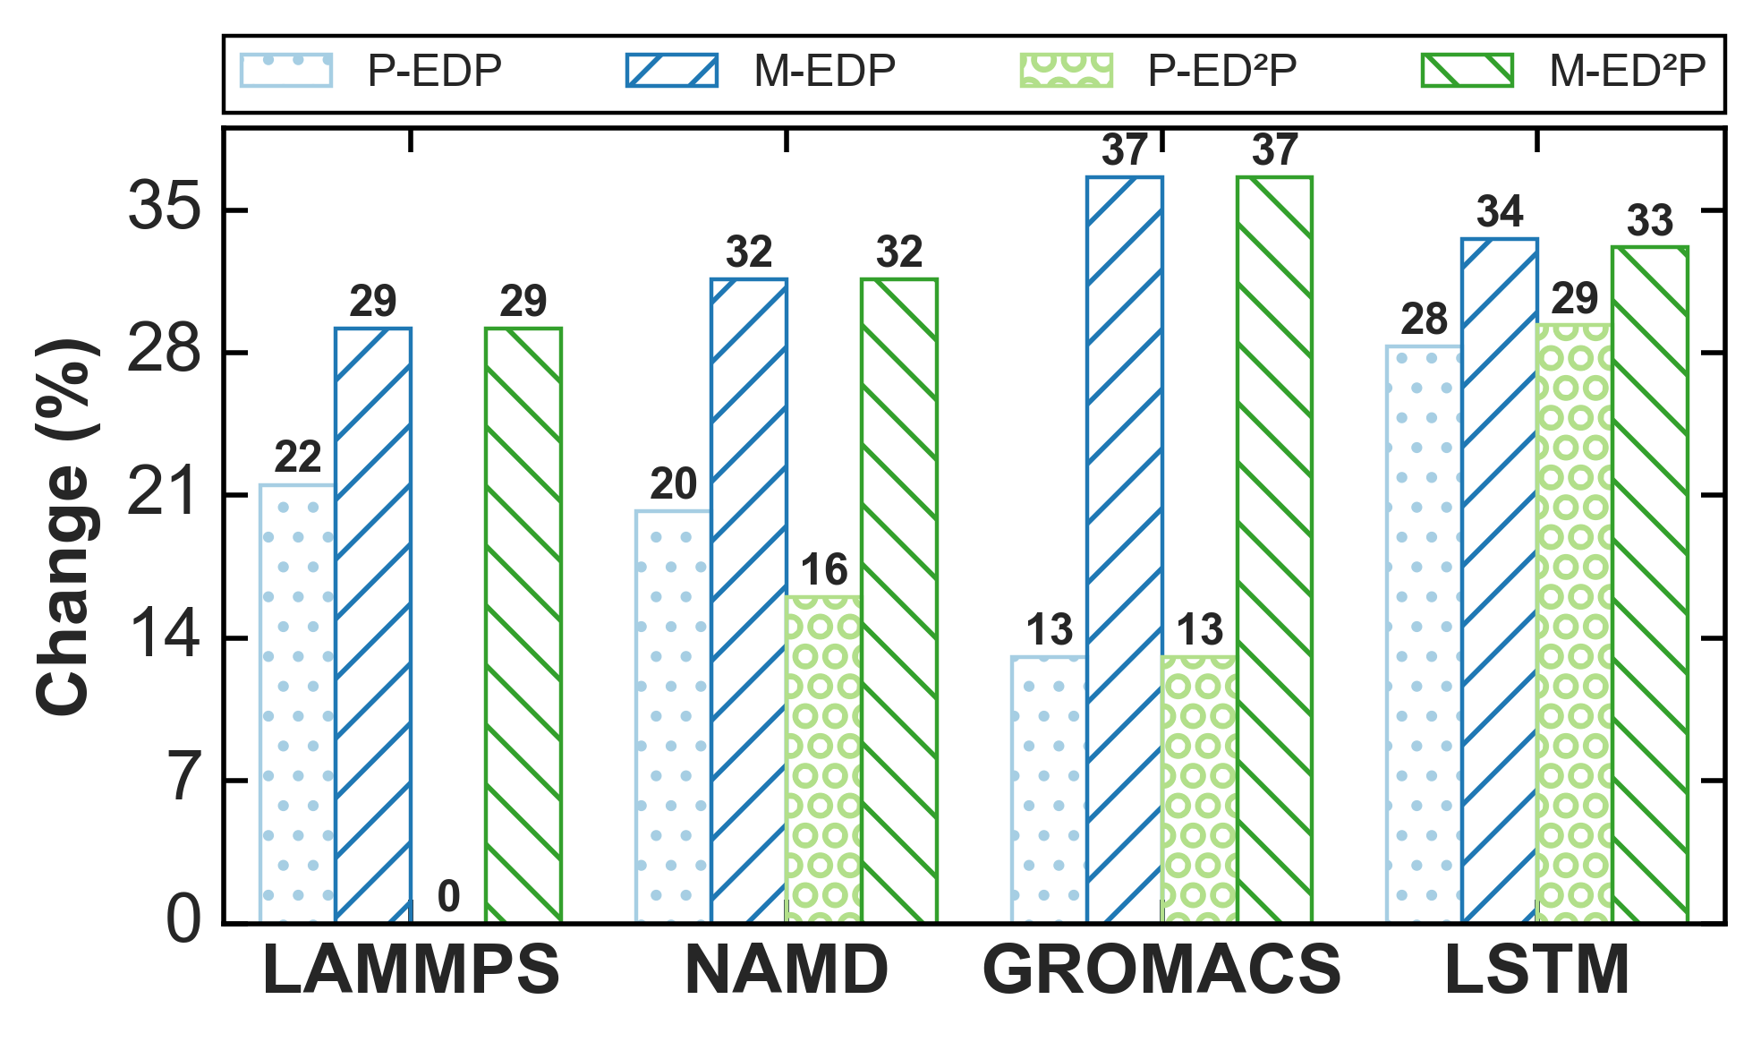 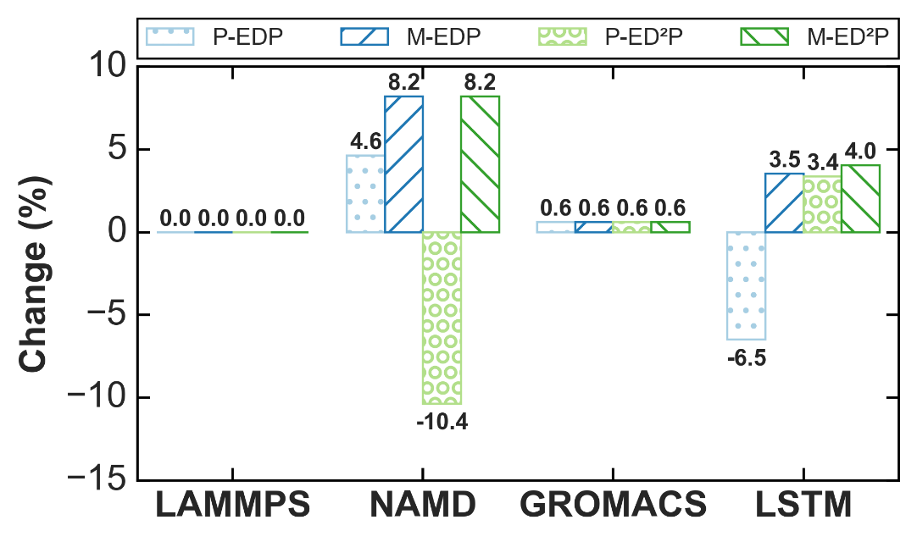 | 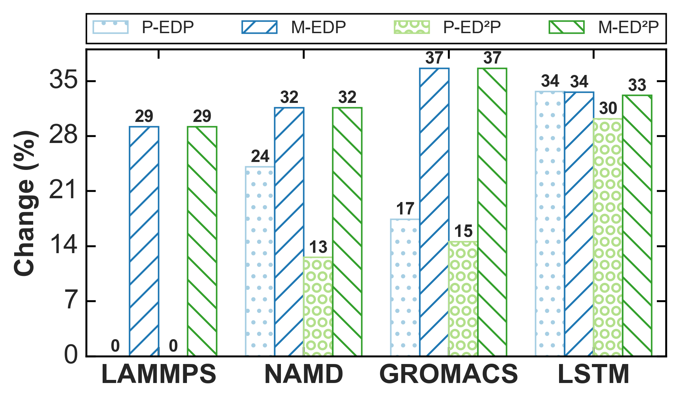
Power: {'NAMD': [96.5], 'LAMMPS': [94.9], 'GROMACS': [95.1], 'LSTM': [98.6]} Performance: {'NAMD': [94.1], 'LAMMPS': [93.4], 'GROMACS': [93.5], 'LSTM': [90.7]} | Performance: {'NAMD': [93.6], 'LAMMPS': [91.7], 'GROMACS': [95.0], 'LSTM': [97.9]} | Performance: {'NAMD': [95.6], 'LAMMPS': [88.6], 'GROMACS': [91.7], 'LSTM': [93.4]} | Power: {'NAMD': [96.2], 'LAMMPS': [92.3], 'GROMACS': [93.2], 'LSTM': [99.0]} Performance: {'NAMD': [94.1], 'LAMMPS': [93.4], 'GROMACS': [93.5], 'LSTM': [90.7]} | Performance: {'NAMD': [93.6], 'LAMMPS': [91.7], 'GROMACS': [95.0], 'LSTM': [97.9]} | Performance: {'NAMD': [95.6], 'LAMMPS': [88.6], 'GROMACS': [91.7], 'LSTM': [93.4]}
*** P-EDP ES% ***: 23.57 *** P-EDP RT% ***: 0.29 *** M-EDP ES% ***: 32.81 *** M-EDP RT% ***: 4.68 ***P-ED2P ES% ***: 26.36 *** P-ED2P RT% ***: 3.77 ***M-ED2P ES% ***: 32.66 *** M-ED2P RT% ***: 4.93 | *** P-EDP ES% ***: 23.0 *** P-EDP RT% ***: -0.17 *** M-EDP ES% ***: 32.81 *** M-EDP RT% ***: 4.68 ***P-ED2P ES% ***: 15.14 *** P-ED2P RT% ***: -5.22 ***M-ED2P ES% ***: 32.66 *** M-ED2P RT% ***: 4.93 | *** P-EDP ES% ***: 23.64 *** P-EDP RT% ***: -3.27 *** M-EDP ES% ***: 32.81 *** M-EDP RT% ***: 4.68 ***P-ED2P ES% ***: 23.19 *** P-ED2P RT% ***: 3.36 ***M-ED2P ES% ***: 32.66 *** M-ED2P RT% ***: 4.93 | *** P-EDP ES% ***: 24.03 *** P-EDP RT% ***: -0.79 *** M-EDP ES% ***: 32.81 *** M-EDP RT% ***: 4.68 ***P-ED2P ES% ***: 26.67 *** P-ED2P RT% ***: 4.31 ***M-ED2P ES% ***: 32.66 *** M-ED2P RT% ***: 4.93 | *** P-EDP ES% ***: 22.1 *** P-EDP RT% ***: -0.21 *** M-EDP ES% ***: 32.81 *** M-EDP RT% ***: 4.68 ***P-ED2P ES% ***: 19.04 *** P-ED2P RT% ***: 0.83 ***M-ED2P ES% ***: 32.66 *** M-ED2P RT% ***: 4.93 | *** P-EDP ES% ***: 24.69 *** P-EDP RT% ***: -1.49 *** M-EDP ES% ***: 32.81 *** M-EDP RT% ***: 4.68 ***P-ED2P ES% ***: 18.02 *** P-ED2P RT% ***: -1.86 ***M-ED2P ES% ***: 32.66 *** M-ED2P RT% ***: 4.93

