Sheet1
patient |  | procedure | physcian | prescribes | admit | room | appointment
patient id |  | procedure id | physcian id/employe id | prescribes id | patient id | room id | appointment id
patient name |  | procedure name | physcian name | medicen id | physcian id/employe id | room name | appointment start date time
patient address |  | procedure cost | physcian positon | medicen name | admit start time | room type | appointment end date time
patient weight |  | procedure date | physcian department name | medicen amount | admit end time | room availbilty
patient phone |  |  | physcian timing | medicen start date time | room id | room block
patient height |  |  | physcian date | medicen end date time | procedure id
physcian id |  |  | patient id |  | prescribtion id

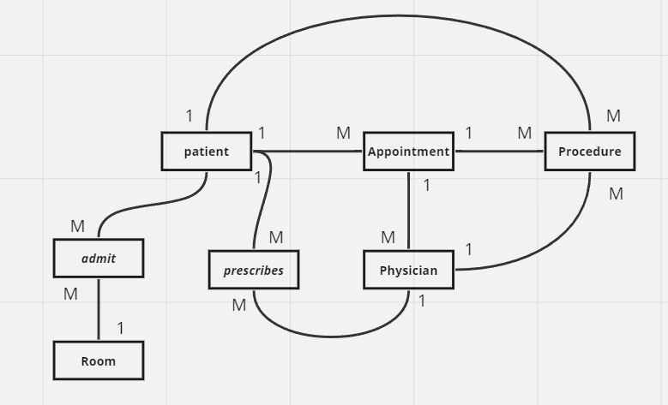
 | Patient
 | Attributes: patient id, patient name, patient address, patient weight, patient phone, patient height
 | Primary Key: patient id

 | Appointment
 | Attributes: appointment id, patient id, appointment start date time, appointment end date time
 | Primary Key: appointment id
 | Foreign Key: patient id references Patient

 | Procedure
 | Attributes: procedure id, procedure name, procedure cost
 | Primary Key: procedure id

 | Physician
 | Attributes: physician id, physician name, physician position, physician timing, physician date, physician department name
 | Primary Key: physician id

 | Prescribes
 | Attributes: prescribes id, medicen id, medicen name, medicen amount, medicen start date time, medicen end date time
 | Primary Key: prescribes id
 | Foreign Key: medicen id references Medicen

 | Admit
 | Attributes: admit start time, admit end time, room id
 | Primary Key: admit start time
 | Foreign Key: patient id references Patient, room id references Room

 | First Normal Form (1NF):

 | Make sure each table has a primary key that uniquely identifies each row.
 | All attributes (columns) should contain atomic values (no multivalued or composite attributes).

 | Second Normal Form (2NF):

 | The table must be in 1NF.
 | All non-key attributes must be fully functionally dependent on the entire primary key

 | Third Normal Form (3NF):

 | The table must be in 2NF.
 | No non-key attribute should be transitively dependent on the primary key.

