DAY&NVG
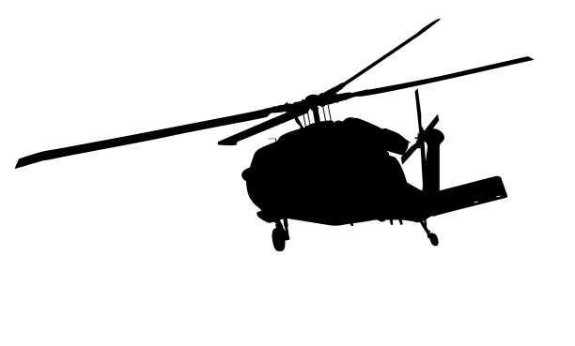
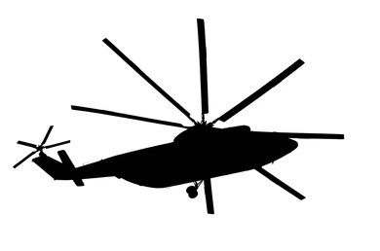

CLASSIFIED
 |  |  |  |  |  |  |  |  |  |  |  |  |  |  |  | 

KING ABDULLAH II AIRBASE
 |  |  |  |  |  |  | NO.8 SQDN
DAY : |  |  |  |  |  |  | FLIGHT SCHEDULE |  |  |  |  |  |  |  |  |  | DATE : 00-00-0000
NO. | D/N | A/C TYPE | T/O TIME | CREW |  |  |  | MSN \ DUTY |  |  | DUR. | FUEL | CONFIGRATION |  | REMARKS |  | ATC USE
 |  |  |  | PILOT | CO-PILOT |  | CREW-MEN |  |  |  |  |  |  |  |  |  | TAKE OFF | LANDING
DAY
1 | D | UH60M
2 | D | UH60M
3 | D | UH60M
4 | D | UH60M
5 | D | UH60M
6 | D | UH60M
NIGHT
1 | NVG | UH60M
2 | NVG | UH60M
3 | NVG | UH60M
4 | NVG | UH60M
5 | NVG | UH60M
6 | NVG | UH60M

MAIN BRIEFER |  |  |  | BRIEF TIME |  | DAY OPS |  | NIGHT OPS |  |  | LECTURE |  |  | CAPTE | NIGHT BRIEF |  | REPORTING TIME
 |  |  |  | 0815

A\C NEEDED |  | UH-60M |  |  |  | FLT.CMDR |  |  |  | SQDN.CMDR
 |  | MAIN | STBY |  |  | LTC AUDEH ………….. |  |  |  | LTC. BILAL………………
DAY
NIGHT

CLASSIFIED

