Factory
...
42.10% | 14.40% | 27.10% | 1.90% |  | REMARK
#DIV/0! | #DIV/0! | #DIV/0! | #DIV/0! | #DIV/0!
#DIV/0! | #DIV/0! | #DIV/0! | #DIV/0! | #DIV/0!
#DIV/0! | #DIV/0! | #DIV/0! | #DIV/0! | #DIV/0!
#DIV/0! | #DIV/0! | #DIV/0! | #DIV/0! | #DIV/0!
#DIV/0! | #DIV/0! | #DIV/0! | #DIV/0! | #DIV/0!
#DIV/0! | #DIV/0! | #DIV/0! | #DIV/0! | #DIV/0!
#DIV/0! | #DIV/0! | #DIV/0! | #DIV/0! | #DIV/0!
#DIV/0! | #DIV/0! | #DIV/0! | #DIV/0! | #DIV/0!
#DIV/0! | #DIV/0! | #DIV/0! | #DIV/0! | #DIV/0!
#DIV/0! | #DIV/0! | #DIV/0! | #DIV/0! | #DIV/0!
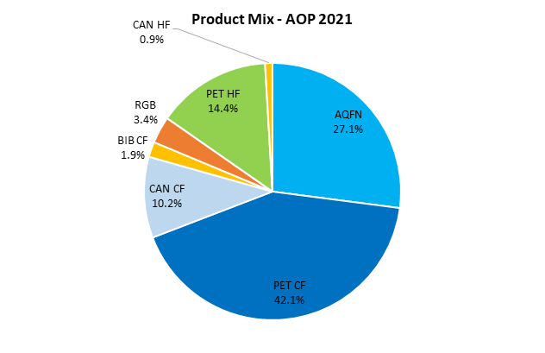
#DIV/0! | #DIV/0! | #DIV/0! | #DIV/0! | #DIV/0!
#DIV/0! | #DIV/0! | #DIV/0! | #DIV/0! | #DIV/0!
#DIV/0! | #DIV/0! | #DIV/0! | #DIV/0! | #DIV/0!
#DIV/0! | #DIV/0! | #DIV/0! | #DIV/0! | #DIV/0!
#DIV/0! | #DIV/0! | #DIV/0! | #DIV/0! | #DIV/0!
#DIV/0! | #DIV/0! | #DIV/0! | #DIV/0! | #DIV/0!
#DIV/0! | #DIV/0! | #DIV/0! | #DIV/0! | #DIV/0!
#DIV/0! | #DIV/0! | #DIV/0! | #DIV/0! | #DIV/0!
#DIV/0! | #DIV/0! | #DIV/0! | #DIV/0! | #DIV/0!
#DIV/0! | #DIV/0! | #DIV/0! | #DIV/0! | #DIV/0!
#DIV/0! | #DIV/0! | #DIV/0! | #DIV/0! | #DIV/0!
#DIV/0! | #DIV/0! | #DIV/0! | #DIV/0! | #DIV/0!
#DIV/0! | #DIV/0! | #DIV/0! | #DIV/0! | #DIV/0!
#DIV/0! | #DIV/0! | #DIV/0! | #DIV/0! | #DIV/0!
#DIV/0! | #DIV/0! | #DIV/0! | #DIV/0! | #DIV/0!
#DIV/0! | #DIV/0! | #DIV/0! | #DIV/0! | #DIV/0!
#DIV/0! | #DIV/0! | #DIV/0! | #DIV/0! | #DIV/0!
#DIV/0! | #DIV/0! | #DIV/0! | #DIV/0! | #DIV/0!
#DIV/0! | #DIV/0! | #DIV/0! | #DIV/0! | #DIV/0!
#DIV/0! | #DIV/0! | #DIV/0! | #DIV/0! | #DIV/0!
#DIV/0! | #DIV/0! | #DIV/0! | #DIV/0! | #DIV/0!
#DIV/0! | #DIV/0! | #DIV/0! | #DIV/0! | #DIV/0!
#DIV/0! | #DIV/0! | #DIV/0! | #DIV/0! | #DIV/0!
#DIV/0! | #DIV/0! | #DIV/0! | #DIV/0! | #DIV/0!
#DIV/0! | #DIV/0! | #DIV/0! | #DIV/0! | #DIV/0!
#DIV/0! | #DIV/0! | #DIV/0! | #DIV/0! | #DIV/0!
#DIV/0! | #DIV/0! | #DIV/0! | #DIV/0! | #DIV/0!
#DIV/0! | #DIV/0! | #DIV/0! | #DIV/0! | #DIV/0!
#DIV/0! | #DIV/0! | #DIV/0! | #DIV/0! | #DIV/0!
#DIV/0! | #DIV/0! | #DIV/0! | #DIV/0! | #DIV/0!
#DIV/0! | #DIV/0! | #DIV/0! | #DIV/0! | #DIV/0!
...

