classifications
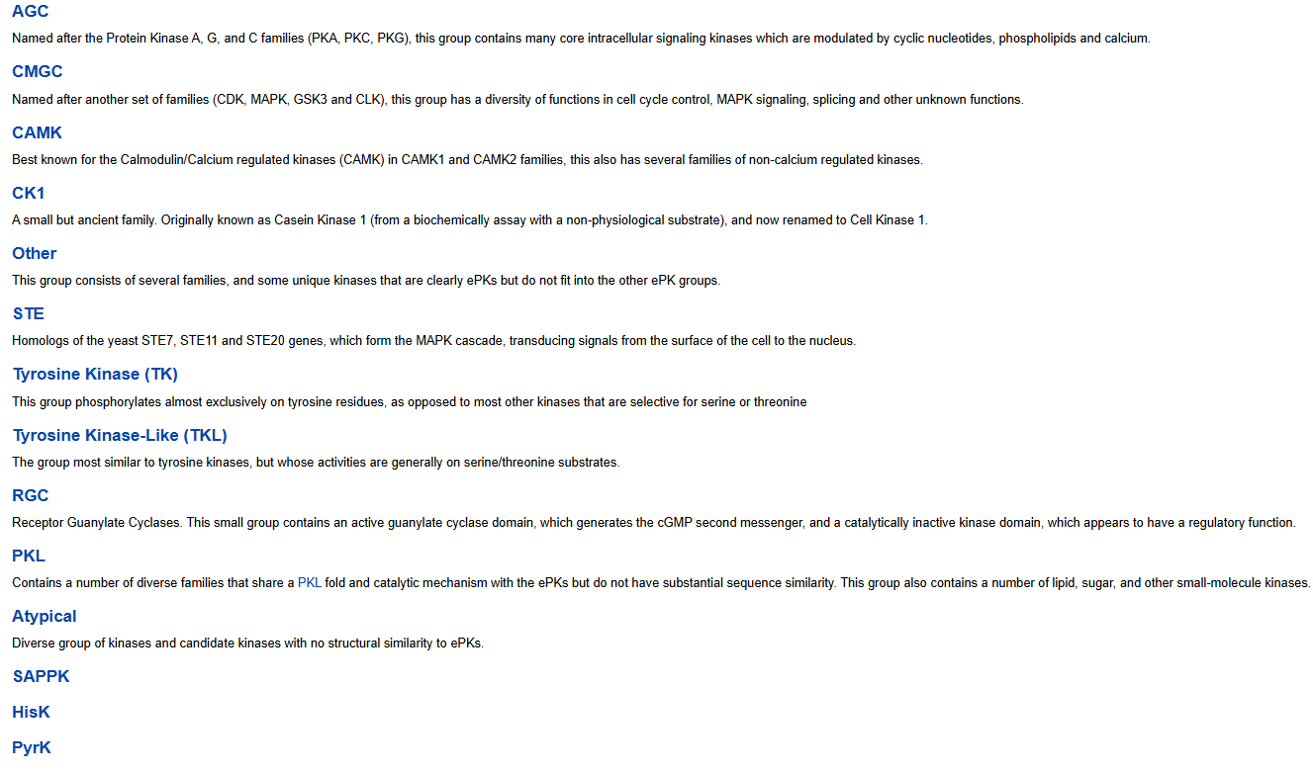

N/A = associated kinases, non-protein kinases, kinase subunits/isoforms that are not identified as a kinase in KinBase

