Types
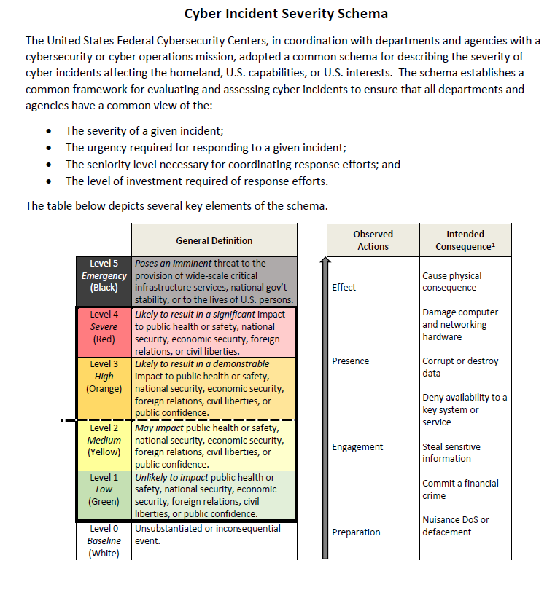
Types of Cyber Incidents
Type 5 | • Loss of life directly attibutal to the cyber incidnet. • Community Lifelines non-functional (Safety and Security; Food, Water, Shelter; Health and Medical; Energy; Communications; Transportation; Hazardous Materials) • Essential services non-functional (Dispatch Centers, Fire/EMS services, etc.) • Financial impacts exceed the organizational capabilities. (Ransom/Replacement costs exceeds the organizations budget) • Confirmed exposure records of Personal Information • Services critical for payment and financial processing non-functional
Type 4 | • Community Lifelines impacted and minimally operational (Safety and Security; Food, Water, Shelter; Health and Medical; Energy; Communications; Transportation; Hazardous Materials) • Essential services impacted and minimally operational (Dispatch Centers, Fire/EMS services, etc.) • Financial impacts are close to meeting the organizational capabilities. (Ransom/Replacement costs exceeds the organizations budget) • Suspected records of Personal Information exposed • Services critical for payment and financial processing impacted and are minimally operational
Type 3 | • Community Lifelines impacted and partial operational (Safety and Security; Food, Water, Shelter; Health and Medical; Energy; Communications; Transportation; Hazardous Materials) • Essential services impacted and partially operational (Dispatch Centers, Fire/EMS services, etc.) • Financial impacts are close to meeting the organizational capabilities. (Ransom/Replacement costs exceeds the organizations budget) • Potential Personal Information exposed • Services critical for payment and financial processing impacted and partially operational
Type 2 | • Community Lifelines impacted and mostly operational (Safety and Security; Food, Water, Shelter; Health and Medical; Energy; Communications; Transportation; Hazardous Materials) • Essential services impacted and mostly operational (Dispatch Centers, Fire/EMS services, etc.) • Financial impacts are close to meeting the organizational capabilities. (Ransom/Replacement costs exceeds the organizations budget) • Potential Personal Information exposed • Services critical for payment and financial processing impacted and mostly operational
Type 1 | • Community Lifelines are not impacted and are completely operational (Safety and Security; Food, Water, Shelter; Health and Medical; Energy; Communications; Transportation; Hazardous Materials) • Essential services are not impacted and are completely operational (Dispatch Centers, Fire/EMS services, etc.) • Financial impacts are minimum. (Ransom/Replacement costs exceeds the organizations budget) • Little to no belief of exposure records of Personal Information exposed • Services critical for payment and financial processing are not impacted and are completely operational

Cybersecurity Incident | A cybersecurity incident (or simply incident) is …an occurrence that actually or imminently jeopardizes, without lawful authority, the integrity, confidentiality, or availability of information or an information system; or constitutes a violation or imminent threat of violation of law, security policies, security procedures, or acceptable use policies. [FISMA2014]

