Sheet1
  ERPAT SYSTEM
PRINT SELECTED IDS (A4 • 8-UP)
ID NO. | SURNAME | FIRSNAME | MIDDLENAME | BIRTHDATE | AGE | CIVIL STATUS | ADDRESS | CONTACT NO. | EMERGENCY CONTACT PERSON | EMERGENCY CONTACT NO. | OCCUPATION | DATE ISSUED
2026-06 | ALDAY | ERROL | LASHERAS | 1999-12-16 | 26 | SINGLE | Lucban Pook | 9186519102 | KIAN BAHIA | 09556622460 | NONE | 2026-03-11
2026-07 | ALMARIO | RYAN MICAHEL | ALDAY | 2004-11-04 | 21 | MARRIED | Brgy. 7 |  |  |  | FARMER | 2026-05-14
2026-08 | BAHIA | KIAN |  | 2004-07-04 | 22 | SINGLE | Lanatan | 9264469102 |  |  | NONE | 2026-05-18

PRINT_FRONT


ERROL L. ALDAY
RYAN MICAHEL A. ALMARIO

Brgy. Gimalas, Balayan, Batangas
Brgy. 5, Balayan, Batangas
12/16/1999
03/11/2026
M
11/04/2004
05/14/2026
M
2026-06
2026-07

PRINT_BACK
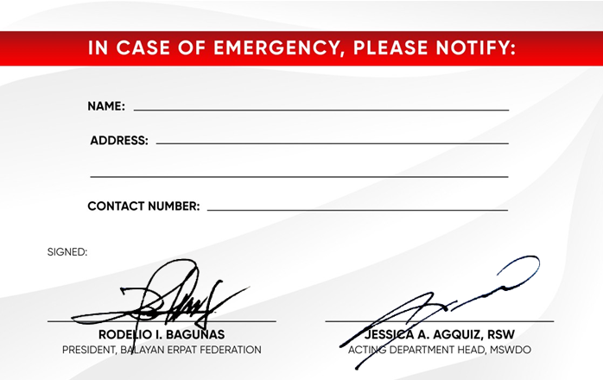

KIAN BAHIA
Brgy. 5, Balayan, Batangas
Brgy. Gimalas, Balayan, Batangas

09556622460

DASHBOARD
BAGONG BALAYAN | ERPAT SYSTEM - MSWD DIAGNOSTIC & AUDIT DASHBOARD

SYSTEM FILTERS | TOTAL MEMBERS |  |  | UNEMPLOYMENT RATE | DATA COMPLETENESS
 | 2 |  |  | 67% | 33%

Geographic Distribution by Barangay
 | Total
Lucban Pook | 1
Lanatan | 1

Employment Demographics
Civil Status Breakdown
 | NONE
20-29 | 2
 | Total
SINGLE | 2

Urgent Audit: Missing Emergency Contacts

 | ID NO. | NAME | ADDRESS | AUDIT STATUS
 | 2026-07 | ALMARIO | Brgy. 7 | MISSING CONTACT
 | 2026-08 | BAHIA | Lanatan | MISSING CONTACT

