General_Information
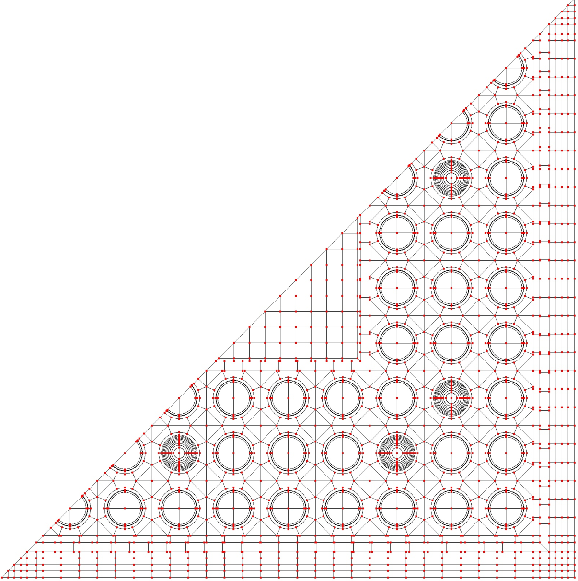
Institute | AREVA TN
Participants | M. TARDY/J. ALT
Contact Person | M.TARDY
Email | marcel.tardy@areva.com
Code | APOLLO2-A (version 1.21.0)
Flux Solution Method | Method Of Characteristics (MOC)
Depletion Coupling Method | “Predictor-Corrector” mechanism with a quadratic extrapolation of the reaction rates and an automatic depletion step refinement
Neutron Data Library | JEFF3.1.1
Decay Data Library | JEFF3.1.1
Fission Yield Library | JEFF3.1.1
Number of Groups | 281
Portion of Assembly | One-half (see Figure below)
Convergence Criteria | Convergence criteria for the Flux solver : 1 pcm on the k-inf and 10- 3 % on the fission rate
Code Description (optional) | see enclosed paper "APOLLO2-A – AREVA'S NEW GENERATION LATTICE PHYSICS CODE: METHODOLOGY AND VALIDATION"

