General_Information
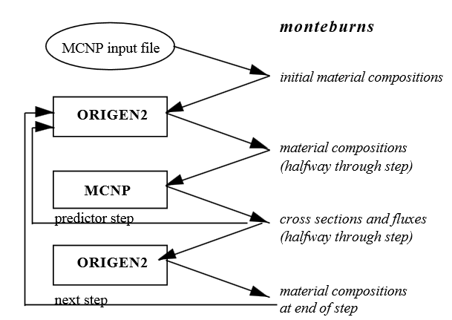
Institute | SEA Engeniering and analsys
Participants | Alain rodriguez, Candan Töre, Pedro Ortego
Contact Person | Pedro Ortego
Email | p.ortego@seaingenieria.es
Code | MONTEBURNS2, SCALE6.1
Flux Solution Method | Monte Carlo
Depletion Coupling Method | midpoint predictor-corrector
Neutron Data Library | JEFF3.1 (Monteburns), ENDF VII (SCALE6.1)
Number of Groups | continuous energy (Monteburns), 238 groups (SCALE6.1)
Portion of Assembly | 0.125
Convergence Criteria | less than 0,04% in keff (SCALE6.1)
Code Description (optional)

