General_Information
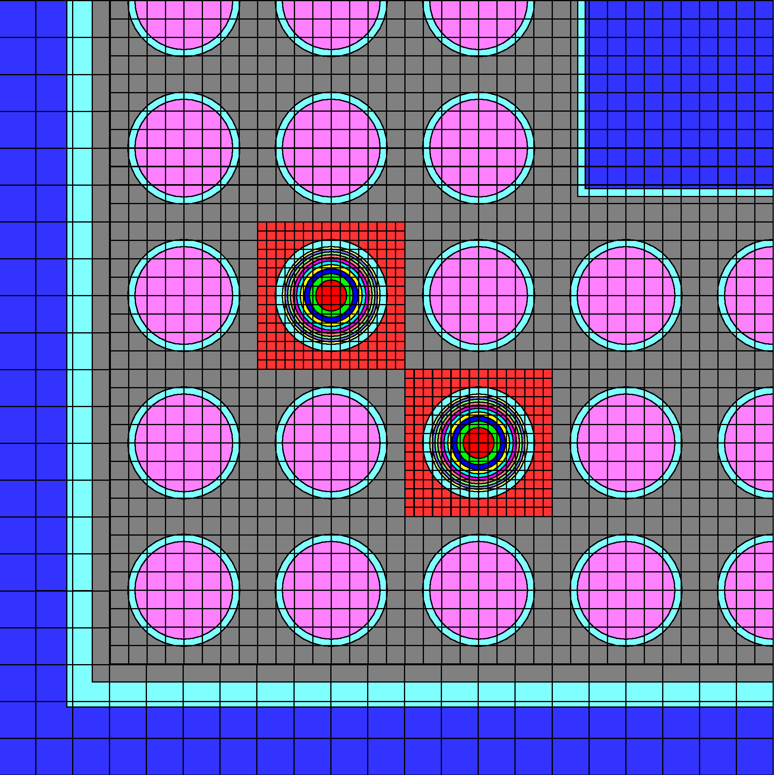
Institute | Nagra (National Cooperative for the Disposal of Radioactive Waste) - Switzerland
Participants | Stefano Caruso, Valentyn Bykov, Miguel Morales, Ahmed Shama
Contact Person | Stefano Caruso
Email | stefano.caruso@nagra.ch
Code | SCALE 6.2 (TRITON)
Flux Solution Method | SN – 6
Depletion Coupling Method | Midpoint Predictor-Corrector
Neutron Data Library | ENDF/B-VII.1
Decay Data Library | ENDF/B-VII.1
Fission Yield Library | ENDF/B-VII.1
Number of Groups | 252
Portion of Assembly | One-fourth (SW)
Convergence Criteria | Eigenvalue and Flux
Code Description (optional) | B.T. Rearden and M.A. Jessee, Eds., SCALE Code System, ORNL/TM-2005/39, Version 6.2, Oak Ridge National Laboratory, Oak Ridge, Tennessee (2016). Available from Radiation Safety Information Computational Center as CCC-834.

 |  | Radial section of FA geometry as created with TRITON

