Ultimate
Package | Tonnage | Tier | Position | Brand | Model Number | Image
Ultimate | 5 | Best | 1 | Trane | 5TTV0X60A1000
Ultimate | 5 | Best | 2 | Trane | 5TXCC009AS3HC | 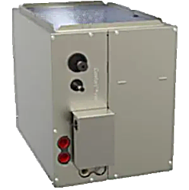
Ultimate | 5 | Best | 3 | Trane | S8V2C100M5PCB
Ultimate | 5 | Best | 4 | Trane | TLINK360A2VVUA | 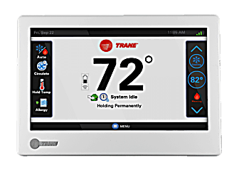
Ultimate | 5 | Better | 1 | Trane | 5TTV8X60A1000
Ultimate | 5 | Better | 2 | Trane | 5TXCC009AS3HC | 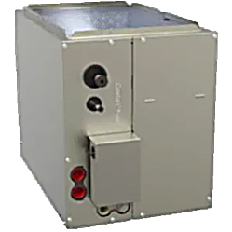
Ultimate | 5 | Better | 3 | Trane | S8V2C100M5PCB
Ultimate | 5 | Better | 4 | Trane | TLINK360A2VVUA
Ultimate |  | Good | 1 | Trane | 5TTX7060A1000
Ultimate |  | Good | 2 | Trane | 5TXCC009AS3HC | 
Ultimate |  | Good | 3 | Trane | S8V2C100M5PCB
Ultimate |  | Good | 4 | Trane | TCONT724AS42DA
Ultimate |  | Budget | 1 | Trane | 5TTX5060A1000 | 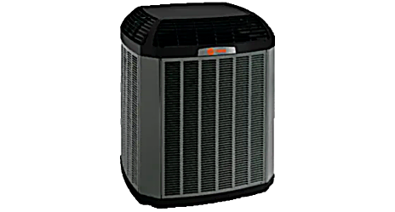
Ultimate |  | Budget | 2 | Trane | 5TXCC009AS3HC | 
Ultimate |  | Budget | 3 | Trane | S8X1C100M5PSC
Ultimate |  | Budget | 4 | Trane | TCONT724AS42DA
Ultimate | 4 | Best | 1 | Trane | 5TTV0X48A1000
Ultimate | 4 | Best | 2 | Trane | 5TXCB006AS3HCAA | 
Ultimate | 4 | Best | 3 | Trane | S8V2B080M4PCB
Ultimate | 4 | Best | 4 | Trane | TLINK360A2VVUA
Ultimate | 4 | Better | 1 | Trane | 5TTV8X48A1000
Ultimate | 4 | Better | 2 | Trane | 5TXCC007AS3HCAA
Ultimate | 4 | Better | 3 | Trane | S8V2C080M5PCB
Ultimate | 4 | Better | 4 | Trane | TLINK360A2VVUA
Ultimate |  | Good | 1 | Trane | 5TTX7048A1000
Ultimate |  | Good | 2 | Trane | 5TXCB006AS3HC | 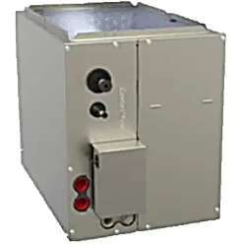
Ultimate |  | Good | 3 | Trane | S8V2B080M4PCB
Ultimate |  | Good | 4 | Trane | TCONT724AS42DA
Ultimate |  | Budget | 1 | Trane | 5TTX5048A1000
Ultimate |  | Budget | 2 | Trane | 5TXCC009AS3HC
Ultimate |  | Budget | 3 | Trane | S8X1C080M5PSC
Ultimate |  | Budget | 4 | Trane | TCONT724AS42DA
Ultimate | 3.5 | Budget | 1 | Trane | 5TTX5042A1000 | 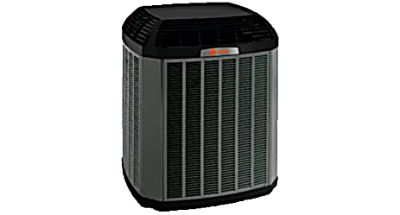
Ultimate | 3.5 | Budget | 2 | Ameristar | 5TXCC007AS3HC | 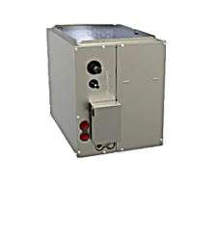
Ultimate | 3.5 | Budget | 3 | Trane | S8X1C080M5PSC
Ultimate | 3.5 | Budget | 4 | Trane | TCONT724AS42DA
Ultimate | 3 | Best | 1 | Trane | 5TTV0X36A1000
Ultimate | 3 | Best | 2 | Trane | 5TXCB003AS3HC
Ultimate | 3 | Best | 3 | Trane | S8V2B060M4PCB
Ultimate | 3 | Best | 4 | Trane | TLINK360A2VVUA
Ultimate | 3 | Better | 1 | Trane | 5TTV8X36A1000
Ultimate | 3 | Better | 2 | Trane | 5TXCB006AS3HC | 
Ultimate | 3 | Better | 3 | Trane | S8V2B060M4PCB
Ultimate | 3 | Better | 4 | Trane | TLINK360A2VVUA
Ultimate |  | Good | 1 | Trane | 5TTX7036A1000
Ultimate |  | Good | 2 | Trane | 5TXCB003AS3HC
Ultimate |  | Good | 3 | Trane | S8V2B060M4PCB
Ultimate |  | Good | 4 | Trane | TCONT724AS42DA
Ultimate |  | Budget | 1 | Trane | 5TTX5036A1000
Ultimate |  | Budget | 2 | Trane | 5TXCB004AS3HC | 
Ultimate |  | Budget | 3 | Trane | S8X1B060M4PSC
Ultimate |  | Budget | 4 | Trane | TCONT724AS42DA
Ultimate | 2.5 | Budget | 1 | Trane | 5TTX5030A1000
Ultimate | 2.5 | Budget | 2 | Ameristar | 5TXCB004AS3HC
Ultimate | 2.5 | Budget | 3 | Trane | S8X1B060M4PSC
Ultimate | 2.5 | Budget | 4 | Trane | TCONT724AS42DA
Ultimate | 2 | Best | 1 | Trane | 5TTV0X24A1000
Ultimate | 2 | Best | 2 | Trane | 5TXCA002AS3HCAA
Ultimate | 2 | Best | 3 | Trane | S8V2A040M3PCB
Ultimate | 2 | Best | 4 | Trane | TLINK360A2VVUA | 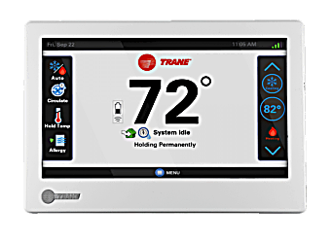
Ultimate | 2 | Better | 1 | Trane | 5TTV8X24A1000
Ultimate | 2 | Better | 2 | Ameristar | 5TXCA002AS3HC
Ultimate | 2 | Better | 3 | Trane | S8V2A040M3PCB
Ultimate | 2 | Better | 4 | Trane | TLINK360A2VVUA
Ultimate |  | Good | 1 | Trane | 5TTX7024A1000
Ultimate |  | Good | 2 | Ameristar | 5TXCA002AS3HC
Ultimate |  | Good | 3 | Trane | S8V2A040M3PCA
Ultimate |  | Good | 4 | Trane | TCONT724AS42DA
Ultimate |  | Budget | 1 | Trane | 5TTX5024A1000
Ultimate |  | Budget | 2 | Trane | 5TXCB004AS3HC
Ultimate |  | Budget | 3 | Trane | S8X1B040M2PSC
Ultimate |  | Budget | 4 | Trane | TCONT724AS42DA
Ultimate | 1.5 | Budget | 1 | Trane | 5TTX5018A1000
Ultimate | 1.5 | Budget | 2 | Ameristar | 5TXCB003AS3HC
Ultimate | 1.5 | Budget | 3 | Trane | S8X1B040M2PSC
Ultimate | 1.5 | Budget | 4 | Trane | TCONT724AS42DA

