Plot2
Plot2
 | X-Coord | Y-Coord
0.000 | 1.9685E+02 | 9.8425E+01
0.010 | 1.9685E+02 | 9.8425E+01
0.020 | 1.9686E+02 | 9.8425E+01
0.030 | 1.9687E+02 | 9.8425E+01
0.040 | 1.9689E+02 | 9.8425E+01
0.040 | 1.9689E+02 | 9.8425E+01
0.050 | 1.9691E+02 | 9.8425E+01
0.060 | 1.9694E+02 | 9.8425E+01
0.070 | 1.9697E+02 | 9.8425E+01
0.080 | 1.9701E+02 | 9.8426E+01
0.080 | 1.9701E+02 | 9.8426E+01
0.090 | 1.9705E+02 | 9.8426E+01
0.100 | 1.9710E+02 | 9.8426E+01
0.110 | 1.9715E+02 | 9.8427E+01
0.120 | 1.9720E+02 | 9.8427E+01
0.120 | 1.9721E+02 | 9.8427E+01
0.131 | 1.9727E+02 | 9.8428E+01
0.141 | 1.9734E+02 | 9.8429E+01
0.151 | 1.9741E+02 | 9.8430E+01
0.160 | 1.9748E+02 | 9.8431E+01
0.161 | 1.9748E+02 | 9.8432E+01
0.171 | 1.9757E+02 | 9.8433E+01
0.181 | 1.9765E+02 | 9.8435E+01
0.191 | 1.9774E+02 | 9.8438E+01
0.200 | 1.9783E+02 | 9.8441E+01
0.201 | 1.9784E+02 | 9.8441E+01
0.211 | 1.9794E+02 | 9.8444E+01
0.221 | 1.9805E+02 | 9.8448E+01
0.231 | 1.9816E+02 | 9.8453E+01
0.240 | 1.9827E+02 | 9.8457E+01
0.241 | 1.9827E+02 | 9.8458E+01
0.251 | 1.9840E+02 | 9.8463E+01
0.261 | 1.9852E+02 | 9.8470E+01
0.271 | 1.9865E+02 | 9.8477E+01
0.280 | 1.9878E+02 | 9.8484E+01
0.281 | 1.9879E+02 | 9.8485E+01
0.291 | 1.9893E+02 | 9.8494E+01
0.301 | 1.9907E+02 | 9.8504E+01
0.311 | 1.9922E+02 | 9.8515E+01
0.320 | 1.9936E+02 | 9.8526E+01
0.321 | 1.9938E+02 | 9.8527E+01
0.331 | 1.9954E+02 | 9.8541E+01
0.341 | 1.9970E+02 | 9.8555E+01
0.351 | 1.9987E+02 | 9.8572E+01
0.360 | 2.0003E+02 | 9.8587E+01
0.361 | 2.0005E+02 | 9.8589E+01
0.371 | 2.0023E+02 | 9.8608E+01
0.381 | 2.0041E+02 | 9.8629E+01
0.391 | 2.0060E+02 | 9.8651E+01
0.400 | 2.0077E+02 | 9.8672E+01
...

Sheet1
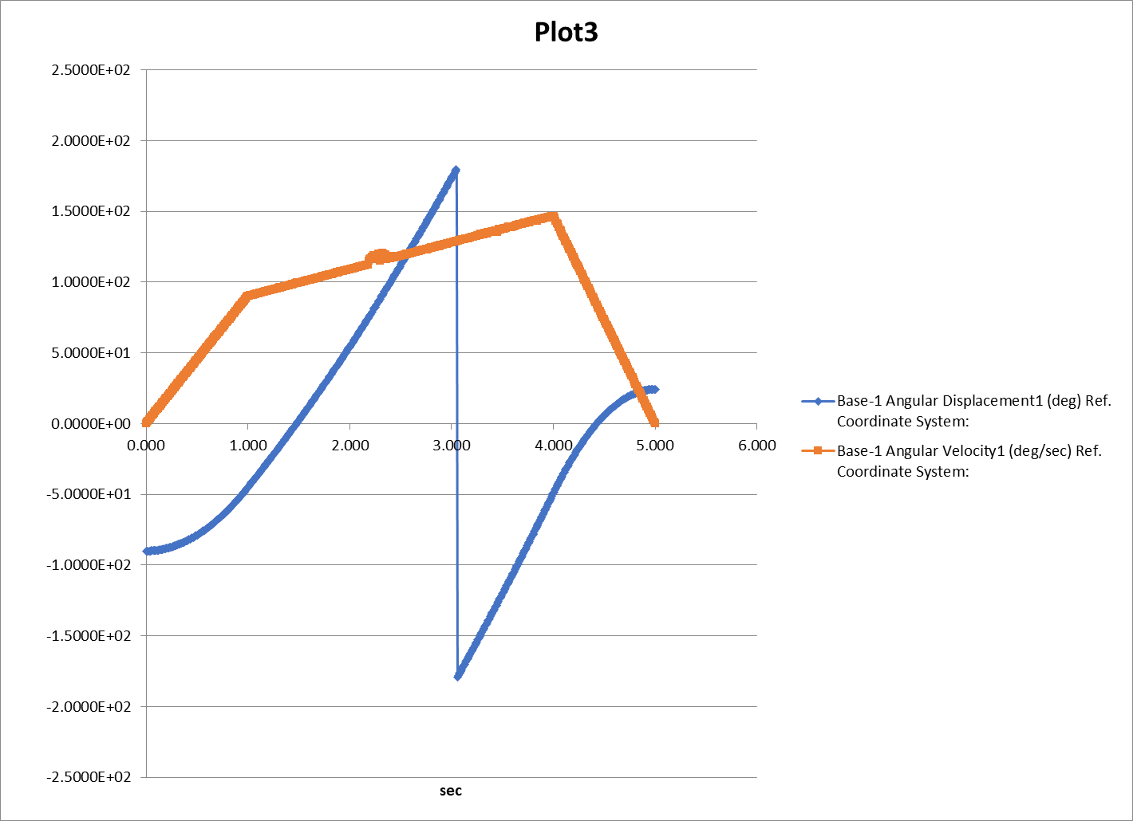
 |  | X-Coord | Y-Coord | Theta | dTheta | Left Wheel w | Right Wheel w
 |  | Linear Displacement1 (inch) | Linear Displacement2 (inch) | Angular Displacement1 (deg) | Angular Velocity1 (deg/sec) | Angular Velocity2 (deg/sec) | Angular Velocity3 (deg/sec)
Frame | Time | Ref. Coordinate System: | Ref. Coordinate System: | Ref. Coordinate System: | Ref. Coordinate System: | Ref. Coordinate System: Base-1 | Ref. Coordinate System: Base-1Base-1
1 | 0.000 | 1.9685E+02 | 9.8425E+01 | -9.0000E+01 | 0.0000E+00 | 0.0000E+00 | 0.0000E+00
2 | 0.010 | 1.9685E+02 | 9.8425E+01 | -8.9996E+01 | 8.9718E-01 | -1.9051E+00 | -3.8102E+00
3 | 0.020 | 1.9686E+02 | 9.8425E+01 | -8.9982E+01 | 1.7690E+00 | -3.8068E+00 | -7.6136E+00
4 | 0.030 | 1.9687E+02 | 9.8425E+01 | -8.9960E+01 | 2.7061E+00 | -5.7106E+00 | -1.1421E+01
5 | 0.040 | 1.9689E+02 | 9.8425E+01 | -8.9928E+01 | 3.5975E+00 | -7.6016E+00 | -1.5203E+01
6 | 0.040 | 1.9689E+02 | 9.8425E+01 | -8.9928E+01 | 3.6063E+00 | -7.6201E+00 | -1.5240E+01
7 | 0.050 | 1.9691E+02 | 9.8425E+01 | -8.9887E+01 | 4.4935E+00 | -9.5248E+00 | -1.9050E+01
8 | 0.060 | 1.9694E+02 | 9.8425E+01 | -8.9836E+01 | 5.4276E+00 | -1.1467E+01 | -2.2934E+01
9 | 0.070 | 1.9697E+02 | 9.8425E+01 | -8.9777E+01 | 6.3265E+00 | -1.3376E+01 | -2.6751E+01
10 | 0.080 | 1.9701E+02 | 9.8426E+01 | -8.9712E+01 | 7.1973E+00 | -1.5203E+01 | -3.0406E+01
11 | 0.080 | 1.9701E+02 | 9.8426E+01 | -8.9709E+01 | 7.2352E+00 | -1.5284E+01 | -3.0568E+01
12 | 0.090 | 1.9705E+02 | 9.8426E+01 | -8.9632E+01 | 8.1320E+00 | -1.7188E+01 | -3.4375E+01
13 | 0.100 | 1.9710E+02 | 9.8426E+01 | -8.9546E+01 | 9.0031E+00 | -1.9091E+01 | -3.8182E+01
14 | 0.110 | 1.9715E+02 | 9.8427E+01 | -8.9451E+01 | 9.9696E+00 | -2.0994E+01 | -4.1988E+01
15 | 0.120 | 1.9720E+02 | 9.8427E+01 | -8.9353E+01 | 1.0795E+01 | -2.2805E+01 | -4.5610E+01
16 | 0.120 | 1.9721E+02 | 9.8427E+01 | -8.9348E+01 | 1.0814E+01 | -2.2896E+01 | -4.5792E+01
17 | 0.131 | 1.9727E+02 | 9.8428E+01 | -8.9234E+01 | 1.1716E+01 | -2.4803E+01 | -4.9605E+01
18 | 0.141 | 1.9734E+02 | 9.8429E+01 | -8.9112E+01 | 1.2607E+01 | -2.6703E+01 | -5.3407E+01
19 | 0.151 | 1.9741E+02 | 9.8430E+01 | -8.8981E+01 | 1.3560E+01 | -2.8608E+01 | -5.7216E+01
20 | 0.160 | 1.9748E+02 | 9.8431E+01 | -8.8849E+01 | 1.4403E+01 | -3.0406E+01 | -6.0813E+01
Plot4
 | Wheels-6 Angular Velocity2 (deg/sec) Ref. Coordinate System: Base-1 | Wheels-5 Angular Velocity3 (deg/sec) Ref. Coordinate System: Base-1Base-1
0 | 0 | 0
0.010024634924 | -1.9050794896 | -3.8101632317
0.020031556704 | -3.8067927656 | -7.613594137
0.030049702604 | -5.7106390786 | -11.42129098
0.04 | -7.6015914962 | -15.2032
0.040097560976 | -7.620131963 | -15.240280975
0.050119837451 | -9.5247632399 | -19.049547778
0.060339888506 | -11.466979584 | -22.933984824
0.07038351055 | -13.375667381 | -26.751364684
0.08 | -15.203182992 | -30.4064
0.080424687138 | -15.283890446 | -30.567815086
0.090442392794 | -17.187653099 | -34.375344654
0.10045758788 | -19.090938649 | -38.181920001
0.11047211691 | -20.994097611 | -41.988242214
0.12 | -22.804774489 | -45.6096
0.12047972522 | -22.895941371 | -45.791933957
0.13051254313 | -24.802575941 | -49.605207399
0.1405143726 | -26.703321496 | -53.406702739
0.15053675823 | -28.607973538 | -57.216011064
0.16 | -30.406365985 | -60.8128
0.16053784928 | -30.508578766 | -61.017225759
0.17058966685 | -32.418824005 | -64.837720574
0.18064251033 | -34.329264253 | -68.658605319
0.19066593252 | -36.23411327 | -72.468307632
0.2 | -38.007957481 | -76.016
0.20069594787 | -38.140215275 | -76.280515859
0.21071969633 | -40.045126291 | -80.090342181
0.22073814839 | -41.949030794 | -83.898155442
0.23074871215 | -43.85143619 | -87.702970517
0.24 | -45.609548977 | -91.2192
0.24078156963 | -45.758078304 | -91.516258958
0.2508016214 | -47.662286811 | -95.324680268
0.26083112608 | -49.568291755 | -99.136694406
0.27085594069 | -51.473405384 | -102.94692594
0.28 | -53.211140473 | -106.4224
0.28085897988 | -53.374380804 | -106.74888108
0.29090472846 | -55.283472755 | -110.5670692
0.30091062332 | -57.184990871 | -114.37010971
0.31092726942 | -59.088552177 | -118.17723656
0.32 | -60.812731969 | -121.6256
0.32093879296 | -60.991140001 | -121.98241643
0.33095980059 | -62.895530149 | -125.79120101
0.34102130027 | -64.807615413 | -129.61537581
0.35106347937 | -66.716028976 | -133.43220722
0.36 | -68.414323466 | -136.8288
0.3610927969 | -68.621998362 | -137.24415025
0.37114003033 | -70.531372476 | -141.06290273
0.38121459208 | -72.445940028 | -144.89204216
0.39129071655 | -74.360804586 | -148.72177554
0.4 | -76.015914962 | -152.032
...
21 | 0.161 | 1.9748E+02 | 9.8432E+01 | -8.8841E+01 | 1.4458E+01 | -3.0509E+01 | -6.1017E+01
22 | 0.171 | 1.9757E+02 | 9.8433E+01 | -8.8692E+01 | 1.5356E+01 | -3.2419E+01 | -6.4838E+01
23 | 0.181 | 1.9765E+02 | 9.8435E+01 | -8.8533E+01 | 1.6253E+01 | -3.4329E+01 | -6.8659E+01
24 | 0.191 | 1.9774E+02 | 9.8438E+01 | -8.8365E+01 | 1.7149E+01 | -3.6234E+01 | -7.2468E+01
25 | 0.200 | 1.9783E+02 | 9.8441E+01 | -8.8201E+01 | 1.8030E+01 | -3.8008E+01 | -7.6016E+01
26 | 0.201 | 1.9784E+02 | 9.8441E+01 | -8.8189E+01 | 1.8058E+01 | -3.8140E+01 | -7.6281E+01
27 | 0.211 | 1.9794E+02 | 9.8444E+01 | -8.8003E+01 | 1.8953E+01 | -4.0045E+01 | -8.0090E+01
28 | 0.221 | 1.9805E+02 | 9.8448E+01 | -8.7809E+01 | 1.9863E+01 | -4.1949E+01 | -8.3898E+01
29 | 0.231 | 1.9816E+02 | 9.8453E+01 | -8.7606E+01 | 2.0753E+01 | -4.3851E+01 | -8.7703E+01
30 | 0.240 | 1.9827E+02 | 9.8457E+01 | -8.7410E+01 | 2.1597E+01 | -4.5610E+01 | -9.1219E+01
31 | 0.241 | 1.9827E+02 | 9.8458E+01 | -8.7393E+01 | 2.1611E+01 | -4.5758E+01 | -9.1516E+01
32 | 0.251 | 1.9840E+02 | 9.8463E+01 | -8.7171E+01 | 2.2540E+01 | -4.7662E+01 | -9.5325E+01
33 | 0.261 | 1.9852E+02 | 9.8470E+01 | -8.6941E+01 | 2.3480E+01 | -4.9568E+01 | -9.9137E+01
34 | 0.271 | 1.9865E+02 | 9.8477E+01 | -8.6701E+01 | 2.4362E+01 | -5.1473E+01 | -1.0295E+02
35 | 0.280 | 1.9878E+02 | 9.8484E+01 | -8.6474E+01 | 2.5194E+01 | -5.3211E+01 | -1.0642E+02
36 | 0.281 | 1.9879E+02 | 9.8485E+01 | -8.6453E+01 | 2.5243E+01 | -5.3374E+01 | -1.0675E+02
37 | 0.291 | 1.9893E+02 | 9.8494E+01 | -8.6194E+01 | 2.6151E+01 | -5.5283E+01 | -1.1057E+02
38 | 0.301 | 1.9907E+02 | 9.8504E+01 | -8.5928E+01 | 2.7071E+01 | -5.7185E+01 | -1.1437E+02
39 | 0.311 | 1.9922E+02 | 9.8515E+01 | -8.5652E+01 | 2.7930E+01 | -5.9089E+01 | -1.1818E+02
40 | 0.320 | 1.9936E+02 | 9.8526E+01 | -8.5395E+01 | 2.8770E+01 | -6.0813E+01 | -1.2163E+02
41 | 0.321 | 1.9938E+02 | 9.8527E+01 | -8.5368E+01 | 2.8830E+01 | -6.0991E+01 | -1.2198E+02
42 | 0.331 | 1.9954E+02 | 9.8541E+01 | -8.5074E+01 | 2.9775E+01 | -6.2896E+01 | -1.2579E+02
43 | 0.341 | 1.9970E+02 | 9.8555E+01 | -8.4770E+01 | 3.0664E+01 | -6.4808E+01 | -1.2962E+02
44 | 0.351 | 1.9987E+02 | 9.8572E+01 | -8.4457E+01 | 3.1587E+01 | -6.6716E+01 | -1.3343E+02
45 | 0.360 | 2.0003E+02 | 9.8587E+01 | -8.4172E+01 | 3.2391E+01 | -6.8414E+01 | -1.3683E+02
46 | 0.361 | 2.0005E+02 | 9.8589E+01 | -8.4136E+01 | 3.2497E+01 | -6.8622E+01 | -1.3724E+02
47 | 0.371 | 2.0023E+02 | 9.8608E+01 | -8.3805E+01 | 3.3350E+01 | -7.0531E+01 | -1.4106E+02
48 | 0.381 | 2.0041E+02 | 9.8629E+01 | -8.3464E+01 | 3.4318E+01 | -7.2446E+01 | -1.4489E+02
49 | 0.391 | 2.0060E+02 | 9.8651E+01 | -8.3114E+01 | 3.5222E+01 | -7.4361E+01 | -1.4872E+02
50 | 0.400 | 2.0077E+02 | 9.8672E+01 | -8.2804E+01 | 3.5978E+01 | -7.6016E+01 | -1.5203E+02
51 | 0.401 | 2.0080E+02 | 9.8675E+01 | -8.2755E+01 | 3.6111E+01 | -7.6273E+01 | -1.5255E+02
52 | 0.411 | 2.0100E+02 | 9.8701E+01 | -8.2389E+01 | 3.7024E+01 | -7.8174E+01 | -1.5635E+02
53 | 0.421 | 2.0120E+02 | 9.8729E+01 | -8.2014E+01 | 3.7927E+01 | -8.0079E+01 | -1.6016E+02
54 | 0.431 | 2.0141E+02 | 9.8759E+01 | -8.1630E+01 | 3.8793E+01 | -8.1982E+01 | -1.6396E+02
55 | 0.440 | 2.0159E+02 | 9.8786E+01 | -8.1292E+01 | 3.9596E+01 | -8.3618E+01 | -1.6724E+02
56 | 0.441 | 2.0162E+02 | 9.8791E+01 | -8.1236E+01 | 3.9726E+01 | -8.3889E+01 | -1.6778E+02
57 | 0.451 | 2.0184E+02 | 9.8825E+01 | -8.0834E+01 | 4.0560E+01 | -8.5789E+01 | -1.7158E+02
58 | 0.461 | 2.0206E+02 | 9.8862E+01 | -8.0423E+01 | 4.1524E+01 | -8.7691E+01 | -1.7538E+02
59 | 0.471 | 2.0228E+02 | 9.8901E+01 | -8.0002E+01 | 4.2455E+01 | -8.9596E+01 | -1.7919E+02
60 | 0.480 | 2.0248E+02 | 9.8936E+01 | -7.9637E+01 | 4.3173E+01 | -9.1219E+01 | -1.8244E+02
61 | 0.482 | 2.0252E+02 | 9.8943E+01 | -7.9567E+01 | 4.3335E+01 | -9.1523E+01 | -1.8305E+02
62 | 0.492 | 2.0275E+02 | 9.8987E+01 | -7.9129E+01 | 4.4237E+01 | -9.3427E+01 | -1.8685E+02
63 | 0.502 | 2.0299E+02 | 9.9034E+01 | -7.8681E+01 | 4.5095E+01 | -9.5330E+01 | -1.9066E+02
64 | 0.512 | 2.0324E+02 | 9.9084E+01 | -7.8224E+01 | 4.6014E+01 | -9.7235E+01 | -1.9447E+02
65 | 0.520 | 2.0344E+02 | 9.9128E+01 | -7.7837E+01 | 4.6822E+01 | -9.8821E+01 | -1.9764E+02
66 | 0.522 | 2.0349E+02 | 9.9137E+01 | -7.7759E+01 | 4.6950E+01 | -9.9137E+01 | -1.9827E+02
67 | 0.532 | 2.0374E+02 | 9.9193E+01 | -7.7285E+01 | 4.7878E+01 | -1.0104E+02 | -2.0208E+02
68 | 0.542 | 2.0400E+02 | 9.9253E+01 | -7.6797E+01 | 4.8771E+01 | -1.0296E+02 | -2.0592E+02
69 | 0.552 | 2.0426E+02 | 9.9315E+01 | -7.6303E+01 | 4.9742E+01 | -1.0486E+02 | -2.0973E+02
70 | 0.560 | 2.0448E+02 | 9.9369E+01 | -7.5892E+01 | 5.0387E+01 | -1.0642E+02 | -2.1284E+02
71 | 0.562 | 2.0453E+02 | 9.9381E+01 | -7.5801E+01 | 5.0628E+01 | -1.0677E+02 | -2.1353E+02
72 | 0.572 | 2.0480E+02 | 9.9451E+01 | -7.5288E+01 | 5.1534E+01 | -1.0867E+02 | -2.1735E+02
73 | 0.582 | 2.0507E+02 | 9.9524E+01 | -7.4768E+01 | 5.2396E+01 | -1.1057E+02 | -2.2115E+02
74 | 0.592 | 2.0535E+02 | 9.9602E+01 | -7.4237E+01 | 5.3360E+01 | -1.1248E+02 | -2.2497E+02
75 | 0.600 | 2.0558E+02 | 9.9667E+01 | -7.3802E+01 | 5.4061E+01 | -1.1402E+02 | -2.2805E+02
76 | 0.602 | 2.0563E+02 | 9.9683E+01 | -7.3700E+01 | 5.4236E+01 | -1.1438E+02 | -2.2877E+02
77 | 0.612 | 2.0592E+02 | 9.9768E+01 | -7.3152E+01 | 5.5119E+01 | -1.1629E+02 | -2.3258E+02
78 | 0.622 | 2.0621E+02 | 9.9858E+01 | -7.2593E+01 | 5.6017E+01 | -1.1820E+02 | -2.3640E+02
79 | 0.632 | 2.0650E+02 | 9.9952E+01 | -7.2027E+01 | 5.6938E+01 | -1.2010E+02 | -2.4021E+02
80 | 0.640 | 2.0674E+02 | 1.0003E+02 | -7.1568E+01 | 5.7646E+01 | -1.2163E+02 | -2.4325E+02
81 | 0.642 | 2.0680E+02 | 1.0005E+02 | -7.1451E+01 | 5.7849E+01 | -1.2201E+02 | -2.4402E+02
82 | 0.652 | 2.0711E+02 | 1.0015E+02 | -7.0868E+01 | 5.8736E+01 | -1.2391E+02 | -2.4783E+02
83 | 0.662 | 2.0741E+02 | 1.0026E+02 | -7.0274E+01 | 5.9646E+01 | -1.2582E+02 | -2.5164E+02
...

