Tools



Manage Current Test Cases | Add New Test Cases

Troubleshooting
Additional Libraries

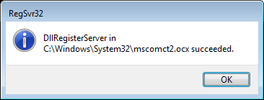

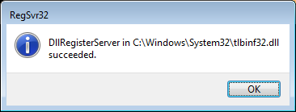
NOTE: If the Statistics Form cannot be opened with the below error
1. Right click on each symbol on the right side and select Copy
2. Paste them to the following location C:\Windows\System32
Open CMD with Administrators rights and run following commands.
Or copy out and run the attached batch "registerDLLs.bat"
32bit system: regsvr32 "C:\Windows\System32\mscomct2.ocx" regsvr32 "C:\Windows\System32\tlbinf32.dll" 64bit system: regsvr32 "C:\Windows\SysWow64\mscomct2.ocx" regsvr32 "C:\Windows\SysWow64\tlbinf32.dll"
Restart this Excel file without saving and retry.

