Settings
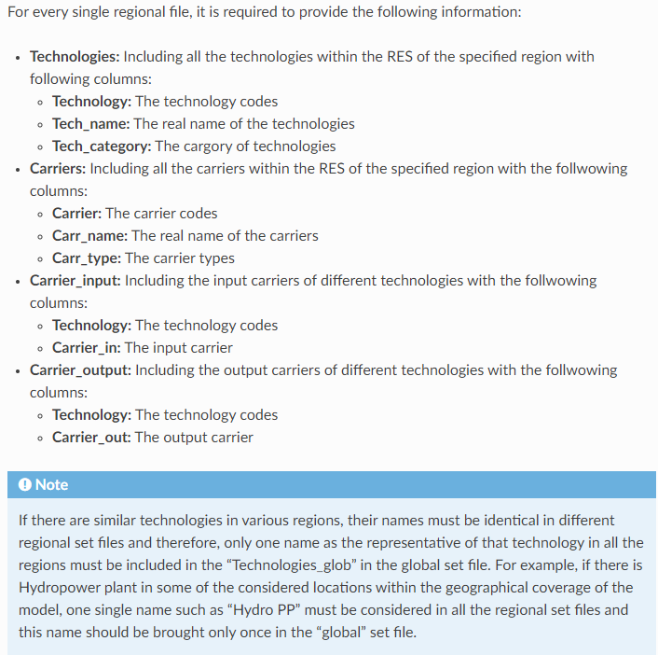
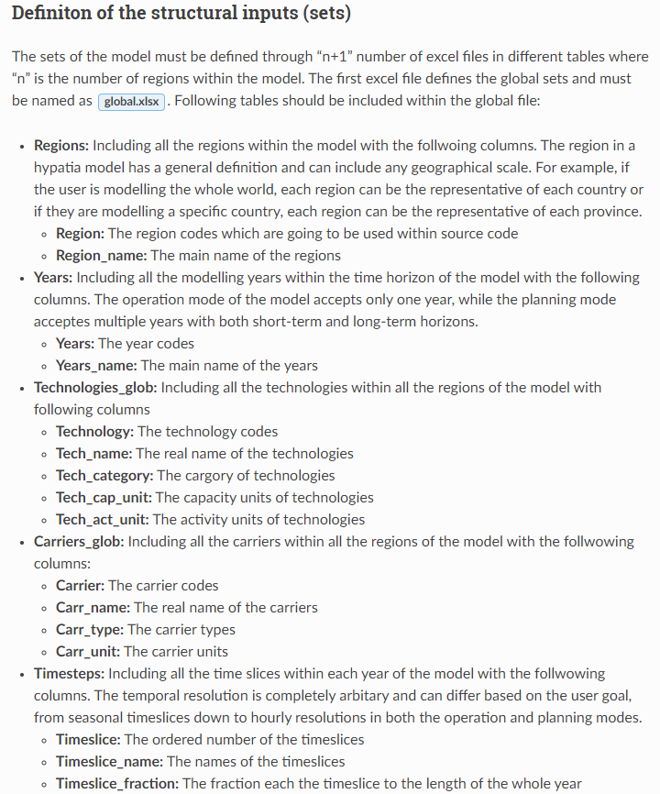
Technoloy Category | Description
Supply | Supplies an energy carrier to the system without consuming any other carriers
Demand | Consumes and sinks an energy carrier from the energy system
Transmission | Transmits an energy carrier locally from a supply point to a demand point
Conversion | Converts an energy carrier to another
Conversion_plus | Converts one/muliple energy carrier to one/multiple other carriers
Storage | Stores and energy carrier and discharge it when it is required

Carrier Type | Description
Resource | The energy resource extracted from the nature (by a supply technology) that are not still processed such as raw oil
Intermediate | An energy carrier that can be consumed by non-Demand technologies
Demand | An energy carrier that can be consumed by Demand technologies

