Statements DEC2020
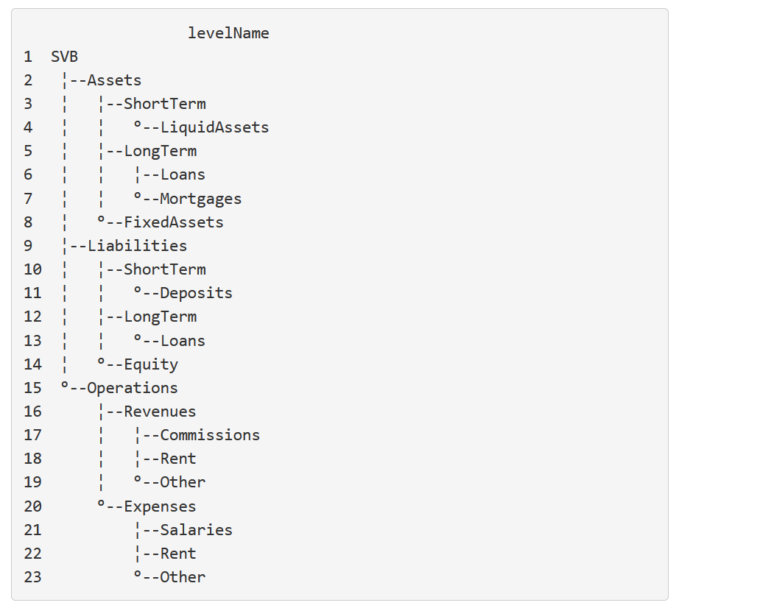
 | Representation of SVB Balance Sheet in ANN and PAM contracts
 | Used for first contract creation in order to see how they react to interest rates
x | Data on December 31, 2020 (in US$ thousand):

 | BS Position | Tool Position | ContractID | Contract Type | Principal | Interest rate | Initial Date | Maturity Date | Rate Reset (Y/N)
 | Cash and cash equivalents | ASL | ASL0001 | PAM | 17,674,763
 | AFS securities | ASL | ASL0002 | PAM | 30,912,438
 | HTM securities | ASL | ASL0003 | PAM | 16,455,632
 | HTM securities - variable rate | ASL | ASL0004 | PAM | 136,913 |  |  |  | Y
 | Non-marketable and other equity securities | ASL | ASL0005 | PAM | 1,802,235
 | Net loans | ALL | ALL0001 | ANN | 44,733,723 | 0.033979309077
 | Premises and equipment | AFA | AFA0001 | Investments | 175,818
 | Goodwill | AFA | AFA0002 | Investments | 142,685
 | Net other intangible assets | AFA | AFA0003 | Investments | 61,435
 | Lease right-of-use assets | AFA | AFA0004 | Investments | 209,932
 | Accrued interest receivable and other assets | ALL | ALL0002 | ANN | 3,205,825
 | Noninterest-bearing demand deposits | LSD | LSD0001 | PAM | 66,519,240 | 0
 | Interest-bearing deposits | LSD | LSD0002 | PAM | 35,462,567 | 0.0016981004223 |  |  | Y
 | Short-term borrowings | LSD | LSD0003 | ANN | 20,553
 | Lease liabilities | LLL | LLL0001 | ANN | 259,554
 | Other liabilities | LLL | LLL0002 | ANN | 3,971,974
 | Long-term debt | LLL | LLL0003 | ANN | 843,628

 | Total Assets: |  |  |  | 115,511,399 | -392
 | Total Liabilities: |  |  |  | 107,077,516
 | Total Equity: |  |  |  | 8,433,883

 | IS Position | Tool Position | ContractID | Contract Type | Principal | Interest rate | Initial Date | Maturity Date | Note
 | Interest income | ORO | ORO0001 | OperationalCF | 2,241,610 |  |  |  | Probably not needed as from investments?
 | Interest expense | OEO | OEO0001 | OperationalCF | 85,326 |  |  |  | Probably not needed as from investments?
 | Provision for credit losses | OEO | OEO0002 | OperationalCF | 219,510
 | Gains | ORO | ORO0002 | OperationalCF | 658,180 |  |  |  | Gains on investment securities & Gains on equity warrant assets
 | Fees | ORC | ORC0001 | OperationalCF | 512,862 |  |  |  | Client investment, ForEx, Credit card, Lending related, & LoC fees
 | Commissions and charges | ORC | ORC0002 | OperationalCF | 156,976 |  |  |  | Deposit service charges & Commissions
 | Investment banking revenue | ORO | ORO0003 | OperationalCF | 413,985
 | Other income | ORO | ORO0004 | OperationalCF | 98,145
 | Compensation and benefits | OES | OES0001 | OperationalCF | 1,318,457
 | Professional services | OES | OES0002 | OperationalCF | 247,084
 | Premises and equipment | OER | OER0001 | OperationalCF | 127,125
 | Net occupancy, BD, travel | OEO | OEO0003 | OperationalCF | 124,613 |  |  |  | Net occupancy & Business development and travel
 | FDIC and assessments | OEO | OEO0004 | OperationalCF | 27,587
 | Other expenses | OEO | OEO0005 | OperationalCF | 190,175
 | Tax expense | OEO | OEO0006 | OperationalCF | 447,587
 | Noncontrolling interest expense | OEO | OEO0007 | OperationalCF | 85,926
 | Dividends expense | OEO | OEO0008 | OperationalCF | 17,151
 | Net income available to common stockholders |  |  |  | 1,191,217

Statements DEC2021
 | Representation of SVB Balance Sheet in ANN and PAM contracts

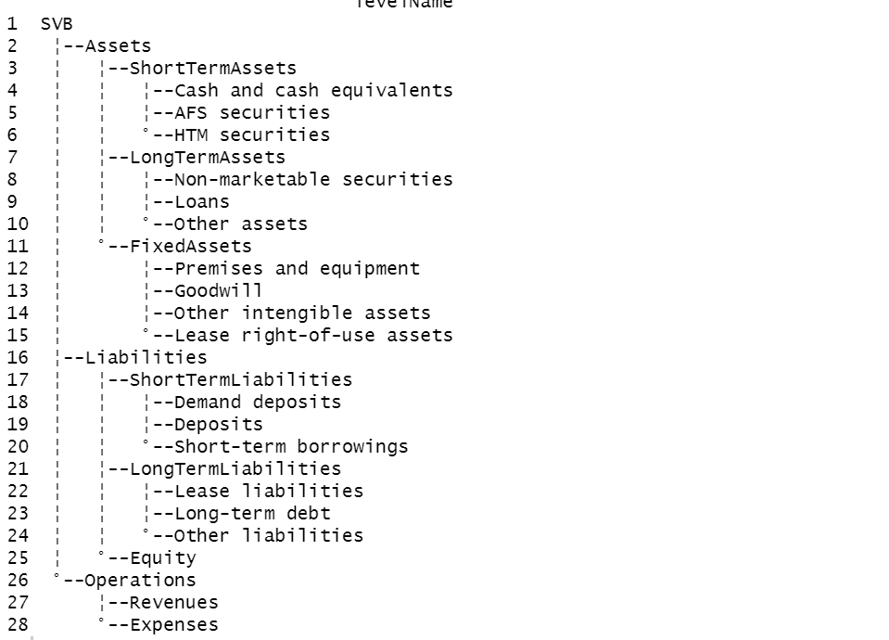
x | Data on December 31, 2020 (in US$ millions):

 | BS Position | Tool Position | ContractID | Contract Type | Principal | Interest rate | Initial Date | Maturity Date | Rate Reset (Y/N)
 | Cash and cash equivalents | ASL |  | PAM | 14,619 | 0
 | AFS securities | ASL |  | PAM | 27,221 | YC
 | HTM securities | ASL |  | PAM | 98,102 | YC |  |  |  | 97,126
 | HTM securities - variable rate | ASL |  | PAM | 100 | YC |  |  | Y | 101
 | Non-marketable and other equity securities | ALL |  | PAM | 2,543 | YC
 | Net loans | ALL |  | PAM | 65,854 | 0.029853919276 |  |  | Y
 | Premises and equipment | AFA |  | ANN | 270 | YC
 | Goodwill | AFA |  | PAM | 375 | YC |  |  | Y
 | Net other intangible assets | AFA |  | PAM | 160 | YC |  |  | Y
 | Lease right-of-use assets | AFA |  | ANN | 313 | YC
 | Accrued interest receivable and other assets | ALL |  | PAM | 1,928 | YC
 | Noninterest-bearing demand deposits | LSD |  | PAM | 125,851 | 0
 | Interest-bearing deposits | LSD |  | PAM | 63,352 | 0.00097865892158 |  |  | Y (negative spread)
 | Short-term borrowings | LSD |  | PAM | 121 | YC |  |  | Y
 | Lease liabilities | LLL |  | ANN | 388 | YC
 | Other liabilities | LLL |  | PAM | 2,587 | YC
 | Long-term debt | LLL |  | PAM | 2,570 | YC

 | Total Assets: |  |  |  | 211,485 | -7 |  |  |  | 210,510
 | Total Liabilities: |  |  |  | 194,869
 | Total Equity: |  |  |  | 16,616

 | IS Position | Tool Position | ContractID | Contract Type | Principal | Interest rate | Initial Date | Maturity Date | Note
 | Interest income | ORO | ORO0001 | OperationalCF | 3,289 |  |  |  | Contracts
 | Interest expense | OEO | OEO0001 | OperationalCF | 110 |  |  |  | Contracts
 | Provision for credit losses | OEO | OEO0002 | OperationalCF | 123
 | Gains | ORO | ORO0002 | OperationalCF | 1,321 |  |  |  | Withdrawal cases
 | Fees | ORC | ORC0001 | OperationalCF | 639 |  |  |  | Client investment, ForEx, Credit card, Lending related, & LoC fees
 | Commissions and charges | ORC | ORC0002 | OperationalCF | 191 |  |  |  | Deposit service charges & Commissions
 | Investment banking revenue | ORO | ORO0003 | OperationalCF | 459
 | Other income | ORO | ORO0004 | OperationalCF | 128
 | Compensation and benefits | OES | OES0001 | OperationalCF | 2,015
 | Professional services | OES | OES0002 | OperationalCF | 392
 | Premises and equipment | OER | OER0001 | OperationalCF | 178
 | Net occupancy, BD, travel | OEO | OEO0003 | OperationalCF | 107 |  |  |  | Net occupancy & Business development and travel
 | FDIC and assessments | OEO | OEO0004 | OperationalCF | 48
 | Merger-related charges | OEO | OEO0005 | OperationalCF | 129
 | Other expenses | OEO | OEO0005 | OperationalCF | 201
 | Tax expense | OEO | OEO0006 | OperationalCF | 651
 | Noncontrolling interest expense | OEO | OEO0007 | OperationalCF | 240
 | Dividends expense | OEO | OEO0008 | OperationalCF | 63
 | Net income available to common stockholders |  |  |  | 1,770

AFS Breakdown
p130-132

p127-129

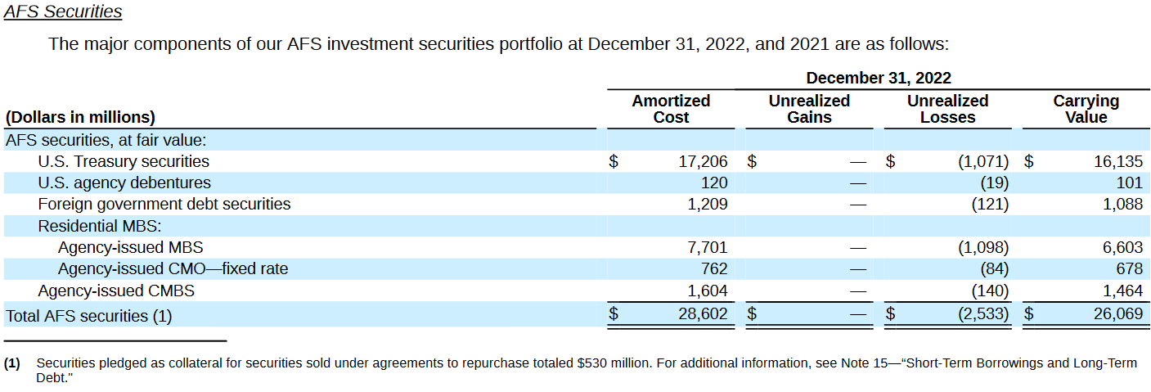
p123-125

HTM Breakdown
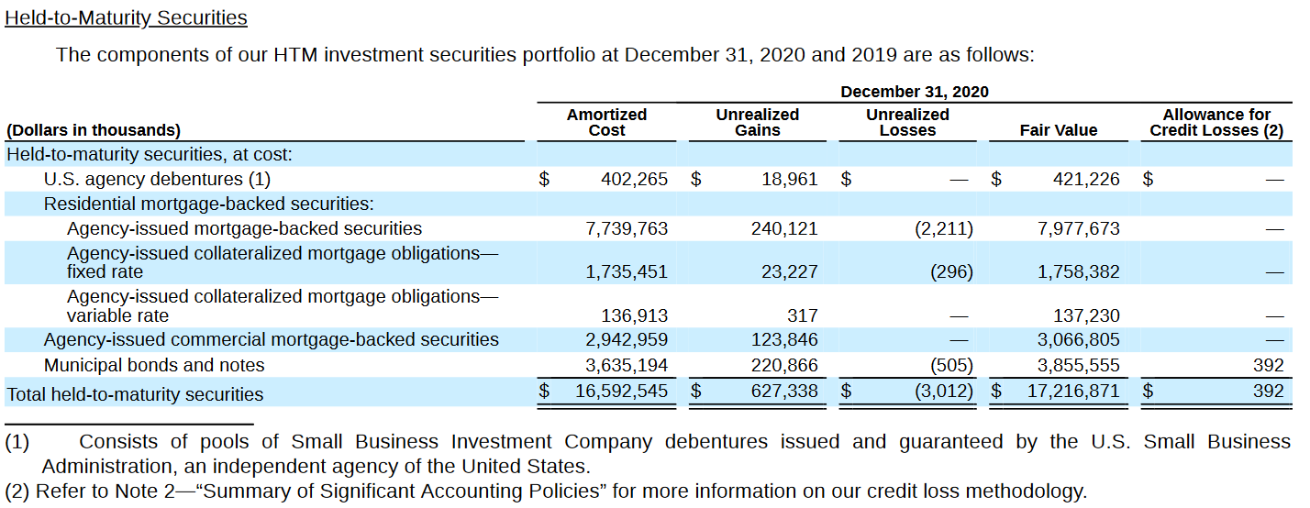
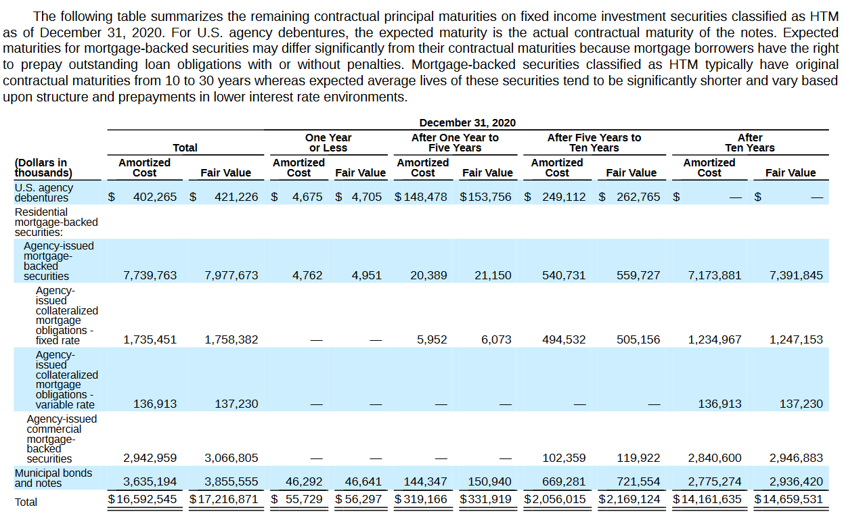
p132-134

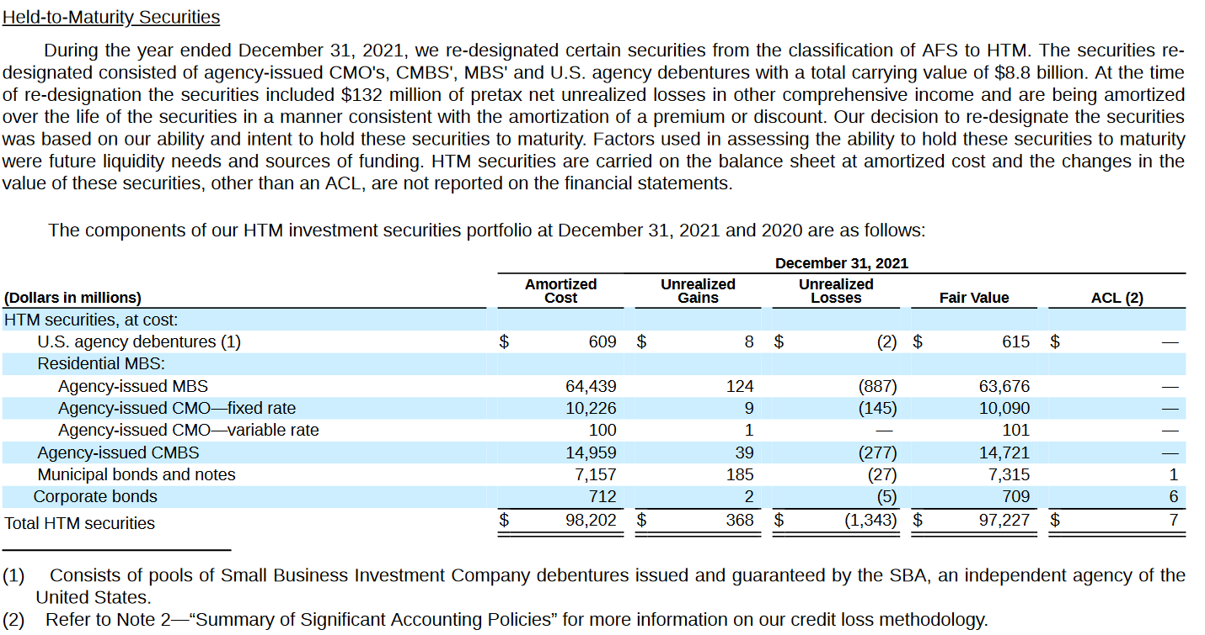
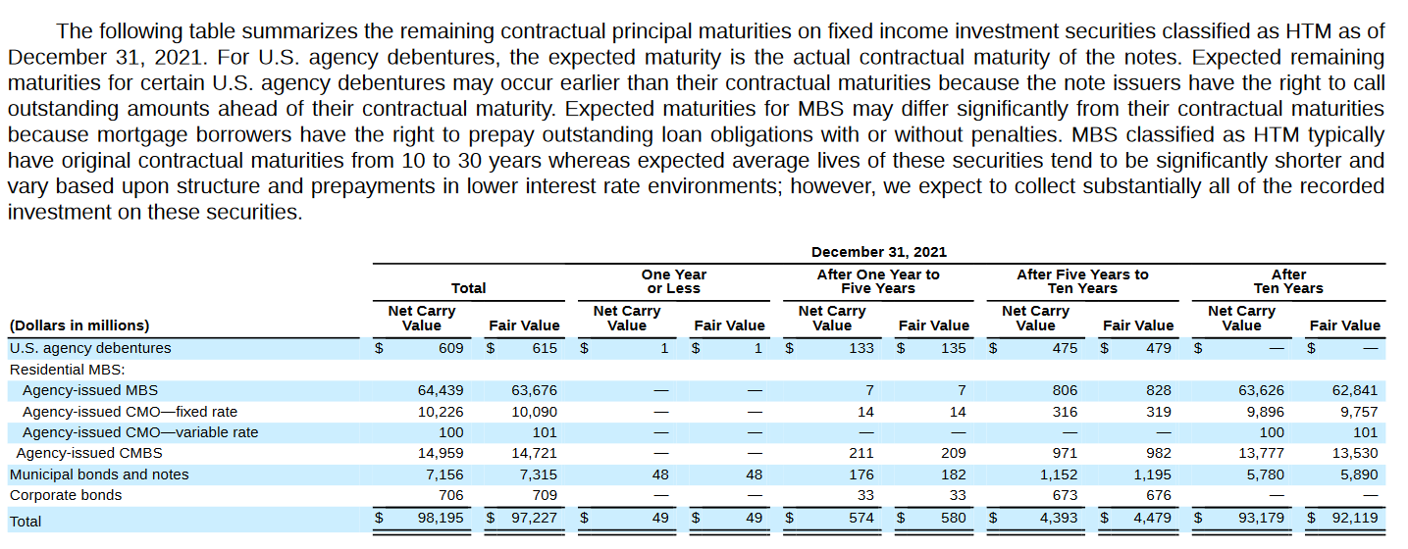
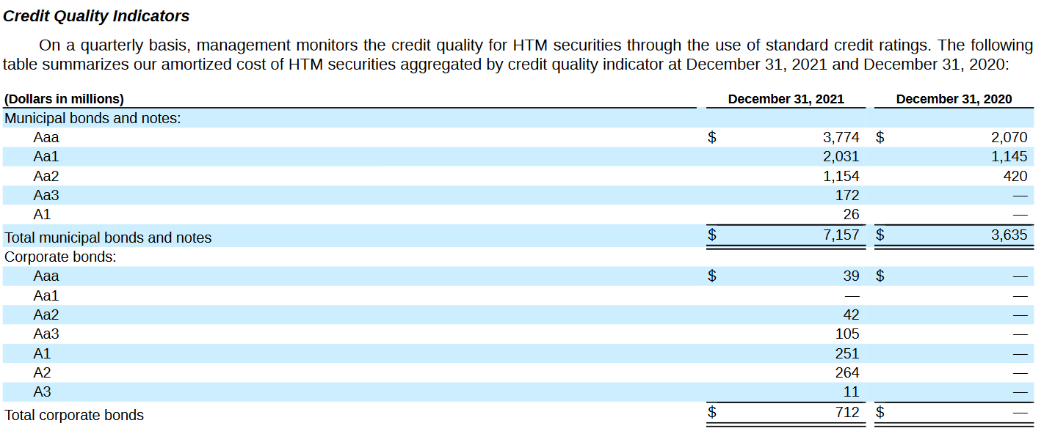
p129-131

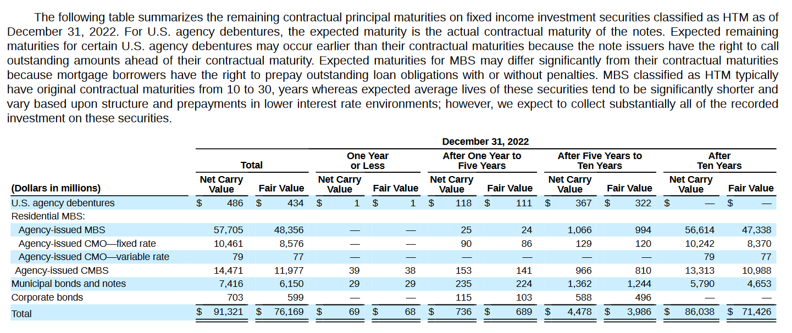
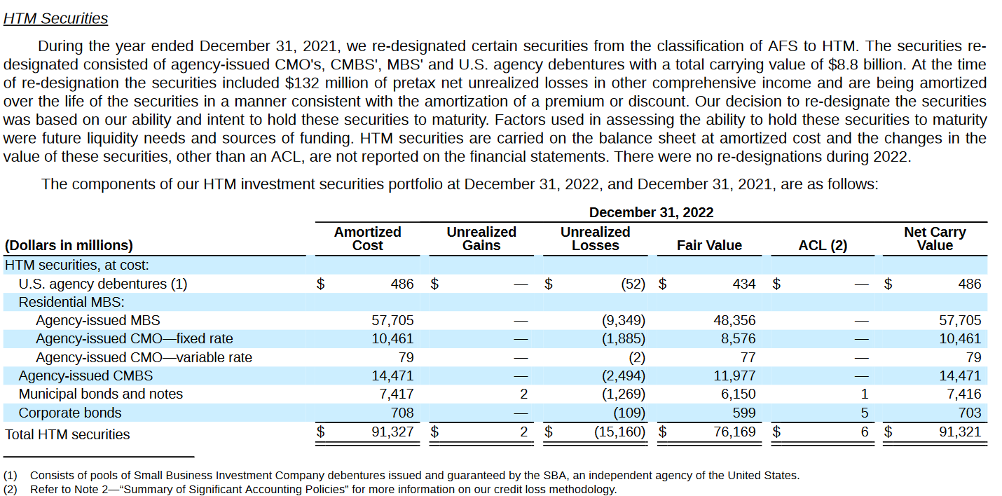
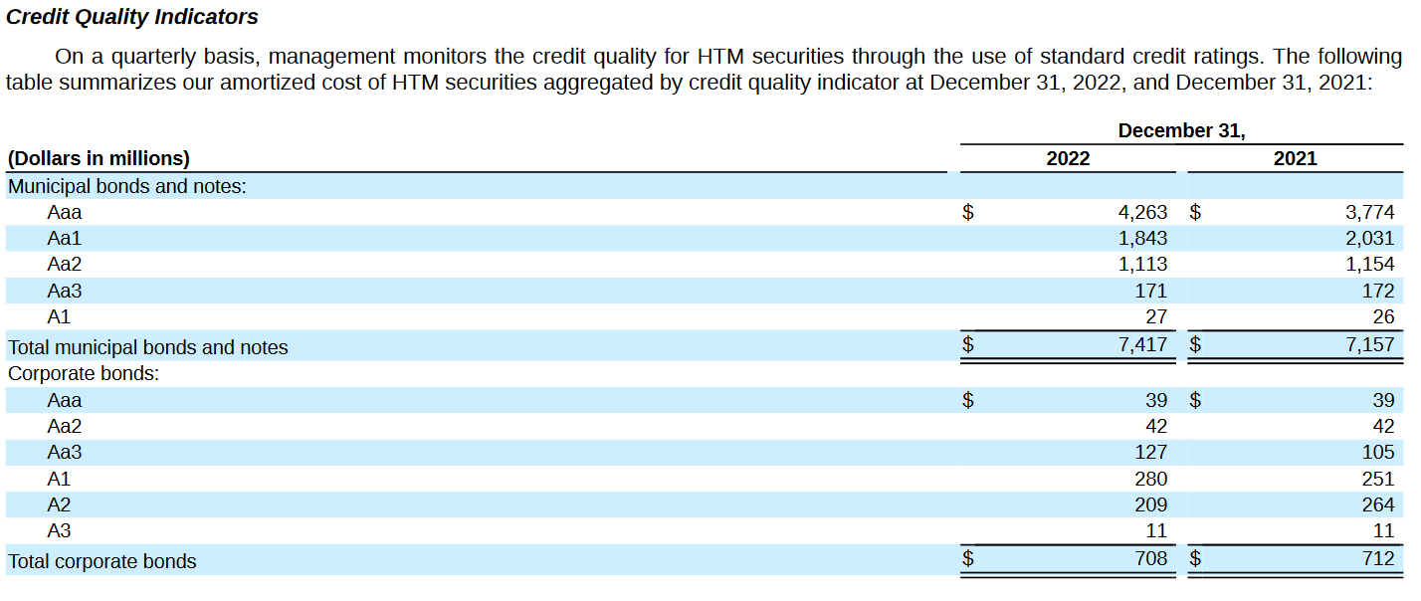
p125-127

Deposits
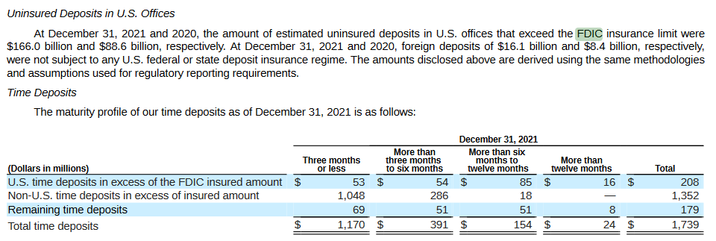
2021, p82 | US deposits | 173.103
 | Uninsured | 166
 | % | 0.95896662681

2022, p81 | US deposits | 159.209
 | Uninsured | 151.5
 | % | 0.95157937051

BS Development
Assets positions in US$ millions
Total assets and deposits in US$ millions
Year ended | Dec-19 | Dec-20 | Dec-21 | Dec-22
Total assets | 71,005 | 115,511 | 211,478 | 211,793
Total deposits | 61,758 | 101,955 | 189,203 | 173,109
Loan-to-deposit ratio of SVB | 53.70 | 44.31 | 34.81 | 42.52
Benchmark | 72.40 | 60.30 | 57.10 | 63.60 | 63.35

AFS securities (cost) | 13,843 | 30,245 | 27,370 | 28,602
AFS securities (fair value) | 14,015 | 30,913 | 27,221 | 26,069
HTM securities (amortized cost) | 13,843 | 16,592 | 98,195 | 91,321
HTM securities (fair value) | 14,115 | 17,217 | 97,277 | 76,169
Loans (amortized cost) | 33,164 | 45,181 | 65,854 | 73,614

Noninterest-bearing demand deposits | 40,842 | 66,519 | 125,851 | 80,753
Interest-bearing deposits | 20,916 | 35,436 | 63,352 | 92,356
Loan-to-deposit ratio in %
Liabilities positions in US$ millions
HTM growth |  |  | 5.9182135969
Accounting diff |  |  |  | 15152

demand growth |  | 0.62870820098 | 0.89195568184 | -0.35834439138
deposit growth |  | 0.69418619611 | 0.78778643188 | 0.45782295744

Total liabilities | 64,384 | 107,078 | 194,869 | 195,498
Total equity | 6,621 | 8,433 | 16,609 | 16,295 | w/o non contolling interest
Debt-to-equity ratio | 9.72 | 12.70 | 11.73 | 12.00
Benchmark

Equity ratio of SVB | 9.32 | 7.30 | 7.85 | 7.69
Benchmark | 11.25 | 9.78 | 8.95 | 9.34

Deposits-to-liabilities | 0.95921310855 | 0.95215637199 | 0.97092405667 | 0.88547708928
Equity ratio in %
Comparison (amortized) cost and fair value
Deposits-to-assets ratio of SVB | 86.97682046 | 88.264315798 | 89.466989474 | 81.734995963
Benchmark | 74.470562427 | 78.23338326 | 79.09478875 | 77.633025602

Net Income

Ast growth |  | 1.6268032505 | 1.8308038817 | 1.0014895166

Deposits-to-assets ratio in %

