Conventions
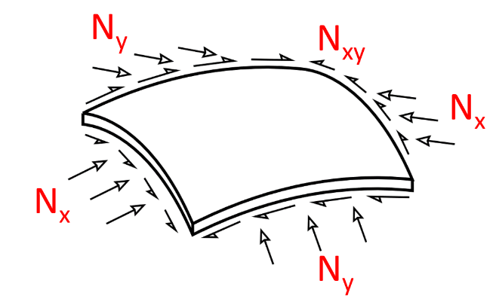
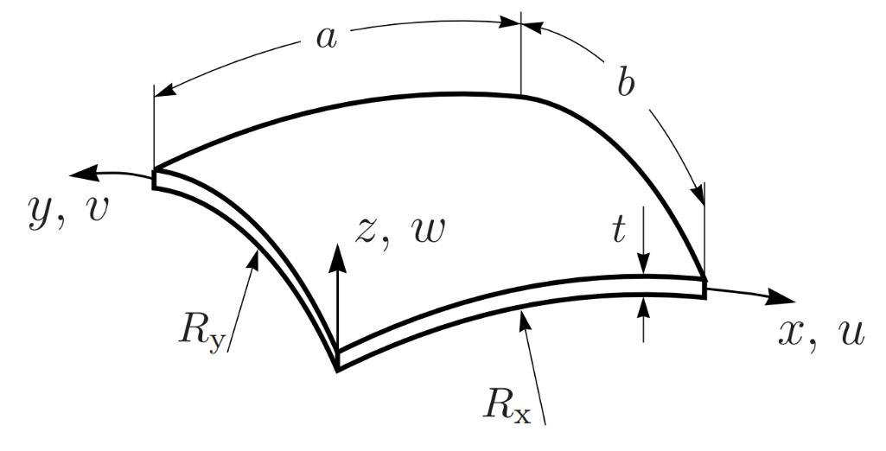

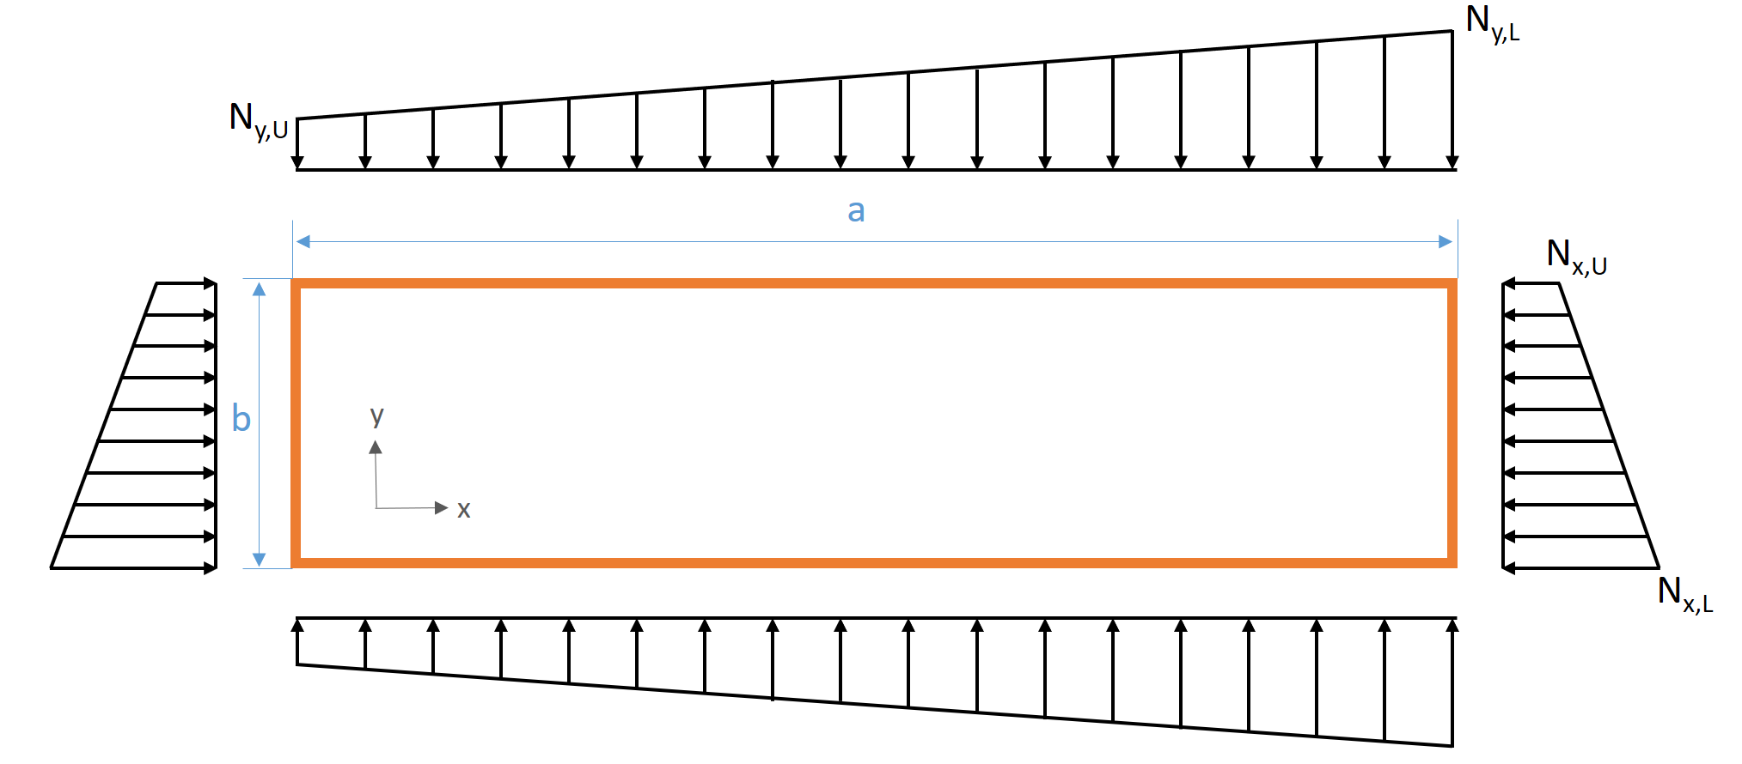

ABD_Matrix
A
B
B
D
=
161831 | 58255 | 0 | -34464 | -752 | 0
58255 | 187473 | 0 | -752 | -1899 | 0
0 | 0 | 64968 | 0 | 0 | -903
-34464 | -752 | 0 | 602388 | 258803 | 19797
-752 | -1899 | 0 | 258803 | 709115 | 19797
0 | 0 | -903 | 19797 | 19797 | 277468

