PJ2 Mine
 | Beam Pump Design

 |  |  |  |  |  |  |  |  | PNGE 420 - Jake Westling - Project 2

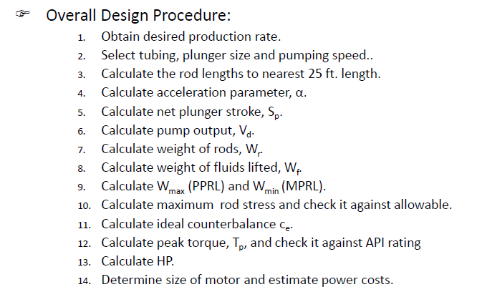
 | Parameters Needed: |  |  |  |  | Calculations:
 | PD | 250 | STB/D |  |  | Calculate Non-Dimensional Variables
 | H | 5019 | ft |  |  | Fo | 4778 | lb
 | L | 10038 | ft |  |  | 1/kr | 1.074E-02 | in/lb
 | Tubing Size | 2.875 | in |  |  | Skr | 11172 | lb
 | Anchored? | No |  |  |  | Fo/Skr | 0.428
 | D | 2 | in |  |  | N/No | 0.287
 | G | 0.7 |  |  |  | N/No' | 0.257
 | N | 7 | spm |  |  | 1/kt | 2.218E-03 | in/lb
 | S | 120 | in |  |  | Solve for Sp and PD
 | Sucker Rods | #65 |  |  |  | Sp/S | 0.860 |  | Fig 4.1
 | 48.00% | 0.625 | in |  |  | Sp | 92.6 | in
 | 52.00% | 0.75 | in |  |  | PD | 302 | STB/D
 | Record Factors from Tables 1 & 2 |  |  |  | CHECK: | Pump Displacement is sufficient.
 | Wr | 1.394 | lb/ft | T4.1 col3 |  | Determine Non-Dimensional Parameters
 | Er | 1.07E-06 | in/lb-ft | T4.1 col4 |  | W | 13993 | lb
 | Fe | 1.114 |  | T4.1 col5 |  | Wrf | 12739 | lb
not anchored only | Et | 2.21E-07 | in/lb-ft | T4.2 col5 |  | Wrf/Skr | 1.140
 | Sucker Rod Grade |  |  |  |  | Record Non-Dimensional Factors |  |  | Fig 4.2-4.6
 | Grade | K |  |  |  | F1/Skr | 0.618 |  | 4.2
 | Minimum Tensile Strength | 8.50E+04 | psi |  |  | F2/Skr | 0.187 |  | 4.3
 | Designation |  |  |  |  | 2T/S2kr | 0.365 |  | 4.4
 | Max Torque | 4.56E+05 | lb-in |  |  | F3/Skr | 0.33 |  | 4.5
 | Rod Load Rating | 30500 | lb |  |  | %Chart Value | -0.009 |  | 4.6 | to frac
 | Stroke Length | 120 | in |  |  | Adjustments for Peak Torque
 |  |  |  |  |  | Ta | 0.926
 |  |  |  |  |  | Solve for Operating Characteristics
 |  |  |  |  |  | PPRL | 19643 | lb
 |  |  |  |  |  | MPRL | 10645 | lb
 |  |  |  |  |  | PT | 226813 | lb-in
 |  |  |  |  |  | PRHP | 7.8
 |  |  |  |  |  | CBE | 16036 | lb
 |  |  |  |  |  | PPRL/Ar | 31428 | psi

 |  |  |  |  | CHECK: | Sucker Rod Grade is sufficient. |  |  | Polished rod
 |  |  |  |  | CHECK: | Pump Torque is sufficient. |  |  | Peak Torque
 |  |  |  |  | CHECK: | Rod Load Rating is sufficient.

