graph_response_time
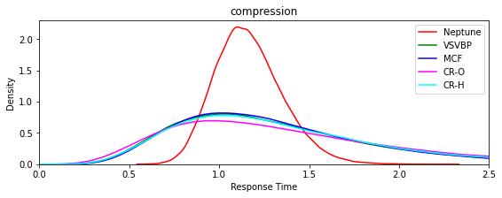
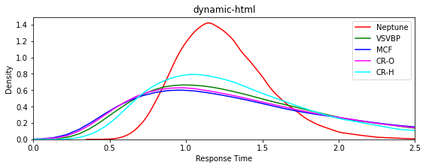

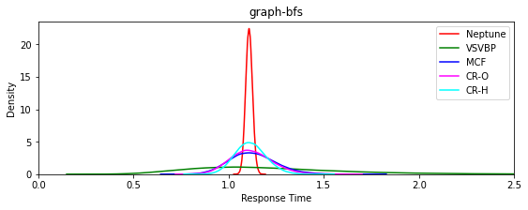
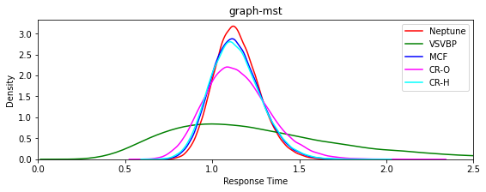

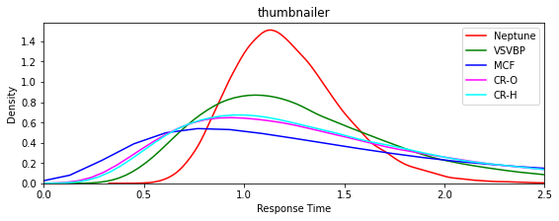

graph_core
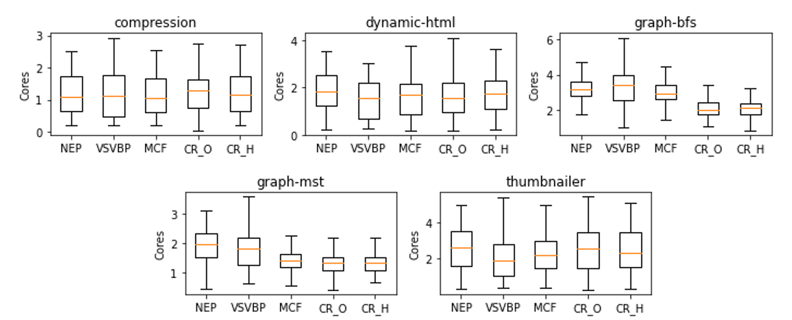

count_nodes
Percentage nodes used Multi-Region
N0 |  |  | Neptune | VSVBP | MCF | CR-O | CR-H
 | Compresion | N0 | 80% | 87% | 86% | 86% | 82%
 |  | N1 | 0% | 12% | 5% | 8% | 7%
 |  | N2 | 20% | 2% | 10% | 5% | 11%
 | Dynamic | N0 | 80% | 85% | 83% | 84% | 84%
 |  | N1 | 0% | 10% | 13% | 11% | 3%
 |  | N2 | 20% | 5% | 4% | 4% | 13%
 | Graph-bfs | N0 | 82% | 85% | 84% | 84% | 83%
 |  | N1 | 0% | 6% | 6% | 16% | 17%
 |  | N2 | 18% | 9% | 10% | 0% | 0%
 | Graph-mts | N0 | 83% | 84% | 83% | 84% | 81%
 |  | N1 | 2% | 8% | 14% | 16% | 19%
 |  | N2 | 15% | 8% | 3% | 0% | 0%
 | Thumbnailer | N0 | 80% | 86% | 83% | 86% | 77%
 |  | N1 | 0% | 13% | 8% | 9% | 5%
 |  | N2 | 20% | 2% | 9% | 5% | 18%

