Graph_response_time
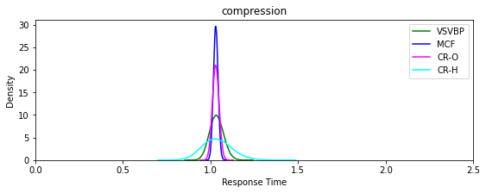
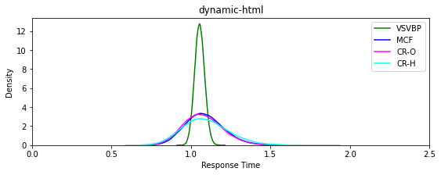
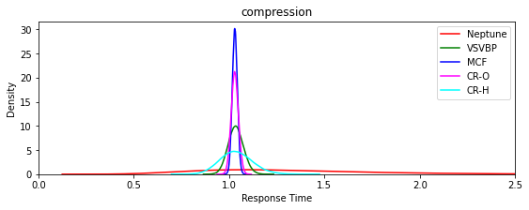
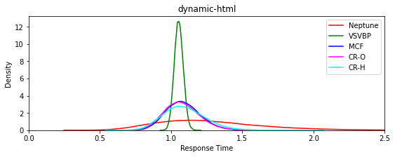

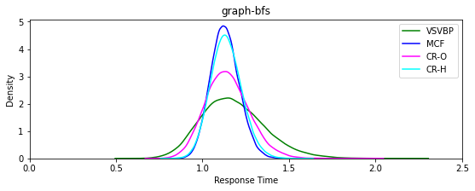
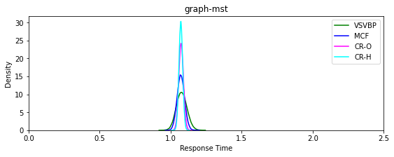

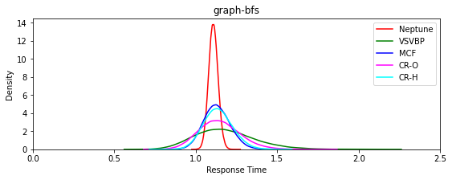
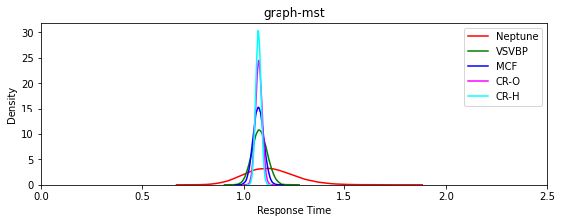

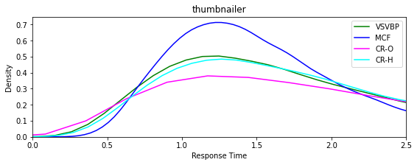
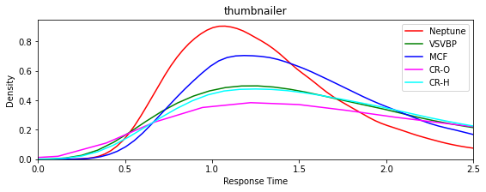

core_graph
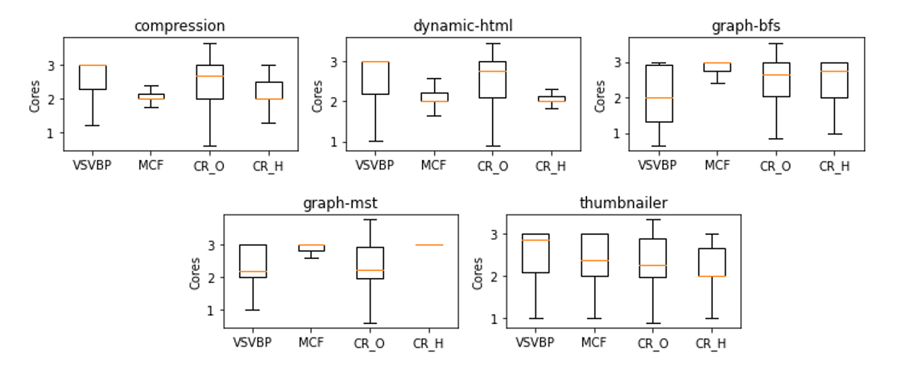
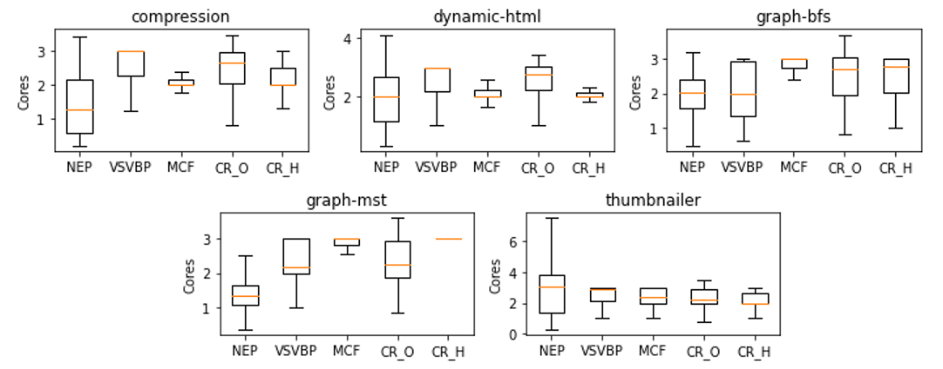

count_nodes
Percentage nodes used without PI controller
 |  |  | Usage nodes (%)
Function |  | NEP | VSVBP | MCF | CR-O | CR-H
Compresion | N0 | 71.885% | 77.508% | 78.471% | 72.482% | 77.658%
 | N1 | 10.008% | 6.143% | 15.822% | 10.577% | 15.311%
 | N2 | 18.107% | 16.348% | 5.707% | 16.941% | 7.031%
Dynamic | N0 | 73.031% | 76.830% | 74.495% | 72.408% | 78.466%
 | N1 | 8.356% | 6.079% | 18.171% | 7.205% | 17.089%
 | N2 | 18.612% | 17.091% | 7.334% | 20.387% | 4.445%
Graph-bfs | N0 | 70.862% | 79.746% | 70.740% | 73.180% | 71.191%
 | N1 | 29.138% | 11.985% | 6.061% | 9.434% | 11.357%
 | N2 | 0.000% | 8.270% | 23.199% | 17.386% | 17.452%
Graph-mts | N0 | 71.096% | 78.712% | 70.596% | 74.593% | 72.619%
 | N1 | 28.904% | 9.626% | 5.847% | 13.377% | 1.714%
 | N2 | 0.000% | 11.661% | 23.558% | 12.029% | 25.668%
Thumbnailer | N0 | 72.171% | 75.733% | 73.262% | 74.729% | 79.538%
 | N1 | 18.382% | 8.208% | 11.370% | 14.135% | 12.290%
 | N2 | 9.447% | 16.058% | 15.368% | 11.136% | 8.172%

