graph_response_time
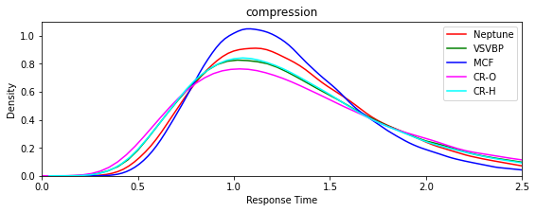
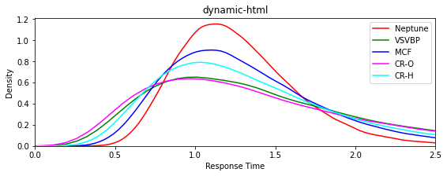

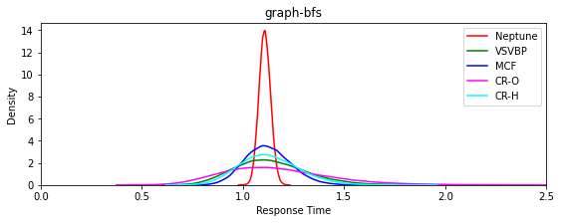
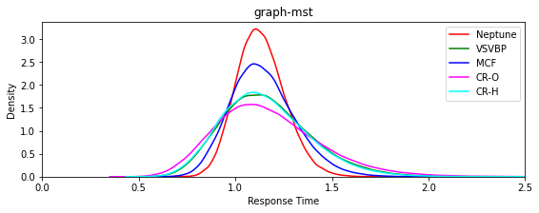

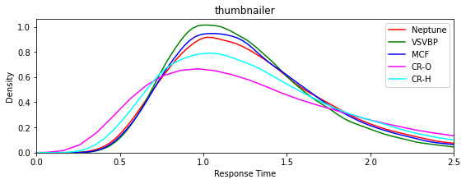

graph_core
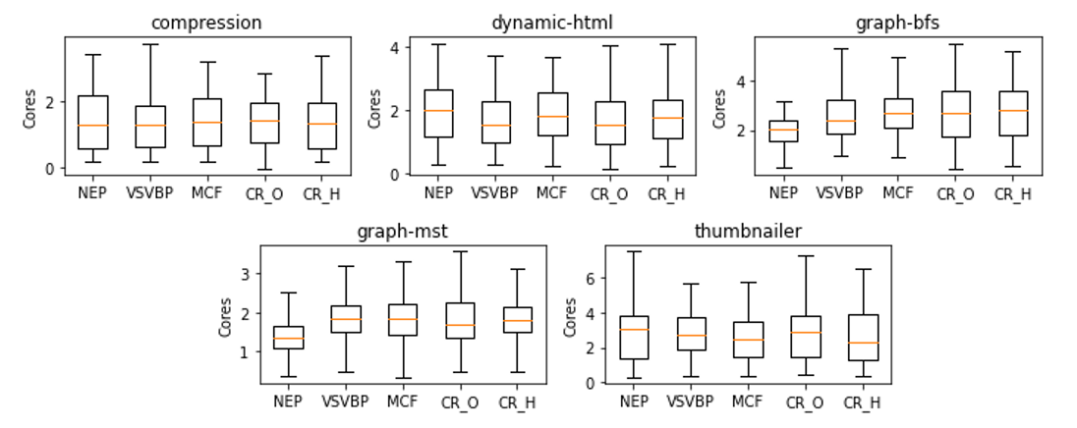

count_nodes
Percentage nodes used Single-Region
 |  |  | Usage nodes (%)
Function |  | NEP | VSVBP | MCF | CR-O | CR-H
Compresion | N0 | 72% | 78% | 72% | 75% | 74%
 | N1 | 10% | 4% | 5% | 17% | 9%
 | N2 | 18% | 18% | 23% | 7% | 17%
Dynamic | N0 | 73% | 78% | 75% | 74% | 75%
 | N1 | 8% | 9% | 4% | 19% | 11%
 | N2 | 19% | 13% | 22% | 7% | 13%
Graph-bfs | N0 | 70.862% | 74% | 72% | 71% | 73%
 | N1 | 29.138% | 18% | 15% | 22% | 20%
 | N2 | 0.000% | 8% | 13% | 7% | 7%
Graph-mts | N0 | 71% | 72% | 71% | 74% | 71%
 | N1 | 29% | 9% | 12% | 15% | 5%
 | N2 | 0% | 19% | 18% | 11% | 23%
Thumbnailer | N0 | 72% | 76% | 78% | 72.921% | 76%
 | N1 | 18% | 7% | 8% | 24.227% | 13%
 | N2 | 9% | 17% | 13% | 2.852% | 11%

