Dashboard
Perceivable | 56
Operable | 4
Understandable | 4
Robust | 11
 | Violations
A | 33
AA | 42
AAA | 0
Total Violations | Total criteria found |  | Total guidelines found | Total principles found | Per Principle |  |  | Per Level
75 | 7 |  | 6 | 4

Top 5 criteria |  |  | Top 5 guidelines

Overall Analysis
Violations per principle
 | Violations
Perceivable | 56
Operable | 4
Understandable | 4
Robust | 11
Volations per level
A | 33
AA | 42
AAA | 0

Pivot table Analysis

 |  | Criteria Analysis
 | Total
2.4.4 - Link purpose (in context) - 9.2.4.4 | 1
2.1.1 - Keyboard - 9.2.1.1 | 3
1.1.1 - Non-text content - 9.1.1.1 | 7
1.4.1 - Use of colour - 9.1.4.1 | 7
1.4.3 - Contrast (minimum) - 9.1.4.3 | 42
4.1.2 - Name, role, value - 9.4.1.2 | 11
3.1.1 - Language of page - 9.3.1.1 | 4

 | Total
2.4.4 - Link purpose (in context) - 9.2.4.4 | 1
2.1.1 - Keyboard - 9.2.1.1 | 3
1.1.1 - Non-text content - 9.1.1.1 | 7
1.4.1 - Use of colour - 9.1.4.1 | 7
1.4.3 - Contrast (minimum) - 9.1.4.3 | 42
4.1.2 - Name, role, value - 9.4.1.2 | 11
3.1.1 - Language of page - 9.3.1.1 | 4

 |  | Guideline Analysis
 | Total
2.4 - Navigable | 1
2.1 - Keyboard Accessible | 3
1.1 - Text Alternatives | 7
1.4 - Distinguishable | 49
4.1 - Compatible | 11
3.1 - Readable | 4

 | Total
2.4 - Navigable | 1
2.1 - Keyboard Accessible | 3
1.1 - Text Alternatives | 7
1.4 - Distinguishable | 49
4.1 - Compatible | 11
3.1 - Readable | 4

Site violations
 | compliance | other
consevangelou | 0 | 0
cypruspost | 46 | 7
dsf | 0 | 4
govcy | 2 | 11
idme | 8 | 3
kep-kepo | 16 | 63
presidency | 3 | 7
 |  |  |  |  | Site | Compliance | Other
 |  |  |  |  | consevangelou | ✅ 0 | ✅ 0
 |  |  |  |  | cypruspost | ❌ 46 | ⚠️ 7
 |  |  |  |  | dsf | ✅ 0 | ⚠️ 4
 |  |  |  |  | govcy | ❌ 2 | ⚠️ 11
 |  |  |  |  | idme | ❌ 8 | ⚠️ 3
 |  |  |  |  | kep-kepo | ❌ 16 | ⚠️ 63
 |  |  |  |  | presidency | ❌ 3 | ⚠️ 7

Instructions
How to changes source file

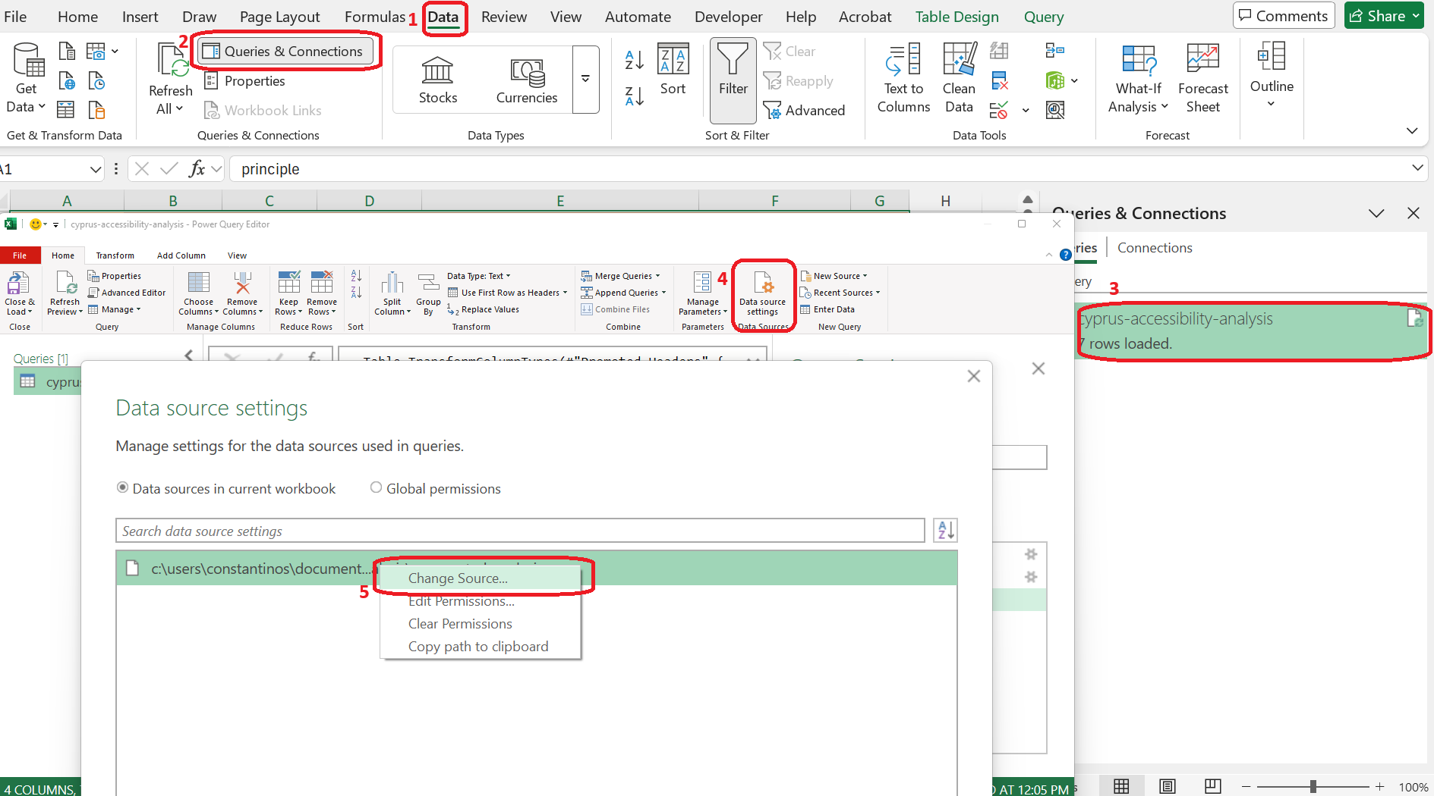

Sample source file (csv)
principle | guidelineId | criterionId | occurrences
Understandable | 3.1 | 3.1.1 | 4
Robust | 4.1 | 4.1.2 | 11
Perceivable | 1.4 | 1.4.3 | 49

