Blad1
gridsize | 131
Elf steps | 26501365

no_full | 202300
full | inf | 40924885401 | 7496 | remainder=1
 |  | 40925290000 | 7570 | remainder=0
 |  |  |  | full_plots | diamond points | ang small | ang big
 |  |  |  | 616577386265896 | 22586 | 779461900 | 5317429215 | 616583483179597 |  |  | 309813627296195 | too low
 |  |  |  |  |  | 779461900 |  |  |  |  | 619611946952195

RO | 64 | 965 | 195219500 | remainder=0
RO | 195 | 6582 | 1331532018 | remainder=1

LO | 64 | 980 | 198254000 | remainder=0
LO | 195 | 6584 | 1331936616 | remainder=1

LB | 64 | 963 | 194814900 | remainder=0
LB | 195 | 6549 | 1324856151 | remainder=1 |  |  |  | # at even | 1008 | even reachable | 8581 | 7573
 |  |  |  |  |  |  |  | # at odd | 1081 | odd reachable | 8580 | 7499
RB | 64 | 945 | 191173500 | remainder=0
RB | 195 | 6570 | 1329104430 | remainder=1

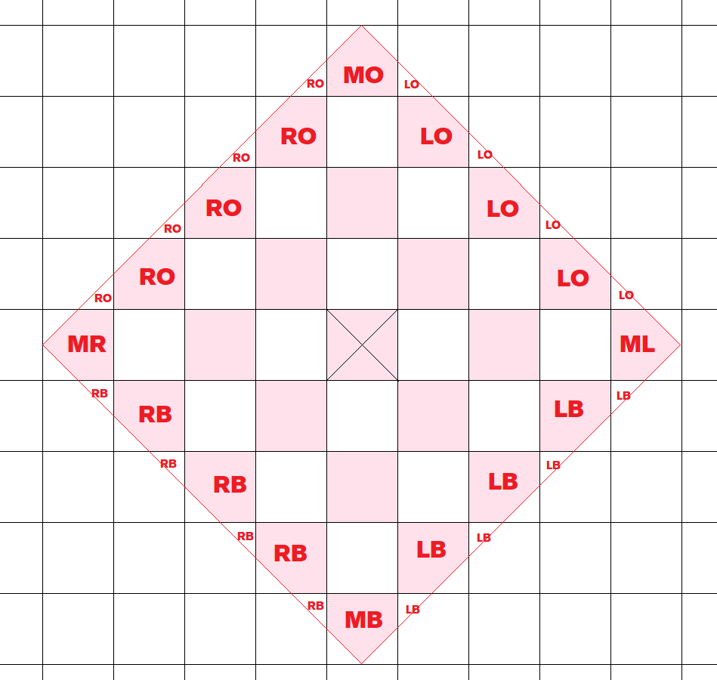
MB | 130 | 5623
MO | 130 | 5670
ML | 130 | 5637
MR | 130 | 5656

