Blad1
Elf steps | 26501365
Gridsize | 131
steps to grid edge going straight | 65
no grids crossed going straight | 202300 |  | no grids where all plots were visited | no of plots per grid
 |  |  | 40924885401 | 7496 | remainder=1
 |  |  | 40925290000 | 7570 | remainder=0

full squares | diamond points (mid edge enter) | diamond edge small (corner enter) | diamond edge large (corner enter) | DAY 21 PART 2 ANSWER
616577386265896 | 22586 | 779461900 | 5317429215 | 616583483179597

Diamond edges | no steps after entered corner/edge | no of plots visited
RO small | 64 | 965 | 195219500 | remainder=0 | Rock research
RO large | 195 | 6582 | 1331532018 | remainder=1 | # at even | 1008 | even reachable | 8581 | 7573
LO small | 64 | 980 | 198254000 | remainder=0 | # at odd | 1081 | odd reachable | 8580 | 7499
LO large | 195 | 6584 | 1331936616 | remainder=1
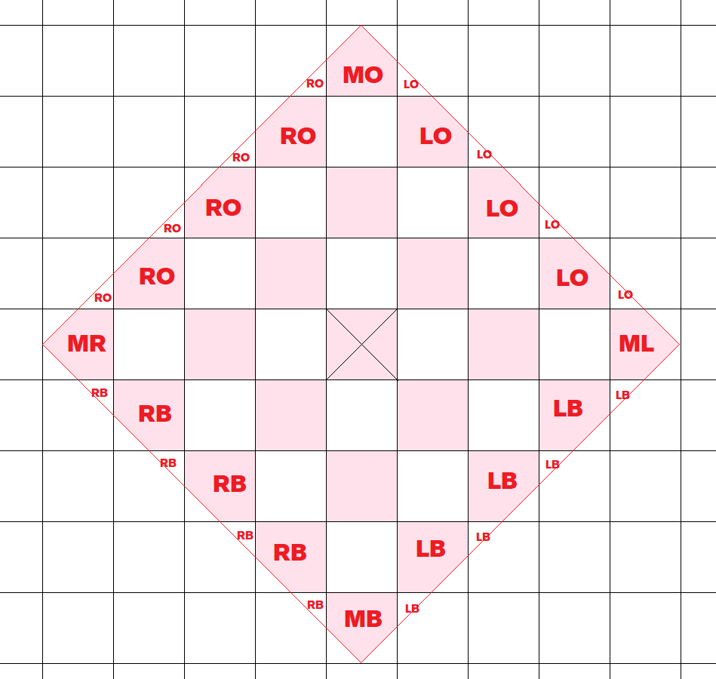
LB small | 64 | 963 | 194814900 | remainder=0
LB large | 195 | 6549 | 1324856151 | remainder=1
RB small | 64 | 945 | 191173500 | remainder=0
RB large | 195 | 6570 | 1329104430 | remainder=1
Diamond points
MB | 130 | 5623 |  | remainder=1
MO | 130 | 5670 |  | remainder=1
ML | 130 | 5637 |  | remainder=1
MR | 130 | 5656 |  | remainder=1

