Lamivudine(LAM)
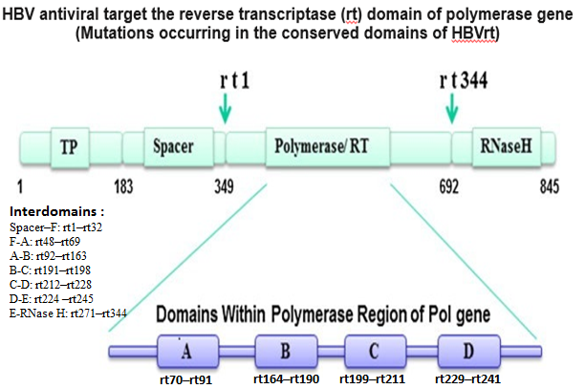
Lamivudine (LAM)
 | Mutation | Subdomain | Genotype | References
 | A181T | B | A, B, C, D | Lynne Strasfeld , Liu et all , Young-Suk Lim, Chio et all
 | A181T+N236T | B/D |  | Young-Suk Lim
 | A181V | B | A, B, C, D | Lynne Strasfeld , Liu et all , Salpini et all, Chio et all, Young-Suk Lim, Qian et all
 | A200V | C | B,C | Choi et all
 | F166L | B |  | Choi et all
 | I91L | A | B,C,D | Ciftci et all , Panigrahi et all, Chio et all
 | L180M | C | A,B,C,D | Korea study , Salpini et all, Liu et all , He et all, Lok et all, Chio et all
 | L180M + M204V | C/C | D , A | Zoulim and Locarnini , Lucas et all, Young-Suk Lim
 | L180M+M204V/I±I169T±M250 |  | B | Young-Suk Lim, Zhaoa et all
 | L180M+M204V/I±S202 |  | B | Young-Suk Lim
 | L180M+M204V/I±T184 |  | B | Young-Suk Lim
 | L229F | B | B,C,D | Choi et all
 | L229G/V/W | B | B,C | Choi et all, Liu et all
 | L80I | A | A,B,C,D | Lok et all, Lynne Strasfeld, Chio et all
 | L80V | A | A,B,C,D | Lynne Strasfeld, Al Baqlani et all, Chio et all, Yamani et all
 | L82M | A | C | Liu et all , Chio et all
 | L91I | A | C | Wasityastuti et all
 | M204I + rtL80IV + rtL180M |  |  | Lucas et all
 | M204I/V/S | C | A,B,C,D | Zoulim and Locarnini , Lucas et all, Young-Suk Lim , Ciftci et all , He et all, Al Baqlani et allChoi et all
 | M204I+ L80IV |  | D | Lucas et all
 | M204V + L80IV |  | D , A | Lucas et all
 | M204V +L180M + L80IV |  | D | Lucas et all
 | M204VI | C |  | Lucas et all
 | M204VI + L180M |  | D | Lucas et all
 | M204VI + L80IV |  | D | Lucas et all
 | M204VI + rL180M + rtL80IV |  | D | Lucas et all
 | N236A | D | B | He et all, Zhao et all
 | Q215E/H/P/S | C | A,B,C,D | Choi et all
 | Q215P | C |  | Liu et all
 | Q215S | C | D | Liu et all , Salpini et all, Al Baqlani et all
 | R153Q |  | C | Wasityastuti et all, Yamani et all
 | S/C256G |  | B,C | Choi et all
 | S202C | C | C | Lok et all
 | S202C/G/I |  | A,B,C,D | Choi et all
 | S213T |  | A,D,B,C | He et all, et all
 | S246A |  |  | Wasityastuti et all
 | S256G |  | C | Wasityastuti et all, Yamani et all
 | S53N |  | B, C | Ciftci et all , Liu et all, Choi et all
 | T184A/C/F/G/I/L/M/N/S | B | A,B,C,D | Choi et all, He et all, Lok et all, Yamani et all
 | V173L | C | A,D,B,C | Salpini et all , He et all, Qian et all, Choi et all, Widasari et all
 | V191I |  | B,C,D | Liu et all , Salpini et all, Choi et all
 | V207G | C | C | Wang et all
 | V207I | C | A,D,B,C | Wang et all, Chio et all
 | V207L | C | C | Wang et all
 | V207M | C |  | He et all
 | V214A |  | D,C | He et all, Taramasso et all
 | W153Q/R/E |  | B,C,D | Choi et all

