SAMPLE COMMAND
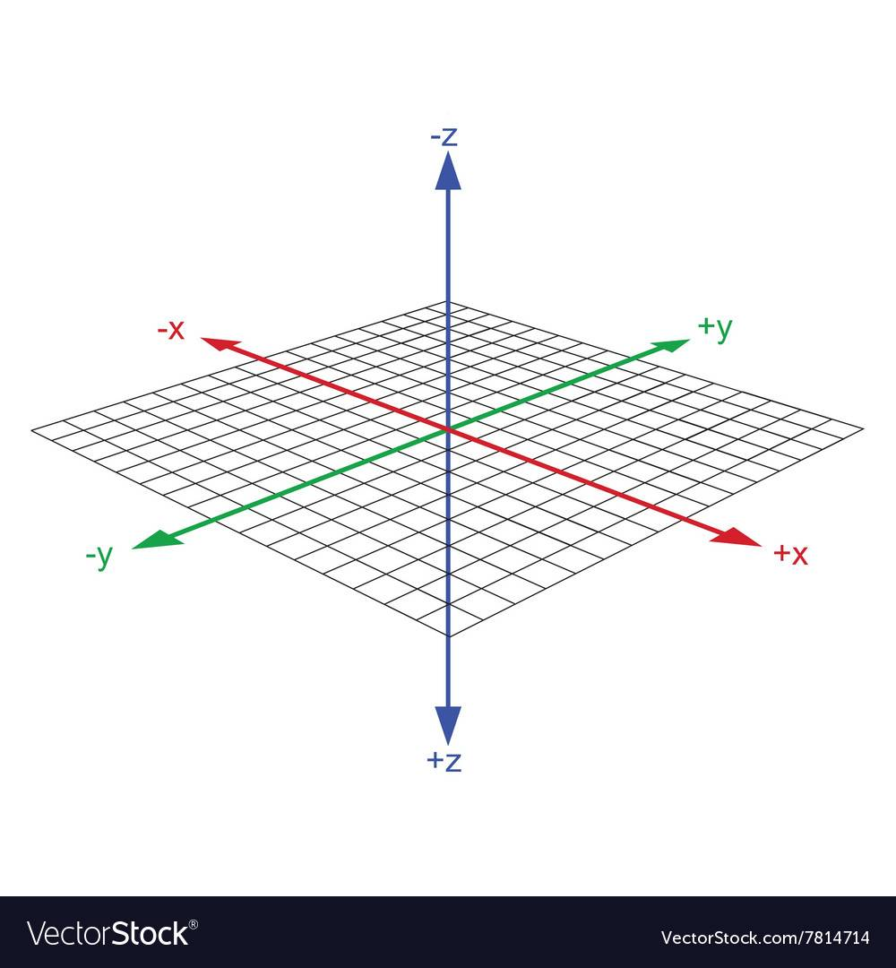
Nomor | Command | V0 | V1 | V2 | A0 | A1 | A2 | A3 | INFORMATION | AXIS
0
1 | MOVE-NPC | -1 | 1 | 1 | (NAMA_NPC) | (DIR↙) | (value) | (ANIMATION1) | BASIC MOVE
1 | MOVE-NPC | -1 | 1 | 1 | (NAMA_NPC) | (DIR↖) | (value) | (ANIMATION2)
1 | MOVE-NPC | -1 | 1 | 1 | (NAMA_NPC) | (DIR↗) | (value) | (ANIMATION3)
1 | MOVE-NPC | -1 | 1 | 1 | (NAMA_NPC) | (DIR↘) | (value) | (ANIMATION4)
2 | OPENTEXTBOX | -1 | 2 | 1 | (MESSEGE0) | (INDEXxxx) | (-1) | (0) | BUKA TEXTBOX
3 | 03
4 | SETNPCPOS | -1 | -1 | 0 | (NAMA_NPC) | (Zvalue) | (Xvalue) | (Yvalue) | SET POSISI NPC
5 | SETNPCDIR | -1 | -1 | 0 | (NAMA_NPC) | (ANIMATION0) | (DIR↙) | (1) | SET DIRECTION NPC
5 | SETNPCDIR | -1 | -1 | 0 | (NAMA_NPC) | (ANIMATION0) | (DIR↖) | (1)
5 | SETNPCDIR | -1 | -1 | 0 | (NAMA_NPC) | (ANIMATION0) | (DIR↗) | (1)
5 | SETNPCDIR | -1 | -1 | 0 | (NAMA_NPC) | (ANIMATION0) | (DIR↘) | (1)
6 | 06
7 | 07
8 | CHANGEMAP | -1 | -1 | 1 | (MAPPANTAISPRING) | (0) | (0) | (0) | MENGGANTI MAP
9 | MOVE-CAM-TO-POS | -1 | 9 | 0 | (-1) | (Z0) | (Xvalue) | (Yvalue) | GERAKAN KAMERA KE POSISI TUJUAN
10 | 0A
11 | 0B
12 | 0C
13 | 0D
14 | 0E
15 | 0F
16 | 10
17 | 11
18 | 12
19 | 13
20 | 14
21 | MOVE-CAM
22 | 16
23 | SOUND-MV | -1 | -1 | 1 | (SOUND-MV0) | (0) | (1) | (0) | SOUND MV
23 | SOUND-MV | -1 | 23 | 1 | (SOUND-MV0) | (0) | (0) | (0)
24 | BGM | -1 | 24 | 1 | (BGM5) | (1) | (1) | (0) | BGM
25 | 19
26 | 1A
27 | LIGHT | -1 | -1 | 1 | 0 | 60 | 1 | 0 | LAYAR NORMAL KE HITAM
27 | LIGHT | -1 | 27 | 1 | 0 | 0 | 0 | 0
28 | 03 | -1 | 28 | 1 | 60 | 19 | 0 | 0
29 | LIGHT | -1 | -1 | 1 | 1 | 48 | 1 | 0 | LAYAR HITAM KE NORMAL
30 | LIGHT | -1 | -1 | 2 | 0 | 120 | 1 | 1 | LAYAR NORMAL KE PUTIH
31 | LIGHT | -1 | 31 | 1 | 0 | 0 | 0 | 0
32 | 03 | -1 | 32 | 2 | 60 | 19 | 0 | 0
33 | LIGHT | -1 | -1 | 1 | 1 | 48 | 1 | 1 | LAYAR PUTIH KE NORMAL
34 | LIGHT | -1 | 34 | 1 | 1 | 0 | 0 | 1
35 | 1C
36 | 1D
37 | 1E
38 | MC-HANDLING-ITEM | -1 | 38 | 0 | (NAMA_ITEM) | (0) | (0) | (0) | MC MEMEGANG ITEM
38 | 20
39 | 21
40 | 22
40 | 23
40 | 24
40 | RESTORE | -1 | 40 | 1 | 0 | 0 | 0 | 1 | MENGAKHIRI EVENT
40 | END | 0 | 0 | 0 | 0 | 0 | 0 | 0
40 | 26
40 | 27
40 | OPENDOOR | -1 | -1 | 0 | (DOORxx) | (0) | (3) | (0) | NPC KLUAR PINTU
40 | OPENDOOR | -1 | 40 | 1 | (DOORxx) | (2) | (0) | (0)
40 | 06 | -1 | -1 | 0 | 3 | 0 | 0 | 0
41 | MOVE-NPC(SP1) | -1 | 41 | 1 | (NAMA_NPC) | (DIR↖) | (value) | (ANIMATION2)
42 | OPENDOOR | -1 | 42 | 1 | (DOORxx) | (1) | (0) | (0)
43 | OPENDOOR | -1 | -1 | 0 | (DOORxx) | (0) | (1) | (0) | NPC MASUK PINTU
44 | OPENDOOR | -1 | 44 | 1 | (DOORxx) | (2) | (0) | (0)
45 | MOVE-NPC(SP1) | -1 | 45 | 1 | (NAMA_NPC) | (DIR↖) | (value) | (ANIMATION2)
46 | 06 | -1 | -1 | 0 | 3 | 1 | 0 | 0
47 | OPENDOOR | -1 | 47 | 1 | (DOORxx) | (1) | (0) | (0)
48 | 29
49 | 2A
50 | FLOATING-ICON | -1 | 50 | 1 | (NAMA_NPC) | (SANGAT_LOVE) | (0) | (0) | SHOW ICON DIATAS NPC
51 | FLOATING-ICON | -1 | 51 | 1 | (MC) | (SANGAT_LOVE) | (0) | (0) | SHOW ICON DIATAS MC
52 | 2C
53 | 2D
54 | 2E
55 | 2F
56 | 30
57 | 31
58 | 32
59 | MOVE-CAM-TO-NPC | -1 | 59 | 1 | (NAMA_NPC) | (0) | (1) | (2) | GERAKAN KAMERA KE TARGET NPC
60 | MOVE-CAM-TO-MC | -1 | 60 | 1 | (PETE1) | (0) | (1) | (2) | GERAKAN KAMERA KE MC
61 | SET-ITEM-POS | -1 | -1 | 0 | (NAME_ITEM) | (Zvalue) | (Xvalue) | (Yvalue) | SET POSISI ITEM
62 | 35
62 | 36
62 | 37
62 | 38
63 | 39
64 | 3A
64 | 3B
64 | 3C
64 | SETMCPOS | -1 | -1 | 0 | (PETE0) | (Zvalue) | (Xvalue) | (Yvalue) | SET POSISI MC
65 | MOVE-MC | -1 | 65 | 1 | (PETE0) | (DIR↙) | (value) | (UNK0) | BASIC MOVE MC
66 | MOVE-MC | -1 | 66 | 1 | (PETE0) | (DIR↖) | (value) | (UNK0)
67 | MOVE-MC | -1 | 67 | 1 | (PETE0) | (DIR↗) | (value) | (UNK0)
68 | MOVE-MC | -1 | 68 | 1 | (PETE0) | (DIR↘) | (value) | (UNK0)
69 | MC-ACTION | -1 | -1 | 1 | (0) | (ACT6) | (DIR↙) | (11) | AKSI MC
70 | 15 | -1 | -1 | 0 | 2 | 0 | 0 | 0
71 | 03 | -1 | 71 | 1 | 70 | 2 | 0 | 0
72 | SET-MC-DIR | -1 | -1 | 0 | (DIR↙) | (0) | (0) | (0) | SET DIRECTION MC
73 | SET-MC-DIR | -1 | -1 | 0 | (DIR↖) | (0) | (0) | (0)
74 | SET-MC-DIR | -1 | -1 | 0 | (DIR↗) | (0) | (0) | (0)
75 | SET-MC-DIR | -1 | -1 | 0 | (DIR↘) | (0) | (0) | (0)
76 | MC-EAT-DRINK | -1 | -1 | 1 | ((KUE_MANIS)) | (0) | (2) | (0)
77 | 42
78 | 43
79 | 44
80 | DELAY | 80 | -1 | 1 | (-1) | (0) | (536870912) | (0) | DELAY
81 | SOUND-EFFECT | -1 | -1 | 0 | (0) | (0) | (0) | (0)
82 | 47
83 | 48
84 | 49
85 | 4A
83 | 4B
84 | ADVANCE-TIME | -1 | -1 | 0 | (HOUR2) | (MINUTE30) | (0) | (0) | MAJUKAN JAM
85 | 4D
86 | 4E
87 | 4F
88 | 50
89 | 51
90 | MOVE-NPC(SP1) | -1 | 90 | 1 | (NAMA_NPC) | (DIR↙) | (value) | (ANIMATION1) | MOVE NPC CEPAT
91 | MOVE-NPC(SP1) | -1 | 91 | 1 | (NAMA_NPC) | (DIR↖) | (value) | (ANIMATION2)
92 | MOVE-NPC(SP1) | -1 | 92 | 1 | (NAMA_NPC) | (DIR↗) | (value) | (ANIMATION3)
93 | MOVE-NPC(SP1) | -1 | 93 | 1 | (NAMA_NPC) | (DIR↘) | (value) | (ANIMATION4)
94 | 53
95 | 54
96 | 55
97 | 56
98 | 57
99 | 58
100 | 59
101 | 5A
102 | 5B
103 | 5C
104 | 5D
105 | 5E
106 | 5F
107 | 60
108 | 61
109 | 62
110 | LIGHT | -1 | -1 | 1 | 2 | 48 | 1 | 0 | OPEN TEXT BOX PADA LAYAR HITAM
111 | 0F | -1 | 113 | 0 | 0 | 0 | 0004 | 0001
112 | 0F | 117 | 114 | 0 | 0001 | 0000 | 0004 | 0001
113 | 1A | 115 | 112 | 0 | 0000 | 0001 | 0000 | 0000
114 | LIGHT | 116 | 111 | 1 | 2 | 0 | 0 | 0
115 | 15 | 112 | 112 | 0 | 0000 | 0000 | 0001 | 0000
116 | 15 | 117 | 117 | 0 | 0001 | 0000 | 0001 | 0000
117 | 10 | -1 | 111 | 1 | 0000 | 0001 | 0004 | 0000
118 | 1A | -1 | -1 | 1 | 0000 | 0002 | 0000 | 0000
119 | 4D | -1 | -1 | 0 | 0001 | 0010 | 0001 | 0000
120 | 4D | -1 | 120 | 1 | 0001 | 0000 | 0000 | 0000
121 | OPENTEXTBOX | -1 | 121 | 1 | (MESSEGE0) | (INDEX0) | (-1) | (0)
122 | 1C | -1 | -1 | 0 | 0001 | 0000 | 0 | 0 | AKHIRI EVENT NPC TETEP ADA DI MAP VERSI 1
123 | 0A | -1 | -1 | 0 | 0001 | 0000 | 0 | 0
124 | 24 | 129 | -1 | 0 | -0001 | 0000 | 0 | 0
125 | 38 | 130 | -1 | 0 | 0000 | 0000 | 0 | 0
126 | 0B | 127 | 124 | 1 | -0001 | 0001 | 1 | 0
127 | 13 | -1 | -1 | 0 | 0254 | 0000 | 1 | 0
128 | OPENTEXTBOX | 124 | 128 | 1 | (MESSEGE1) | (INDEX547) | (0) | (0)
129 | LIGHT | 130 | 129 | 1 | 0 | 0 | 0 | 0
130 | RESTORE | -1 | 130 | 1 | 0 | 0 | 0 | 0
131 | END | 0 | 0 | 0 | 0000 | 0000 | 0000 | 0000
132
133
134
135
136
137
138
139
140
141
142
143
144
145
146
147
148
149
150
151
152
153
154
155
156
157
158
159
160
161
162
163
164
165
166
167
168
169
170

