SAMPLE COMMAND
Nomor | Command | V0 | V1 | V2 | A0 | A1 | A2 | A3 | INFORMATION | AXIS
0 |  |  |  |  |  |  |  |  |  | 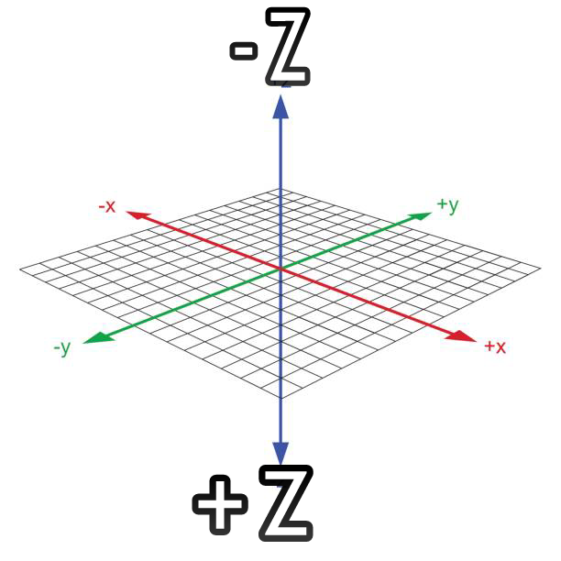
1 | MOVE-NPC | -1 | 1 | 1 | (SPRITE1) | (DIR↙) | (value) | (ANIMATION1) | BASIC MOVE
1 | MOVE-NPC | -1 | 1 | 1 | (SPRITE1) | (DIR↖) | (value) | (ANIMATION2)
1 | MOVE-NPC | -1 | 1 | 1 | (SPRITE1) | (DIR↗) | (value) | (ANIMATION3)
1 | MOVE-NPC | -1 | 1 | 1 | (SPRITE1) | (DIR↘) | (value) | (ANIMATION4)
2 | OPENTEXTBOX | -1 | 2 | 1 | (MESSEGE3) | (INDEX2) | (-1) | (0) | BUKA TEXTBOX
3 | 03
4 | SETNPCPOS | -1 | -1 | 0 | (SPRITE1) | (Zvalue) | (Xvalue) | (Yvalue)
5 | SETNPCDIR | -1 | -1 | 0 | (SPRITE1) | (ANIMATION0) | (DIR↙) | (1) | SET DIRECTION NPC
5 | SETNPCDIR | -1 | -1 | 0 | (SPRITE1) | (ANIMATION0) | (DIR↖) | (1)
5 | SETNPCDIR | -1 | -1 | 0 | (SPRITE1) | (ANIMATION0) | (DIR↗) | (1)
5 | SETNPCDIR | -1 | -1 | 0 | (SPRITE1) | (ANIMATION0) | (DIR↘) | (1)
6 | 06
7 | 07
8 | CHANGEMAP | -1 | -1 | 1 | (MAPPANTAISPRING) | (0) | (0) | (0)
9 | 09
10 | 0A
11 | 0B
12 | 0C
13 | 0D
14 | 0E
15 | 0F
16 | 10
17 | 11
18 | 12
19 | 13
20 | 14
21 | MOVE-CAM
22 | 16
23 | SOUND-MV | -1 | -1 | 1 | (SOUND-MV0) | (0) | (1) | (0) | SOUND MV
23 | SOUND-MV | -1 | -1 | 1 | (SOUND-MV0) | (0) | (0) | (0)
24 | BGM | -1 | 24 | 1 | (BGM5) | (1) | (1) | (0) | BGM
25 | 19
26 | 1A
27 | LIGHT | -1 | -1 | 1 | 1 | 48 | 1 | 0
27 | LIGHT | -1 | 27 | 1 | 1 | 0 | 0 | 0
28 | 1C
29 | 1D
30 | 1E
31 | 1F
32 | 20
33 | 21
34 | 22
35 | 23
36 | 24
37 | RESTORE | -1 | 37 | 1 | 0 | 0 | 0 | 1 | MENGAKHIRI EVENT
38 | END
38 | 26
39 | 27
40 | OPENDOOR | -1 | -1 | 0 | (DOOR26) | (0) | (3) | (0) | NPC KLUAR PINTU
40 | OPENDOOR | -1 | 40 | 1 | (DOOR26) | (2) | (0) | (0)
40 | 06 | -1 | -1 | 0 | 3 | 0 | 0 | 0
40 | MOVE-NPC(SP1) | -1 | 40 | 1 | (SPRITE1) | (DIR↖) | (value) | (ANIMATION2)
40 | OPENDOOR | -1 | 40 | 1 | (DOOR26) | (1) | (0) | (0)
40 | OPENDOOR | -1 | -1 | 0 | (DOOR26) | (0) | (1) | (0) | NPC MASUK PINTU
40 | OPENDOOR | -1 | 40 | 1 | (DOOR26) | (2) | (0) | (0)
40 | MOVE-NPC(SP1) | -1 | 40 | 1 | (SPRITE1) | (DIR↖) | (value) | (ANIMATION2)
40 | 06 | -1 | -1 | 0 | 3 | 1 | 0 | 0
40 | OPENDOOR | -1 | 40 | 1 | (DOOR26) | (1) | (0) | (0)
41 | 29
42 | 2A
43 | 2B
44 | 2C
45 | 2D
46 | 2E
47 | 2F
48 | 30
49 | 31
50 | 32
51 | MOVE-CAM-TO-NPC | -1 | 51 | 1 | (NPC1) | (0) | (1) | (2)
52 | SET-OBJ-POS
53 | 35
54 | 36
55 | 37
56 | 38
57 | 39
58 | 3A
59 | 3B
60 | 3C
61 | SETMCPOS | -1 | -1 | 0 | (PETE0) | (Zvalue) | (Xvalue) | (Yvalue)
62 | MOVE-MC | -1 | 62 | 1 | (PETE0) | (DIR↙) | (value) | (UNK0) | BASIC MOVE MC
62 | MOVE-MC | -1 | 62 | 1 | (PETE0) | (DIR↖) | (value) | (UNK0)
62 | MOVE-MC | -1 | 62 | 1 | (PETE0) | (DIR↗) | (value) | (UNK0)
62 | MOVE-MC | -1 | 62 | 1 | (PETE0) | (DIR↘) | (value) | (UNK0)
63 | MC-ACTION
64 | SET-MC-DIR | -1 | -1 | 0 | (DIR↙) | (0) | (0) | (0)
64 | SET-MC-DIR | -1 | -1 | 0 | (DIR↖) | (0) | (0) | (0)
64 | SET-MC-DIR | -1 | -1 | 0 | (DIR↗) | (0) | (0) | (0)
64 | SET-MC-DIR | -1 | -1 | 0 | (DIR↘) | (0) | (0) | (0)
65 | 41
66 | 42
67 | 43
68 | 44
69 | 45
70 | 46
71 | 47
72 | 48
73 | 49
74 | 4A
75 | 4B
76 | ADVANCE-TIME | -1 | -1 | 0 | (HOUR2) | (MINUTE30) | (0) | (0)
77 | 4D
78 | 4E
79 | 4F
80 | 50
81 | 51
82 | MOVE-NPC(SP1) | -1 | 82 | 1 | (SPRITE1) | (DIR↙) | (value) | (ANIMATION1) | BASIC MOVE SPEED1
83 | MOVE-NPC(SP1) | -1 | 83 | 1 | (SPRITE1) | (DIR↖) | (value) | (ANIMATION2)
84 | MOVE-NPC(SP1) | -1 | 84 | 1 | (SPRITE1) | (DIR↗) | (value) | (ANIMATION3)
85 | MOVE-NPC(SP1) | -1 | 85 | 1 | (SPRITE1) | (DIR↘) | (value) | (ANIMATION4)
83 | 53
84 | 54
85 | 55
86 | 56
87 | 57
88 | 58
89 | 59
90 | 5A
91 | 5B
92 | 5C
93 | 5D
94 | 5E
95 | 5F
96 | 60
97 | 61
98 | 62

