SAMPLE COMMAND
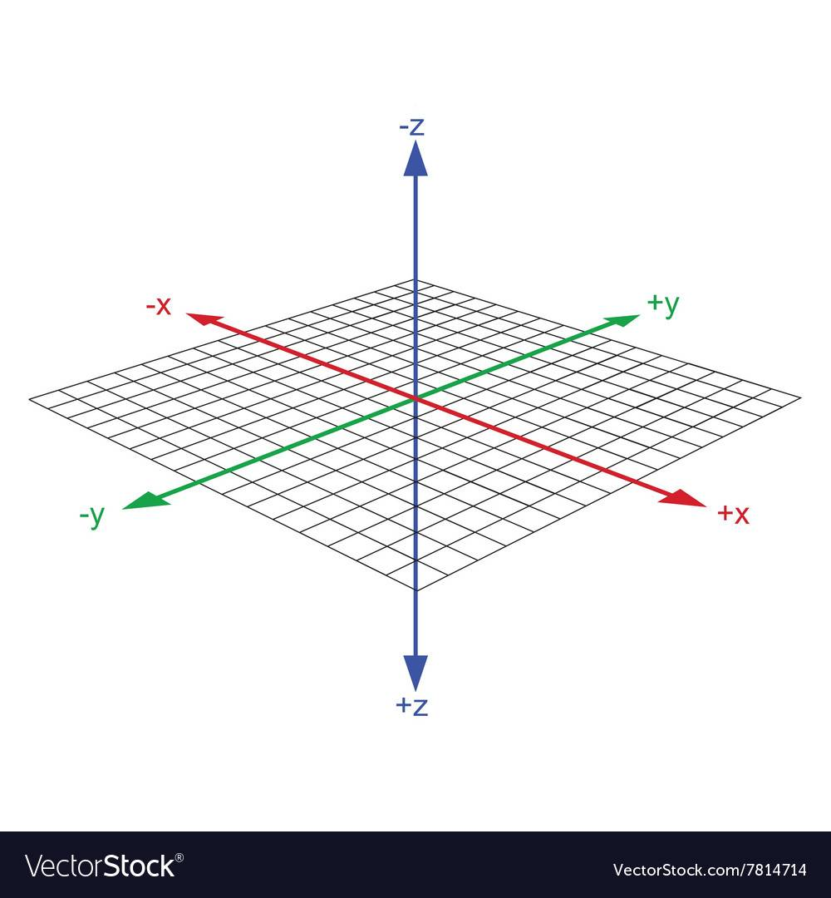
Nomor | Command | V0 | V1 | V2 | A0 | A1 | A2 | A3 | INFORMATION | AXIS
0
1 | MOVE-NPC | -1 | 1 | 1 | (NAMA_NPC) | (DIR↙) | (value) | (ANIMATION1) | BASIC MOVE
1 | MOVE-NPC | -1 | 1 | 1 | (NAMA_NPC) | (DIR↖) | (value) | (ANIMATION2)
1 | MOVE-NPC | -1 | 1 | 1 | (NAMA_NPC) | (DIR↗) | (value) | (ANIMATION3)
1 | MOVE-NPC | -1 | 1 | 1 | (NAMA_NPC) | (DIR↘) | (value) | (ANIMATION4)
2 | OPENTEXTBOX | -1 | 2 | 1 | (MESSEGE0) | (INDEXxxx) | (-1) | (0) | BUKA TEXTBOX
3 | 03
4 | SETNPCPOS | -1 | -1 | 0 | (NAMA_NPC) | (Zvalue) | (Xvalue) | (Yvalue) | SET POSISI NPC
5 | SETNPCDIR | -1 | -1 | 0 | (NAMA_NPC) | (ANIMATION0) | (DIR↙) | (1) | SET DIRECTION NPC
5 | SETNPCDIR | -1 | -1 | 0 | (NAMA_NPC) | (ANIMATION0) | (DIR↖) | (1)
5 | SETNPCDIR | -1 | -1 | 0 | (NAMA_NPC) | (ANIMATION0) | (DIR↗) | (1)
5 | SETNPCDIR | -1 | -1 | 0 | (NAMA_NPC) | (ANIMATION0) | (DIR↘) | (1)
6 | 06
7 | 07
8 | CHANGEMAP | -1 | -1 | 1 | (MAPPANTAISPRING) | (0) | (0) | (0) | MENGGANTI MAP
9 | MOVE-CAM-TO-POS | -1 | 9 | 0 | (-1) | (Z0) | (Xvalue) | (Yvalue) | GERAKAN KAMERA KE POSISI TUJUAN
10 | 0A
11 | 0B
12 | 0C
13 | 0D
14 | 0E
15 | 0F
16 | 10
17 | 11
18 | 12
19 | 13
20 | 14
21 | MOVE-CAM
22 | 16
23 | SOUND-MV | -1 | -1 | 1 | (SOUND-MV0) | (0) | (1) | (0) | SOUND MV
23 | SOUND-MV | -1 | 23 | 1 | (SOUND-MV0) | (0) | (0) | (0)
24 | BGM | -1 | 24 | 1 | (BGM5) | (1) | (1) | (0) | BGM
25 | 19
26 | 1A
27 | LIGHT | -1 | -1 | 1 | 0 | 60 | 1 | 0 | LAYAR NORMAL KE HITAM
27 | LIGHT | -1 | 27 | 1 | 0 | 0 | 0 | 0
28 | 03 | -1 | 28 | 1 | 60 | 19 | 0 | 0
29 | LIGHT | -1 | -1 | 1 | 1 | 48 | 1 | 0 | LAYAR HITAM KE NORMAL
30 | LIGHT | -1 | -1 | 2 | 0 | 120 | 1 | 1 | LAYAR NORMAL KE PUTIH
31 | LIGHT | -1 | 31 | 1 | 0 | 0 | 0 | 0
32 | 03 | -1 | 32 | 2 | 60 | 19 | 0 | 0
33 | LIGHT | -1 | -1 | 1 | 1 | 48 | 1 | 1 | LAYAR PUTIH KE NORMAL
34 | LIGHT | -1 | 34 | 1 | 1 | 0 | 0 | 1
35 | 1C
36 | 1D
37 | 1E
38 | MC-HANDLING-ITEM | -1 | 38 | 0 | (NAMA_ITEM) | (0) | (0) | (0) | MC MEMEGANG ITEM
38 | 20
39 | 21
40 | 22
40 | 23
40 | 24
40 | RESTORE | -1 | 40 | 1 | 0 | 0 | 0 | 1 | MENGAKHIRI EVENT
40 | END | 0 | 0 | 0 | 0 | 0 | 0 | 0
40 | 26
40 | 27
40 | OPENDOOR | -1 | -1 | 0 | (DOORxx) | (0) | (3) | (0) | NPC KLUAR PINTU
40 | OPENDOOR | -1 | 40 | 1 | (DOORxx) | (2) | (0) | (0)
40 | 06 | -1 | -1 | 0 | 3 | 0 | 0 | 0
41 | MOVE-NPC(SP1) | -1 | 41 | 1 | (NAMA_NPC) | (DIR↖) | (value) | (ANIMATION2)
42 | OPENDOOR | -1 | 42 | 1 | (DOORxx) | (1) | (0) | (0)
43 | OPENDOOR | -1 | -1 | 0 | (DOORxx) | (0) | (1) | (0) | NPC MASUK PINTU
44 | OPENDOOR | -1 | 44 | 1 | (DOORxx) | (2) | (0) | (0)
45 | MOVE-NPC(SP1) | -1 | 45 | 1 | (NAMA_NPC) | (DIR↖) | (value) | (ANIMATION2)
46 | 06 | -1 | -1 | 0 | 3 | 1 | 0 | 0
47 | OPENDOOR | -1 | 47 | 1 | (DOORxx) | (1) | (0) | (0)
48 | 29
49 | 2A
50 | FLOATING-ICON | -1 | 50 | 1 | (NAMA_NPC) | (SANGAT_LOVE) | (0) | (0) | SHOW ICON DIATAS NPC
51 | 2C
52 | 2D
53 | 2E
54 | 2F
55 | 30
56 | 31
57 | 32
58 | MOVE-CAM-TO-NPC | -1 | 58 | 1 | (NAMA_NPC) | (0) | (1) | (2) | GERAKAN KAMERA KE TARGET NPC
59 | MOVE-CAM-TO-MC | -1 | 59 | 1 | (PETE1) | (0) | (1) | (2) | GERAKAN KAMERA KE MC
60 | SET-ITEM-POS | -1 | -1 | 0 | (NAME_ITEM) | (Zvalue) | (Xvalue) | (Yvalue) | SET POSISI ITEM
61 | 35
62 | 36
62 | 37
62 | 38
62 | 39
63 | 3A
64 | 3B
64 | 3C
64 | SETMCPOS | -1 | -1 | 0 | (PETE0) | (Zvalue) | (Xvalue) | (Yvalue) | SET POSISI MC
64 | MOVE-MC | -1 | 64 | 1 | (PETE0) | (DIR↙) | (value) | (UNK0) | BASIC MOVE MC
65 | MOVE-MC | -1 | 65 | 1 | (PETE0) | (DIR↖) | (value) | (UNK0)
66 | MOVE-MC | -1 | 66 | 1 | (PETE0) | (DIR↗) | (value) | (UNK0)
67 | MOVE-MC | -1 | 67 | 1 | (PETE0) | (DIR↘) | (value) | (UNK0)
68 | MC-ACTION | -1 | -1 | 1 | (0) | (ACT6) | (DIR↙) | (11) | AKSI MC
69 | 15 | -1 | -1 | 0 | 2 | 0 | 0 | 0
70 | 03 | -1 | 70 | 1 | 70 | 2 | 0 | 0
71 | SET-MC-DIR | -1 | -1 | 0 | (DIR↙) | (0) | (0) | (0) | SET DIRECTION MC
72 | SET-MC-DIR | -1 | -1 | 0 | (DIR↖) | (0) | (0) | (0)
73 | SET-MC-DIR | -1 | -1 | 0 | (DIR↗) | (0) | (0) | (0)
74 | SET-MC-DIR | -1 | -1 | 0 | (DIR↘) | (0) | (0) | (0)
75 | 41
76 | 42
77 | 43
78 | 44
79 | DELAY | 79 | -1 | 1 | (-1) | (0) | (536870912) | (0) | DELAY
80 | 46
81 | 47
82 | 48
83 | 49
84 | 4A
85 | 4B
83 | ADVANCE-TIME | -1 | -1 | 0 | (HOUR2) | (MINUTE30) | (0) | (0) | MAJUKAN JAM
84 | 4D
85 | 4E
86 | 4F
87 | 50
88 | 51
89 | MOVE-NPC(SP1) | -1 | 89 | 1 | (NAMA_NPC) | (DIR↙) | (value) | (ANIMATION1) | MOVE NPC CEPAT
90 | MOVE-NPC(SP1) | -1 | 90 | 1 | (NAMA_NPC) | (DIR↖) | (value) | (ANIMATION2)
91 | MOVE-NPC(SP1) | -1 | 91 | 1 | (NAMA_NPC) | (DIR↗) | (value) | (ANIMATION3)
92 | MOVE-NPC(SP1) | -1 | 92 | 1 | (NAMA_NPC) | (DIR↘) | (value) | (ANIMATION4)
93 | 53
94 | 54
95 | 55
96 | 56
97 | 57
98 | 58
99 | 59
100 | 5A
101 | 5B
102 | 5C
103 | 5D
104 | 5E
105 | 5F
106 | 60
107 | 61
108 | 62
109 | LIGHT | -1 | -1 | 1 | 2 | 48 | 1 | 0 | OPEN TEXT BOX PADA LAYAR HITAM
110 | 0F | -1 | 112 | 0 | 0 | 0 | 0004 | 0001
111 | 0F | 116 | 113 | 0 | 0001 | 0000 | 0004 | 0001
112 | 1A | 114 | 111 | 0 | 0000 | 0001 | 0000 | 0000
113 | LIGHT | 115 | 110 | 1 | 2 | 0 | 0 | 0
114 | 15 | 111 | 111 | 0 | 0000 | 0000 | 0001 | 0000
115 | 15 | 116 | 116 | 0 | 0001 | 0000 | 0001 | 0000
116 | 10 | -1 | 110 | 1 | 0000 | 0001 | 0004 | 0000
117 | 1A | -1 | -1 | 1 | 0000 | 0002 | 0000 | 0000
118 | 4D | -1 | -1 | 0 | 0001 | 0010 | 0001 | 0000
119 | 4D | -1 | 119 | 1 | 0001 | 0000 | 0000 | 0000
120 | OPENTEXTBOX | -1 | 120 | 1 | (MESSEGE0) | (INDEX0) | (-1) | (0)
121 | 1C | -1 | -1 | 0 | 0001 | 0000 | 0 | 0 | AKHIRI EVENT NPC TETEP ADA DI MAP VERSI 1
122 | 0A | -1 | -1 | 0 | 0001 | 0000 | 0 | 0
123 | 24 | 128 | -1 | 0 | -0001 | 0000 | 0 | 0
124 | 38 | 129 | -1 | 0 | 0000 | 0000 | 0 | 0
125 | 0B | 126 | 123 | 1 | -0001 | 0001 | 1 | 0
126 | 13 | -1 | -1 | 0 | 0254 | 0000 | 1 | 0
127 | OPENTEXTBOX | 123 | 127 | 1 | (MESSEGE1) | (INDEX547) | (0) | (0)
128 | LIGHT | 129 | 128 | 1 | 0 | 0 | 0 | 0
129 | RESTORE | -1 | 129 | 1 | 0 | 0 | 0 | 0
130 | END | 0 | 0 | 0 | 0000 | 0000 | 0000 | 0000
131
132
133
134
135
136
137
138
139
140
141
142
143
144
145
146
147
148
149
150
151
152
153
154
155
156
157
158
159
160
161
162
163
164
165
166
167
168
169
170

